Statistics
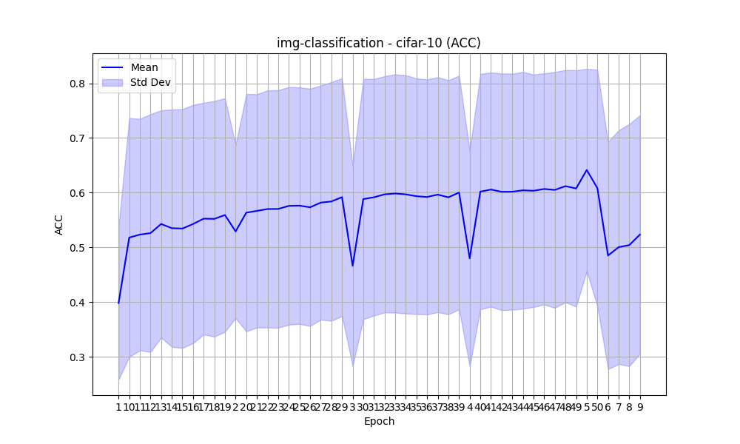
task | dataset | epoch | metric | accuracy_mean | accuracy_std
img-classification | cifar-10 | 1 | acc | 0.39816154589 | 0.1398982486
img-classification | cifar-10 | 10 | acc | 0.51800212766 | 0.21836675919
img-classification | cifar-10 | 11 | acc | 0.52339111111 | 0.21163181023
img-classification | cifar-10 | 12 | acc | 0.52612173913 | 0.21737001113
img-classification | cifar-10 | 13 | acc | 0.54284 | 0.20774815982
img-classification | cifar-10 | 14 | acc | 0.53514888889 | 0.21693491548
img-classification | cifar-10 | 15 | acc | 0.53444545455 | 0.21834689645
img-classification | cifar-10 | 16 | acc | 0.54276363636 | 0.21785717862
img-classification | cifar-10 | 17 | acc | 0.55255348837 | 0.21187663453
img-classification | cifar-10 | 18 | acc | 0.55215348837 | 0.21545844075
img-classification | cifar-10 | 19 | acc | 0.55920697674 | 0.21339281841
img-classification | cifar-10 | 2 | acc | 0.5291471519 | 0.15843709335
img-classification | cifar-10 | 20 | acc | 0.56346511628 | 0.21705482398
img-classification | cifar-10 | 21 | acc | 0.56675581395 | 0.21335459563
img-classification | cifar-10 | 22 | acc | 0.57013571429 | 0.21684395178
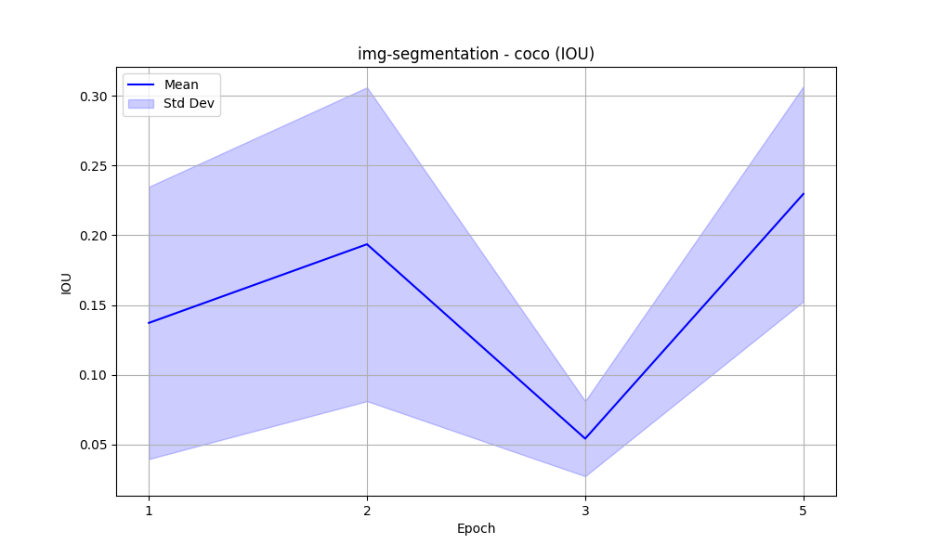
img-classification | cifar-10 | 23 | acc | 0.57029047619 | 0.2171608315
img-classification | cifar-10 | 24 | acc | 0.57592682927 | 0.21732952862
img-classification | cifar-10 | 25 | acc | 0.57634878049 | 0.21618286602
img-classification | cifar-10 | 26 | acc | 0.57329268293 | 0.21692927694
img-classification | cifar-10 | 27 | acc | 0.58186341463 | 0.21405895888
img-classification | cifar-10 | 28 | acc | 0.583975 | 0.21827628076
img-classification | cifar-10 | 29 | acc | 0.59186153846 | 0.21734788585
img-classification | cifar-10 | 3 | acc | 0.4662648 | 0.18317226127
img-classification | cifar-10 | 30 | acc | 0.58832820513 | 0.21972958854
img-classification | cifar-10 | 31 | acc | 0.59164615385 | 0.21620401531
img-classification | cifar-10 | 32 | acc | 0.59695641026 | 0.21602833001
img-classification | cifar-10 | 33 | acc | 0.59856153846 | 0.21787158291
img-classification | cifar-10 | 34 | acc | 0.59695897436 | 0.21781495492
img-classification | cifar-10 | 35 | acc | 0.59352631579 | 0.2154080511
img-classification | cifar-10 | 36 | acc | 0.59220789474 | 0.214798249
img-classification | cifar-10 | 37 | acc | 0.59649473684 | 0.21488949259
img-classification | cifar-10 | 38 | acc | 0.59154736842 | 0.21403575697
img-classification | cifar-10 | 39 | acc | 0.60037297297 | 0.21369893496
img-classification | cifar-10 | 4 | acc | 0.4799015748 | 0.19772865927
img-classification | cifar-10 | 40 | acc | 0.60198918919 | 0.21512266499
img-classification | cifar-10 | 41 | acc | 0.60571621622 | 0.21405285888
img-classification | cifar-10 | 42 | acc | 0.60162972973 | 0.21638390634
img-classification | cifar-10 | 43 | acc | 0.60180810811 | 0.21577990121
img-classification | cifar-10 | 44 | acc | 0.60437567568 | 0.21643974708
img-classification | cifar-10 | 45 | acc | 0.60349189189 | 0.21249807892
img-classification | cifar-10 | 46 | acc | 0.60683243243 | 0.21134035747
img-classification | cifar-10 | 47 | acc | 0.60508918919 | 0.21556102228
img-classification | cifar-10 | 48 | acc | 0.61198648649 | 0.21242197935
img-classification | cifar-10 | 49 | acc | 0.60776486486 | 0.21608896858
img-classification | cifar-10 | 5 | acc | 0.64155200846 | 0.1849287152
img-classification | cifar-10 | 50 | acc | 0.60841891892 | 0.21637288395
img-classification | cifar-10 | 6 | acc | 0.4851 | 0.20778923917
img-classification | cifar-10 | 7 | acc | 0.50047755102 | 0.21379691616
img-classification | cifar-10 | 8 | acc | 0.50421632653 | 0.22140710745
img-classification | cifar-10 | 9 | acc | 0.52344468085 | 0.21805390718
img-segmentation | coco | 1 | iou | 0.1371973445 | 0.097615064142
img-segmentation | coco | 2 | iou | 0.19358716683 | 0.11249892926
img-segmentation | coco | 3 | iou | 0.054246170653 | 0.026970250159
img-segmentation | coco | 5 | iou | 0.22967739031 | 0.077112071499

