Statistics
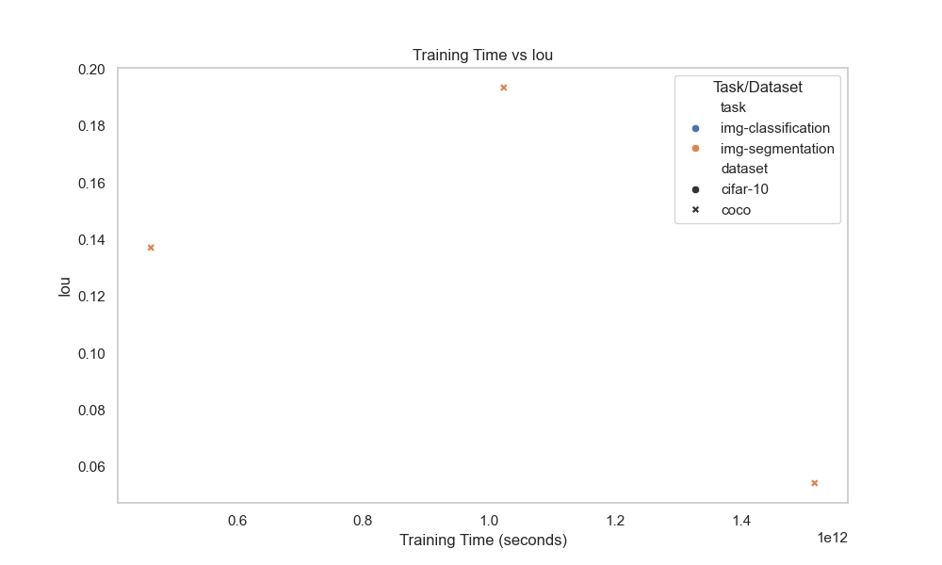
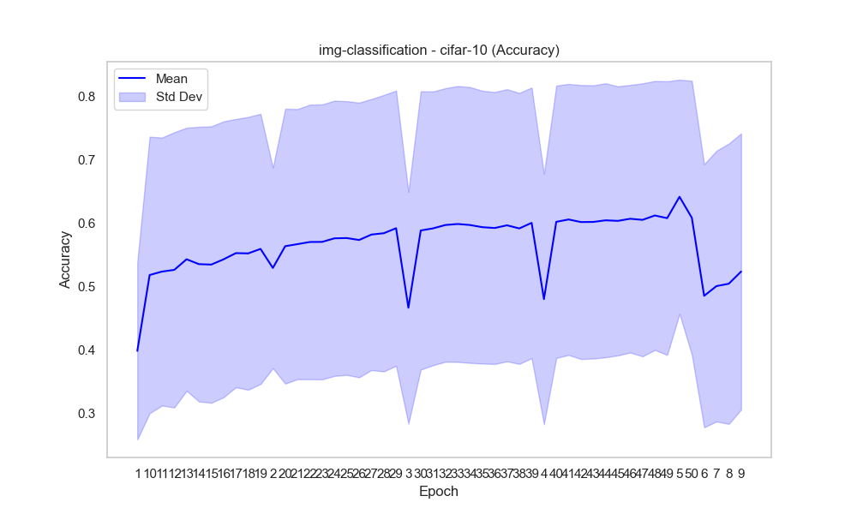
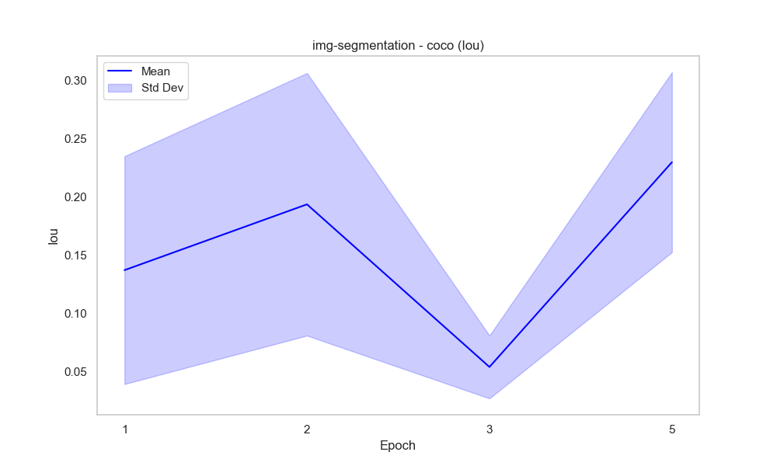
task | dataset | epoch | accuracy_mean | accuracy_std | duration | metric | iou_mean | iou_std | Mean and Std Dev
img-classification | cifar-10 | 1 | 0.39816154589 | 0.1398982486 | 1.4763959051E+11 | accuracy
img-classification | cifar-10 | 10 | 0.51800212766 | 0.21836675919 | 1.2892441872E+12 | accuracy
img-classification | cifar-10 | 11 | 0.52339111111 | 0.21163181023 | 1.3938526746E+12 | accuracy
img-classification | cifar-10 | 12 | 0.52612173913 | 0.21737001113 | 1.5617741912E+12 | accuracy
img-classification | cifar-10 | 13 | 0.54284 | 0.20774815982 | 1.6474221558E+12 | accuracy
img-classification | cifar-10 | 14 | 0.53514888889 | 0.21693491548 | 1.8218583296E+12 | accuracy
img-classification | cifar-10 | 15 | 0.53444545455 | 0.21834689645 | 1.8606171399E+12 | accuracy
img-classification | cifar-10 | 16 | 0.54276363636 | 0.21785717862 | 1.9846827842E+12 | accuracy
img-classification | cifar-10 | 17 | 0.55255348837 | 0.21187663453 | 2.1213930756E+12 | accuracy
img-classification | cifar-10 | 18 | 0.55215348837 | 0.21545844075 | 2.2460994482E+12 | accuracy
img-classification | cifar-10 | 19 | 0.55920697674 | 0.21339281841 | 2.3709564291E+12 | accuracy
img-classification | cifar-10 | 2 | 0.5291471519 | 0.15843709335 | 3.3281524709E+11 | accuracy
img-classification | cifar-10 | 20 | 0.56346511628 | 0.21705482398 | 2.4958274911E+12 | accuracy
img-classification | cifar-10 | 21 | 0.56675581395 | 0.21335459563 | 2.6208366164E+12 | accuracy
img-classification | cifar-10 | 22 | 0.57013571429 | 0.21684395178 | 2.7847824094E+12 | accuracy
img-classification | cifar-10 | 23 | 0.57029047619 | 0.2171608315 | 2.9114946438E+12 | accuracy
img-classification | cifar-10 | 24 | 0.57592682927 | 0.21732952862 | 3.0108634305E+12 | accuracy
img-classification | cifar-10 | 25 | 0.57634878049 | 0.21618286602 | 3.1363870268E+12 | accuracy |  |  | Box Plot
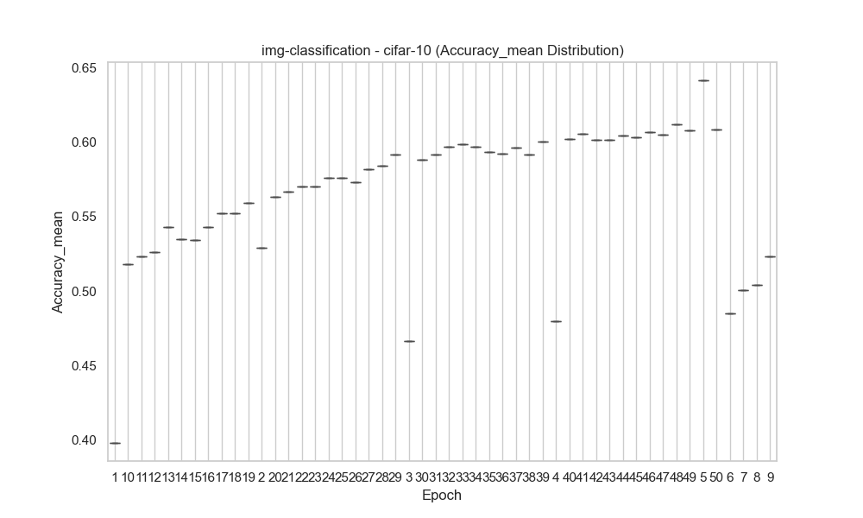
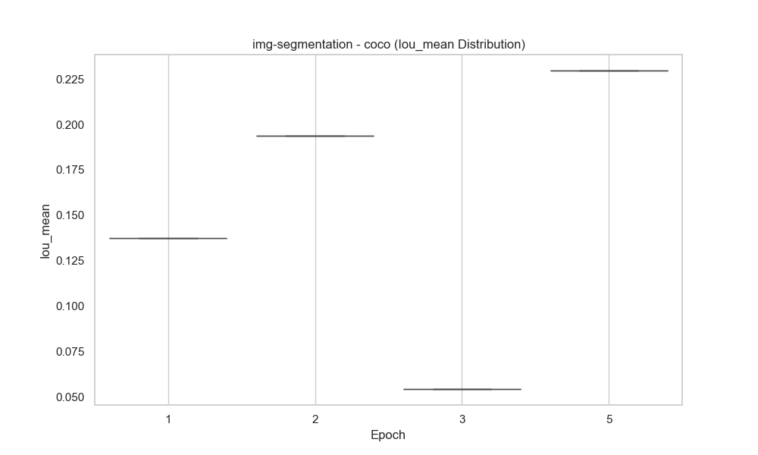
img-classification | cifar-10 | 26 | 0.57329268293 | 0.21692927694 | 3.2618320983E+12 | accuracy
img-classification | cifar-10 | 27 | 0.58186341463 | 0.21405895888 | 3.3876483173E+12 | accuracy
img-classification | cifar-10 | 28 | 0.583975 | 0.21827628076 | 3.5183395155E+12 | accuracy
img-classification | cifar-10 | 29 | 0.59186153846 | 0.21734788585 | 3.6768209169E+12 | accuracy
img-classification | cifar-10 | 3 | 0.4662648 | 0.18317226127 | 4.3652663126E+11 | accuracy
img-classification | cifar-10 | 30 | 0.58832820513 | 0.21972958854 | 3.8037149715E+12 | accuracy
img-classification | cifar-10 | 31 | 0.59164615385 | 0.21620401531 | 3.9305215618E+12 | accuracy
img-classification | cifar-10 | 32 | 0.59695641026 | 0.21602833001 | 4.057378401E+12 | accuracy
img-classification | cifar-10 | 33 | 0.59856153846 | 0.21787158291 | 4.1845305569E+12 | accuracy
img-classification | cifar-10 | 34 | 0.59695897436 | 0.21781495492 | 4.3113960663E+12 | accuracy
img-classification | cifar-10 | 35 | 0.59352631579 | 0.2154080511 | 4.1874649998E+12 | accuracy
img-classification | cifar-10 | 36 | 0.59220789474 | 0.214798249 | 4.3070137444E+12 | accuracy
img-classification | cifar-10 | 37 | 0.59649473684 | 0.21488949259 | 4.4267182027E+12 | accuracy
img-classification | cifar-10 | 38 | 0.59154736842 | 0.21403575697 | 4.5462899304E+12 | accuracy
img-classification | cifar-10 | 39 | 0.60037297297 | 0.21369893496 | 3.5206435446E+12 | accuracy
img-classification | cifar-10 | 4 | 0.4799015748 | 0.19772865927 | 6.0872976395E+11 | accuracy
img-classification | cifar-10 | 40 | 0.60198918919 | 0.21512266499 | 3.610803491E+12 | accuracy
img-classification | cifar-10 | 41 | 0.60571621622 | 0.21405285888 | 3.7011073984E+12 | accuracy |  |  | Rolling Mean
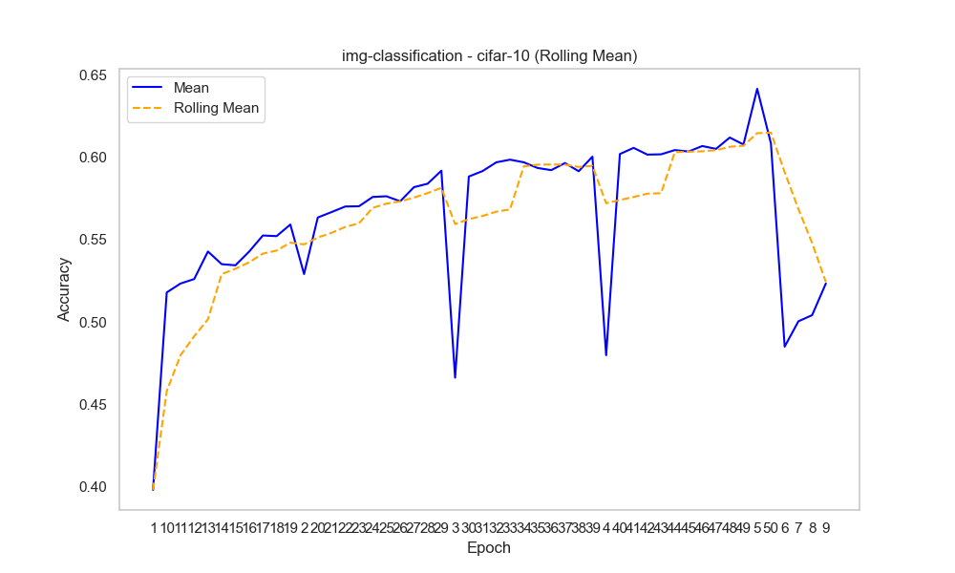
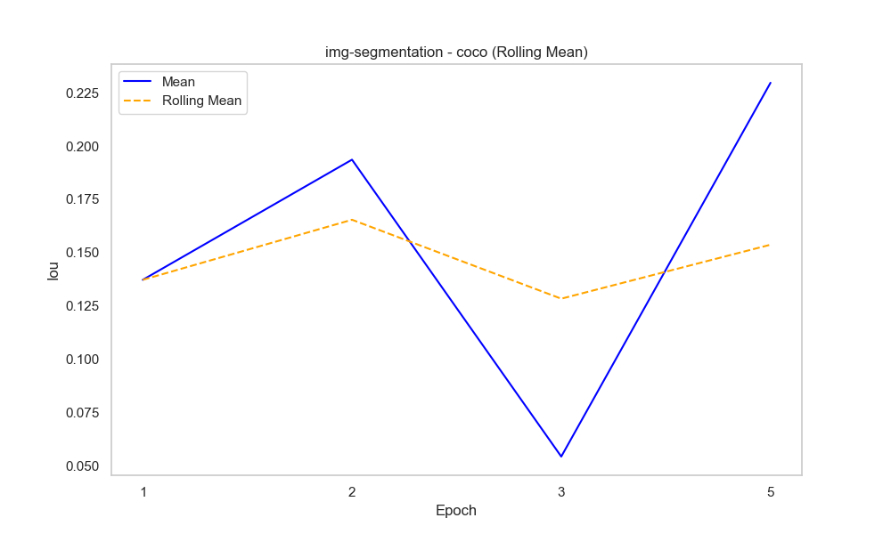
img-classification | cifar-10 | 42 | 0.60162972973 | 0.21638390634 | 3.7915686139E+12 | accuracy
img-classification | cifar-10 | 43 | 0.60180810811 | 0.21577990121 | 3.8818038723E+12 | accuracy
img-classification | cifar-10 | 44 | 0.60437567568 | 0.21643974708 | 3.9718691251E+12 | accuracy
img-classification | cifar-10 | 45 | 0.60349189189 | 0.21249807892 | 4.0621159522E+12 | accuracy
img-classification | cifar-10 | 46 | 0.60683243243 | 0.21134035747 | 4.152215786E+12 | accuracy
img-classification | cifar-10 | 47 | 0.60508918919 | 0.21556102228 | 4.2424990654E+12 | accuracy
img-classification | cifar-10 | 48 | 0.61198648649 | 0.21242197935 | 4.3327992569E+12 | accuracy
img-classification | cifar-10 | 49 | 0.60776486486 | 0.21608896858 | 4.4232581743E+12 | accuracy
img-classification | cifar-10 | 5 | 0.64155200846 | 0.1849287152 | 6.2946150306E+11 | accuracy
img-classification | cifar-10 | 50 | 0.60841891892 | 0.21637288395 | 4.5136355727E+12 | accuracy
img-classification | cifar-10 | 6 | 0.4851 | 0.20778923917 | 7.6578711486E+11 | accuracy
img-classification | cifar-10 | 7 | 0.50047755102 | 0.21379691616 | 8.934168549E+11 | accuracy
img-classification | cifar-10 | 8 | 0.50421632653 | 0.22140710745 | 1.0666899656E+12 | accuracy
img-classification | cifar-10 | 9 | 0.52344468085 | 0.21805390718 | 1.1198024422E+12 | accuracy
img-segmentation | coco | 1 |  |  | 4.631151531E+11 | iou | 0.1371973445 | 0.097615064142
img-segmentation | coco | 2 |  |  | 1.023305817E+12 | iou | 0.19358716683 | 0.11249892926
img-segmentation | coco | 3 |  |  | 1.5170979223E+12 | iou | 0.054246170653 | 0.026970250159
img-segmentation | coco | 5 |  |  |  | iou | 0.22967739031 | 0.077112071499

Task Comparison (Accuracy)

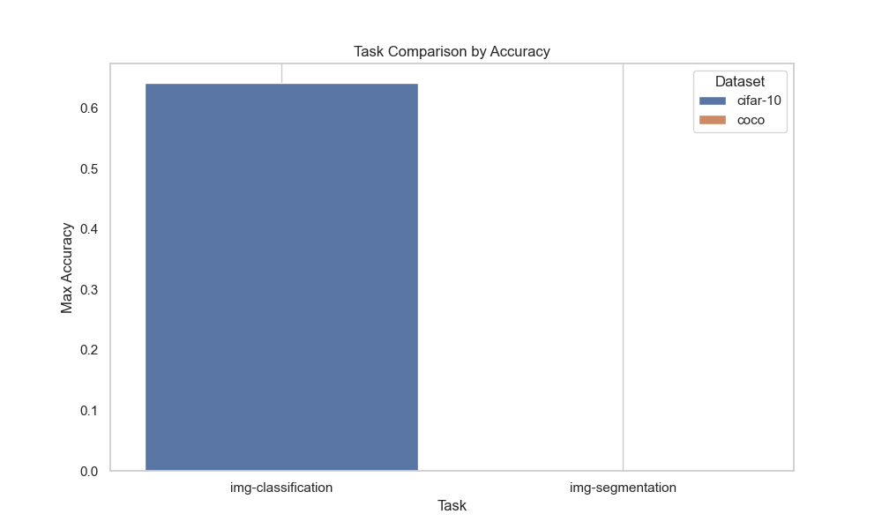

Task Comparison (IoU)

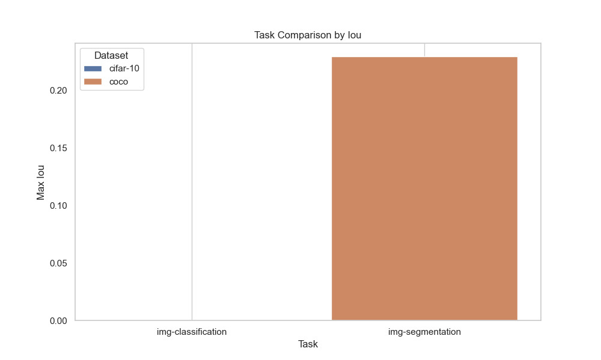

Correlation Heatmap

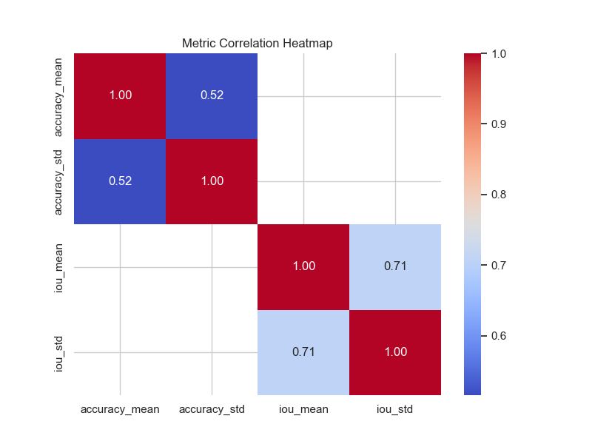

Time vs Accuracy

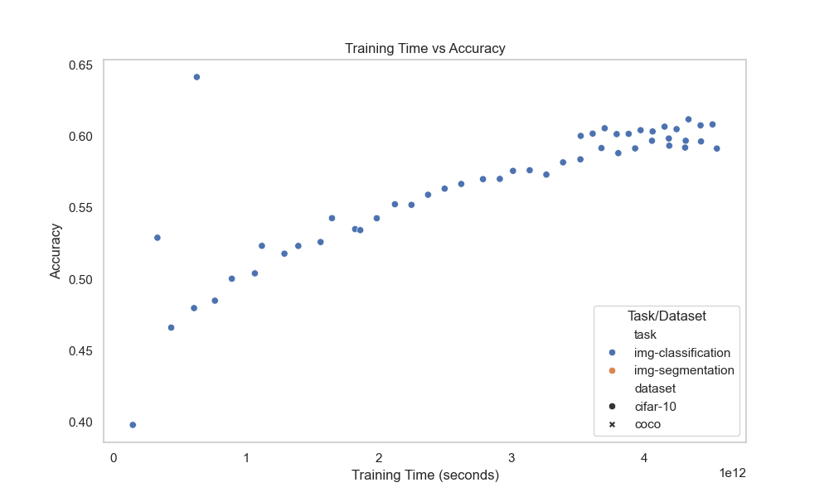

Time vs IoU

