Raw Data
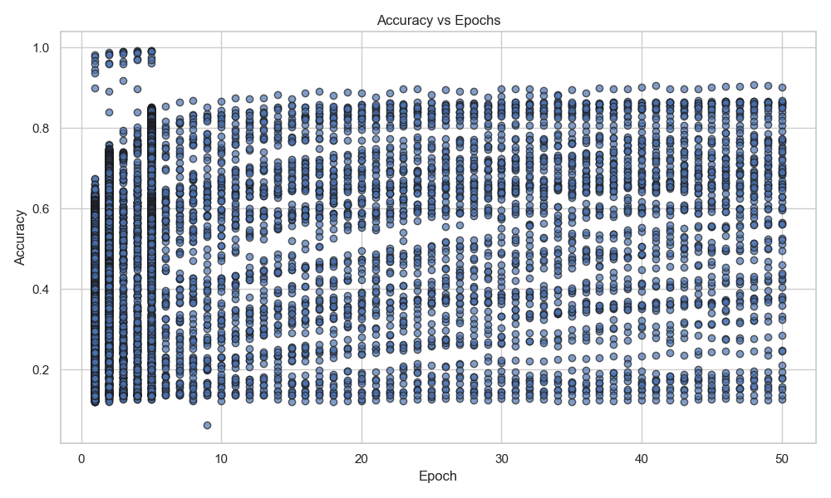
task | dataset | metric | epoch | duration | accuracy | nn
img-classification | cifar-10 | acc | 1 | 30769987475 | 0.6194 | AirNet | Accuracy vs Epochs
img-classification | cifar-10 | acc | 1 | 2207387638 | 0.5433 | AirNet
img-classification | cifar-10 | acc | 1 | 1820058187 | 0.5245 | AirNet
img-classification | cifar-10 | acc | 1 | 2178389983 | 0.5111 | AirNet
img-classification | cifar-10 | acc | 1 | 2609066084 | 0.4887 | AirNet
img-classification | cifar-10 | acc | 1 | 30482927883 | 0.4882 | AirNet
img-classification | cifar-10 | acc | 1 | 30797712916 | 0.4764 | AirNet
img-classification | cifar-10 | acc | 1 | 1868128700 | 0.4469 | AirNet
img-classification | cifar-10 | acc | 1 | 2828592550 | 0.427 | AirNet
img-classification | cifar-10 | acc | 1 | 61427046692 | 0.3832 | AirNet
img-classification | cifar-10 | acc | 1 | 92139007986 | 0.3728 | AirNet
img-classification | cifar-10 | acc | 1 | 2236132949 | 0.3603 | AirNet
img-classification | cifar-10 | acc | 1 | 1459850430 | 0.2963 | AirNet
img-classification | cifar-10 | acc | 1 | 2391953399 | 0.2882 | AirNet
img-classification | cifar-10 | acc | 1 | 120876533275 | 0.287 | AirNet
img-classification | cifar-10 | acc | 1 | 202508123797 | 0.2862 | AirNet
img-classification | cifar-10 | acc | 1 | 120067774173 | 0.2727 | AirNet
img-classification | cifar-10 | acc | 1 | 4532439689 | 0.2624 | AirNet
img-classification | cifar-10 | acc | 1 | 2293132845 | 0.2525 | AirNet
img-classification | cifar-10 | acc | 1 | 216661554526 | 0.2285 | AirNet
img-classification | cifar-10 | acc | 1 | 31271836010 | 0.2177 | AirNet | Accuracy vs Training Duration
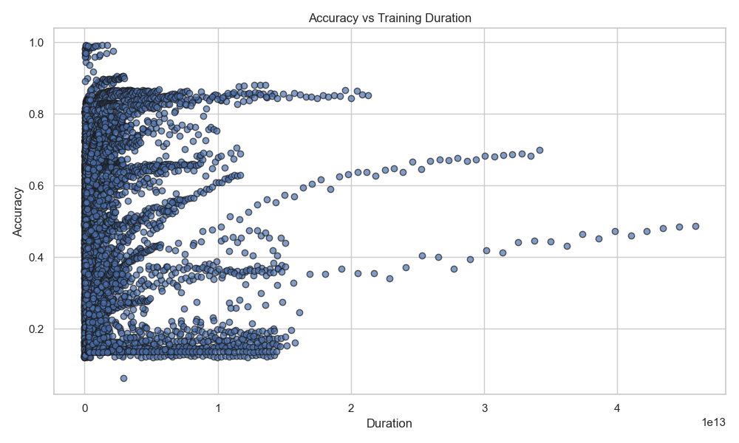
img-classification | cifar-10 | acc | 1 | 199596565362 | 0.1996 | AirNet
img-classification | cifar-10 | acc | 1 | 4443331321 | 0.198 | AirNet
img-classification | cifar-10 | acc | 1 | 62323857640 | 0.1959 | AirNet
img-classification | cifar-10 | acc | 1 | 1507427839 | 0.1769 | AirNet
img-classification | cifar-10 | acc | 1 | 2301787020 | 0.1641 | AirNet
img-classification | cifar-10 | acc | 1 | 1468775820 | 0.1629 | AirNet
img-classification | cifar-10 | acc | 1 | 3086389651 | 0.158 | AirNet
img-classification | cifar-10 | acc | 1 | 12855474642 | 0.1334 | AirNet
img-classification | cifar-10 | acc | 1 | 119949733578 | 0.133 | AirNet
img-classification | cifar-10 | acc | 1 | 60139445955 | 0.1261 | AirNet
img-classification | cifar-10 | acc | 1 | 2345374817 | 0.1213 | AirNet
img-classification | cifar-10 | acc | 10 | 15437209081 | 0.7461 | AirNet
img-classification | cifar-10 | acc | 10 | 22388654000 | 0.6935 | AirNet
img-classification | cifar-10 | acc | 10 | 26585815002 | 0.6555 | AirNet
img-classification | cifar-10 | acc | 10 | 14226642214 | 0.4095 | AirNet
img-classification | cifar-10 | acc | 10 | 1178769108355 | 0.3587 | AirNet
img-classification | cifar-10 | acc | 10 | 159197357213 | 0.2756 | AirNet
img-classification | cifar-10 | acc | 11 | 17207208104 | 0.7368 | AirNet
img-classification | cifar-10 | acc | 11 | 24585732301 | 0.6953 | AirNet
img-classification | cifar-10 | acc | 11 | 29135527810 | 0.6553 | AirNet | Accuracy vs Epochs (Line Plot)
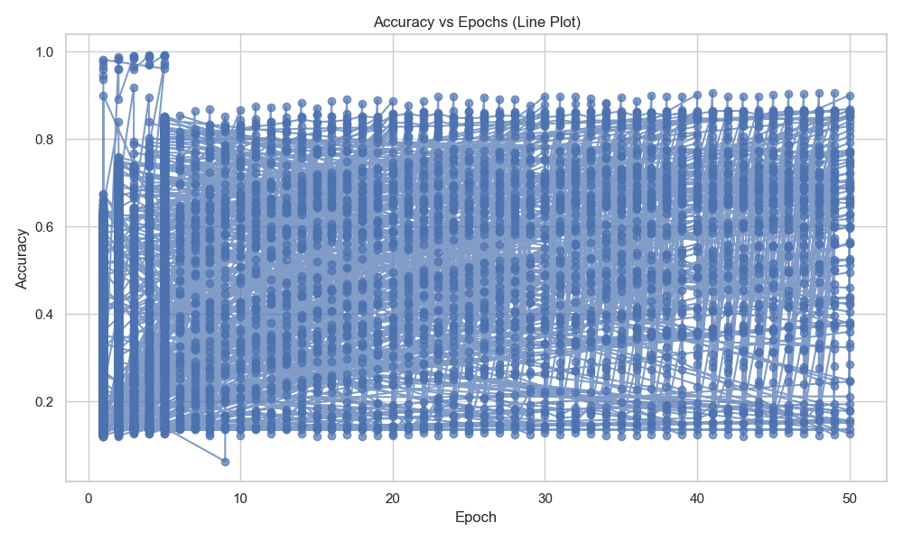
img-classification | cifar-10 | acc | 11 | 15635423710 | 0.4158 | AirNet
img-classification | cifar-10 | acc | 11 | 1294932868544 | 0.4099 | AirNet
img-classification | cifar-10 | acc | 11 | 174912426261 | 0.282 | AirNet
img-classification | cifar-10 | acc | 12 | 18649795258 | 0.7817 | AirNet
img-classification | cifar-10 | acc | 12 | 26801199790 | 0.6952 | AirNet
img-classification | cifar-10 | acc | 12 | 31729419616 | 0.6586 | AirNet
img-classification | cifar-10 | acc | 12 | 17056047659 | 0.4235 | AirNet
img-classification | cifar-10 | acc | 12 | 1411982117616 | 0.3337 | AirNet
img-classification | cifar-10 | acc | 12 | 190855946479 | 0.2879 | AirNet
img-classification | cifar-10 | acc | 13 | 20171517643 | 0.7767 | AirNet
img-classification | cifar-10 | acc | 13 | 29041414631 | 0.6962 | AirNet
img-classification | cifar-10 | acc | 13 | 34456196191 | 0.6466 | AirNet
img-classification | cifar-10 | acc | 13 | 18465987966 | 0.4311 | AirNet
img-classification | cifar-10 | acc | 13 | 1528140536461 | 0.3432 | AirNet
img-classification | cifar-10 | acc | 13 | 206563074585 | 0.2983 | AirNet
img-classification | cifar-10 | acc | 14 | 21699127611 | 0.775 | AirNet
img-classification | cifar-10 | acc | 14 | 31273129681 | 0.695 | AirNet
img-classification | cifar-10 | acc | 14 | 37023076326 | 0.6542 | AirNet
img-classification | cifar-10 | acc | 14 | 19891505343 | 0.4402 | AirNet
img-classification | cifar-10 | acc | 14 | 1645207419111 | 0.3584 | AirNet | Accuracy Trend over Training Duration
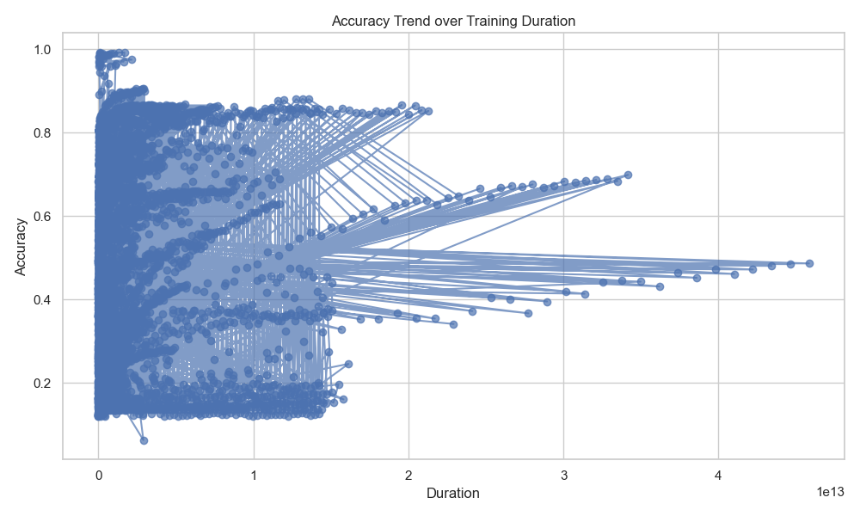
img-classification | cifar-10 | acc | 14 | 222021166008 | 0.2999 | AirNet
img-classification | cifar-10 | acc | 15 | 23119224360 | 0.7781 | AirNet
img-classification | cifar-10 | acc | 15 | 33497923881 | 0.6957 | AirNet
img-classification | cifar-10 | acc | 15 | 39866250375 | 0.6498 | AirNet
img-classification | cifar-10 | acc | 15 | 21306767256 | 0.4476 | AirNet
img-classification | cifar-10 | acc | 15 | 1762215878322 | 0.3892 | AirNet
img-classification | cifar-10 | acc | 15 | 237529037643 | 0.3117 | AirNet
img-classification | cifar-10 | acc | 16 | 24549529767 | 0.7908 | AirNet
img-classification | cifar-10 | acc | 16 | 35725772301 | 0.6966 | AirNet
img-classification | cifar-10 | acc | 16 | 42538948604 | 0.6479 | AirNet
img-classification | cifar-10 | acc | 16 | 1880050346458 | 0.4544 | AirNet
img-classification | cifar-10 | acc | 16 | 22725455935 | 0.4517 | AirNet
img-classification | cifar-10 | acc | 16 | 253144739727 | 0.3123 | AirNet
img-classification | cifar-10 | acc | 17 | 26089455373 | 0.788 | AirNet
img-classification | cifar-10 | acc | 17 | 37922702182 | 0.6963 | AirNet
img-classification | cifar-10 | acc | 17 | 45219974438 | 0.6464 | AirNet
img-classification | cifar-10 | acc | 17 | 24139022160 | 0.4598 | AirNet
img-classification | cifar-10 | acc | 17 | 1999029639974 | 0.426 | AirNet
img-classification | cifar-10 | acc | 17 | 268619804064 | 0.322 | AirNet
img-classification | cifar-10 | acc | 18 | 27515268505 | 0.8013 | AirNet | Accuracy Distribution by Epochs
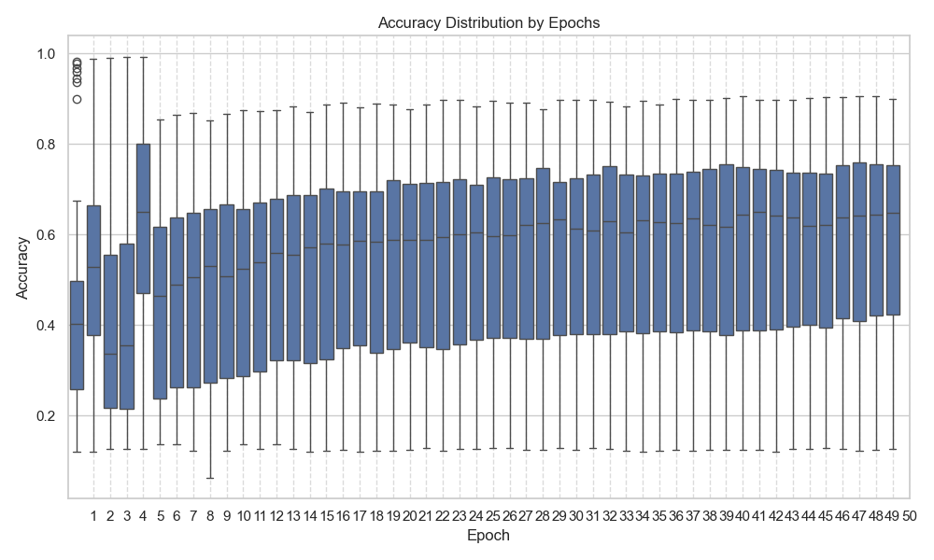
img-classification | cifar-10 | acc | 18 | 40140854617 | 0.6962 | AirNet
img-classification | cifar-10 | acc | 18 | 47918364392 | 0.6392 | AirNet
img-classification | cifar-10 | acc | 18 | 25565134825 | 0.4634 | AirNet
img-classification | cifar-10 | acc | 18 | 2115914830277 | 0.4075 | AirNet
img-classification | cifar-10 | acc | 18 | 284300570730 | 0.3257 | AirNet
img-classification | cifar-10 | acc | 19 | 28939181333 | 0.7999 | AirNet
img-classification | cifar-10 | acc | 19 | 42356482218 | 0.6953 | AirNet
img-classification | cifar-10 | acc | 19 | 50646726377 | 0.6508 | AirNet
img-classification | cifar-10 | acc | 19 | 26986616907 | 0.4699 | AirNet
img-classification | cifar-10 | acc | 19 | 2233781708788 | 0.4226 | AirNet
img-classification | cifar-10 | acc | 19 | 299908571395 | 0.3308 | AirNet
img-classification | cifar-10 | acc | 2 | 3350648381 | 0.6827 | AirNet
img-classification | cifar-10 | acc | 2 | 4658091740 | 0.5654 | AirNet
img-classification | cifar-10 | acc | 2 | 5168682083 | 0.5444 | AirNet
img-classification | cifar-10 | acc | 2 | 5650959418 | 0.483 | AirNet
img-classification | cifar-10 | acc | 2 | 184784527549 | 0.4493 | AirNet
img-classification | cifar-10 | acc | 2 | 6108152999 | 0.2947 | AirNet
img-classification | cifar-10 | acc | 2 | 241114977590 | 0.271 | AirNet
img-classification | cifar-10 | acc | 2 | 2858895629 | 0.2616 | AirNet
img-classification | cifar-10 | acc | 2 | 3038022692 | 0.2454 | AirNet | Accuracy Distribution by Training Duration
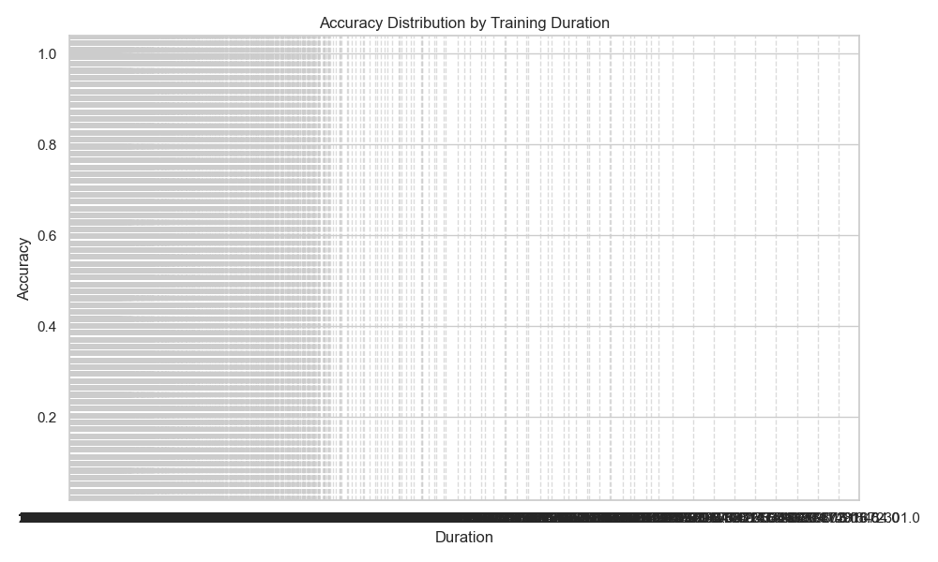
img-classification | cifar-10 | acc | 2 | 31845908070 | 0.1507 | AirNet
img-classification | cifar-10 | acc | 20 | 30429695694 | 0.8052 | AirNet
img-classification | cifar-10 | acc | 20 | 44597570789 | 0.6954 | AirNet
img-classification | cifar-10 | acc | 20 | 53191797842 | 0.6459 | AirNet
img-classification | cifar-10 | acc | 20 | 28427380368 | 0.4737 | AirNet
img-classification | cifar-10 | acc | 20 | 2352342606992 | 0.3922 | AirNet
img-classification | cifar-10 | acc | 20 | 315322448659 | 0.3318 | AirNet
img-classification | cifar-10 | acc | 21 | 31859437675 | 0.8071 | AirNet
img-classification | cifar-10 | acc | 21 | 46829073263 | 0.696 | AirNet
img-classification | cifar-10 | acc | 21 | 55798990374 | 0.6429 | AirNet
img-classification | cifar-10 | acc | 21 | 29845718565 | 0.4802 | AirNet
img-classification | cifar-10 | acc | 21 | 2472822327516 | 0.4217 | AirNet
img-classification | cifar-10 | acc | 21 | 330902749011 | 0.3397 | AirNet
img-classification | cifar-10 | acc | 22 | 33504299204 | 0.8063 | AirNet
img-classification | cifar-10 | acc | 22 | 49057791701 | 0.6955 | AirNet
img-classification | cifar-10 | acc | 22 | 58402719698 | 0.6497 | AirNet
img-classification | cifar-10 | acc | 22 | 31263830457 | 0.4847 | AirNet
img-classification | cifar-10 | acc | 22 | 2592537938920 | 0.4438 | AirNet
img-classification | cifar-10 | acc | 22 | 346710035922 | 0.3405 | AirNet
img-classification | cifar-10 | acc | 23 | 35115679698 | 0.8047 | AirNet | Accuracy Frequency
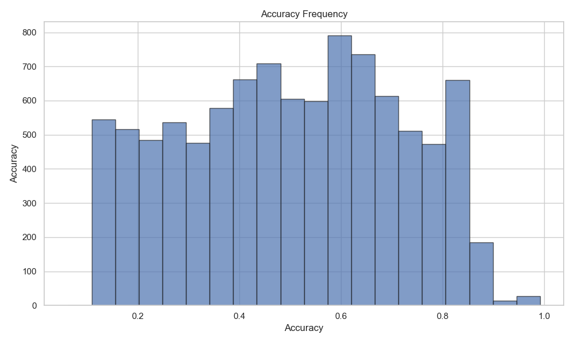
img-classification | cifar-10 | acc | 23 | 51268650134 | 0.6946 | AirNet
img-classification | cifar-10 | acc | 23 | 60960459680 | 0.6511 | AirNet
img-classification | cifar-10 | acc | 23 | 32682940546 | 0.4887 | AirNet
img-classification | cifar-10 | acc | 23 | 2713105759993 | 0.409 | AirNet
img-classification | cifar-10 | acc | 23 | 362452577130 | 0.3349 | AirNet
img-classification | cifar-10 | acc | 24 | 36777033428 | 0.8045 | AirNet
img-classification | cifar-10 | acc | 24 | 53474926367 | 0.6953 | AirNet
img-classification | cifar-10 | acc | 24 | 63705283892 | 0.6469 | AirNet
img-classification | cifar-10 | acc | 24 | 34121616516 | 0.4932 | AirNet
img-classification | cifar-10 | acc | 24 | 2835509013921 | 0.4588 | AirNet
img-classification | cifar-10 | acc | 24 | 378336997173 | 0.3503 | AirNet
img-classification | cifar-10 | acc | 25 | 38179647010 | 0.8055 | AirNet
img-classification | cifar-10 | acc | 25 | 55706994431 | 0.6952 | AirNet
img-classification | cifar-10 | acc | 25 | 66346622320 | 0.6541 | AirNet
img-classification | cifar-10 | acc | 25 | 35543415566 | 0.4962 | AirNet
img-classification | cifar-10 | acc | 25 | 2955516653269 | 0.3926 | AirNet
img-classification | cifar-10 | acc | 25 | 394026083008 | 0.3618 | AirNet
img-classification | cifar-10 | acc | 26 | 39606783166 | 0.8057 | AirNet
img-classification | cifar-10 | acc | 26 | 57944231598 | 0.6955 | AirNet
img-classification | cifar-10 | acc | 26 | 68922800893 | 0.6476 | AirNet
img-classification | cifar-10 | acc | 26 | 36969013861 | 0.502 | AirNet
img-classification | cifar-10 | acc | 26 | 3075878221388 | 0.3877 | AirNet
img-classification | cifar-10 | acc | 26 | 409452921927 | 0.3655 | AirNet
img-classification | cifar-10 | acc | 27 | 41111359442 | 0.807 | AirNet
img-classification | cifar-10 | acc | 27 | 60170915956 | 0.6952 | AirNet
img-classification | cifar-10 | acc | 27 | 71801977586 | 0.6469 | AirNet
img-classification | cifar-10 | acc | 27 | 38396953076 | 0.5048 | AirNet
img-classification | cifar-10 | acc | 27 | 3193758640455 | 0.4423 | AirNet
img-classification | cifar-10 | acc | 27 | 425437448877 | 0.364 | AirNet
img-classification | cifar-10 | acc | 28 | 42640044112 | 0.8063 | AirNet
img-classification | cifar-10 | acc | 28 | 62397642962 | 0.6955 | AirNet
img-classification | cifar-10 | acc | 28 | 74414935553 | 0.6499 | AirNet
img-classification | cifar-10 | acc | 28 | 39823494417 | 0.5084 | AirNet
img-classification | cifar-10 | acc | 28 | 440734089897 | 0.3704 | AirNet
img-classification | cifar-10 | acc | 29 | 44091055092 | 0.8055 | AirNet
img-classification | cifar-10 | acc | 29 | 64671380304 | 0.6946 | AirNet
img-classification | cifar-10 | acc | 29 | 77035506505 | 0.6489 | AirNet
img-classification | cifar-10 | acc | 29 | 41281901296 | 0.513 | AirNet
img-classification | cifar-10 | acc | 29 | 456288294958 | 0.3653 | AirNet
img-classification | cifar-10 | acc | 3 | 4952386007 | 0.7314 | AirNet
img-classification | cifar-10 | acc | 3 | 6871004434 | 0.6197 | AirNet
img-classification | cifar-10 | acc | 3 | 7751134740 | 0.5778 | AirNet
img-classification | cifar-10 | acc | 3 | 8465592195 | 0.5258 | AirNet
img-classification | cifar-10 | acc | 3 | 277211933500 | 0.4767 | AirNet
img-classification | cifar-10 | acc | 3 | 9149488255 | 0.4546 | AirNet
img-classification | cifar-10 | acc | 3 | 357919705450 | 0.3386 | AirNet
img-classification | cifar-10 | acc | 3 | 4286847040 | 0.3155 | AirNet
img-classification | cifar-10 | acc | 3 | 4509323554 | 0.2817 | AirNet
img-classification | cifar-10 | acc | 3 | 47883698755 | 0.1821 | AirNet
img-classification | cifar-10 | acc | 30 | 45630436795 | 0.8068 | AirNet
img-classification | cifar-10 | acc | 30 | 66872167302 | 0.6946 | AirNet
img-classification | cifar-10 | acc | 30 | 79603742721 | 0.6461 | AirNet
img-classification | cifar-10 | acc | 30 | 42711517616 | 0.5156 | AirNet
img-classification | cifar-10 | acc | 30 | 472009790437 | 0.377 | AirNet
img-classification | cifar-10 | acc | 31 | 47115090053 | 0.8075 | AirNet
img-classification | cifar-10 | acc | 31 | 69080560649 | 0.6949 | AirNet
img-classification | cifar-10 | acc | 31 | 82260527220 | 0.6479 | AirNet
img-classification | cifar-10 | acc | 31 | 44126920050 | 0.5167 | AirNet
img-classification | cifar-10 | acc | 31 | 487663891018 | 0.3806 | AirNet
img-classification | cifar-10 | acc | 32 | 48653637172 | 0.8064 | AirNet
img-classification | cifar-10 | acc | 32 | 71311086516 | 0.6949 | AirNet
img-classification | cifar-10 | acc | 32 | 84939714360 | 0.6529 | AirNet
img-classification | cifar-10 | acc | 32 | 45541532771 | 0.5216 | AirNet
img-classification | cifar-10 | acc | 32 | 503287136273 | 0.3802 | AirNet
img-classification | cifar-10 | acc | 33 | 50287947634 | 0.8058 | AirNet
img-classification | cifar-10 | acc | 33 | 73639704464 | 0.6943 | AirNet
img-classification | cifar-10 | acc | 33 | 87641664816 | 0.6508 | AirNet
img-classification | cifar-10 | acc | 33 | 46968723503 | 0.527 | AirNet
img-classification | cifar-10 | acc | 33 | 519262999501 | 0.3793 | AirNet
img-classification | cifar-10 | acc | 34 | 51899695607 | 0.8069 | AirNet
img-classification | cifar-10 | acc | 34 | 75945424750 | 0.694 | AirNet
img-classification | cifar-10 | acc | 34 | 90249027087 | 0.6505 | AirNet
img-classification | cifar-10 | acc | 34 | 48395244779 | 0.5276 | AirNet
img-classification | cifar-10 | acc | 34 | 535119925023 | 0.3861 | AirNet
img-classification | cifar-10 | acc | 35 | 53381761683 | 0.8056 | AirNet
img-classification | cifar-10 | acc | 35 | 78285430584 | 0.693 | AirNet
img-classification | cifar-10 | acc | 35 | 92862637343 | 0.6522 | AirNet
img-classification | cifar-10 | acc | 35 | 49818326051 | 0.5328 | AirNet
img-classification | cifar-10 | acc | 35 | 550758783842 | 0.39 | AirNet
img-classification | cifar-10 | acc | 36 | 54816276939 | 0.8061 | AirNet
img-classification | cifar-10 | acc | 36 | 80603029953 | 0.6935 | AirNet
img-classification | cifar-10 | acc | 36 | 95446320781 | 0.6415 | AirNet
img-classification | cifar-10 | acc | 36 | 51226814436 | 0.5338 | AirNet
img-classification | cifar-10 | acc | 36 | 566531713766 | 0.3927 | AirNet
img-classification | cifar-10 | acc | 37 | 56363505108 | 0.8069 | AirNet
img-classification | cifar-10 | acc | 37 | 82931456816 | 0.6944 | AirNet
img-classification | cifar-10 | acc | 37 | 98009954772 | 0.6522 | AirNet
img-classification | cifar-10 | acc | 37 | 52635165011 | 0.5354 | AirNet
img-classification | cifar-10 | acc | 37 | 581989086302 | 0.3932 | AirNet
img-classification | cifar-10 | acc | 38 | 57830358943 | 0.8073 | AirNet
img-classification | cifar-10 | acc | 38 | 85271762721 | 0.6936 | AirNet
img-classification | cifar-10 | acc | 38 | 100770130655 | 0.6506 | AirNet
img-classification | cifar-10 | acc | 38 | 54058938224 | 0.5366 | AirNet
img-classification | cifar-10 | acc | 38 | 597538245682 | 0.3969 | AirNet
img-classification | cifar-10 | acc | 39 | 59272217590 | 0.8067 | AirNet
img-classification | cifar-10 | acc | 39 | 87548909668 | 0.6939 | AirNet
img-classification | cifar-10 | acc | 39 | 103470068617 | 0.6522 | AirNet
img-classification | cifar-10 | acc | 39 | 55489794380 | 0.5409 | AirNet
img-classification | cifar-10 | acc | 39 | 612831138388 | 0.4012 | AirNet
img-classification | cifar-10 | acc | 4 | 6587807013 | 0.7443 | AirNet
img-classification | cifar-10 | acc | 4 | 9069647044 | 0.6439 | AirNet
img-classification | cifar-10 | acc | 4 | 10229366742 | 0.6146 | AirNet
img-classification | cifar-10 | acc | 4 | 11278885598 | 0.5401 | AirNet
img-classification | cifar-10 | acc | 4 | 371589960975 | 0.5274 | AirNet
img-classification | cifar-10 | acc | 4 | 12157601956 | 0.4982 | AirNet
img-classification | cifar-10 | acc | 4 | 476803011513 | 0.3457 | AirNet
img-classification | cifar-10 | acc | 4 | 5707645978 | 0.3363 | AirNet
img-classification | cifar-10 | acc | 4 | 5984035960 | 0.3014 | AirNet
img-classification | cifar-10 | acc | 4 | 63958313291 | 0.2056 | AirNet
img-classification | cifar-10 | acc | 40 | 60732732773 | 0.8072 | AirNet
img-classification | cifar-10 | acc | 40 | 90111524527 | 0.6933 | AirNet
img-classification | cifar-10 | acc | 40 | 106004267075 | 0.6479 | AirNet
img-classification | cifar-10 | acc | 40 | 56899230920 | 0.5427 | AirNet
img-classification | cifar-10 | acc | 40 | 628561440301 | 0.3942 | AirNet
img-classification | cifar-10 | acc | 41 | 62191762356 | 0.8065 | AirNet
img-classification | cifar-10 | acc | 41 | 92439339585 | 0.6938 | AirNet
img-classification | cifar-10 | acc | 41 | 108649268342 | 0.6492 | AirNet
img-classification | cifar-10 | acc | 41 | 58329675395 | 0.5457 | AirNet
img-classification | cifar-10 | acc | 41 | 644235111942 | 0.4066 | AirNet
img-classification | cifar-10 | acc | 42 | 63801553531 | 0.8057 | AirNet
img-classification | cifar-10 | acc | 42 | 94751415011 | 0.6939 | AirNet
img-classification | cifar-10 | acc | 42 | 111201839710 | 0.6507 | AirNet
img-classification | cifar-10 | acc | 42 | 59755101892 | 0.5486 | AirNet
img-classification | cifar-10 | acc | 42 | 659902003218 | 0.4039 | AirNet
img-classification | cifar-10 | acc | 43 | 65240706178 | 0.8065 | AirNet
img-classification | cifar-10 | acc | 43 | 97084010362 | 0.6943 | AirNet
img-classification | cifar-10 | acc | 43 | 113843787990 | 0.6504 | AirNet
img-classification | cifar-10 | acc | 43 | 61163320137 | 0.5517 | AirNet
img-classification | cifar-10 | acc | 43 | 675576985644 | 0.4054 | AirNet
img-classification | cifar-10 | acc | 44 | 66771508271 | 0.8068 | AirNet
img-classification | cifar-10 | acc | 44 | 99382625396 | 0.6935 | AirNet
img-classification | cifar-10 | acc | 44 | 116792305985 | 0.6493 | AirNet
img-classification | cifar-10 | acc | 44 | 62582301040 | 0.5524 | AirNet
img-classification | cifar-10 | acc | 44 | 691101126846 | 0.4036 | AirNet
img-classification | cifar-10 | acc | 45 | 68287281680 | 0.8061 | AirNet
img-classification | cifar-10 | acc | 45 | 101679445177 | 0.6942 | AirNet
img-classification | cifar-10 | acc | 45 | 119383418778 | 0.6527 | AirNet
img-classification | cifar-10 | acc | 45 | 64001309991 | 0.5553 | AirNet
img-classification | cifar-10 | acc | 45 | 706811861748 | 0.4088 | AirNet
img-classification | cifar-10 | acc | 46 | 69736093628 | 0.8069 | AirNet
img-classification | cifar-10 | acc | 46 | 103965040817 | 0.6935 | AirNet
img-classification | cifar-10 | acc | 46 | 121908349514 | 0.6528 | AirNet
img-classification | cifar-10 | acc | 46 | 65403680685 | 0.558 | AirNet
img-classification | cifar-10 | acc | 46 | 722411803631 | 0.4143 | AirNet
img-classification | cifar-10 | acc | 47 | 71226861765 | 0.8074 | AirNet
img-classification | cifar-10 | acc | 47 | 106278461226 | 0.6935 | AirNet
img-classification | cifar-10 | acc | 47 | 124622007020 | 0.6566 | AirNet
img-classification | cifar-10 | acc | 47 | 66831017997 | 0.559 | AirNet
img-classification | cifar-10 | acc | 47 | 737836337885 | 0.4128 | AirNet
img-classification | cifar-10 | acc | 48 | 72664381456 | 0.8068 | AirNet
img-classification | cifar-10 | acc | 48 | 108594180988 | 0.6935 | AirNet
img-classification | cifar-10 | acc | 48 | 127219734371 | 0.6538 | AirNet
img-classification | cifar-10 | acc | 48 | 68260254181 | 0.5618 | AirNet
img-classification | cifar-10 | acc | 48 | 753641989384 | 0.4191 | AirNet
img-classification | cifar-10 | acc | 49 | 74108635375 | 0.8077 | AirNet
img-classification | cifar-10 | acc | 49 | 110895200873 | 0.6935 | AirNet
img-classification | cifar-10 | acc | 49 | 129695871145 | 0.6493 | AirNet
img-classification | cifar-10 | acc | 49 | 69673238660 | 0.5651 | AirNet
img-classification | cifar-10 | acc | 49 | 769109301557 | 0.4195 | AirNet
img-classification | cifar-10 | acc | 5 | 8029897439 | 0.7357 | AirNet
img-classification | cifar-10 | acc | 5 | 11304970290 | 0.6474 | AirNet
img-classification | cifar-10 | acc | 5 | 12689766923 | 0.6272 | AirNet
img-classification | cifar-10 | acc | 5 | 14099121312 | 0.5734 | AirNet
img-classification | cifar-10 | acc | 5 | 464719425359 | 0.5628 | AirNet
img-classification | cifar-10 | acc | 5 | 15194305606 | 0.5283 | AirNet
img-classification | cifar-10 | acc | 5 | 594201280230 | 0.3673 | AirNet
img-classification | cifar-10 | acc | 5 | 7126474784 | 0.3512 | AirNet
img-classification | cifar-10 | acc | 5 | 7450976154 | 0.3204 | AirNet
img-classification | cifar-10 | acc | 5 | 80701338910 | 0.2246 | AirNet
img-classification | cifar-10 | acc | 50 | 75652301675 | 0.8061 | AirNet
img-classification | cifar-10 | acc | 50 | 113194463584 | 0.6937 | AirNet
img-classification | cifar-10 | acc | 50 | 132240807180 | 0.6515 | AirNet
img-classification | cifar-10 | acc | 50 | 71090286963 | 0.5645 | AirNet
img-classification | cifar-10 | acc | 50 | 784687059800 | 0.4209 | AirNet
img-classification | cifar-10 | acc | 6 | 9479183231 | 0.7372 | AirNet
img-classification | cifar-10 | acc | 6 | 15236042689 | 0.643 | AirNet
img-classification | cifar-10 | acc | 6 | 13524927933 | 0.6293 | AirNet
img-classification | cifar-10 | acc | 6 | 711331342031 | 0.385 | AirNet
img-classification | cifar-10 | acc | 6 | 8545151439 | 0.3677 | AirNet
img-classification | cifar-10 | acc | 6 | 96734395949 | 0.2316 | AirNet
img-classification | cifar-10 | acc | 7 | 10940542835 | 0.7375 | AirNet
img-classification | cifar-10 | acc | 7 | 17948607506 | 0.6401 | AirNet
img-classification | cifar-10 | acc | 7 | 15753181845 | 0.6374 | AirNet
img-classification | cifar-10 | acc | 7 | 827634293916 | 0.4255 | AirNet
img-classification | cifar-10 | acc | 7 | 9962092954 | 0.3787 | AirNet
img-classification | cifar-10 | acc | 7 | 112394581327 | 0.2463 | AirNet
img-classification | cifar-10 | acc | 8 | 12414625157 | 0.7597 | AirNet
img-classification | cifar-10 | acc | 8 | 17982009959 | 0.6723 | AirNet
img-classification | cifar-10 | acc | 8 | 21041014500 | 0.6512 | AirNet
img-classification | cifar-10 | acc | 8 | 11389074526 | 0.3886 | AirNet
img-classification | cifar-10 | acc | 8 | 943478256087 | 0.3779 | AirNet
img-classification | cifar-10 | acc | 8 | 128039066955 | 0.2597 | AirNet
img-classification | cifar-10 | acc | 9 | 13914706415 | 0.754 | AirNet
img-classification | cifar-10 | acc | 9 | 20179690193 | 0.6818 | AirNet
img-classification | cifar-10 | acc | 9 | 23887205655 | 0.6558 | AirNet
img-classification | cifar-10 | acc | 9 | 12804977138 | 0.3995 | AirNet
img-classification | cifar-10 | acc | 9 | 1061299783550 | 0.3679 | AirNet
img-classification | cifar-10 | acc | 9 | 143605839378 | 0.2673 | AirNet
img-classification | cifar-10 | acc | 1 | 88701690962 | 0.574 | AirNext
img-classification | cifar-10 | acc | 1 | 11845064326 | 0.5579 | AirNext
img-classification | cifar-10 | acc | 1 | 6484602098 | 0.5414 | AirNext
img-classification | cifar-10 | acc | 1 | 89053387677 | 0.518 | AirNext
img-classification | cifar-10 | acc | 1 | 86888322108 | 0.5176 | AirNext
img-classification | cifar-10 | acc | 1 | 15265676456 | 0.5161 | AirNext
img-classification | cifar-10 | acc | 1 | 96813030470 | 0.5024 | AirNext
img-classification | cifar-10 | acc | 1 | 49181366887 | 0.5017 | AirNext
img-classification | cifar-10 | acc | 1 | 10235042887 | 0.4797 | AirNext
img-classification | cifar-10 | acc | 1 | 37750360050 | 0.476 | AirNext
img-classification | cifar-10 | acc | 1 | 88639104934 | 0.4733 | AirNext
img-classification | cifar-10 | acc | 1 | 23049009007 | 0.4669 | AirNext
img-classification | cifar-10 | acc | 1 | 11857911457 | 0.4553 | AirNext
img-classification | cifar-10 | acc | 1 | 13031810866 | 0.4482 | AirNext
img-classification | cifar-10 | acc | 1 | 136217656901 | 0.4386 | AirNext
img-classification | cifar-10 | acc | 1 | 10247462294 | 0.4266 | AirNext
img-classification | cifar-10 | acc | 1 | 88121436095 | 0.4186 | AirNext
img-classification | cifar-10 | acc | 1 | 46580012913 | 0.4171 | AirNext
img-classification | cifar-10 | acc | 1 | 4928512393 | 0.3959 | AirNext
img-classification | cifar-10 | acc | 1 | 175217378346 | 0.3948 | AirNext
img-classification | cifar-10 | acc | 1 | 22674656428 | 0.3915 | AirNext
img-classification | cifar-10 | acc | 1 | 5402685903 | 0.3874 | AirNext
img-classification | cifar-10 | acc | 1 | 188494277507 | 0.3695 | AirNext
img-classification | cifar-10 | acc | 1 | 56792709328 | 0.3493 | AirNext
img-classification | cifar-10 | acc | 1 | 176270045222 | 0.3481 | AirNext
img-classification | cifar-10 | acc | 1 | 53861572156 | 0.3476 | AirNext
img-classification | cifar-10 | acc | 1 | 5088444242 | 0.3325 | AirNext
img-classification | cifar-10 | acc | 1 | 134171091730 | 0.3226 | AirNext
img-classification | cifar-10 | acc | 1 | 174397644753 | 0.2752 | AirNext
img-classification | cifar-10 | acc | 1 | 5432645363 | 0.2639 | AirNext
img-classification | cifar-10 | acc | 1 | 5588269555 | 0.2423 | AirNext
img-classification | cifar-10 | acc | 1 | 413517193028 | 0.2275 | AirNext
img-classification | cifar-10 | acc | 1 | 14157109428 | 0.1661 | AirNext
img-classification | cifar-10 | acc | 1 | 4835964158 | 0.1211 | AirNext
img-classification | cifar-10 | acc | 10 | 399430961143 | 0.7502 | AirNext
img-classification | cifar-10 | acc | 10 | 1851419718344 | 0.6793 | AirNext
img-classification | cifar-10 | acc | 10 | 1734752135915 | 0.6256 | AirNext
img-classification | cifar-10 | acc | 11 | 436714263535 | 0.7761 | AirNext
img-classification | cifar-10 | acc | 11 | 2036850061986 | 0.6978 | AirNext
img-classification | cifar-10 | acc | 11 | 1907063843600 | 0.6394 | AirNext
img-classification | cifar-10 | acc | 12 | 479009721401 | 0.7768 | AirNext
img-classification | cifar-10 | acc | 12 | 2223145082849 | 0.7039 | AirNext
img-classification | cifar-10 | acc | 12 | 2079849222953 | 0.6423 | AirNext
img-classification | cifar-10 | acc | 13 | 516504428328 | 0.7709 | AirNext
img-classification | cifar-10 | acc | 13 | 2408341456267 | 0.7053 | AirNext
img-classification | cifar-10 | acc | 13 | 2253071333791 | 0.6382 | AirNext
img-classification | cifar-10 | acc | 14 | 558180311599 | 0.7696 | AirNext
img-classification | cifar-10 | acc | 14 | 2593942188206 | 0.7154 | AirNext
img-classification | cifar-10 | acc | 14 | 2425492848921 | 0.6446 | AirNext
img-classification | cifar-10 | acc | 15 | 596152319001 | 0.7701 | AirNext
img-classification | cifar-10 | acc | 15 | 2778372075550 | 0.704 | AirNext
img-classification | cifar-10 | acc | 15 | 2597719364642 | 0.6459 | AirNext
img-classification | cifar-10 | acc | 16 | 637035848497 | 0.7769 | AirNext
img-classification | cifar-10 | acc | 16 | 2962596132103 | 0.7249 | AirNext
img-classification | cifar-10 | acc | 16 | 2769597460927 | 0.6506 | AirNext
img-classification | cifar-10 | acc | 17 | 674368922763 | 0.7733 | AirNext
img-classification | cifar-10 | acc | 17 | 3149565729080 | 0.72 | AirNext
img-classification | cifar-10 | acc | 17 | 2942825781776 | 0.6462 | AirNext
img-classification | cifar-10 | acc | 18 | 713753857971 | 0.7697 | AirNext
img-classification | cifar-10 | acc | 18 | 3337458674999 | 0.7138 | AirNext
img-classification | cifar-10 | acc | 18 | 3116408041082 | 0.6501 | AirNext
img-classification | cifar-10 | acc | 19 | 751853178075 | 0.7686 | AirNext
img-classification | cifar-10 | acc | 19 | 3528516950215 | 0.7337 | AirNext
img-classification | cifar-10 | acc | 19 | 3290739857400 | 0.6505 | AirNext
img-classification | cifar-10 | acc | 2 | 79940308264 | 0.6245 | AirNext
img-classification | cifar-10 | acc | 2 | 12989468359 | 0.6117 | AirNext
img-classification | cifar-10 | acc | 2 | 98499787929 | 0.6097 | AirNext
img-classification | cifar-10 | acc | 2 | 20434645863 | 0.567 | AirNext
img-classification | cifar-10 | acc | 2 | 221385905136 | 0.5598 | AirNext
img-classification | cifar-10 | acc | 2 | 30236274893 | 0.5557 | AirNext
img-classification | cifar-10 | acc | 2 | 93299297411 | 0.5403 | AirNext
img-classification | cifar-10 | acc | 2 | 46116908708 | 0.5307 | AirNext
img-classification | cifar-10 | acc | 2 | 20430715283 | 0.474 | AirNext
img-classification | cifar-10 | acc | 2 | 374738668948 | 0.4722 | AirNext
img-classification | cifar-10 | acc | 2 | 350837365069 | 0.471 | AirNext
img-classification | cifar-10 | acc | 2 | 10746458953 | 0.4641 | AirNext
img-classification | cifar-10 | acc | 2 | 114245840268 | 0.4199 | AirNext
img-classification | cifar-10 | acc | 2 | 27817812196 | 0.2163 | AirNext
img-classification | cifar-10 | acc | 20 | 796969541657 | 0.7686 | AirNext
img-classification | cifar-10 | acc | 20 | 3722029252282 | 0.7311 | AirNext
img-classification | cifar-10 | acc | 20 | 3465816169491 | 0.655 | AirNext
img-classification | cifar-10 | acc | 21 | 839928982378 | 0.7739 | AirNext
img-classification | cifar-10 | acc | 21 | 3919144636546 | 0.7401 | AirNext
img-classification | cifar-10 | acc | 21 | 3639969819423 | 0.6507 | AirNext
img-classification | cifar-10 | acc | 22 | 887697314085 | 0.7736 | AirNext
img-classification | cifar-10 | acc | 22 | 3813759600012 | 0.6526 | AirNext
img-classification | cifar-10 | acc | 23 | 940934197167 | 0.7698 | AirNext
img-classification | cifar-10 | acc | 23 | 3987840828817 | 0.6567 | AirNext
img-classification | cifar-10 | acc | 24 | 991536086731 | 0.772 | AirNext
img-classification | cifar-10 | acc | 24 | 4167000462076 | 0.6548 | AirNext
img-classification | cifar-10 | acc | 25 | 1030363581850 | 0.7713 | AirNext
img-classification | cifar-10 | acc | 25 | 4340405252619 | 0.6536 | AirNext
img-classification | cifar-10 | acc | 26 | 1069025796985 | 0.7738 | AirNext
img-classification | cifar-10 | acc | 26 | 4515618228886 | 0.6595 | AirNext
img-classification | cifar-10 | acc | 27 | 1107112930417 | 0.7725 | AirNext
img-classification | cifar-10 | acc | 27 | 4690076238866 | 0.6568 | AirNext
img-classification | cifar-10 | acc | 28 | 1149130523974 | 0.7706 | AirNext
img-classification | cifar-10 | acc | 28 | 4863876676639 | 0.6585 | AirNext
img-classification | cifar-10 | acc | 29 | 1194746836009 | 0.7728 | AirNext
img-classification | cifar-10 | acc | 29 | 5038792273133 | 0.6572 | AirNext
img-classification | cifar-10 | acc | 3 | 121114678130 | 0.6702 | AirNext
img-classification | cifar-10 | acc | 3 | 19462247607 | 0.6434 | AirNext
img-classification | cifar-10 | acc | 3 | 30631529866 | 0.6226 | AirNext
img-classification | cifar-10 | acc | 3 | 335576277962 | 0.6047 | AirNext
img-classification | cifar-10 | acc | 3 | 147795477012 | 0.5878 | AirNext
img-classification | cifar-10 | acc | 3 | 68806980947 | 0.5542 | AirNext
img-classification | cifar-10 | acc | 3 | 140054004911 | 0.5539 | AirNext
img-classification | cifar-10 | acc | 3 | 30602650986 | 0.5437 | AirNext
img-classification | cifar-10 | acc | 3 | 559272631697 | 0.5411 | AirNext
img-classification | cifar-10 | acc | 3 | 44818652218 | 0.5396 | AirNext
img-classification | cifar-10 | acc | 3 | 524081293515 | 0.524 | AirNext
img-classification | cifar-10 | acc | 3 | 16095968872 | 0.4868 | AirNext
img-classification | cifar-10 | acc | 3 | 170912753156 | 0.4406 | AirNext
img-classification | cifar-10 | acc | 3 | 41495848407 | 0.2249 | AirNext
img-classification | cifar-10 | acc | 3 | 419333123666 | 0.1453 | AirNext
img-classification | cifar-10 | acc | 30 | 1232887508065 | 0.7723 | AirNext
img-classification | cifar-10 | acc | 30 | 5213113704173 | 0.6605 | AirNext
img-classification | cifar-10 | acc | 31 | 1271747118269 | 0.7709 | AirNext
img-classification | cifar-10 | acc | 31 | 5387392728041 | 0.6562 | AirNext
img-classification | cifar-10 | acc | 32 | 1315336942117 | 0.7715 | AirNext
img-classification | cifar-10 | acc | 32 | 5562374900723 | 0.6586 | AirNext
img-classification | cifar-10 | acc | 33 | 1358110992547 | 0.7717 | AirNext
img-classification | cifar-10 | acc | 33 | 5736496678158 | 0.6531 | AirNext
img-classification | cifar-10 | acc | 34 | 1396746872093 | 0.7717 | AirNext
img-classification | cifar-10 | acc | 34 | 5910030915229 | 0.6584 | AirNext
img-classification | cifar-10 | acc | 35 | 1435420398998 | 0.7742 | AirNext
img-classification | cifar-10 | acc | 35 | 6084502207730 | 0.6608 | AirNext
img-classification | cifar-10 | acc | 36 | 1473677988126 | 0.7754 | AirNext
img-classification | cifar-10 | acc | 36 | 6258690904890 | 0.6594 | AirNext
img-classification | cifar-10 | acc | 37 | 1512191456873 | 0.7743 | AirNext
img-classification | cifar-10 | acc | 37 | 6432175338333 | 0.66 | AirNext
img-classification | cifar-10 | acc | 38 | 1550640101430 | 0.7748 | AirNext
img-classification | cifar-10 | acc | 38 | 6605790431719 | 0.6578 | AirNext
img-classification | cifar-10 | acc | 39 | 1588715722858 | 0.7716 | AirNext
img-classification | cifar-10 | acc | 39 | 6780014394310 | 0.6582 | AirNext
img-classification | cifar-10 | acc | 4 | 158494256265 | 0.7015 | AirNext
img-classification | cifar-10 | acc | 4 | 197128111190 | 0.6804 | AirNext
img-classification | cifar-10 | acc | 4 | 40820546249 | 0.6756 | AirNext
img-classification | cifar-10 | acc | 4 | 40842421364 | 0.6485 | AirNext
img-classification | cifar-10 | acc | 4 | 25963082465 | 0.6432 | AirNext
img-classification | cifar-10 | acc | 4 | 186333630784 | 0.613 | AirNext
img-classification | cifar-10 | acc | 4 | 91585960891 | 0.578 | AirNext
img-classification | cifar-10 | acc | 4 | 696726756962 | 0.566 | AirNext
img-classification | cifar-10 | acc | 4 | 59758009249 | 0.5624 | AirNext
img-classification | cifar-10 | acc | 4 | 743684068959 | 0.5599 | AirNext
img-classification | cifar-10 | acc | 4 | 21444825731 | 0.528 | AirNext
img-classification | cifar-10 | acc | 4 | 228397089419 | 0.4651 | AirNext
img-classification | cifar-10 | acc | 4 | 54886125298 | 0.2673 | AirNext
img-classification | cifar-10 | acc | 4 | 560991001071 | 0.147 | AirNext
img-classification | cifar-10 | acc | 40 | 1627379523474 | 0.7741 | AirNext
img-classification | cifar-10 | acc | 40 | 6954863455309 | 0.6586 | AirNext
img-classification | cifar-10 | acc | 41 | 1665572766756 | 0.771 | AirNext
img-classification | cifar-10 | acc | 41 | 7128792012881 | 0.6592 | AirNext
img-classification | cifar-10 | acc | 42 | 1703699525315 | 0.773 | AirNext
img-classification | cifar-10 | acc | 42 | 7304000375303 | 0.6583 | AirNext
img-classification | cifar-10 | acc | 43 | 1741580668543 | 0.7711 | AirNext
img-classification | cifar-10 | acc | 43 | 7477822639011 | 0.6605 | AirNext
img-classification | cifar-10 | acc | 44 | 1779216856780 | 0.774 | AirNext
img-classification | cifar-10 | acc | 44 | 7651697026558 | 0.6559 | AirNext
img-classification | cifar-10 | acc | 45 | 1816714258198 | 0.7734 | AirNext
img-classification | cifar-10 | acc | 45 | 7826105702930 | 0.6577 | AirNext
img-classification | cifar-10 | acc | 46 | 1853625975668 | 0.7715 | AirNext
img-classification | cifar-10 | acc | 46 | 8000280882887 | 0.6611 | AirNext
img-classification | cifar-10 | acc | 47 | 1891215385050 | 0.7739 | AirNext
img-classification | cifar-10 | acc | 47 | 8174496429111 | 0.66 | AirNext
img-classification | cifar-10 | acc | 48 | 1928604937222 | 0.7737 | AirNext
img-classification | cifar-10 | acc | 48 | 8348915540731 | 0.6564 | AirNext
img-classification | cifar-10 | acc | 49 | 1966453422848 | 0.7712 | AirNext
img-classification | cifar-10 | acc | 49 | 8522763285694 | 0.6579 | AirNext
img-classification | cifar-10 | acc | 5 | 196283463976 | 0.7095 | AirNext
img-classification | cifar-10 | acc | 5 | 32502535562 | 0.6713 | AirNext
img-classification | cifar-10 | acc | 5 | 51010522970 | 0.6676 | AirNext
img-classification | cifar-10 | acc | 5 | 246437320909 | 0.6632 | AirNext
img-classification | cifar-10 | acc | 5 | 51038620183 | 0.6595 | AirNext
img-classification | cifar-10 | acc | 5 | 74689321250 | 0.6115 | AirNext
img-classification | cifar-10 | acc | 5 | 232963882983 | 0.6053 | AirNext
img-classification | cifar-10 | acc | 5 | 927536725889 | 0.5976 | AirNext
img-classification | cifar-10 | acc | 5 | 114746078694 | 0.5857 | AirNext
img-classification | cifar-10 | acc | 5 | 870471392531 | 0.5638 | AirNext
img-classification | cifar-10 | acc | 5 | 26802666141 | 0.5394 | AirNext
img-classification | cifar-10 | acc | 5 | 285843979855 | 0.4688 | AirNext
img-classification | cifar-10 | acc | 5 | 68795528836 | 0.2977 | AirNext
img-classification | cifar-10 | acc | 5 | 702505255181 | 0.1381 | AirNext
img-classification | cifar-10 | acc | 50 | 2003670524220 | 0.772 | AirNext
img-classification | cifar-10 | acc | 50 | 8696845883108 | 0.6617 | AirNext
img-classification | cifar-10 | acc | 6 | 244725432163 | 0.7598 | AirNext
img-classification | cifar-10 | acc | 6 | 1111126153211 | 0.6238 | AirNext
img-classification | cifar-10 | acc | 6 | 1044153695674 | 0.5995 | AirNext
img-classification | cifar-10 | acc | 7 | 282042938545 | 0.7708 | AirNext
img-classification | cifar-10 | acc | 7 | 1296279890552 | 0.6565 | AirNext
img-classification | cifar-10 | acc | 7 | 1217315571257 | 0.6044 | AirNext
img-classification | cifar-10 | acc | 8 | 319746888483 | 0.7606 | AirNext
img-classification | cifar-10 | acc | 8 | 1481044720214 | 0.6703 | AirNext
img-classification | cifar-10 | acc | 8 | 1390072963713 | 0.6184 | AirNext
img-classification | cifar-10 | acc | 9 | 362218080655 | 0.7603 | AirNext
img-classification | cifar-10 | acc | 9 | 1666849126657 | 0.6663 | AirNext
img-classification | cifar-10 | acc | 9 | 1561945448009 | 0.6255 | AirNext
img-classification | cifar-10 | acc | 1 | 69697901519 | 0.5855 | AlexNet
img-classification | cifar-10 | acc | 1 | 76366416197 | 0.5499 | AlexNet
img-classification | cifar-10 | acc | 1 | 72918519037 | 0.5498 | AlexNet
img-classification | cifar-10 | acc | 1 |  | 0.5464 | AlexNet
img-classification | cifar-10 | acc | 1 | 35874343354 | 0.5406 | AlexNet
img-classification | cifar-10 | acc | 1 | 89086804750 | 0.5399 | AlexNet
img-classification | cifar-10 | acc | 1 | 77078224555 | 0.5379 | AlexNet
img-classification | cifar-10 | acc | 1 |  | 0.5377 | AlexNet
img-classification | cifar-10 | acc | 1 | 72846419147 | 0.5377 | AlexNet
img-classification | cifar-10 | acc | 1 |  | 0.5364 | AlexNet
img-classification | cifar-10 | acc | 1 | 72801599140 | 0.533 | AlexNet
img-classification | cifar-10 | acc | 1 |  | 0.5322 | AlexNet
img-classification | cifar-10 | acc | 1 | 72761241263 | 0.5322 | AlexNet
img-classification | cifar-10 | acc | 1 | 76354497310 | 0.5309 | AlexNet
img-classification | cifar-10 | acc | 1 |  | 0.5304 | AlexNet
img-classification | cifar-10 | acc | 1 | 72697930770 | 0.5277 | AlexNet
img-classification | cifar-10 | acc | 1 | 72668705612 | 0.524 | AlexNet
img-classification | cifar-10 | acc | 1 | 72685849338 | 0.5227 | AlexNet
img-classification | cifar-10 | acc | 1 |  | 0.5206 | AlexNet
img-classification | cifar-10 | acc | 1 | 72573795136 | 0.518 | AlexNet
img-classification | cifar-10 | acc | 1 |  | 0.5169 | AlexNet
img-classification | cifar-10 | acc | 1 | 72700704813 | 0.5167 | AlexNet
img-classification | cifar-10 | acc | 1 |  | 0.51 | AlexNet
img-classification | cifar-10 | acc | 1 |  | 0.5063 | AlexNet
img-classification | cifar-10 | acc | 1 |  | 0.505 | AlexNet
img-classification | cifar-10 | acc | 1 | 73175820141 | 0.5023 | AlexNet
img-classification | cifar-10 | acc | 1 | 73301550334 | 0.4964 | AlexNet
img-classification | cifar-10 | acc | 1 | 69348278973 | 0.4958 | AlexNet
img-classification | cifar-10 | acc | 1 |  | 0.4752 | AlexNet
img-classification | cifar-10 | acc | 1 |  | 0.4638 | AlexNet
img-classification | cifar-10 | acc | 1 |  | 0.4599 | AlexNet
img-classification | cifar-10 | acc | 1 |  | 0.4596 | AlexNet
img-classification | cifar-10 | acc | 1 |  | 0.4588 | AlexNet
img-classification | cifar-10 | acc | 1 |  | 0.4535 | AlexNet
img-classification | cifar-10 | acc | 1 | 45278869047 | 0.4532 | AlexNet
img-classification | cifar-10 | acc | 1 |  | 0.452 | AlexNet
img-classification | cifar-10 | acc | 1 |  | 0.4349 | AlexNet
img-classification | cifar-10 | acc | 1 | 218262455045 | 0.4338 | AlexNet
img-classification | cifar-10 | acc | 1 |  | 0.4252 | AlexNet
img-classification | cifar-10 | acc | 1 |  | 0.4219 | AlexNet
img-classification | cifar-10 | acc | 1 | 45042380472 | 0.4205 | AlexNet
img-classification | cifar-10 | acc | 1 | 34948017876 | 0.4199 | AlexNet
img-classification | cifar-10 | acc | 1 |  | 0.4168 | AlexNet
img-classification | cifar-10 | acc | 1 |  | 0.4149 | AlexNet
img-classification | cifar-10 | acc | 1 | 34896848641 | 0.4127 | AlexNet
img-classification | cifar-10 | acc | 1 |  | 0.4055 | AlexNet
img-classification | cifar-10 | acc | 1 |  | 0.4012 | AlexNet
img-classification | cifar-10 | acc | 1 | 156160934984 | 0.3964 | AlexNet
img-classification | cifar-10 | acc | 1 | 69752321562 | 0.3927 | AlexNet
img-classification | cifar-10 | acc | 1 |  | 0.3917 | AlexNet
img-classification | cifar-10 | acc | 1 | 99979360480 | 0.3914 | AlexNet
img-classification | cifar-10 | acc | 1 |  | 0.3877 | AlexNet
img-classification | cifar-10 | acc | 1 |  | 0.3867 | AlexNet
img-classification | cifar-10 | acc | 1 |  | 0.3857 | AlexNet
img-classification | cifar-10 | acc | 1 |  | 0.3664 | AlexNet
img-classification | cifar-10 | acc | 1 | 650726860385 | 0.3638 | AlexNet
img-classification | cifar-10 | acc | 1 |  | 0.3623 | AlexNet
img-classification | cifar-10 | acc | 1 |  | 0.3602 | AlexNet
img-classification | cifar-10 | acc | 1 |  | 0.3587 | AlexNet
img-classification | cifar-10 | acc | 1 | 103053531395 | 0.3484 | AlexNet
img-classification | cifar-10 | acc | 1 |  | 0.3472 | AlexNet
img-classification | cifar-10 | acc | 1 |  | 0.3468 | AlexNet
img-classification | cifar-10 | acc | 1 | 156786466695 | 0.3447 | AlexNet
img-classification | cifar-10 | acc | 1 |  | 0.344 | AlexNet
img-classification | cifar-10 | acc | 1 |  | 0.3391 | AlexNet
img-classification | cifar-10 | acc | 1 |  | 0.3338 | AlexNet
img-classification | cifar-10 | acc | 1 | 41918472677 | 0.3245 | AlexNet
img-classification | cifar-10 | acc | 1 |  | 0.3178 | AlexNet
img-classification | cifar-10 | acc | 1 |  | 0.3176 | AlexNet
img-classification | cifar-10 | acc | 1 |  | 0.3111 | AlexNet
img-classification | cifar-10 | acc | 1 | 35548475461 | 0.2997 | AlexNet
img-classification | cifar-10 | acc | 1 |  | 0.2953 | AlexNet
img-classification | cifar-10 | acc | 1 |  | 0.2882 | AlexNet
img-classification | cifar-10 | acc | 1 |  | 0.2767 | AlexNet
img-classification | cifar-10 | acc | 1 |  | 0.2706 | AlexNet
img-classification | cifar-10 | acc | 1 |  | 0.2648 | AlexNet
img-classification | cifar-10 | acc | 1 | 218819587720 | 0.2533 | AlexNet
img-classification | cifar-10 | acc | 1 |  | 0.253 | AlexNet
img-classification | cifar-10 | acc | 1 |  | 0.2471 | AlexNet
img-classification | cifar-10 | acc | 1 |  | 0.2451 | AlexNet
img-classification | cifar-10 | acc | 1 | 116677269797 | 0.2408 | AlexNet
img-classification | cifar-10 | acc | 1 | 98666383408 | 0.2375 | AlexNet
img-classification | cifar-10 | acc | 1 |  | 0.2366 | AlexNet
img-classification | cifar-10 | acc | 1 | 69736621431 | 0.2349 | AlexNet
img-classification | cifar-10 | acc | 1 | 109782114931 | 0.2259 | AlexNet
img-classification | cifar-10 | acc | 1 | 41352657351 | 0.1821 | AlexNet
img-classification | cifar-10 | acc | 1 |  | 0.1755 | AlexNet
img-classification | cifar-10 | acc | 1 |  | 0.173 | AlexNet
img-classification | cifar-10 | acc | 1 | 111091624417 | 0.1574 | AlexNet
img-classification | cifar-10 | acc | 1 |  | 0.1552 | AlexNet
img-classification | cifar-10 | acc | 1 | 108339511616 | 0.1486 | AlexNet
img-classification | cifar-10 | acc | 1 |  | 0.1469 | AlexNet
img-classification | cifar-10 | acc | 1 |  | 0.1466 | AlexNet
img-classification | cifar-10 | acc | 1 | 34237400280 | 0.1441 | AlexNet
img-classification | cifar-10 | acc | 1 | 39426770589 | 0.1433 | AlexNet
img-classification | cifar-10 | acc | 1 | 100916283308 | 0.1417 | AlexNet
img-classification | cifar-10 | acc | 1 | 218768910696 | 0.1372 | AlexNet
img-classification | cifar-10 | acc | 1 | 107667154299 | 0.1315 | AlexNet
img-classification | cifar-10 | acc | 1 |  | 0.126 | AlexNet
img-classification | cifar-10 | acc | 1 | 45081043246 | 0.1212 | AlexNet
img-classification | cifar-10 | acc | 1 | 157055036386 | 0.1204 | AlexNet
img-classification | cifar-10 | acc | 10 | 724663893278 | 0.8441 | AlexNet
img-classification | cifar-10 | acc | 10 | 726854306683 | 0.8307 | AlexNet
img-classification | cifar-10 | acc | 10 | 450606094626 | 0.8018 | AlexNet
img-classification | cifar-10 | acc | 10 | 1567413621509 | 0.7171 | AlexNet
img-classification | cifar-10 | acc | 10 | 696286996978 | 0.4787 | AlexNet
img-classification | cifar-10 | acc | 11 | 799493585538 | 0.8463 | AlexNet
img-classification | cifar-10 | acc | 11 | 495750007298 | 0.8114 | AlexNet
img-classification | cifar-10 | acc | 11 | 1723916331501 | 0.7222 | AlexNet
img-classification | cifar-10 | acc | 11 | 765978133186 | 0.4907 | AlexNet
img-classification | cifar-10 | acc | 12 | 872080005813 | 0.8389 | AlexNet
img-classification | cifar-10 | acc | 12 | 540876329334 | 0.8148 | AlexNet
img-classification | cifar-10 | acc | 12 | 1880297788564 | 0.7438 | AlexNet
img-classification | cifar-10 | acc | 12 | 835701165595 | 0.5323 | AlexNet
img-classification | cifar-10 | acc | 13 | 944778896505 | 0.8506 | AlexNet
img-classification | cifar-10 | acc | 13 | 586053411840 | 0.8185 | AlexNet
img-classification | cifar-10 | acc | 13 | 2036946131532 | 0.7412 | AlexNet
img-classification | cifar-10 | acc | 13 | 905413388858 | 0.5235 | AlexNet
img-classification | cifar-10 | acc | 14 | 1017404355529 | 0.8501 | AlexNet
img-classification | cifar-10 | acc | 14 | 631317590168 | 0.8142 | AlexNet
img-classification | cifar-10 | acc | 14 | 2193404705733 | 0.7572 | AlexNet
img-classification | cifar-10 | acc | 14 | 975115743337 | 0.5502 | AlexNet
img-classification | cifar-10 | acc | 15 | 1089813948562 | 0.8554 | AlexNet
img-classification | cifar-10 | acc | 15 | 676477120191 | 0.8235 | AlexNet
img-classification | cifar-10 | acc | 15 | 2349732313466 | 0.7683 | AlexNet
img-classification | cifar-10 | acc | 15 | 1044759860107 | 0.5893 | AlexNet
img-classification | cifar-10 | acc | 16 | 1162391614603 | 0.8515 | AlexNet
img-classification | cifar-10 | acc | 16 | 721597498355 | 0.8323 | AlexNet
img-classification | cifar-10 | acc | 16 | 2505953054558 | 0.771 | AlexNet
img-classification | cifar-10 | acc | 16 | 1114501866293 | 0.5861 | AlexNet
img-classification | cifar-10 | acc | 17 | 1234915378278 | 0.8577 | AlexNet
img-classification | cifar-10 | acc | 17 | 766929523902 | 0.8354 | AlexNet
img-classification | cifar-10 | acc | 17 | 2662362032525 | 0.7726 | AlexNet
img-classification | cifar-10 | acc | 17 | 1184125049024 | 0.5992 | AlexNet
img-classification | cifar-10 | acc | 18 | 1307548143689 | 0.8518 | AlexNet
img-classification | cifar-10 | acc | 18 | 812198797473 | 0.8435 | AlexNet
img-classification | cifar-10 | acc | 18 | 2819260800080 | 0.7798 | AlexNet
img-classification | cifar-10 | acc | 18 | 1253837965383 | 0.6123 | AlexNet
img-classification | cifar-10 | acc | 19 | 1380154176069 | 0.8526 | AlexNet
img-classification | cifar-10 | acc | 19 | 857323678967 | 0.8464 | AlexNet
img-classification | cifar-10 | acc | 19 | 2975333493227 | 0.7923 | AlexNet
img-classification | cifar-10 | acc | 19 | 1323441704199 | 0.6095 | AlexNet
img-classification | cifar-10 | acc | 2 | 146394421421 | 0.6902 | AlexNet
img-classification | cifar-10 | acc | 2 |  | 0.6815 | AlexNet
img-classification | cifar-10 | acc | 2 | 145035309477 | 0.6815 | AlexNet
img-classification | cifar-10 | acc | 2 | 183699707529 | 0.672 | AlexNet
img-classification | cifar-10 | acc | 2 | 153355436664 | 0.6679 | AlexNet
img-classification | cifar-10 | acc | 2 | 212474875223 | 0.6667 | AlexNet
img-classification | cifar-10 | acc | 2 | 145060349211 | 0.6643 | AlexNet
img-classification | cifar-10 | acc | 2 |  | 0.664 | AlexNet
img-classification | cifar-10 | acc | 2 | 145105569828 | 0.6588 | AlexNet
img-classification | cifar-10 | acc | 2 | 145466567362 | 0.6584 | AlexNet
img-classification | cifar-10 | acc | 2 | 145265052774 | 0.6574 | AlexNet
img-classification | cifar-10 | acc | 2 | 145538274211 | 0.657 | AlexNet
img-classification | cifar-10 | acc | 2 | 145394298597 | 0.6562 | AlexNet
img-classification | cifar-10 | acc | 2 |  | 0.6549 | AlexNet
img-classification | cifar-10 | acc | 2 |  | 0.6534 | AlexNet
img-classification | cifar-10 | acc | 2 | 145259049798 | 0.653 | AlexNet
img-classification | cifar-10 | acc | 2 |  | 0.6503 | AlexNet
img-classification | cifar-10 | acc | 2 | 146092567991 | 0.6467 | AlexNet
img-classification | cifar-10 | acc | 2 |  | 0.6432 | AlexNet
img-classification | cifar-10 | acc | 2 |  | 0.6387 | AlexNet
img-classification | cifar-10 | acc | 2 |  | 0.638 | AlexNet
img-classification | cifar-10 | acc | 2 |  | 0.6346 | AlexNet
img-classification | cifar-10 | acc | 2 |  | 0.6328 | AlexNet
img-classification | cifar-10 | acc | 2 |  | 0.6306 | AlexNet
img-classification | cifar-10 | acc | 2 |  | 0.6293 | AlexNet
img-classification | cifar-10 | acc | 2 |  | 0.5885 | AlexNet
img-classification | cifar-10 | acc | 2 |  | 0.543 | AlexNet
img-classification | cifar-10 | acc | 2 | 90012192244 | 0.5278 | AlexNet
img-classification | cifar-10 | acc | 2 |  | 0.4921 | AlexNet
img-classification | cifar-10 | acc | 2 |  | 0.4546 | AlexNet
img-classification | cifar-10 | acc | 2 | 313679491635 | 0.4543 | AlexNet
img-classification | cifar-10 | acc | 2 |  | 0.4445 | AlexNet
img-classification | cifar-10 | acc | 2 |  | 0.4264 | AlexNet
img-classification | cifar-10 | acc | 2 |  | 0.4095 | AlexNet
img-classification | cifar-10 | acc | 2 |  | 0.4044 | AlexNet
img-classification | cifar-10 | acc | 2 |  | 0.3902 | AlexNet
img-classification | cifar-10 | acc | 2 |  | 0.3824 | AlexNet
img-classification | cifar-10 | acc | 2 |  | 0.3769 | AlexNet
img-classification | cifar-10 | acc | 2 |  | 0.3703 | AlexNet
img-classification | cifar-10 | acc | 2 |  | 0.3511 | AlexNet
img-classification | cifar-10 | acc | 2 |  | 0.3487 | AlexNet
img-classification | cifar-10 | acc | 2 |  | 0.3473 | AlexNet
img-classification | cifar-10 | acc | 2 |  | 0.345 | AlexNet
img-classification | cifar-10 | acc | 2 |  | 0.3357 | AlexNet
img-classification | cifar-10 | acc | 2 |  | 0.3346 | AlexNet
img-classification | cifar-10 | acc | 2 |  | 0.3276 | AlexNet
img-classification | cifar-10 | acc | 2 |  | 0.3178 | AlexNet
img-classification | cifar-10 | acc | 2 |  | 0.3131 | AlexNet
img-classification | cifar-10 | acc | 2 |  | 0.3075 | AlexNet
img-classification | cifar-10 | acc | 2 |  | 0.2903 | AlexNet
img-classification | cifar-10 | acc | 2 |  | 0.2875 | AlexNet
img-classification | cifar-10 | acc | 2 |  | 0.2871 | AlexNet
img-classification | cifar-10 | acc | 2 |  | 0.2792 | AlexNet
img-classification | cifar-10 | acc | 2 |  | 0.2778 | AlexNet
img-classification | cifar-10 | acc | 2 |  | 0.2626 | AlexNet
img-classification | cifar-10 | acc | 2 |  | 0.2566 | AlexNet
img-classification | cifar-10 | acc | 2 | 139271483618 | 0.2425 | AlexNet
img-classification | cifar-10 | acc | 2 |  | 0.2219 | AlexNet
img-classification | cifar-10 | acc | 2 |  | 0.1662 | AlexNet
img-classification | cifar-10 | acc | 2 |  | 0.1653 | AlexNet
img-classification | cifar-10 | acc | 2 |  | 0.1634 | AlexNet
img-classification | cifar-10 | acc | 2 |  | 0.137 | AlexNet
img-classification | cifar-10 | acc | 2 |  | 0.1248 | AlexNet
img-classification | cifar-10 | acc | 20 | 1452776447692 | 0.8584 | AlexNet
img-classification | cifar-10 | acc | 20 | 902510049007 | 0.844 | AlexNet
img-classification | cifar-10 | acc | 20 | 3132533869307 | 0.7959 | AlexNet
img-classification | cifar-10 | acc | 20 | 1393196295891 | 0.6186 | AlexNet
img-classification | cifar-10 | acc | 21 | 1525377200549 | 0.8497 | AlexNet
img-classification | cifar-10 | acc | 21 | 947587756659 | 0.8435 | AlexNet
img-classification | cifar-10 | acc | 21 | 3289523717400 | 0.8038 | AlexNet
img-classification | cifar-10 | acc | 21 | 1462737943034 | 0.6483 | AlexNet
img-classification | cifar-10 | acc | 22 | 1598221292306 | 0.8574 | AlexNet
img-classification | cifar-10 | acc | 22 | 992729980057 | 0.8453 | AlexNet
img-classification | cifar-10 | acc | 22 | 3446218531427 | 0.8013 | AlexNet
img-classification | cifar-10 | acc | 22 | 1532328632427 | 0.6543 | AlexNet
img-classification | cifar-10 | acc | 23 | 1671184374263 | 0.8599 | AlexNet
img-classification | cifar-10 | acc | 23 | 1037765564045 | 0.8455 | AlexNet
img-classification | cifar-10 | acc | 23 | 3602814980903 | 0.8096 | AlexNet
img-classification | cifar-10 | acc | 23 | 1601872675080 | 0.6649 | AlexNet
img-classification | cifar-10 | acc | 24 | 1743900438889 | 0.8635 | AlexNet
img-classification | cifar-10 | acc | 24 | 1082992112191 | 0.8476 | AlexNet
img-classification | cifar-10 | acc | 24 | 3759608915596 | 0.8126 | AlexNet
img-classification | cifar-10 | acc | 24 | 1671322746383 | 0.6686 | AlexNet
img-classification | cifar-10 | acc | 25 | 1816383905184 | 0.8631 | AlexNet
img-classification | cifar-10 | acc | 25 | 1128100124111 | 0.8478 | AlexNet
img-classification | cifar-10 | acc | 25 | 3916201734222 | 0.8184 | AlexNet
img-classification | cifar-10 | acc | 25 | 1740904286125 | 0.6546 | AlexNet
img-classification | cifar-10 | acc | 26 | 1889364613225 | 0.8611 | AlexNet
img-classification | cifar-10 | acc | 26 | 1173316643953 | 0.8474 | AlexNet
img-classification | cifar-10 | acc | 26 | 4072591159447 | 0.819 | AlexNet
img-classification | cifar-10 | acc | 26 | 1810605920821 | 0.6641 | AlexNet
img-classification | cifar-10 | acc | 27 | 1962085220955 | 0.8637 | AlexNet
img-classification | cifar-10 | acc | 27 | 1218614750174 | 0.8587 | AlexNet
img-classification | cifar-10 | acc | 27 | 4229303989279 | 0.8253 | AlexNet
img-classification | cifar-10 | acc | 27 | 1880257061392 | 0.6891 | AlexNet
img-classification | cifar-10 | acc | 28 | 2034963419678 | 0.8622 | AlexNet
img-classification | cifar-10 | acc | 28 | 1263766023341 | 0.856 | AlexNet
img-classification | cifar-10 | acc | 28 | 4385982037151 | 0.8298 | AlexNet
img-classification | cifar-10 | acc | 28 | 1950059339523 | 0.6664 | AlexNet
img-classification | cifar-10 | acc | 29 | 2107745843723 | 0.8607 | AlexNet
img-classification | cifar-10 | acc | 29 | 1308881526918 | 0.8542 | AlexNet
img-classification | cifar-10 | acc | 29 | 4542647849605 | 0.8282 | AlexNet
img-classification | cifar-10 | acc | 29 | 2020043297390 | 0.6961 | AlexNet
img-classification | cifar-10 | acc | 3 | 218951889471 | 0.7407 | AlexNet
img-classification | cifar-10 | acc | 3 | 217935227407 | 0.7396 | AlexNet
img-classification | cifar-10 | acc | 3 | 293831710137 | 0.738 | AlexNet
img-classification | cifar-10 | acc | 3 | 218102643486 | 0.7374 | AlexNet
img-classification | cifar-10 | acc | 3 | 219804828870 | 0.7349 | AlexNet
img-classification | cifar-10 | acc | 3 | 217431452864 | 0.7341 | AlexNet
img-classification | cifar-10 | acc | 3 | 288145116702 | 0.7324 | AlexNet
img-classification | cifar-10 | acc | 3 | 217684395852 | 0.7311 | AlexNet
img-classification | cifar-10 | acc | 3 | 217540920277 | 0.7242 | AlexNet
img-classification | cifar-10 | acc | 3 | 229727319377 | 0.7238 | AlexNet
img-classification | cifar-10 | acc | 3 | 218177599232 | 0.723 | AlexNet
img-classification | cifar-10 | acc | 3 | 217882364112 | 0.7187 | AlexNet
img-classification | cifar-10 | acc | 3 | 217959443304 | 0.7111 | AlexNet
img-classification | cifar-10 | acc | 3 | 135033681917 | 0.5879 | AlexNet
img-classification | cifar-10 | acc | 3 | 470240250294 | 0.5176 | AlexNet
img-classification | cifar-10 | acc | 3 | 208929758699 | 0.2413 | AlexNet
img-classification | cifar-10 | acc | 30 | 2180575221127 | 0.8615 | AlexNet
img-classification | cifar-10 | acc | 30 | 1354036308722 | 0.857 | AlexNet
img-classification | cifar-10 | acc | 30 | 4699432720409 | 0.8318 | AlexNet
img-classification | cifar-10 | acc | 30 | 2090503785153 | 0.6999 | AlexNet
img-classification | cifar-10 | acc | 31 | 2253524062881 | 0.8635 | AlexNet
img-classification | cifar-10 | acc | 31 | 1399335827391 | 0.8569 | AlexNet
img-classification | cifar-10 | acc | 31 | 4855558485086 | 0.84 | AlexNet
img-classification | cifar-10 | acc | 31 | 2160241017863 | 0.6995 | AlexNet
img-classification | cifar-10 | acc | 32 | 2326284523912 | 0.8632 | AlexNet
img-classification | cifar-10 | acc | 32 | 1444521901687 | 0.8587 | AlexNet
img-classification | cifar-10 | acc | 32 | 5011942929558 | 0.8403 | AlexNet
img-classification | cifar-10 | acc | 32 | 2230255838516 | 0.7119 | AlexNet
img-classification | cifar-10 | acc | 33 | 2399085714682 | 0.8649 | AlexNet
img-classification | cifar-10 | acc | 33 | 1489762996624 | 0.8599 | AlexNet
img-classification | cifar-10 | acc | 33 | 5168828374030 | 0.8346 | AlexNet
img-classification | cifar-10 | acc | 33 | 2301254618515 | 0.7166 | AlexNet
img-classification | cifar-10 | acc | 34 | 2471567878338 | 0.8658 | AlexNet
img-classification | cifar-10 | acc | 34 | 1534995859183 | 0.8596 | AlexNet
img-classification | cifar-10 | acc | 34 | 5325125401937 | 0.833 | AlexNet
img-classification | cifar-10 | acc | 34 | 2371649898614 | 0.7265 | AlexNet
img-classification | cifar-10 | acc | 35 | 2544160707163 | 0.861 | AlexNet
img-classification | cifar-10 | acc | 35 | 1580225467804 | 0.8568 | AlexNet
img-classification | cifar-10 | acc | 35 | 5481926359728 | 0.837 | AlexNet
img-classification | cifar-10 | acc | 35 | 2441889823578 | 0.7305 | AlexNet
img-classification | cifar-10 | acc | 36 | 1625299791810 | 0.8632 | AlexNet
img-classification | cifar-10 | acc | 36 | 2616684283026 | 0.8598 | AlexNet
img-classification | cifar-10 | acc | 36 | 5639016092696 | 0.8443 | AlexNet
img-classification | cifar-10 | acc | 36 | 2511565218582 | 0.7262 | AlexNet
img-classification | cifar-10 | acc | 37 | 1670276582883 | 0.8625 | AlexNet
img-classification | cifar-10 | acc | 37 | 2689594557567 | 0.8601 | AlexNet
img-classification | cifar-10 | acc | 37 | 5795347511750 | 0.8483 | AlexNet
img-classification | cifar-10 | acc | 37 | 2581144223334 | 0.7335 | AlexNet
img-classification | cifar-10 | acc | 38 | 2761991803928 | 0.8638 | AlexNet
img-classification | cifar-10 | acc | 38 | 1715235204477 | 0.8634 | AlexNet
img-classification | cifar-10 | acc | 38 | 5952310934621 | 0.8493 | AlexNet
img-classification | cifar-10 | acc | 38 | 2650774158659 | 0.7375 | AlexNet
img-classification | cifar-10 | acc | 39 | 2834941843434 | 0.8669 | AlexNet
img-classification | cifar-10 | acc | 39 | 1760353618528 | 0.8624 | AlexNet
img-classification | cifar-10 | acc | 39 | 6108947137308 | 0.8501 | AlexNet
img-classification | cifar-10 | acc | 39 | 2720396804905 | 0.7446 | AlexNet
img-classification | cifar-10 | acc | 4 | 306940903124 | 0.7702 | AlexNet
img-classification | cifar-10 | acc | 4 | 290091889725 | 0.769 | AlexNet
img-classification | cifar-10 | acc | 4 | 293088331967 | 0.7671 | AlexNet
img-classification | cifar-10 | acc | 4 | 290062496988 | 0.7621 | AlexNet
img-classification | cifar-10 | acc | 4 | 362633706661 | 0.7616 | AlexNet
img-classification | cifar-10 | acc | 4 | 291721766061 | 0.76 | AlexNet
img-classification | cifar-10 | acc | 4 | 290490371801 | 0.7598 | AlexNet
img-classification | cifar-10 | acc | 4 | 290085124314 | 0.7578 | AlexNet
img-classification | cifar-10 | acc | 4 | 291400309180 | 0.757 | AlexNet
img-classification | cifar-10 | acc | 4 | 290801962564 | 0.7554 | AlexNet
img-classification | cifar-10 | acc | 4 | 291097892465 | 0.7532 | AlexNet
img-classification | cifar-10 | acc | 4 | 290488191657 | 0.7483 | AlexNet
img-classification | cifar-10 | acc | 4 | 475382579121 | 0.7473 | AlexNet
img-classification | cifar-10 | acc | 4 | 180022006298 | 0.6569 | AlexNet
img-classification | cifar-10 | acc | 4 | 627220762802 | 0.5545 | AlexNet
img-classification | cifar-10 | acc | 4 | 278602705050 | 0.2698 | AlexNet
img-classification | cifar-10 | acc | 40 | 1805398231837 | 0.8641 | AlexNet
img-classification | cifar-10 | acc | 40 | 2907648052643 | 0.8632 | AlexNet
img-classification | cifar-10 | acc | 40 | 6265385027906 | 0.8507 | AlexNet
img-classification | cifar-10 | acc | 40 | 2790125583603 | 0.7487 | AlexNet
img-classification | cifar-10 | acc | 41 | 2980347402352 | 0.8645 | AlexNet
img-classification | cifar-10 | acc | 41 | 1850421681325 | 0.8612 | AlexNet
img-classification | cifar-10 | acc | 41 | 6421866373744 | 0.8541 | AlexNet
img-classification | cifar-10 | acc | 41 | 2860005803316 | 0.7547 | AlexNet
img-classification | cifar-10 | acc | 42 | 3053159674008 | 0.8645 | AlexNet
img-classification | cifar-10 | acc | 42 | 1895490332918 | 0.8641 | AlexNet
img-classification | cifar-10 | acc | 42 | 6579778459639 | 0.8558 | AlexNet
img-classification | cifar-10 | acc | 42 | 2929640751226 | 0.7479 | AlexNet
img-classification | cifar-10 | acc | 43 | 3125527929189 | 0.8639 | AlexNet
img-classification | cifar-10 | acc | 43 | 1940441773995 | 0.8624 | AlexNet
img-classification | cifar-10 | acc | 43 | 6735717876189 | 0.8565 | AlexNet
img-classification | cifar-10 | acc | 43 | 2999354384866 | 0.7667 | AlexNet
img-classification | cifar-10 | acc | 44 | 3198342630732 | 0.8675 | AlexNet
img-classification | cifar-10 | acc | 44 | 1985505689178 | 0.8626 | AlexNet
img-classification | cifar-10 | acc | 44 | 6891319621517 | 0.8552 | AlexNet
img-classification | cifar-10 | acc | 44 | 3069035250540 | 0.7384 | AlexNet
img-classification | cifar-10 | acc | 45 | 3271160106151 | 0.8664 | AlexNet
img-classification | cifar-10 | acc | 45 | 2030682666810 | 0.8622 | AlexNet
img-classification | cifar-10 | acc | 45 | 7047312661046 | 0.8532 | AlexNet
img-classification | cifar-10 | acc | 45 | 3138746650977 | 0.7641 | AlexNet
img-classification | cifar-10 | acc | 46 | 3343610650706 | 0.8659 | AlexNet
img-classification | cifar-10 | acc | 46 | 7203479250891 | 0.8617 | AlexNet
img-classification | cifar-10 | acc | 46 | 2075820802800 | 0.8608 | AlexNet
img-classification | cifar-10 | acc | 46 | 3208429428354 | 0.7529 | AlexNet
img-classification | cifar-10 | acc | 47 | 3416281037877 | 0.8674 | AlexNet
img-classification | cifar-10 | acc | 47 | 2120687021915 | 0.8658 | AlexNet
img-classification | cifar-10 | acc | 47 | 7359508205192 | 0.8599 | AlexNet
img-classification | cifar-10 | acc | 47 | 3278123892015 | 0.7645 | AlexNet
img-classification | cifar-10 | acc | 48 | 3488893842030 | 0.8665 | AlexNet
img-classification | cifar-10 | acc | 48 | 2165938552647 | 0.863 | AlexNet
img-classification | cifar-10 | acc | 48 | 7515730227528 | 0.8616 | AlexNet
img-classification | cifar-10 | acc | 48 | 3347901073056 | 0.7634 | AlexNet
img-classification | cifar-10 | acc | 49 | 2211195458253 | 0.8665 | AlexNet
img-classification | cifar-10 | acc | 49 | 7672024090631 | 0.865 | AlexNet
img-classification | cifar-10 | acc | 49 | 3561645246418 | 0.8638 | AlexNet
img-classification | cifar-10 | acc | 49 | 3417628636498 | 0.7697 | AlexNet
img-classification | cifar-10 | acc | 5 | 364487739460 | 0.7934 | AlexNet
img-classification | cifar-10 | acc | 5 | 656972129912 | 0.7904 | AlexNet
img-classification | cifar-10 | acc | 5 | 439100502515 | 0.7877 | AlexNet
img-classification | cifar-10 | acc | 5 | 362421394657 | 0.7861 | AlexNet
img-classification | cifar-10 | acc | 5 | 365802170294 | 0.7841 | AlexNet
img-classification | cifar-10 | acc | 5 | 381707593960 | 0.7836 | AlexNet
img-classification | cifar-10 | acc | 5 | 364367881493 | 0.7829 | AlexNet
img-classification | cifar-10 | acc | 5 | 362729358463 | 0.7812 | AlexNet
img-classification | cifar-10 | acc | 5 | 362355112137 | 0.7796 | AlexNet
img-classification | cifar-10 | acc | 5 | 370703840275 | 0.7755 | AlexNet
img-classification | cifar-10 | acc | 5 | 363054701328 | 0.7707 | AlexNet
img-classification | cifar-10 | acc | 5 | 363634390930 | 0.7645 | AlexNet
img-classification | cifar-10 | acc | 5 |  | 0.7633 | AlexNet
img-classification | cifar-10 | acc | 5 |  | 0.7579 | AlexNet
img-classification | cifar-10 | acc | 5 |  | 0.7576 | AlexNet
img-classification | cifar-10 | acc | 5 |  | 0.7475 | AlexNet
img-classification | cifar-10 | acc | 5 |  | 0.7444 | AlexNet
img-classification | cifar-10 | acc | 5 |  | 0.7428 | AlexNet
img-classification | cifar-10 | acc | 5 |  | 0.7386 | AlexNet
img-classification | cifar-10 | acc | 5 |  | 0.7342 | AlexNet
img-classification | cifar-10 | acc | 5 |  | 0.7219 | AlexNet
img-classification | cifar-10 | acc | 5 |  | 0.7067 | AlexNet
img-classification | cifar-10 | acc | 5 | 225190959993 | 0.6993 | AlexNet
img-classification | cifar-10 | acc | 5 |  | 0.6984 | AlexNet
img-classification | cifar-10 | acc | 5 |  | 0.6933 | AlexNet
img-classification | cifar-10 | acc | 5 |  | 0.6848 | AlexNet
img-classification | cifar-10 | acc | 5 |  | 0.6825 | AlexNet
img-classification | cifar-10 | acc | 5 |  | 0.676 | AlexNet
img-classification | cifar-10 | acc | 5 |  | 0.6387 | AlexNet
img-classification | cifar-10 | acc | 5 |  | 0.6237 | AlexNet
img-classification | cifar-10 | acc | 5 | 783830730844 | 0.5954 | AlexNet
img-classification | cifar-10 | acc | 5 |  | 0.5816 | AlexNet
img-classification | cifar-10 | acc | 5 |  | 0.579 | AlexNet
img-classification | cifar-10 | acc | 5 |  | 0.5708 | AlexNet
img-classification | cifar-10 | acc | 5 |  | 0.5648 | AlexNet
img-classification | cifar-10 | acc | 5 |  | 0.5632 | AlexNet
img-classification | cifar-10 | acc | 5 |  | 0.519 | AlexNet
img-classification | cifar-10 | acc | 5 |  | 0.5063 | AlexNet
img-classification | cifar-10 | acc | 5 |  | 0.4837 | AlexNet
img-classification | cifar-10 | acc | 5 |  | 0.4606 | AlexNet
img-classification | cifar-10 | acc | 5 |  | 0.4379 | AlexNet
img-classification | cifar-10 | acc | 5 | 348189726170 | 0.3393 | AlexNet
img-classification | cifar-10 | acc | 50 | 3634380708463 | 0.8654 | AlexNet
img-classification | cifar-10 | acc | 50 | 2256421222988 | 0.8623 | AlexNet
img-classification | cifar-10 | acc | 50 | 7828850867643 | 0.8584 | AlexNet
img-classification | cifar-10 | acc | 50 | 3487349750395 | 0.7686 | AlexNet
img-classification | cifar-10 | acc | 6 | 434989655041 | 0.8044 | AlexNet
img-classification | cifar-10 | acc | 6 | 436357071441 | 0.7977 | AlexNet
img-classification | cifar-10 | acc | 6 | 435554856569 | 0.7908 | AlexNet
...

