Sheet1
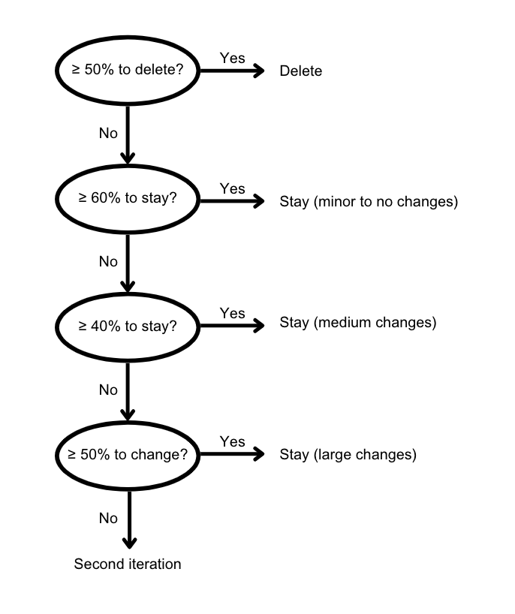
Results round 1
Dimensions | n | Stay | % stay | Change | % change | Delete | % delete
People | 7 | 6 | 86% | 1 | 14% | 0 | 0%
Technology | 6 | 6 | 100% | 0 | 0% | 0 | 0%
Organization & strategy | 5 | 5 | 100% | 0 | 0% | 0 | 0%

Subdimensions | n | Stay | % stay | Change | % change | Delete | % delete
Skills & training | 6 | 5 | 83% | 1 | 17% | 0 | 0%
External stakeholders | 6 | 3 | 50% | 3 | 50% | 0 | 0%
Support management/employees | 7 | 6 | 86% | 1 | 14% | 0 | 0%
Infrastructure | 6 | 6 | 100% | 0 | 0% | 0 | 0%
Data management | 5 | 5 | 100% | 0 | 0% | 0 | 0%
Integration with existing systems | 7 | 6 | 86% | 1 | 14% | 0 | 0%
Performance and scalability | 6 | 6 | 100% | 0 | 0% | 0 | 0%
Security | 7 | 7 | 100% | 0 | 0% | 0 | 0%
Network | 5 | 5 | 100% | 0 | 0% | 0 | 0%
Governance, regulation & compliance | 7 | 6 | 86% | 1 | 14% | 0 | 0%
Strategy | 6 | 4 | 67% | 2 | 33% | 0 | 0%
Research & development | 4 | 4 | 100% | 0 | 0% | 0 | 0%
Sustainability | 4 | 2 | 50% | 0 | 0% | 2 | 50%
Products & services | 5 | 4 | 80% | 1 | 20% | 1 | 20%

Legend
Minor to no changes
Medium changes
Large changes
Delete

