ROUND 2
STEP 1: VALIDATION ROUND 1
The dimensions and subdimensions of the current model are a result of your feedback during round 1. You can find these results in the second sheet.

Do you agree with the dimensions/subdimensions which result out of feedback frpm round 1?
✔️ | Yes | If yes, no need for a comment
❌ | No | If no, please express which (sub)dimension you do no agree with. Motivate your deciscion.

INCREASING MATURITY
STEP 2: EXAMPLE ROUND 2
Sub-Dimesion | Definition | Level 0 - None | Level 1 - Defining | Level 2 - Adopting | Level 3 - Managing | Level 4 - Integrated | EXTRA SPACE FOR FEEDBACK
Support management/employees towards blockchain | The ability to foster a culture that supports and encourages the adoption of blockchain technology (leadership, top management, employees,…) | There is no support from employees or top management towards the adoption of blockchain. | There is limited support from employees and top management. | There is growing support from employees and top management. | There is strong support from employees and top management. | There is a strong culture of support and encouragement towards the adoption of blockchain. Employees and management are fully commited to blockchain technology. | At level 2, I would add: The organization tries to promote blockchain technology to its employees by providing training programs about the new technology.

Please use the following indicators
Stay | You agree with the maturity description
Change | You want to improve the maturity description. Please motivate your decision. | Motivate your decision using a note or the extra space on the side.
Blank | You do not have enough knowledge/experience to judge a certain maturity level.

Please focus on LEVEL 4. It represents complete blockchain implementation.

FOCUS

STEP 3: QUESTIONNAIRE ROUND 2
These dimensions and subdimensions are the result of feedback from round 1. Please mark above (validation round 1) if you do not agree with these and would like to change a dimension/subdimension.
INCREASING MATURITY
Dimension | Sub-Dimesion | Definition | Level 0 - None | Level 1 - Defining | Level 2 - Adopting | Level 3 - Managing | Level 4 - Integrated | EXTRA SPACE FOR FEEDBACK
People | Skills & Training | The ability to effectively train their staff on the use of its blockchain implementation and to enrich their knowledge. | The organization has not recognised the need for its employees to receive training and skills in blockchain technology. There are no employee training programmes. | The organization is beginning to understand how important training and skills are and is searching for training programs. | The organization has started to adopt training programs for their employees. Employees are actively participating to extend their skills and knowledge. | The organization has a well-defined training program in place. Employees are encouraged to stay up-to-date with the latest developments in blockchain technology. | Employees at all levels have a strong understanding of blockchain technology and its potential applications.
 | All stakeholders (internal & external) | The ability to collaborate with other organisations, build relationships within the larger blockchain ecosystem, and deliver a positive user experience for the customers. | The organization has not yet identified any potential partners or customers. | The organization has identified potential partners or customers, but has not yet engaged with them. | The organization has started to engage with partners and customers to explore their potential blockchain technology. | The organization is managing partnerships with stakeholders. The organisation ensures a positive user experience for customers. | The organization is working closely with partners and customers to create a blockchain-based ecosystem. The organisation delivers excellent user experience.
 | Support management/employees towards blockchain | The ability to foster a culture that supports and encourages the adoption of blockchain technology (leadership, top management, employees,…) | There is no support from employees or top management towards the adoption of blockchain. | There is limited support from employees and top management. | There is growing support from employees and top management. | There is strong support from employees and top management. | There is a strong culture of support and encouragement towards the adoption of blockchain. Employees and management are fully commited to blockchain technology.

Technology | Infrastructure (hardware & software) | The quality of the infrastructure supporting the organization's blockchain implementation. | There is no infrastructure in place to support the blockchain system. There is no hardware or software specifically designed for blockchain. | The organization is defining its infrastructure needs for blockchain. | The organization has invested in hardware and software. | The organization is responsible for managing the infrastructure, and is continuously optimizing it to ensure the best performance. | The infrastructure is capable of handling complex blockchain transactions and is completely integrated with the organization's broader IT architecture.
 | Data management | The ability to effectively manage and secure the data stored on the blockchain system. | No data is being managed on the blockchain. | The organization starts to develop a data management strategy. | The organization has developed a data management strategy. Security measures are implemented to protect the data. | A mature data management strategy has been established. | The organization has an advanced data management strategy. The organisation uses AI and machine learning to analyze the data stored on the blockchain.
 | Integration with existing systems | The ability to integrate its blockchain implementation with its existing IT systems and processes. | No integration with existing IT systems and processes. | The organization is defining how it can integrate blockchain technology with its existing IT systems and processes. | The organization is starting to integrate blockchain with some existing IT systems and processes. | The organization has successfully integrated blockchain with some existing IT systems and processes. | The organization has fully integrated blockchain with its existing IT systems and processes.
 | Performance and scalability | The ability to ensure that its blockchain technology can handle the required level of transactions and data volume. | Performance is very bad and there are scalability issues. | Performance and scalability requirements are being defined. | Performance and scalability targets are established. | The organization is finding areas for optimization and improvement in order to ensure that its blockchain system can continue to fulfil performance and scalability needs as usage increases. | The organization is using modern technology and best practices to ensure that its blockchain implementation can handle even the most complex use cases.
 | Security | The ability to secure its blockchain system against cyber threats and vulnerabilities. | The organization does not have any security measures in place. | A security strategy is defined. This may include identifying potential threats, determining risk levels, and creating security policies and procedures. | The organization has started to adopt security measures to protect their system. | The organization has developed a complete security program and is actively managing the system for potential threats and vulnerabilities. | Security is fully integrated into the organization's blockchain system and is able to quickly detect and respond to potential security incidents.
 | Network | The ability to build and maintain a strong, secure, and scalable blockchain network. Records of transactions cannot be altered and are permanent. | There is no blockchain network in place. | The organization is defining their blockchain network's requirements, such as the types of nodes that will be used, the consensus algorithm that will be used to validate transactions,… | A basic blockchain network has been implemented. | The organization has developed a complete blockchain network and is actively managing it. | The organization has implemented a mature blockchain network and is continuously improving it. They have achieved high levels of scalability, security, and reliability. Records of transactions are permanent and cannot be altered.

Organization & strategy | Governance, regulation & compliance | The understanding of compliance with relevant laws, regulations, and industry standards related to its blockchain technology. | The organization does not have any compliance measures in place for relevant laws, regulations, and industry standards. | The organization is starting to define the compliance measures for relevant laws, regulations, and industry standards. | The organization has adopted measures to ensure compliance with relevant laws, regulations, and industry standards. | A complete governance, regulation, and compliance program is in place and the organization is actively managing it. | Governance, regulation, and compliance is fully integrated into the organization's blockchain system. They are able to quickly detect and respond to compliance issues.
 | Strategy and vision | The overall goals and objectives for its blockchain implementation, as well as the alignment of those goals with its broader business strategy and vision. | No overall goals or objectives for their blockchain implementation is set. | Overall goals and objectives are being defined, as well as how these goals align with their broader business strategy. | The blockchain implementation strategy is being adopted and is aligned with business strategy. | The organization has developed a complete strategy for their blockchain implementation that aligns with their business strategy. | The organization has fully integrated their blockchain implementation strategy into their business strategy. They may be measuring some KPIs to track progress. The organization has a clear vision.
 | Research and development | The investment and commitment to research and development (innovation) activities related to blockchain technology. | The organization has not yet invested in any research or development activities related to blockchain technology. | Basic research about blockchain is being conducted by the organization. | The organization is actively conducting and investing in research. | The organization has a well-established research and development program. | The organization has strong focus on research and development. They are actively investing in innovation to improve their blockchain solutions.
 | Products & Services | The ability to design, develop, and deliver high-quality products and services that leverage blockchain technology. | The organization has not yet considered using blockchain technology in its products or services. | The organization conducts market research to understand customer needs. | Blockchain technology is being adopted in their products and services. | The organization has developed a strategy for managing the integration of blockchain technology into its products and services. | The organization has fully integrated blockchain technology into their products and services to deliver unique value to their customers.

RESULTS ROUND 1
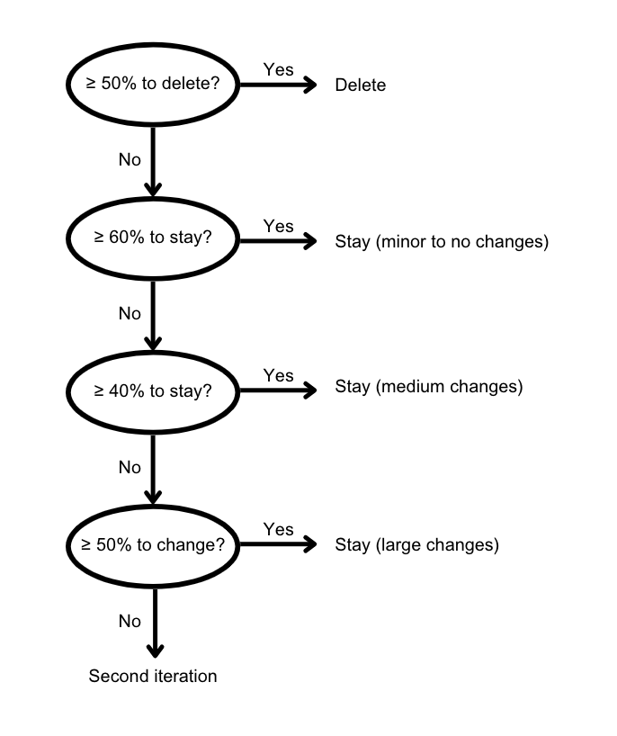
Results round 1
Dimensions | n | % stay | % change | % delete
People | 6 | 83% | 17% | 0%
Technology | 5 | 100% | 0% | 0%
Organization & strategy | 5 | 100% | 0% | 0%

Subdimensions | n | % stay | % change | % delete
Skills & training | 5 | 80% | 20% | 0%
External stakeholders | 5 | 40% | 60% | 0%
Support management/employees | 6 | 83% | 17% | 0%
Infrastructure | 5 | 100% | 0% | 0%
Data management | 5 | 100% | 0% | 0%
Integration with existing systems | 6 | 83% | 17% | 0%
Performance and scalability | 5 | 100% | 0% | 0%
Security | 6 | 100% | 0% | 0%
Network | 4 | 100% | 0% | 0%
Governance, regulation & compliance | 6 | 83% | 17% | 0%
Strategy | 6 | 67% | 33% | 0%
Research & development | 3 | 100% | 0% | 0%
Sustainability | 4 | 50% | 0% | 50%
Products & services | 4 | 50% | 25% | 25%

Legend
Minor to no changes
Medium changes
Large changes
Delete

