inl_1
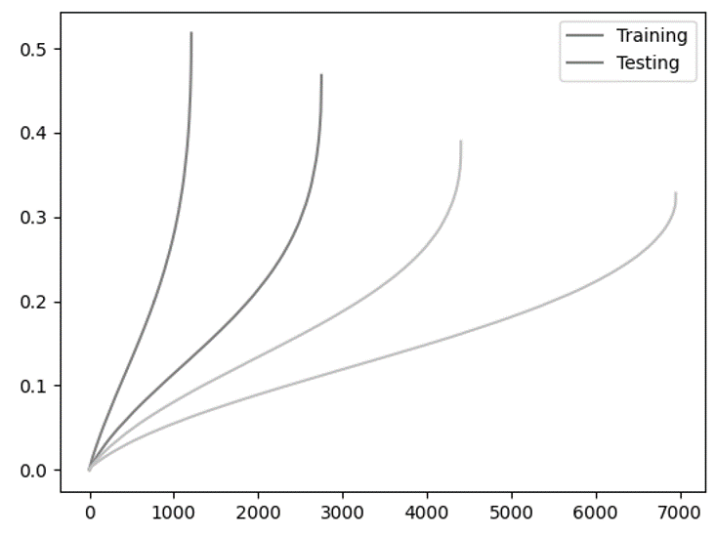
# | filename | type | medium | process | temp | stress | t_f | s_f | selected | typical | notes
A1 | AirBase_800_60_G32 | creep | air | base | 800 | 60 | 6949.69 | 0.327997 | x | x
A2 | AirBase_800_60_G47 | creep | air | base | 800 | 60 | 11045.5724 | 0.3219105744 |  | x
A3 | AirBase_800_65_G33 | creep | air | base | 800 | 65 | 4404.08 | 0.389524 | x | x
A4 | AirBase_800_65_G43 | creep | air | base | 800 | 65 | 4896.15 | 0.393927 |  | x
A5 | AirBase_800_70_G24 | creep | air | base | 800 | 70 | 2737.92 | 0.431136 |  | x
A6 | AirBase_800_70_G44 | creep | air | base | 800 | 70 | 2750.74 | 0.468106 | x | x
A7 | AirBase_800_80_G25 | creep | air | base | 800 | 80 | 1208.1 | 0.518036 | x | x
A8 | AirBase_800_80_G34 | creep | air | base | 800 | 80 | 1084.25 | 0.366214 |  | x
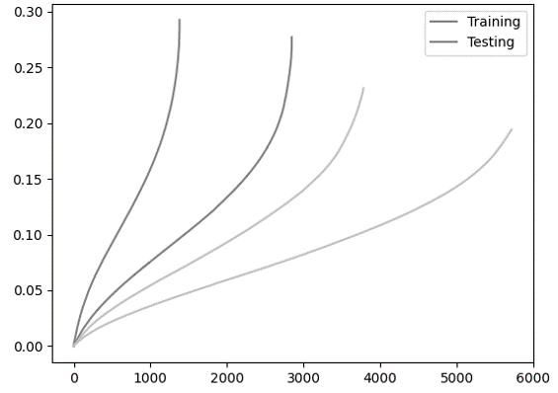
A9 | AirBase_900_26_G42 | creep | air | base | 900 | 26 | 7567.34 | 0.277238 |  |  | oxidation
A10 | AirBase_900_26_G59 | creep | air | base | 900 | 26 | 7983.83 | 0.349184 | x |  | oxidation
A11 | AirBase_900_28_G40 | creep | air | base | 900 | 28 | 4731.22 | 0.30771 |  |  | oxidation
A12 | AirBase_900_28_G45 | creep | air | base | 900 | 28 | 3781.76 | 0.231287 | x | x
A13 | AirBase_900_31_G21 | creep | air | base | 900 | 31 | 2960.04 | 0.22502 |  | x
A14 | AirBase_900_31_G50 | creep | air | base | 900 | 31 | 2846.09 | 0.277129 | x | x
A15 | AirBase_900_36_G19 | creep | air | base | 900 | 36 | 276.373 | 0.063145 |  |  | only primary
A16 | AirBase_900_36_G22 | creep | air | base | 900 | 36 | 1380.42 | 0.29267 | x | x
A17 | AirBase_900_36_G63 | creep | air | base | 900 | 36 | 1373.36 | 0.27557 |  | x
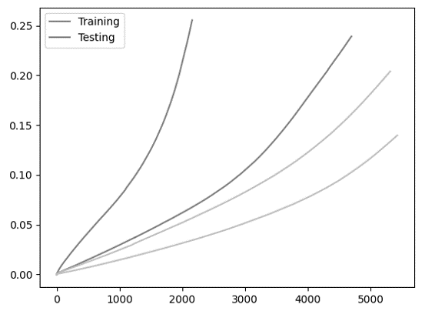
A18 | AirBase_1000_11_G39 | creep | air | base | 1000 | 11 | 18922.73 | 0.565139 | x |  | oxidation
A19 | AirBase_1000_12_G48 | creep | air | base | 1000 | 12 | 16696.18 | 0.64099 |  |  | oxidation
A20 | AirBase_1000_12_G52 | creep | air | base | 1000 | 12 | 14513.56 | 0.634939 | x |  | oxidation
A21 | AirBase_1000_13_G30 | creep | air | base | 1000 | 13 | 8768.06 | 0.535246 | x |  | oxidation
A22 | AirBase_1000_13_G51 | creep | air | base | 1000 | 13 | 6418.46 | 0.360053 |  |  | oxidation
A23 | AirBase_1000_16_G18 | creep | air | base | 1000 | 16 | 3034.11 | 0.461847 | x |  | oxidation
A24 | AirBase_1000_16_G38 | creep | air | base | 1000 | 16 | 3365.4 | 0.491414 |  |  | oxidation

inl_2
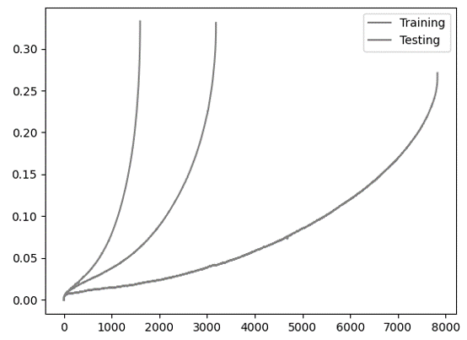
# | filename | type | medium | process | temp | stress | t_f | s_f | selected | typical | notes
B1 | AirBase_750_118_a | creep | air | base | 750 | 118 | 3344.6 | 0.22174 |  | x
B2 | AirBase_750_118_b | creep | air | base | 750 | 118 | 3186.6 | 0.33088 | x | x
B3 | AirBase_750_137_a | creep | air | base | 750 | 137 | 1596.4 | 0.33281 | x | x
B4 | AirBase_750_137_b | creep | air | base | 750 | 137 | 1470.03 | 0.2708 |  | x
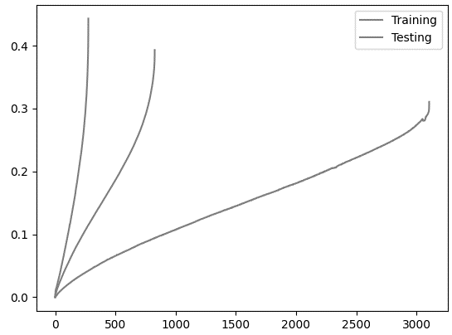
B5 | AirBase_750_95_a | creep | air | base | 750 | 95 | 7826.7 | 0.27099 | x | x
B6 | AirBase_850_43_a | creep | air | base | 850 | 43 | 3105.3 | 0.31066 | x | x
B7 | AirBase_850_43_b | creep | air | base | 850 | 43 | 1115.3 | 0.39469 |  | x
B8 | AirBase_850_54_a | creep | air | base | 850 | 54 | 826.22 | 0.39317 | x | x
B9 | AirBase_850_54_b | creep | air | base | 850 | 54 | 394.42 | 0.41503 |  | x
B10 | AirBase_850_63_a | creep | air | base | 850 | 63 | 260.89 | 0.52321 |  | x
B11 | AirBase_850_63_b | creep | air | base | 850 | 63 | 275.08 | 0.44314 | x | x
B12 | AirBase_950_19_a | creep | air | base | 950 | 19 | 3898.676 | 0.2606 |  | x
B13 | AirBase_950_24_a | creep | air | base | 950 | 24 | 956.615 | 0.56887 |  |  | high damage
B14 | AirBase_950_29_a | creep | air | base | 950 | 29 | 892.57 | 0.30308 |  | x
B15 | AirBase_950_29_b | creep | air | base | 950 | 29 | 561.85 | 0.32292 |  | x
B16 | AirWeld_750_118_a | creep | air | weld | 750 | 118 | 5953.371 | 0.12948 |  | x
B17 | AirWeld_750_135_a | creep | air | weld | 750 | 135 | 2794.9 | 0.12962 |  | x
B18 | AirWeld_750_135_b | creep | air | weld | 750 | 135 | 2381.4 | 0.099 |  | x
B19 | AirWeld_750_95_a | creep | air | weld | 750 | 95 | 11082.461 | 0.65 |  |  | very noisy, only primary
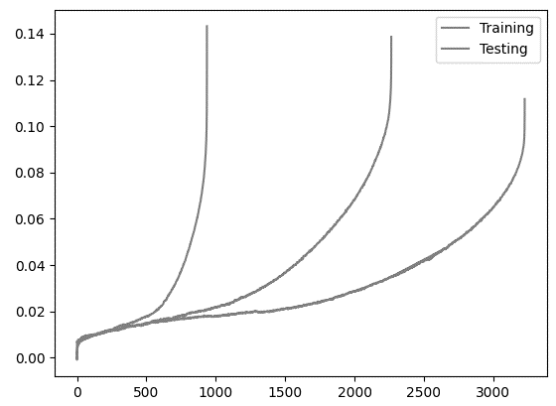
B20 | AirWeld_850_43_a | creep | air | weld | 850 | 43 | 3226.3 | 0.11172 | x | x
B21 | AirWeld_850_43_b | creep | air | weld | 850 | 43 | 6184.4 | 0.15801 |  | x
B22 | AirWeld_850_54_a | creep | air | weld | 850 | 54 | 1648.6 | 0.11871 |  | x
B23 | AirWeld_850_54_b | creep | air | weld | 850 | 54 | 2264.976 | 0.13864 | x | x
B24 | AirWeld_850_61_a | creep | air | weld | 850 | 61 | 1332.4 | 0.1659 |  | x
B25 | AirWeld_850_63_a | creep | air | weld | 850 | 63 | 936.41 | 0.14322 | x | x | high damage
B26 | AirWeld_950_19_a | creep | air | weld | 950 | 19 | 4484 | 0.06839 |  | x
B27 | AirWeld_950_24_a | creep | air | weld | 950 | 24 | 2093.7 | 0.13726 |  | x
B28 | AirWeld_950_28_a | creep | air | weld | 950 | 28 | 1569.3 | 0.07673 |  |  | no damage
B29 | AirWeld_950_29_a | creep | air | weld | 950 | 29 | 871.181 | 0.09379 |  | x

kaeri_1
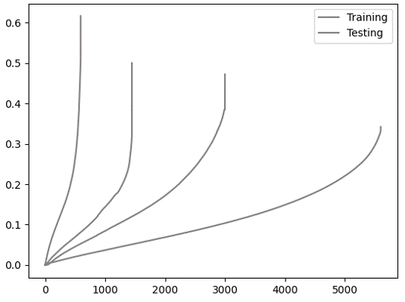
# | filename | type | medium | process | temp | stress | t_f | s_f | selected | typical | notes
C1 | AirBase_900_20_a | creep | air | base, aged 2y | 900 | 20 | 4828 | 0.0847522 |  |  | trilinear
C2 | AirBase_900_22_a | creep | air | base, aged 1y | 900 | 22 | 7363 | 0.3492 |  | x
C3 | AirBase_900_22_b | creep | air | base, aged 2y | 900 | 22 | 7951.9 | 0.4990222 |  |  | very high damage
C4 | AirBase_900_25_a | creep | air | base, aged 1y | 900 | 25 | 5600.36639 | 0.342 | x | x | 1 year aged
C5 | AirBase_900_25_b | creep | air | base, aged 2y | 900 | 25 | 4613.64556 | 0.504 |  | x | 2 year aged
C6 | AirBase_900_28_a | creep | air | base, aged 1y | 900 | 28 | 3000.4 | 0.4719 | x | x
C7 | AirBase_900_30_a | creep | air | base, aged 1y | 900 | 30 | 1446.93 | 0.5 | x |  | high damage
C8 | AirBase_900_35_a | creep | air | base, aged 2y | 900 | 35 | 322.23111 | 0.5751 |  | x | oxidation
C9 | AirBase_900_40_a | creep | air | base, aged 1y | 900 | 40 | 591.5375 | 0.6164 | x | x
C10 | AirBase_900_50_a | creep | air | base, aged 1y | 900 | 50 | 153.84028 | 0.3626555 |  | x | very straight

kaeri_2
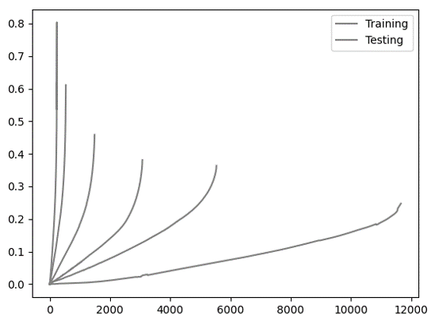
# | filename | type | medium | process | temp | stress | t_f | s_f | selected | typical | notes
D1 | AirBase_850_30_a | creep | Air | base | 850 | 30 | 14896.587787 | 0.48863 |  |  | very large tertiary
D2 | AirBase_850_35_a | creep | Air | base | 850 | 35 | 11658.58278 | 0.2475 | x | x
D3 | AirBase_850_40_a | creep | Air | base | 850 | 40 | 5534.3334 | 0.363567 | x | x
D4 | AirBase_850_45_a | creep | Air | base | 850 | 45 | 3076.5001 | 0.381188 | x | x
D5 | AirBase_850_50_a | creep | Air | base | 850 | 50 | 1488.9026 | 0.458496 | x | x
D6 | AirBase_850_60_a | creep | Air | base | 850 | 60 | 534.1667 | 0.611128 | x | x
D7 | AirBase_850_70_a | creep | Air | base | 850 | 70 | 237 | 0.616513 | x | x
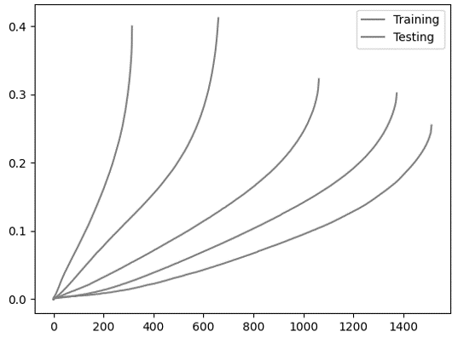
D8 | AirBase_900_25_a | creep | Air | base | 900 | 25 | 12731.3602 | 0.413025 |  |  | very large tertiary
D9 | AirBase_900_28_a | creep | Air | base | 900 | 28 | 4616.6668 | 0.384019 |  |  | very large tertiary
D10 | AirBase_900_30_a | creep | Air | base | 900 | 30 | 1513.1667 | 0.254988 | x | x
D11 | AirBase_900_35_a | creep | Air | base | 900 | 35 | 1374.1667 | 0.301754 | x | x
D12 | AirBase_900_40_a | creep | Air | base | 900 | 40 | 1062.1667 | 0.322632 | x | x
D13 | AirBase_900_45_a | creep | Air | base | 900 | 45 | 659.9667 | 0.412229 | x | x
D14 | AirBase_900_50_a | creep | Air | base | 900 | 50 | 314.1 | 0.400034 | x | x
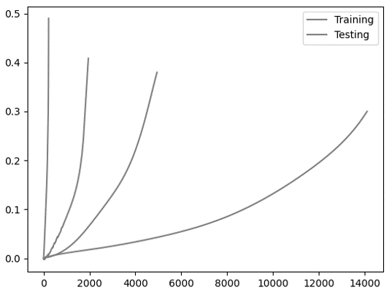
D15 | AirBase_950_18_a | creep | Air | base | 950 | 18 | 14099.3 | 0.29999 | x | x
D16 | AirBase_950_20_a | creep | Air | base | 950 | 20 | 4943.5 | 0.3796997 | x | x
D17 | AirBase_950_22_a | creep | Air | base | 950 | 22 | 1949.7 | 0.4081393 | x | x
D18 | AirBase_950_30_a | creep | Air | base | 950 | 30 | 465.2 | 0.4 |  | x
D19 | AirBase_950_35_a | creep | Air | base | 950 | 35 | 218.1667 | 0.49 | x | x
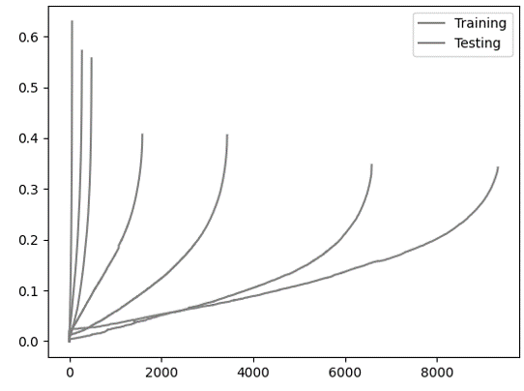
D20 | HeBase_850_32_a | creep | He | base | 850 | 32 | 13532.35556 | 0.7653571 |  |  | very large tertiary
D21 | HeBase_850_35_a | creep | He | base | 850 | 35 | 9328.44583 | 0.34193 | x | x
D22 | HeBase_850_40_a | creep | He | base | 850 | 40 | 6580.56278 | 0.34707 | x | x
D23 | HeBase_850_45_a | creep | He | base | 850 | 45 | 3434.94778 | 0.40583 | x | x
D24 | HeBase_850_50_a | creep | He | base | 850 | 50 | 1587.72333 | 0.40678 | x | x
D25 | HeBase_850_50_b | creep | He | base | 850 | 50 | 1268.65361 | 0.34191 |  | x
D26 | HeBase_850_60_a | creep | He | base | 850 | 60 | 480.34111 | 0.55691 | x | x
D27 | HeBase_850_70_a | creep | He | base | 850 | 70 | 273.01167 | 0.57184 | x | x
D28 | HeBase_850_90_a | creep | He | base | 850 | 90 | 58.98417 | 0.62978 | x | x
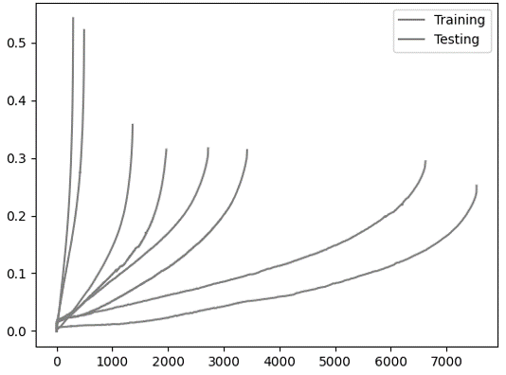
D29 | HeBase_900_22_a | creep | He | base | 900 | 22 | 7539.99333 | 0.25214 | x | x
D30 | HeBase_900_25_a | creep | He | base | 900 | 25 | 6623.39778 | 0.29433 | x | x
D31 | HeBase_900_28_a | creep | He | base | 900 | 28 | 3420.06472 | 0.31383 | x | x
D32 | HeBase_900_30_a | creep | He | base | 900 | 30 | 2720.35028 | 0.31697 | x | x
D33 | HeBase_900_32_a | creep | He | base | 900 | 32 | 1970.52389 | 0.31477 | x | x
D34 | HeBase_900_35_a | creep | He | base | 900 | 35 | 1648.04028 | 0.39218 |  | x
D35 | HeBase_900_40_a | creep | He | base | 900 | 40 | 1363.67472 | 0.35784 | x | x
D36 | HeBase_900_45_a | creep | He | base | 900 | 45 | 493.00888889 | 0.52203 | x | x
D37 | HeBase_900_50_a | creep | He | base | 900 | 50 | 296.01194 | 0.54278 | x | x
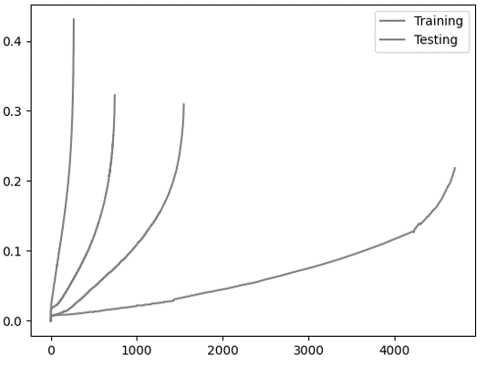
D38 | HeBase_950_18_a | creep | He | base | 950 | 18 | 4704.94139 | 0.2184013 | x | x
D39 | HeBase_950_20_a | creep | He | base | 950 | 20 | 2021.3 | 0.23001 |  | x | weird notch
D40 | HeBase_950_22_a | creep | He | base | 950 | 22 | 1546.38417 | 0.3094 | x | x
D41 | HeBase_950_25_a | creep | He | base | 950 | 25 | 743.52194 | 0.32247 | x | x
D42 | HeBase_950_30_a | creep | He | base | 950 | 30 | 570.8925 | 0.23286 |  |  | low s_f
D43 | HeBase_950_30_b | creep | He | base | 950 | 30 | 329.32389 | 0.2195 |  |  | low s_f
D44 | HeBase_950_35_a | creep | He | base | 950 | 35 | 266.0075 | 0.43094 | x | x

