evp
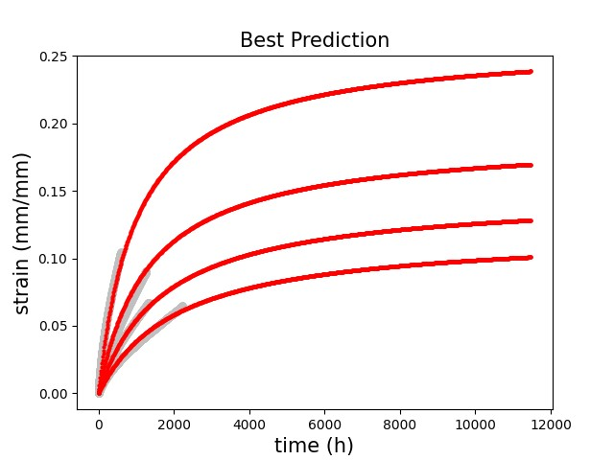
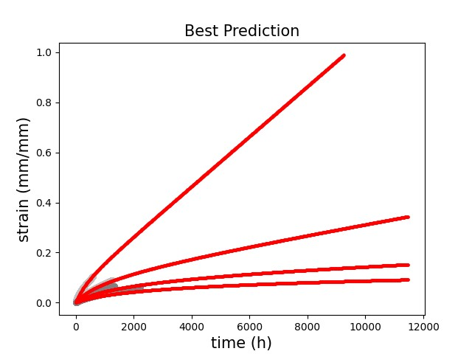
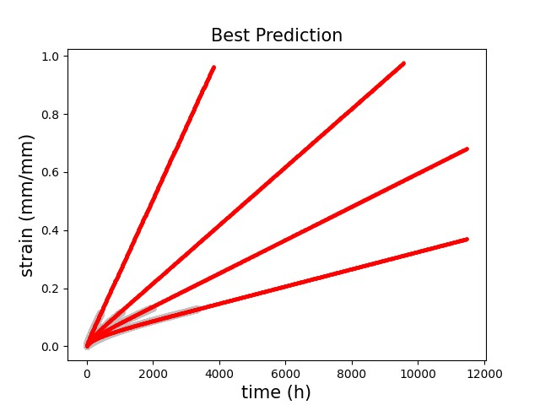
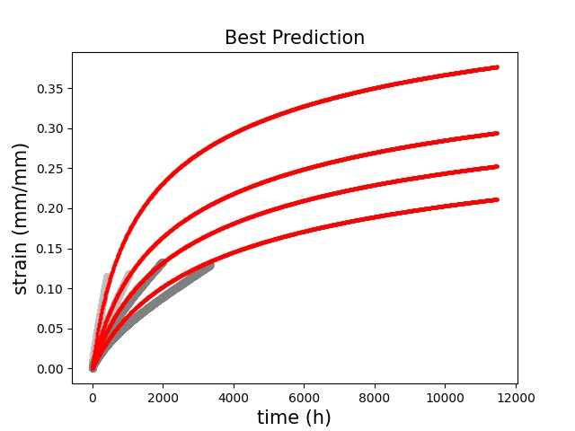
temp | type | s0 | R | d | n | eta
800 | all | 4.707 | 29.9 | 47.707 | 3.6626 | 3159.4
800 | st | 14.535 | 347.93 | 0.33581 | 3.8755 | 3156.8
900 | all | 17.42 | 217.36 | 0.33131 | 2.034 | 42591
900 | st | 17.937 | 7.4195 | 15.251 | 2.4442 | 9880.2

evpcd_f
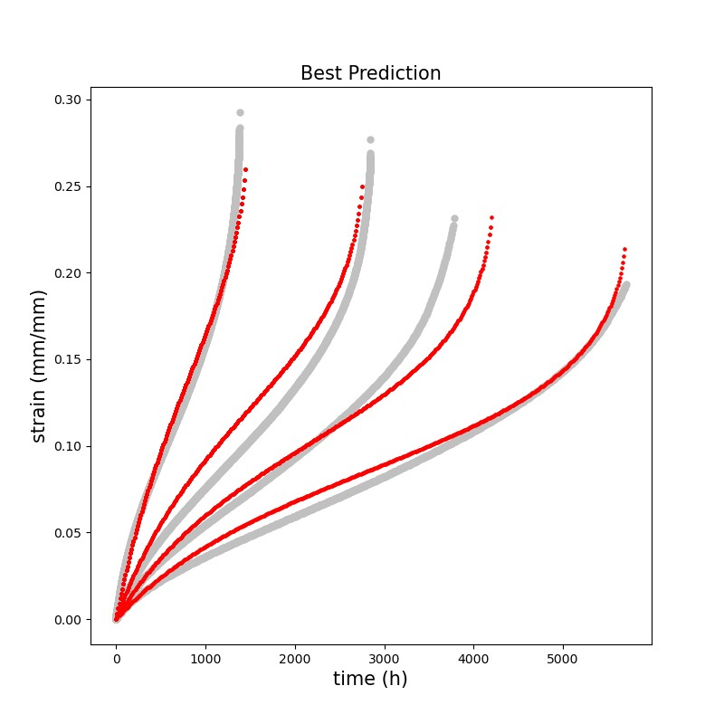
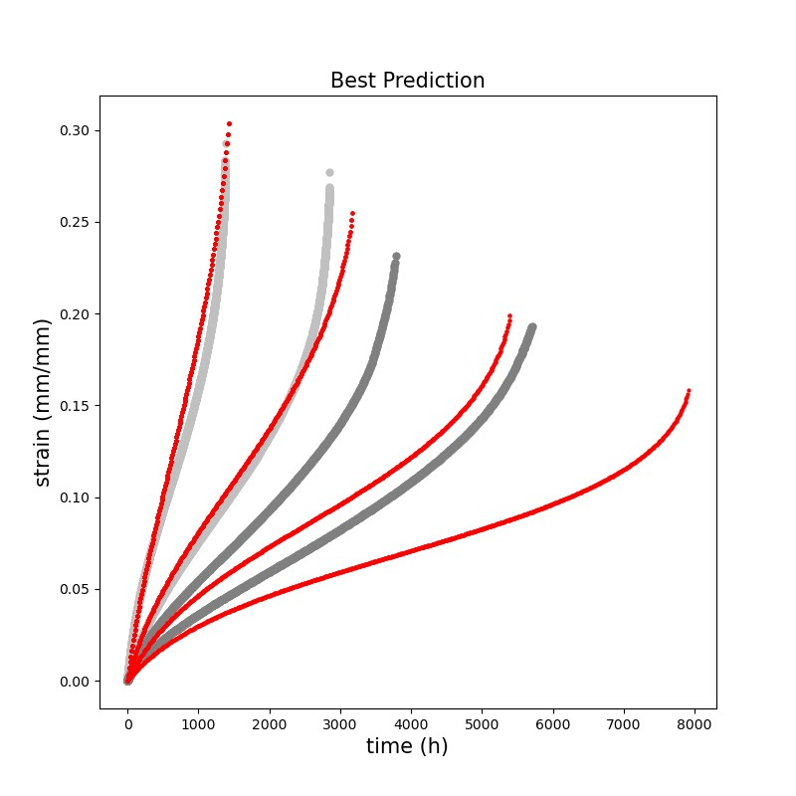
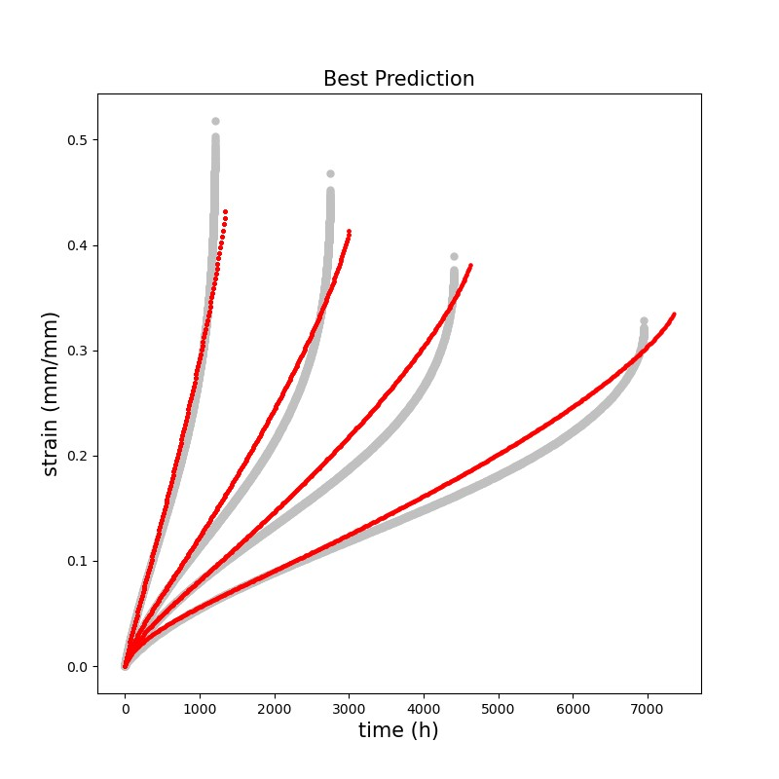
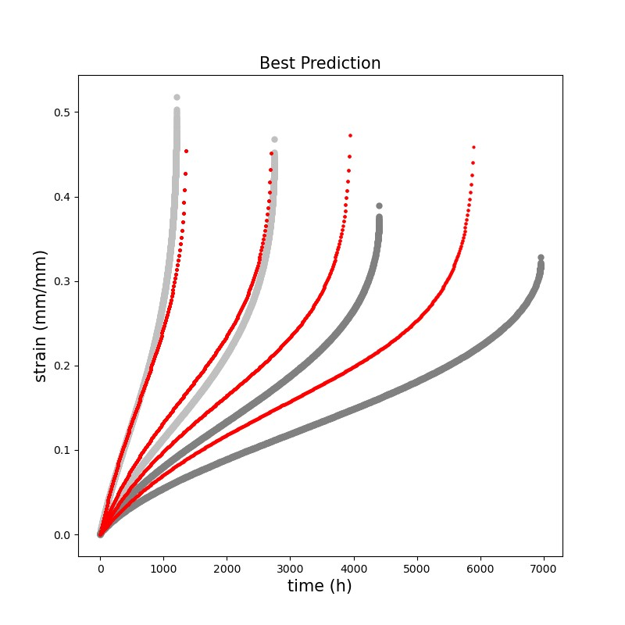
temp | type | A | xi | phi
800 | all | 2169 | 5.6903 | 26.372
800 | st | 2603.4 | 4.9169 | 4.2123
900 | all | 2632.8 | 4.0648 | 5.8117
900 | st | 1271.1 | 5.1067 | 13.687

