evp
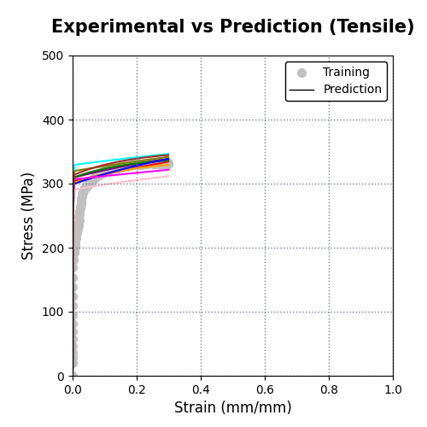
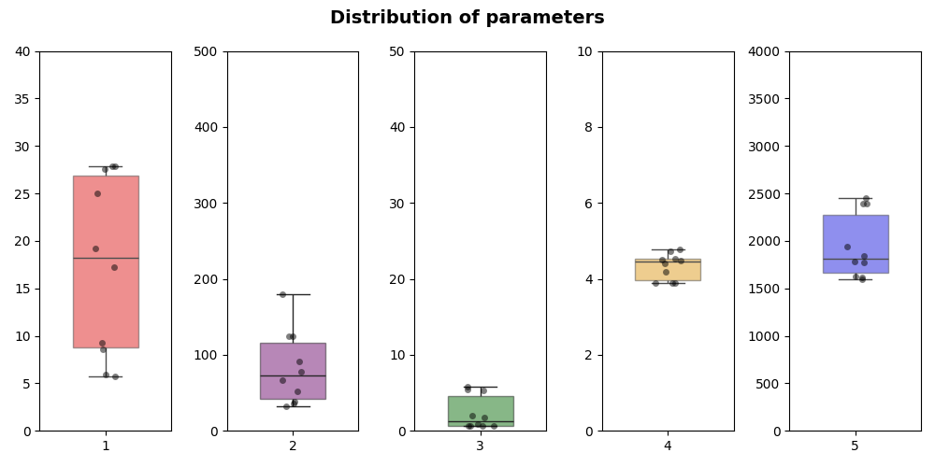
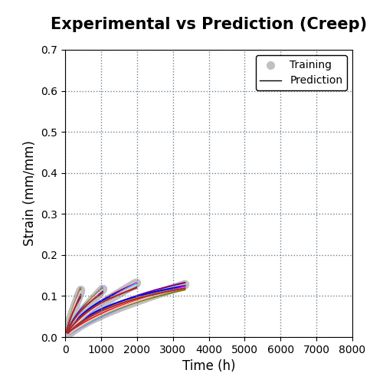
temp | data | evp | s0 | R | d | n | eta | evp-cd_f | evp-cd_f | evp-wd_f | evp-wd_i
800 | all
 |  | 10; 10 | 17.217 | 179.74 | 0.61754 | 4.4166 | 1783.5 | 8; 9 |  | 7; 7
 |  | 10; 10 | 5.6908 | 66.627 | 1.9851 | 4.7723 | 1621.6 | 8; 6 |  | 7; 6
 |  | 10; 10 | 9.3076 | 32.596 | 5.8114 | 4.5263 | 1775.9 | 10; 7
 |  | 10; 10 | 5.8951 | 36.245 | 5.3757 | 4.7311 | 1598.4 | 10; 7
 |  | 10; 10 | 4.1862 | 84.548 | 2.1123 | 4.7752 | 1574.3 | 9; 8
 |  | 10; 8 | 25.038 | 90.693 | 0.61002 | 4.1982 | 1944.6 | 10; 8
 |  | 10; 8 | 27.547 | 78.081 | 0.84273 | 3.8992 | 2454.8 | 9; 10
 |  | 10; 10 | 27.885 | 124.89 | 0.65636 | 3.8874 | 2390.5 | 10; 8
 |  | 10; 7 | 19.2 | 52.204 | 1.7579 | 4.5105 | 1614.6 | 9; 7
 |  | 10; 9 | 8.5923 | 38.904 | 5.4829 | 4.4795 | 1841 | 9; 8

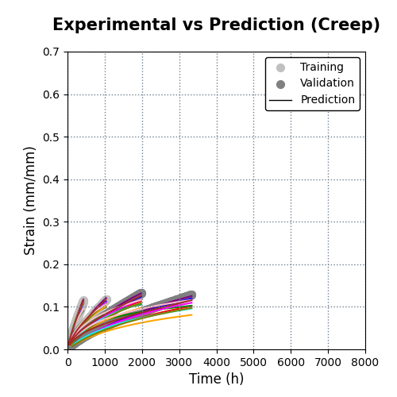
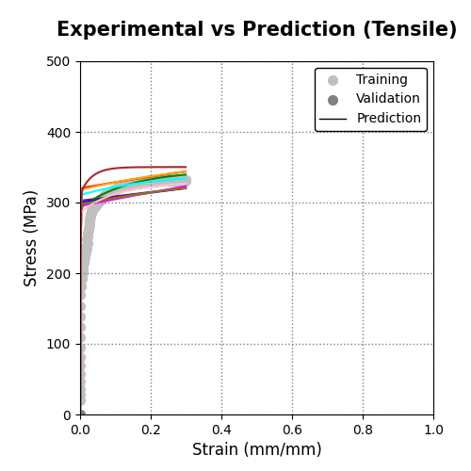
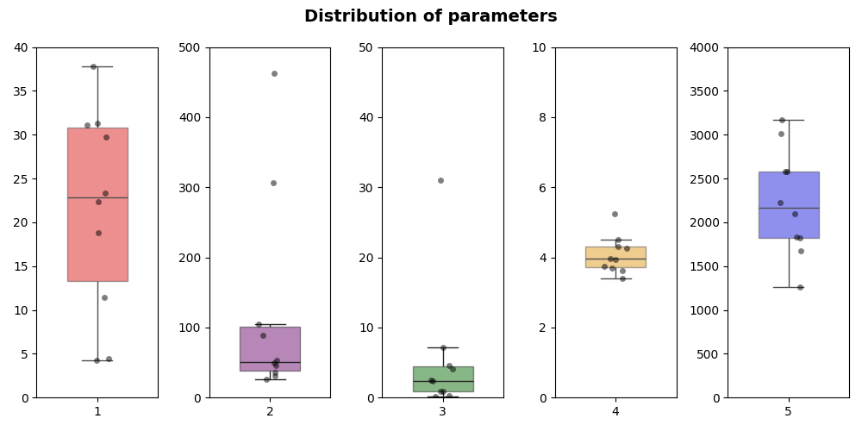
800 | st
 |  | 8; 9 | 31.327 | 104.92 | 0.8548 | 3.7508 | 2575.8 | 10; 7 |  | 8; 8
 |  | 10; 10 | 22.393 | 462.57 | 0.13573 | 4.314 | 1828.1 | 10; 9 |  | 7; 8
 |  | 8; 10 | 11.45 | 53.151 | 7.1666 | 3.9502 | 2221.6 | 8; 8
 |  | 7; 10 | 37.742 | 49.123 | 2.4996 | 3.4102 | 3172 | 8; 10
 |  | 10; 8 | 18.768 | 89.18 | 0.88069 | 4.5055 | 1677.4 | 8; 7
 |  | 10; 8 | 23.304 | 306.58 | 0.32123 | 4.2592 | 1822.6 | 9; 7
 |  | 9; 10 | 31.137 | 31.413 | 4.6003 | 3.6958 | 2583 | 9; 9
 |  | 9; 10 | 29.726 | 45.991 | 2.3174 | 3.9613 | 2101.3 | 9; 8
 |  | 10; 10 | 0.85682 | 42.524 | 9.6283 | 4.5033 | 1707 | 8; 7
 |  | 10; 7 | 4.4611 | 35.628 | 31.021 | 3.6186 | 3016.2 | 10; 9

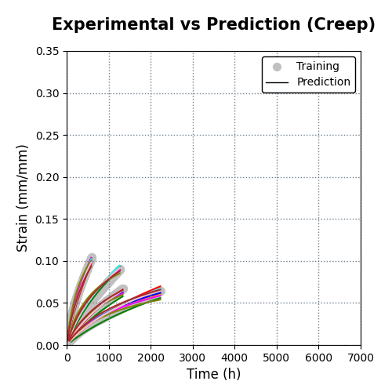
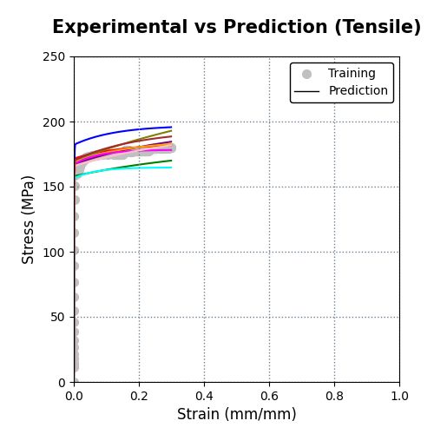
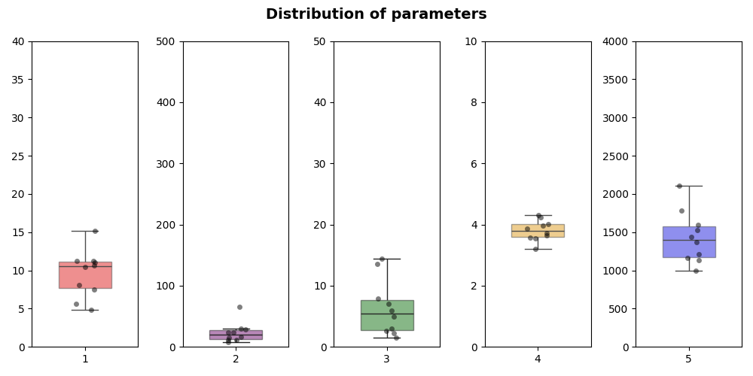
900 | all
 |  | 10; 10 | 4.871 | 11.518 | 7.0281 | 4.2421 | 1138.3 | 9; 9 |  | 8; 9
 |  | 10; 10 | 10.692 | 29.068 | 2.9831 | 3.7278 | 1433.5 | 10; 7 |  | 7; 8
 |  | 9; 6 | 11.2 | 24.262 | 2.2615 | 3.9651 | 1163 | 10; 10 |  | 9; 9
 |  | 10; 10 | 11.208 | 16.738 | 5.9587 | 3.6377 | 1530.1 | 10; 7
 |  | 10; 7 | 10.45 | 14.769 | 7.8792 | 3.54 | 1787.3 | 10; 7
 |  | 10; 10 | 11.011 | 11.071 | 13.523 | 3.5672 | 1593.8 | 10; 8
 |  | 10; 5 | 5.6656 | 8.2222 | 14.47 | 4.3001 | 1000.8 | 10; 7
 |  | 10; 8 | 15.185 | 64.875 | 1.4526 | 3.2003 | 2110.6 | 9; 9
 |  | 10; 10 | 8.0572 | 29.804 | 2.5836 | 4.0204 | 1210.4 | 10; 8
 |  | 10; 9 | 7.5292 | 23.505 | 4.9899 | 3.8623 | 1369.1 | 9; 9

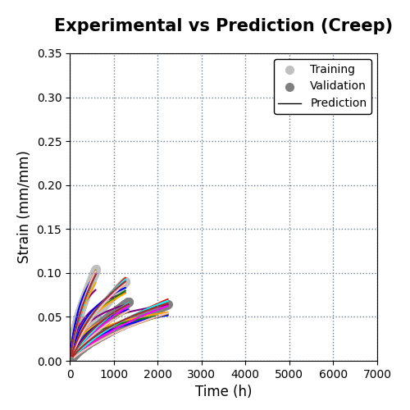
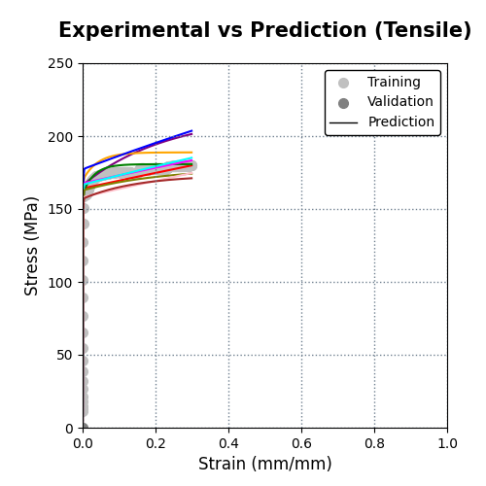
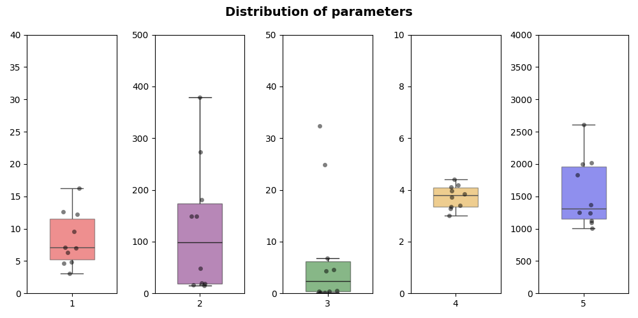
900 | st
 |  | 10; 9 | 4.8238 | 378.86 | 0.1423 | 4.4021 | 1006.9 | 8; 10 |  | 7; 9
 |  | 8; 7 | 7.1037 | 48.235 | 4.2972 | 3.4084 | 1829.9 | 9; 7 |  | 5; 8
 |  | 9; 10 | 3.0461 | 19.608 | 32.421 | 3.2736 | 2022.3 | 7; 10 |  | 8; 8
 |  | 9; 8 | 4.634 | 18.607 | 24.896 | 3.3436 | 1999.7 | 6; 10
 |  | 8; 8 | 16.287 | 181.45 | 0.52517 | 3.0161 | 2606.2 | 9; 9
 |  | 10; 10 | 9.5313 | 148.61 | 0.37484 | 3.9621 | 1253.9 | 9; 10
 |  | 10; 10 | 6.3647 | 149.54 | 0.43913 | 4.1839 | 1127.6 | 8; 10
 |  | 10; 10 | 12.622 | 15.441 | 4.5386 | 3.7305 | 1371.6 | 8; 9
 |  | 10; 9 | 12.256 | 273.68 | 0.20866 | 3.8422 | 1242.3 | 8; 8
 |  | 10; 8 | 7.044 | 16.175 | 6.7949 | 4.1207 | 1090 | 9; 8

1000 | all

1000 | st

evp-cd_f
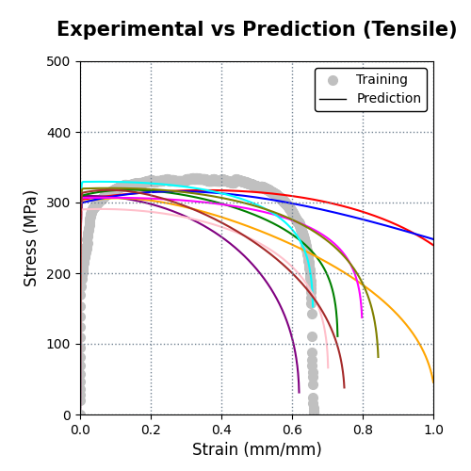
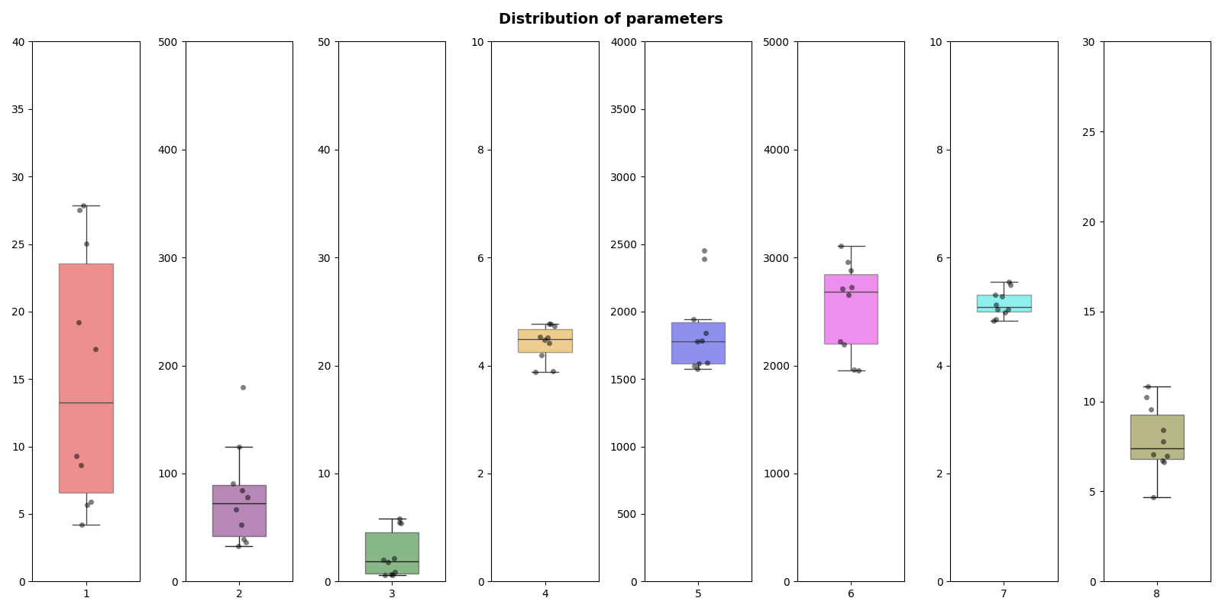
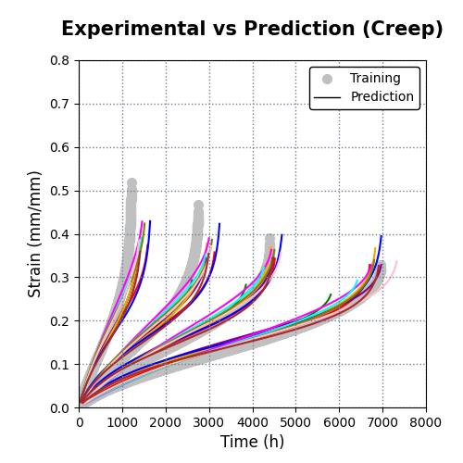
temp | data | evp-cd_f | s0 | R | d | n | eta | A | xi | phi
800 | all
 |  | 8; 8 | 17.217 | 179.74 | 0.61754 | 4.4166 | 1783.5 | 3109.8 | 4.8245 | 6.6364
 |  | 8; 7 | 5.6908 | 66.627 | 1.9851 | 4.7723 | 1621.6 | 1995 | 5.4751 | 6.686
 |  | 7; 9 | 9.3076 | 32.596 | 5.8114 | 4.5263 | 1775.9 | 2723.1 | 5.0412 | 9.5797
 |  | 9; 7 | 5.8951 | 36.245 | 5.3757 | 4.7311 | 1598.4 | 2223.9 | 5.2809 | 6.7355
 |  | 9; 7 | 4.1862 | 84.548 | 2.1123 | 4.7752 | 1574.3 | 2883.2 | 4.8534 | 4.6837
 |  | 10; 8 | 25.038 | 90.693 | 0.61002 | 4.1982 | 1944.6 | 2654.9 | 5.1296 | 10.248
 |  | 9; 10 | 27.547 | 78.081 | 0.84273 | 3.8992 | 2454.8 | 2960.7 | 4.9867 | 10.836
 |  | 10; 8 | 27.885 | 124.89 | 0.65636 | 3.8874 | 2390.5 | 2711.4 | 5.0382 | 7.7607
 |  | 9; 7 | 19.2 | 52.204 | 1.7579 | 4.5105 | 1614.6 | 1951.3 | 5.5552 | 8.4003
 |  | 9; 8 | 8.5923 | 38.904 | 5.4829 | 4.4795 | 1841 | 2195.8 | 5.3108 | 6.956

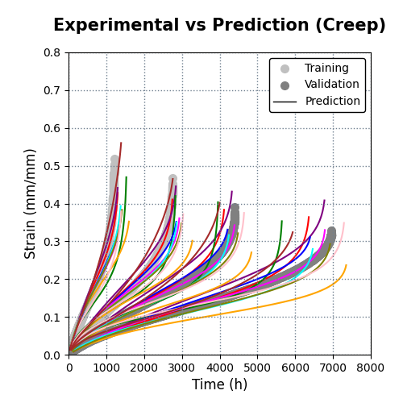
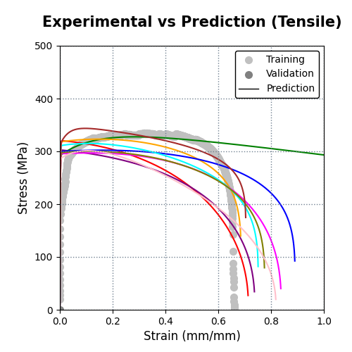
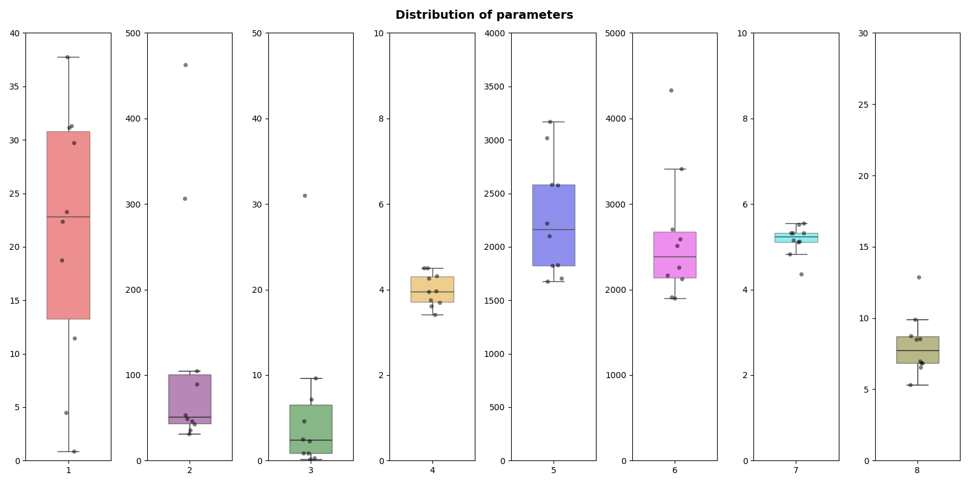
800 | st
 |  | 10; 7 | 31.327 | 104.92 | 0.8548 | 3.7508 | 2575.8 | 2126.4 | 5.3209 | 6.5504
 |  | 8; 8 | 22.393 | 462.57 | 0.13573 | 4.314 | 1828.1 | 1912.9 | 5.5169 | 6.9639
 |  | 8; 8 | 11.45 | 53.151 | 7.1666 | 3.9502 | 2221.6 | 4328.7 | 4.3679 | 5.3108
 |  | 7; 10 | 37.742 | 49.123 | 2.4996 | 3.4102 | 3172 | 2704.5 | 5.1187 | 9.9024
 |  | 8; 7 | 18.768 | 89.18 | 0.88069 | 4.5055 | 1677.4 | 2589.7 | 5.1066 | 8.5635
 |  | 9; 7 | 23.304 | 306.58 | 0.32123 | 4.2592 | 1822.6 | 2169.1 | 5.3202 | 6.8598
 |  | 9; 9 | 31.137 | 31.413 | 4.6003 | 3.6958 | 2583 | 2511.7 | 5.1559 | 8.7353
 |  | 9; 8 | 29.726 | 45.991 | 2.3174 | 3.9613 | 2101.3 | 2259.2 | 5.3187 | 8.5096
 |  | 8; 7 | 0.85682 | 42.524 | 9.6283 | 4.5033 | 1707 | 1896.9 | 5.547 | 6.8471
 |  | 9; 9 | 4.4611 | 35.628 | 31.021 | 3.6186 | 3016.2 | 3411.1 | 4.8323 | 12.863

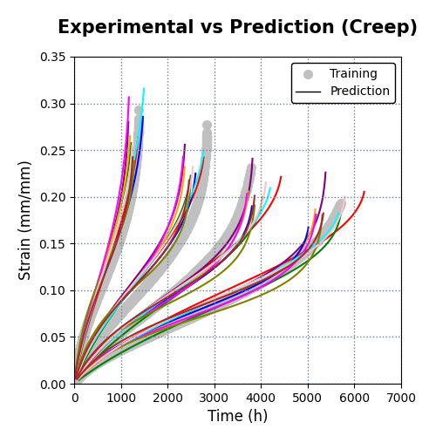
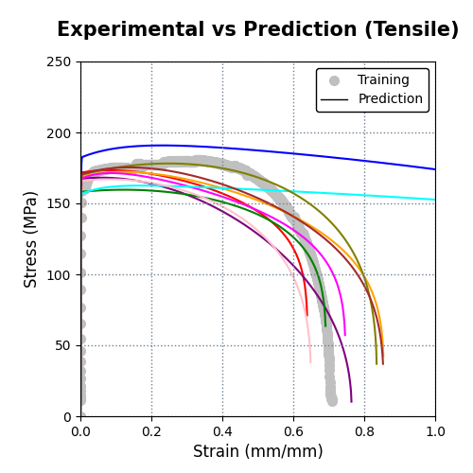
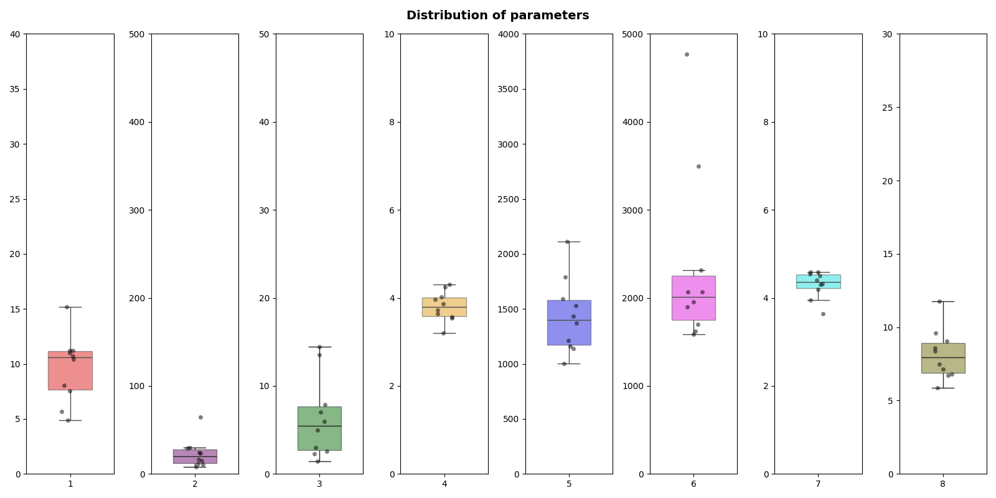
900 | all
 |  | 8; 9 | 4.871 | 11.518 | 7.0281 | 4.2421 | 1138.3 | 1899.3 | 4.4974 | 9.6201
 |  | 9; 8 | 10.692 | 29.068 | 2.9831 | 3.7278 | 1433.5 | 1588.8 | 4.5518 | 5.8509
 |  | 9; 9 | 11.2 | 24.262 | 2.2615 | 3.9651 | 1163 | 1703.2 | 4.5818 | 9.0646
 |  | 10; 7 | 11.208 | 16.738 | 5.9587 | 3.6377 | 1530.1 | 2070.2 | 4.3164 | 7.4964
 |  | 9; 7 | 10.45 | 14.769 | 7.8792 | 3.54 | 1787.3 | 4771.9 | 3.6387 | 8.3943
 |  | 9; 8 | 11.011 | 11.071 | 13.523 | 3.5672 | 1593.8 | 1955.7 | 4.4015 | 8.5838
 |  | 10; 7 | 5.6656 | 8.2222 | 14.47 | 4.3001 | 1000.8 | 3494.5 | 3.9569 | 11.773
 |  | 9; 9 | 15.185 | 64.875 | 1.4526 | 3.2003 | 2110.6 | 2312.8 | 4.1948 | 6.7274
 |  | 8; 8 | 8.0572 | 29.804 | 2.5836 | 4.0204 | 1210.4 | 1624.1 | 4.5871 | 7.1367
 |  | 8; 8 | 7.5292 | 23.505 | 4.9899 | 3.8623 | 1369.1 | 2070.7 | 4.3049 | 6.8212

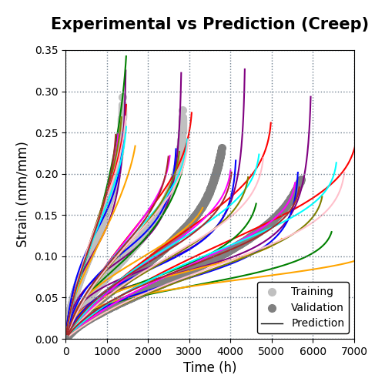
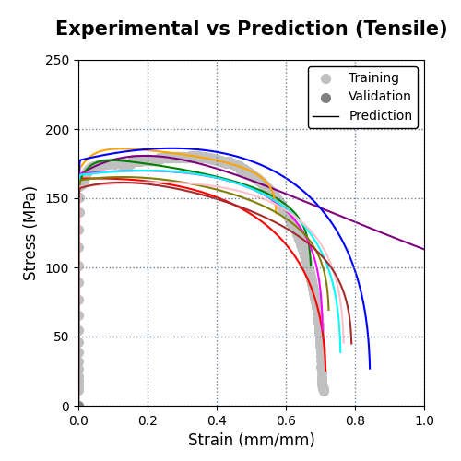
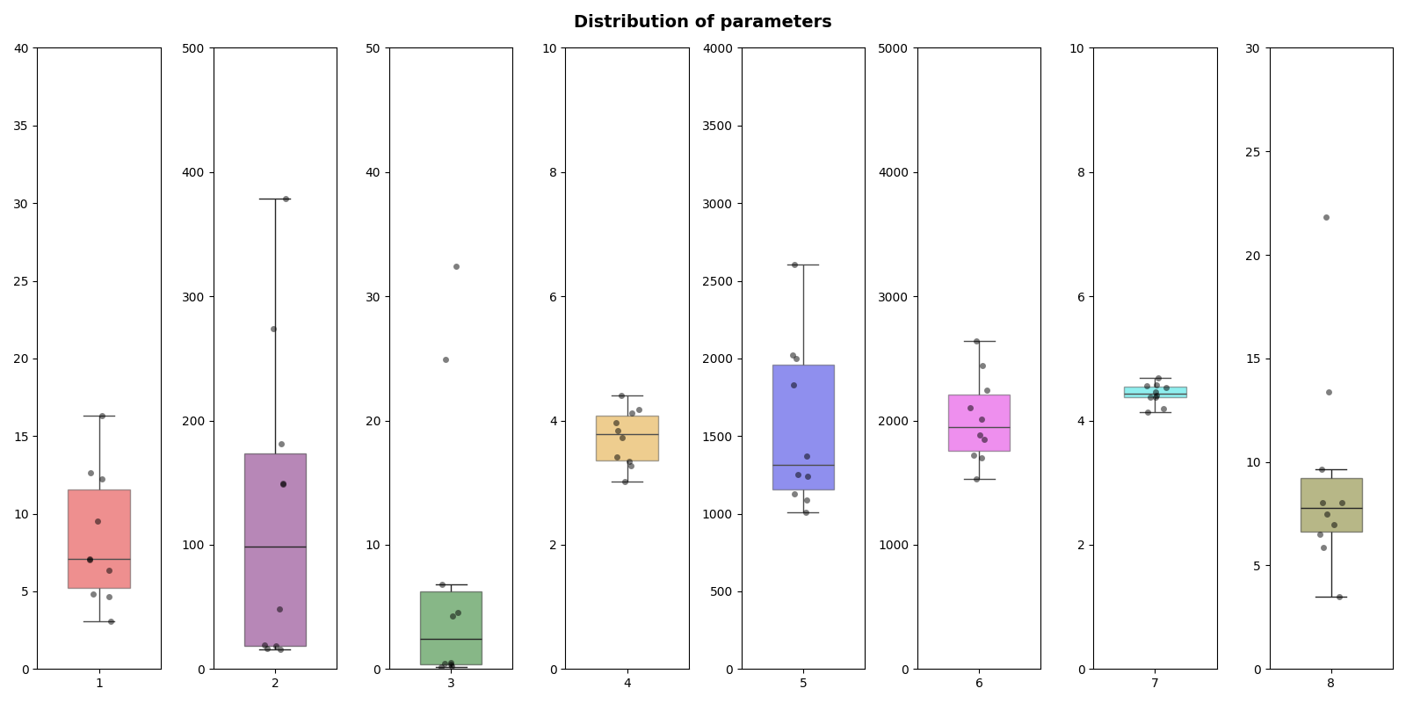
900 | st
 |  | 7; 9 | 4.8238 | 378.86 | 0.1423 | 4.4021 | 1006.9 | 1532 | 4.6818 | 6.5257
 |  | 7; 7 | 7.1037 | 48.235 | 4.2972 | 3.4084 | 1829.9 | 2105.1 | 4.188 | 3.5083
 |  | 7; 10 | 3.0461 | 19.608 | 32.421 | 3.2736 | 2022.3 | 2242.6 | 4.4061 | 13.364
 |  | 5; 10 | 4.634 | 18.607 | 24.896 | 3.3436 | 1999.7 | 2639.7 | 4.377 | 21.834
 |  | 7; 9 | 16.287 | 181.45 | 0.52517 | 3.0161 | 2606.2 | 2445.2 | 4.13 | 5.8583
 |  | 9; 10 | 9.5313 | 148.61 | 0.37484 | 3.9621 | 1253.9 | 2014.6 | 4.3748 | 8.0504
 |  | 8; 10 | 6.3647 | 149.54 | 0.43913 | 4.1839 | 1127.6 | 1881.2 | 4.4539 | 6.9905
 |  | 8; 9 | 12.622 | 15.441 | 4.5386 | 3.7305 | 1371.6 | 1850.2 | 4.526 | 9.637
 |  | 8; 8 | 12.256 | 273.68 | 0.20866 | 3.8422 | 1242.3 | 1723.9 | 4.5678 | 7.4751
 |  | 8; 8 | 7.044 | 16.175 | 6.7949 | 4.1207 | 1090 | 1699.1 | 4.5578 | 8.0541

1000 | all

1000 | st

