Sheet1
Make: | Renault ZOE |  |  |  | Make: | Nissan Leaf
Max Cost: | £10,000 |  |  |  | Max Cost: | £10,000
Battery Capacity: | 22k/Wh |  |  |  | Battery Capacity: | 24k/Wh
No. of Doors: | 5 |  |  |  | No. of Doors: | 5
Mode | £7,995 |  |  | For UB and LB on Graphs | Mode | £7,995 |  | For UB and LB on Graphs
Median | £7,945 |  | £7,066 | 0 | Median | £8,329 |  | £7,418 | 0
Average Price: | £7,830 |  | £7,066 | 90000 | Average Price: | £8,329 |  | £7,418 | 90000
Standard Deviation Cost | 763.6993191 |  | £8,593 | 0 | Standard Deviation Cost | 911.37617554 |  | £9,240 | 0
Standard Deviation Cost | 763.699 |  | £8,593 | 90000 | Standard Deviation Cost | 911.376 |  | £9,240 | 90000
Standard Deviation Age | 0.948 |  |  |  | Standard Deviation Age | -1.011
Standard Deviation Mileage | 12062.625117 |  |  |  | Standard Deiviation Mileage | 17041.180564
Average Age: | 2015.3666667 |  |  |  | Average Age: | 2012.6666667
Average Mileage | 21517.5 |  |  |  | Average Mileage | 44546.666667
Mode Age | 2016 |  |  |  | Mode Age | 2013

 | Cost | Age | Mileage |  |  | Cost | Age | Mileage
 | £7,595 | 2016 | 8547 |  | 1 | £9,750 | 2015 | 55022
1 | £6,995 | 2014 | 33401 |  | 2 | £5,995 | 2011 | 75200
2 | £7,000 | 2014 | 60000 |  | 3 | £7,299 | 2013 | 30000
3 | £7,495 | 2014 | 18881 |  | 4 | £9,100 | 2014 | 46537
4 | £8,195 | 2015 | 12239 |  | 5 | £9,500 | 2014 | 52500
5 | £8,495 | 2016 | 12987 |  | 6 | £9,995 | 2013 | 38235
6 | £9,489 | 2017 | 29002 |  | 7 | £6,790 | 2011 | 66500 |  | Key Per Column
7 | £8,250 | 2016 | 31460 |  | 8 | £6,990 | 2012 | 53000 |  | Cost | Age | Mileage
8 | £6,300 | 2014 | 37201 |  | 9 | £7,450 | 2012 | 65000 |  | Red = Largest | Green = Largest | Red = Largest
9 | £6,495 | 2013 | 22750 |  | 10 | £7,500 | 2012 | 64798 |  | Yellow = Inbetween | Yellow = Inbetween | Yellow = Inbetween
10 | £6,900 | 2015 | 45000 |  | 11 | £7,795 | 2013 | 73737 |  | Green = Smallest | Red = Smallest | Green = Smallest
11 | £9,489 | 2017 | 7522 |  | 12 | £7,995 | 2011 | 38884
12 | £8,250 | 2016 | 17443 |  | 13 | £7,895 | 2012 | 41600
13 | £7,400 | 2015 | 17300 |  | 14 | £7,995 | 2012 | 20962
14 | £7,000 | 2015 | 8247 |  | 15 | £7,995 | 2013 | 47131
15 | £7,490 | 2015 | 15900 |  | 16 | £7,995 | 2011 | 38884
16 | £7,499 | 2015 | 18800 |  | 17 | £8,075 | 2013 | 37476
17 | £7,547 | 2016 | 29254 |  | 18 | £8,250 | 2012 | 15000
18 | £7,650 | 2016 | 28993 |  | 19 | £8,407 | 2012 | 23589
19 | £7,895 | 2016 | 11137 |  | 20 | £8,490 | 2012 | 33704
20 | £7,995 | 2015 | 18520 |  | 21 | £8,500 | 2013 | 43614
21 | £7,995 | 2016 | 25850 |  | 22 | £8,695 | 2013 | 41000
22 | £7,995 | 2015 | 13159 |  | 23 | £7,795 | 2013 | 77737
23 | £9,489 | 2017 | 15522 |  | 24 | £9,750 | 2015 | 55022
24 | £7,547 | 2016 | 29254 |  | 25 | £8,890 | 2013 | 36200
25 | £7,995 | 2015 | 13159 |  | 26 | £8,995 | 2013 | 21082
26 | £7,995 | 2015 | 29788 |  | 27 | £8,995 | 2013 | 56080
27 | £8,000 | 2015 | 19400 |  | 28 | £8,995 | 2013 | 37000
28 | £8,195 | 2016 | 12500 |  | 29 | £8,995 | 2013 | 14719
29 | £8,250 | 2016 | 2309 |  | 30 | £8,999 | 2013 | 36187
30

 |  |  | 6+15+6+3 ->>>> | Frequency from charts = 30

Mileage V Cost
Mileage V Cost

 |  |  |  |  |  |  |  |  |  |  |  | Average and Stdev.p is based on COST

 |  |  |  |  |  |  |  |  |  |  |  | Average
 |  |  |  |  |  |  |  |  |  |  |  | Average +- Stdev.p

Cost Vs Version of Car

 |  |  |  |  |  |  |  |  |  | Dashed Line = Average +- Stdev.p
 |  |  |  |  |  |  |  |  |  | Grey Solid Line = Average

 |  |  |  |  |  |  |  |  |  | Average and Stdev.p is based ON AGE

 | Used to create the Line for Average Cost

 | 7830 | 0 | 8329 | 0
 | 7830 | 90000 | 8329 | 90000

Year Of Production = 'Age'
A plot of the Inequalites for the Cost Vs Age Graph FOR ZOE

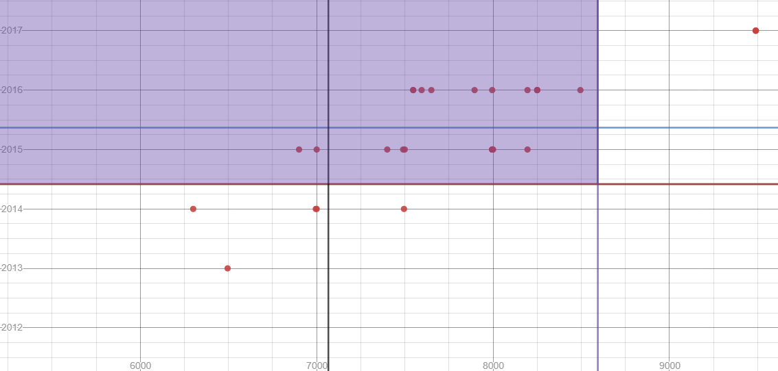

Red Line= Lower Bounds from the Age Scatter
Blue Line= Upper Bounds from Age Scatter
Purple Line = Upper Bounds from Cost Scatter
Black Line= Lower Bounds from Cost Scatter

Cost

