Лист1
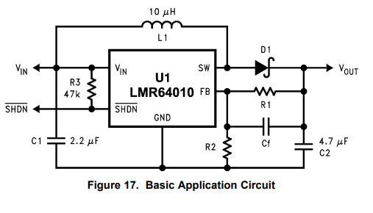
Input: |  | Calculated:

VOUT (V) | 12.00

R2 (Ω) | 13,000 | R1 (Ω) | 113,829

Vref(V) | 1.230

