BRF harvest
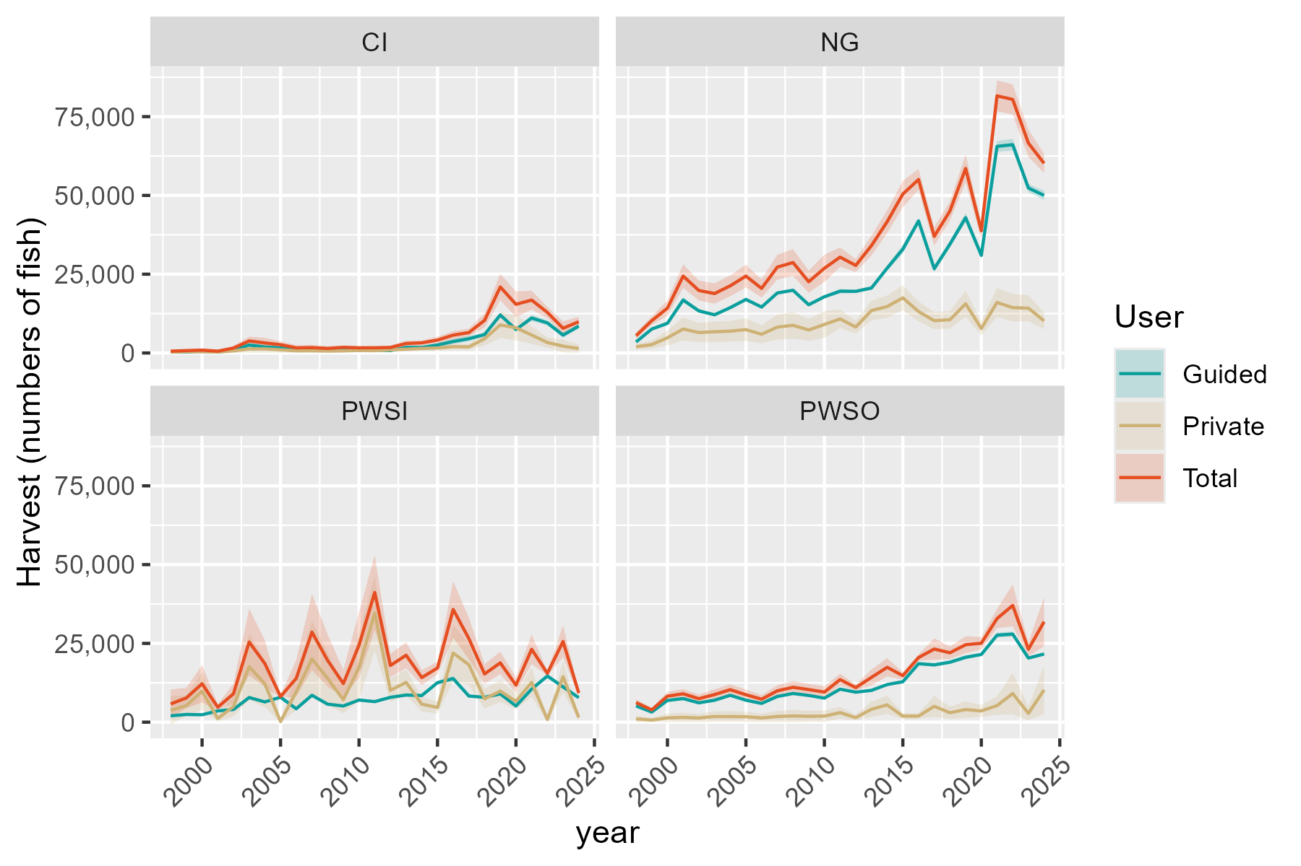
Region | RptArea | year | Guided | SE_Gui | Private | SE_Priv | Total | SE_Tot
SC | CI | 1998 | 302.84273454 | 87.824256643 | 275.69181688 | 136.81205569 | 578.53455142 | 162.57502464
SC | CI | 1999 | 338.86552177 | 98.270848719 | 412.52474982 | 131.89644025 | 751.39027159 | 164.48048717
SC | CI | 2000 | 513.11528328 | 148.80320109 | 388.29833363 | 192.69303618 | 901.41361691 | 243.4604667
SC | CI | 2001 | 290.69551559 | 84.301568617 | 284.75807072 | 94.215772377 | 575.45358631 | 126.42533858
SC | CI | 2002 | 882.55828723 | 255.94150587 | 659.55245527 | 327.30288574 | 1542.1107425 | 415.4915564
SC | CI | 2003 | 2531.865384 | 291.79934452 | 1282.2165688 | 636.29993304 | 3814.0819528 | 700.01747282
SC | CI | 2004 | 1872.3471969 | 542.97984397 | 1313.5577915 | 651.85301382 | 3185.9049884 | 848.37460039
SC | CI | 2005 | 1618.3870951 | 221.04233763 | 1002.6417686 | 497.56094699 | 2621.0288637 | 544.45074249
SC | CI | 2006 | 942.45664275 | 273.312002 | 683.12771124 | 339.00210579 | 1625.584354 | 435.45594286
SC | CI | 2007 | 990.62664894 | 287.2812821 | 709.75388269 | 352.21534256 | 1700.3805316 | 454.51752725
SC | CI | 2008 | 840.25245571 | 243.67283378 | 599.92092546 | 297.7107409 | 1440.1733812 | 384.71825427
SC | CI | 2009 | 1133.814815 | 180.80944013 | 658.52618857 | 232.65916922 | 1792.3410036 | 294.65631279
SC | CI | 2010 | 850.20560751 | 79.833225813 | 784.15580381 | 250.4163546 | 1634.3614113 | 262.83396773
SC | CI | 2011 | 940.24390363 | 137.54317306 | 715.85500316 | 222.26030633 | 1656.0989068 | 261.37667881
SC | CI | 2012 | 756.92105133 | 115.86476568 | 988.8780005 | 283.77526692 | 1745.7990518 | 306.51761131
SC | CI | 2013 | 1777.3913024 | 260.82037593 | 1223.5584078 | 383.5625363 | 3000.9497102 | 463.83993764
SC | CI | 2014 | 1765.5547943 | 178.04540738 | 1441.9465989 | 347.91707841 | 3207.5013933 | 390.82791679
SC | CI | 2015 | 2513.1428597 | 368.54514574 | 1584.2737281 | 411.69350872 | 4097.4165877 | 552.55503759
SC | CI | 2016 | 3648.6095194 | 447.00127571 | 2011.8733357 | 462.20325121 | 5660.482855 | 642.99454579
SC | CI | 2017 | 4532.2297289 | 425.8368584 | 1941.7150862 | 465.0866977 | 6473.9448151 | 630.58914227
SC | CI | 2018 | 5842.9268287 | 354.03166929 | 4508.4196775 | 1090.5004041 | 10351.346506 | 1146.5293517
SC | CI | 2019 | 12060.8 | 367.6801197 | 8890.2014371 | 2112.3932804 | 20951.001437 | 2144.1534557
SC | CI | 2020 | 7440.2781457 | 289.84779566 | 7999.4968589 | 2056.5319847 | 15439.775005 | 2076.8571325
SC | CI | 2021 | 11087.626263 | 491.75239729 | 5695.7899384 | 1438.4356452 | 16783.416201 | 1520.1702291
SC | CI | 2022 | 9553.245509 | 409.28347814 | 3318.4804171 | 830.21361513 | 12871.725926 | 925.61742217
SC | CI | 2023 | 5665.8970588 | 420.5024117 | 2165.5253285 | 1030.9266434 | 7831.4223873 | 1113.3876335
SC | CI | 2024 | 8514.5104895 | 368.16026869 | 1400.8464428 | 707.63031948 | 9915.3569323 | 797.67327427
SC | NG | 1998 | 3485.6182219 | 124.03583514 | 1981.0473044 | 485.89445185 | 5466.6655263 | 501.47612778
SC | NG | 1999 | 7583.3427122 | 132.38452573 | 2659.5181967 | 669.64169328 | 10242.860909 | 682.60212425
SC | NG | 2000 | 9410.6119259 | 352.28351788 | 4813.684516 | 1188.9031633 | 14224.296442 | 1239.9977454
SC | NG | 2001 | 16801.507358 | 414.36232194 | 7598.6303959 | 1870.5253982 | 24400.137754 | 1915.8709244
SC | NG | 2002 | 13357.027691 | 331.81081458 | 6475.9017059 | 1579.803946 | 19832.929397 | 1614.2734974
SC | NG | 2003 | 12118.000419 | 187.22476351 | 6734.3636833 | 1637.8303957 | 18852.364103 | 1648.4967446
SC | NG | 2004 | 14383.504667 | 188.90966998 | 6922.7041194 | 1684.6595841 | 21306.208786 | 1695.2182094
SC | NG | 2005 | 16990.065191 | 275.90830646 | 7410.3711157 | 1823.5182091 | 24400.436306 | 1844.2733128
SC | NG | 2006 | 14566.863209 | 182.12109146 | 5928.4759974 | 1458.9133358 | 20495.339206 | 1470.2367882
SC | NG | 2007 | 19027.768523 | 160.09211456 | 8207.022616 | 2012.0006006 | 27234.791139 | 2018.3597058
SC | NG | 2008 | 19910.015153 | 182.35215105 | 8785.438306 | 2159.5813736 | 28695.453459 | 2167.2664849
SC | NG | 2009 | 15301.186547 | 252.311132 | 7300.7580177 | 1776.5144953 | 22601.944565 | 1794.3424031
SC | NG | 2010 | 17841.668368 | 249.32386169 | 9037.5604403 | 2199.2026206 | 26879.228808 | 2213.2904361
SC | NG | 2011 | 19601.14222 | 376.72777984 | 10809.376661 | 1520.6195273 | 30410.518881 | 1566.5910656
SC | NG | 2012 | 19557.6199 | 273.75574545 | 8223.3949138 | 1026.1955155 | 27781.014814 | 1062.0825976
SC | NG | 2013 | 20617.935553 | 312.88927787 | 13465.211622 | 1591.9297944 | 34083.147175 | 1622.3871827
SC | NG | 2014 | 26922.135537 | 421.16186498 | 14728.939853 | 1813.2042997 | 41651.07539 | 1861.4744557
SC | NG | 2015 | 32947.552202 | 729.30943909 | 17494.121993 | 2007.9793606 | 50441.674194 | 2136.3223938
SC | NG | 2016 | 41905.929899 | 506.03007532 | 13138.078218 | 1621.7237916 | 55044.008117 | 1698.8391605
SC | NG | 2017 | 26754.165088 | 563.63253419 | 10244.696256 | 1404.9967509 | 36998.861344 | 1513.8353621
SC | NG | 2018 | 34531.87571 | 545.42853984 | 10538.925671 | 1448.5419584 | 45070.801381 | 1547.826249
SC | NG | 2019 | 42942.11243 | 756.37284423 | 15612.504714 | 2118.1246194 | 58554.617144 | 2249.1224472
SC | NG | 2020 | 30981.696105 | 634.39400035 | 7775.8166285 | 1141.1426915 | 38757.512734 | 1305.6272018
SC | NG | 2021 | 65561.885345 | 871.20231461 | 16027.917062 | 2346.2069604 | 81589.802407 | 2502.7346191
SC | NG | 2022 | 66088.504589 | 951.19433001 | 14371.31685 | 2256.1046116 | 80459.821439 | 2448.4237117
SC | NG | 2023 | 52353.756087 | 664.66148337 | 14228.88041 | 2105.4688945 | 66582.636497 | 2207.8890717
SC | NG | 2024 | 50000.750233 | 746.02741178 | 10179.900381 | 1356.9787301 | 60180.650614 | 1548.5309726
SC | PWSI | 1998 | 2009.382278 | 48.726021771 | 3773.4125017 | 2326.3700037 | 5782.7947797 | 2326.8802332
SC | PWSI | 1999 | 2445.345377 | 56.582106675 | 5261.1873717 | 1651.3000589 | 7706.5327487 | 1652.2691728
SC | PWSI | 2000 | 2352.5448938 | 138.69505053 | 9838.8628938 | 3036.455693 | 12191.407788 | 3039.6216035
SC | PWSI | 2001 | 3575.6998651 | 152.79156984 | 1163.4302448 | 460.98609784 | 4739.1301099 | 485.64745054
SC | PWSI | 2002 | 4018.1639107 | 206.76813961 | 4982.94964 | 1634.9549334 | 9001.1135507 | 1647.9777601
SC | PWSI | 2003 | 7823.9617772 | 205.28354318 | 17611.130353 | 5395.7032903 | 25435.09213 | 5399.6069607
SC | PWSI | 2004 | 6427.7982639 | 176.68655493 | 12157.606862 | 3787.0355567 | 18585.405126 | 3791.155028
SC | PWSI | 2005 | 7927.8287048 | 118.12551702 | 201.21099276 | 160.3594118 | 8129.0396975 | 199.17022549
SC | PWSI | 2006 | 4258.599548 | 117.58402941 | 9654.3332969 | 2976.6117865 | 13912.932845 | 2978.9333211
SC | PWSI | 2007 | 8538.6342828 | 168.37449563 | 20050.508641 | 6139.6103589 | 28589.142924 | 6141.918701
SC | PWSI | 2008 | 5706.9514419 | 218.87940538 | 13880.479843 | 4239.9546973 | 19587.431284 | 4245.6005499
SC | PWSI | 2009 | 5145.289321 | 138.81873959 | 7107.8670699 | 2204.6969233 | 12253.156391 | 2209.0629611
SC | PWSI | 2010 | 7024.857293 | 181.99355716 | 17408.408374 | 5323.623455 | 24433.265667 | 5326.7333654
SC | PWSI | 2011 | 6518.2234378 | 203.28790912 | 34635.439505 | 6055.7570167 | 41153.662943 | 6059.1681789
SC | PWSI | 2012 | 7884.2573458 | 182.28779086 | 10103.274887 | 1893.0538679 | 17987.532233 | 1901.8101339
SC | PWSI | 2013 | 8613.7466666 | 229.44033661 | 12635.734962 | 2090.7377915 | 21249.481629 | 2103.2896569
SC | PWSI | 2014 | 8456.6139901 | 193.16818878 | 5698.4876752 | 1202.4839756 | 14155.101665 | 1217.9005134
SC | PWSI | 2015 | 12541.214692 | 287.40228769 | 4666.961199 | 969.31344351 | 17208.175891 | 1011.023554
SC | PWSI | 2016 | 13826.943564 | 440.68704942 | 21941.983673 | 4556.275244 | 35768.927236 | 4577.5374575
SC | PWSI | 2017 | 8288.5811642 | 279.79585967 | 18226.853168 | 3354.2398216 | 26515.434332 | 3365.889259
SC | PWSI | 2018 | 7895.5750078 | 149.41486076 | 7404.1194779 | 1584.6315326 | 15299.694486 | 1591.6601065
SC | PWSI | 2019 | 8975.7771145 | 297.42709813 | 9854.2518854 | 1781.8792726 | 18830.029 | 1806.5316551
SC | PWSI | 2020 | 5122.3203862 | 161.91273238 | 6625.0321984 | 1249.9690394 | 11747.352585 | 1260.4119693
SC | PWSI | 2021 | 10506.860603 | 300.24908497 | 12622.555986 | 2368.4775724 | 23129.41659 | 2387.4328313
SC | PWSI | 2022 | 14650.499941 | 233.06799245 | 838.3547544 | 268.87841573 | 15488.854695 | 355.83183044
SC | PWSI | 2023 | 11200.6155 | 371.89096663 | 14418.038234 | 2558.942639 | 25618.653734 | 2585.8248821
SC | PWSI | 2024 | 7774.7871667 | 218.56120697 | 1470.3581033 | 416.97202539 | 9245.1452699 | 470.7809163
SC | PWSO | 1998 | 5167.1332657 | 130.0959457 | 1043.715164 | 525.50711328 | 6210.8484296 | 541.37111226
SC | PWSO | 1999 | 3209.7525881 | 29.830027737 | 676.18494759 | 340.45687186 | 3885.9375357 | 341.7611917
SC | PWSO | 2000 | 6897.2280847 | 115.32767541 | 1360.6124631 | 685.06384926 | 8257.8405478 | 694.70349811
SC | PWSO | 2001 | 7480.4043763 | 162.09499789 | 1517.7223251 | 745.40319447 | 8998.1267014 | 762.8241676
SC | PWSO | 2002 | 6139.74937 | 124.49484695 | 1327.347814 | 668.31520907 | 7467.0971839 | 679.81187515
SC | PWSO | 2003 | 6961.3561105 | 80.101058114 | 1790.6486998 | 860.31849179 | 8752.0048103 | 864.0394012
SC | PWSO | 2004 | 8531.6191514 | 126.95033691 | 1783.2911471 | 869.7782938 | 10314.910298 | 878.99412308
SC | PWSO | 2005 | 6967.558994 | 123.16278174 | 1732.814923 | 833.97372586 | 8700.373917 | 843.01912566
SC | PWSO | 2006 | 5949.9139056 | 67.931501235 | 1343.6857611 | 676.54131111 | 7293.5996667 | 679.9432583
SC | PWSO | 2007 | 8149.8740067 | 59.321772802 | 1795.4079214 | 903.98191619 | 9945.2819281 | 905.92625392
SC | PWSO | 2008 | 9097.1529067 | 135.1536052 | 1970.4153011 | 992.09754977 | 11067.568208 | 1001.2612273
SC | PWSO | 2009 | 8486.0103097 | 142.14664582 | 1865.7738476 | 904.14709557 | 10351.784157 | 915.25277347
SC | PWSO | 2010 | 7627.254208 | 120.6707995 | 1922.752406 | 928.52334888 | 9550.006614 | 936.33169938
SC | PWSO | 2011 | 10481.474535 | 127.04815565 | 3029.9146948 | 958.81569912 | 13511.38923 | 967.19634963
SC | PWSO | 2012 | 9522.2315586 | 178.25929269 | 1443.1742166 | 444.90021845 | 10965.405775 | 479.28340239
SC | PWSO | 2013 | 10095.853377 | 264.62922561 | 4115.4006866 | 1260.8165761 | 14211.254064 | 1288.2884248
SC | PWSO | 2014 | 11932.882565 | 216.19813671 | 5481.9821308 | 1478.5967125 | 17414.864696 | 1494.3192003
SC | PWSO | 2015 | 12840.994096 | 281.11767114 | 1909.9240346 | 524.50367373 | 14750.918131 | 595.08927799
SC | PWSO | 2016 | 18558.529747 | 263.65745658 | 1940.9457155 | 451.12047176 | 20499.475463 | 522.51787955
SC | PWSO | 2017 | 18177.701231 | 279.63931607 | 5033.9761826 | 1705.1503126 | 23211.677413 | 1727.9281628
SC | PWSO | 2018 | 19030.741698 | 287.87466948 | 2994.076828 | 973.798468 | 22024.818526 | 1015.4581634
SC | PWSO | 2019 | 20588.849432 | 344.85815433 | 3992.1411863 | 1337.5747364 | 24580.990619 | 1381.3157937
SC | PWSO | 2020 | 21480.884343 | 220.92413484 | 3568.6536898 | 980.78601156 | 25049.538032 | 1005.3599723
SC | PWSO | 2021 | 27608.602018 | 424.56188082 | 5258.4317831 | 1490.9507794 | 32867.033802 | 1550.2216027
SC | PWSO | 2022 | 27949.497649 | 414.39043331 | 9095.5753428 | 3369.5129178 | 37045.072992 | 3394.8986339
SC | PWSO | 2023 | 20346.059012 | 244.60941739 | 2792.9023828 | 1105.3374991 | 23138.961395 | 1132.0798356
SC | PWSO | 2024 | 21634.434411 | 243.1595688 | 10248.992161 | 3939.8033927 | 31883.426572 | 3947.3000075

BRF release
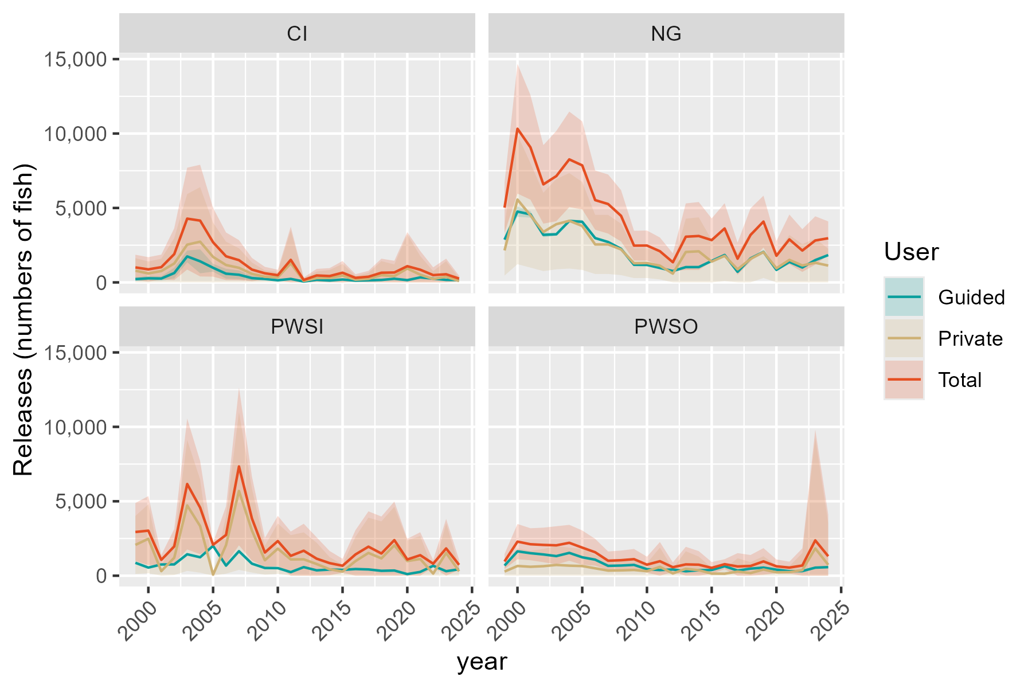
Region | RptArea | year | Guided | SE_Gui | Private | SE_Priv | Total | SE_Tot
SC | CI | 1999 | 219.06881074 | 63.529856465 | 787.52231382 | 429.75926491 | 1006.5911246 | 434.42958974
SC | CI | 2000 | 275.19733968 | 79.807104584 | 601.19877505 | 411.01689711 | 876.39611474 | 418.69328112
SC | CI | 2001 | 260.95577264 | 75.677056554 | 762.98148511 | 422.28669145 | 1023.9372577 | 429.01406348
SC | CI | 2002 | 628.72329812 | 182.32947333 | 1270.7508992 | 868.76439751 | 1899.4741973 | 887.69117109
SC | CI | 2003 | 1746.1346149 | 201.24329647 | 2536.8413428 | 1734.3426175 | 4282.9759577 | 1745.9791463
SC | CI | 2004 | 1416.1981818 | 410.69683501 | 2734.9107067 | 1869.7551612 | 4151.1088885 | 1914.3291914
SC | CI | 2005 | 982.72580543 | 134.22252929 | 1711.940698 | 1170.3892006 | 2694.6665034 | 1178.0605112
SC | CI | 2006 | 585.99859698 | 169.93932924 | 1168.2208756 | 798.66849258 | 1754.2194725 | 816.54806145
SC | CI | 2007 | 513.53415289 | 148.92467309 | 980.24916553 | 670.15933353 | 1493.7833184 | 686.50716717
SC | CI | 2008 | 288.60116749 | 83.694208613 | 572.45929873 | 391.36880255 | 861.06046622 | 400.21776593
SC | CI | 2009 | 229.14814819 | 36.54225349 | 382.36908624 | 217.78431521 | 611.51723442 | 220.82876679
SC | CI | 2010 | 142.87850468 | 13.41610997 | 342.66705247 | 186.90615316 | 485.54555715 | 187.38703823
SC | CI | 2011 | 234.14634176 | 34.251996403 | 1282.5409523 | 1137.6011529 | 1516.6872941 | 1138.1166822
SC | CI | 2012 | 60.816326634 | 8.6007260591 | 101.37709392 | 86.34934782 | 162.19342055 | 86.776623337
SC | CI | 2013 | 173.33333324 | 27.031813014 | 293.32880311 | 223.27954973 | 466.66213635 | 224.90992917
SC | CI | 2014 | 125.99999993 | 9.9720213991 | 301.61445681 | 271.46352902 | 427.61445674 | 271.64662487
SC | CI | 2015 | 194.4 | 24.557147665 | 456.26151784 | 401.27173529 | 650.66151784 | 402.02246087
SC | CI | 2016 | 118.33333321 | 16.40988028 | 187.1547364 | 124.51715137 | 305.48806961 | 125.59381018
SC | CI | 2017 | 138.64864862 | 13.027076844 | 242.89296496 | 201.72820222 | 381.54161358 | 202.14839179
SC | CI | 2018 | 164.44599305 | 10.104013643 | 485.69320544 | 481.80888681 | 650.13919849 | 481.91482079
SC | CI | 2019 | 244.8 | 7.4628626047 | 420.69354474 | 400.83448736 | 665.49354474 | 400.9039543
SC | CI | 2020 | 152.32450331 | 5.9340417986 | 936.45489126 | 1168.1774396 | 1088.7793946 | 1168.1925112
SC | CI | 2021 | 336.19191919 | 14.91060199 | 516.32244279 | 642.15770167 | 852.51436199 | 642.33078695
SC | CI | 2022 | 255.23353293 | 10.934804093 | 234.79060071 | 267.52187252 | 490.02413365 | 267.7452562
SC | CI | 2023 | 167.47058824 | 12.429062073 | 379.10416787 | 535.63100268 | 546.57475611 | 535.7751885
SC | CI | 2024 | 159.62237762 | 6.9019372877 | 97.338741037 | 97.27417539 | 256.96111866 | 97.51872608
SC | NG | 1999 | 2873.8054712 | 50.168822482 | 2149.3649376 | 862.69877522 | 5023.1704088 | 864.15628651
SC | NG | 2000 | 4756.7420834 | 178.06725514 | 5565.6570091 | 2215.6856084 | 10322.399093 | 2222.8294272
SC | NG | 2001 | 4570.6435741 | 112.72217687 | 4504.2989434 | 1790.6662156 | 9074.9425175 | 1794.21063
SC | NG | 2002 | 3194.0718392 | 79.346064355 | 3391.2223099 | 1343.1018853 | 6585.2941491 | 1345.4435968
SC | NG | 2003 | 3232.8357415 | 49.947754267 | 3909.0651847 | 1546.2346068 | 7141.9009262 | 1547.0411233
SC | NG | 2004 | 4126.0532843 | 54.190642845 | 4137.5466965 | 1637.0215913 | 8263.5999808 | 1637.9182874
SC | NG | 2005 | 4071.1922496 | 66.113681511 | 3790.9085564 | 1506.8310094 | 7862.1008061 | 1508.2807132
SC | NG | 2006 | 2977.2696405 | 37.223085625 | 2550.6827048 | 1013.8751805 | 5527.9523452 | 1014.5582485
SC | NG | 2007 | 2713.9845089 | 22.834391663 | 2551.1672775 | 1012.4661619 | 5265.1517865 | 1012.7236239
SC | NG | 2008 | 2257.4924931 | 20.675956744 | 2214.6914182 | 879.91436499 | 4472.1839113 | 880.1572501
SC | NG | 2009 | 1181.2568698 | 19.478506263 | 1288.372996 | 509.72791025 | 2469.6298657 | 510.09994579
SC | NG | 2010 | 1173.0053587 | 16.391865367 | 1302.2284812 | 515.21613339 | 2475.2338399 | 515.47682523
SC | NG | 2011 | 970.02375005 | 18.643550955 | 1124.1298692 | 470.80226256 | 2094.1536193 | 471.17125594
SC | NG | 2012 | 762.58401858 | 10.674190292 | 589.1152676 | 305.23593899 | 1351.6992862 | 305.42252174
SC | NG | 2013 | 1026.9375985 | 15.584381026 | 2042.8364265 | 1141.1410743 | 3069.774025 | 1141.2474861
SC | NG | 2014 | 1028.463344 | 16.088974051 | 2088.5372406 | 1164.6904256 | 3117.0005846 | 1164.8015465
SC | NG | 2015 | 1444.1081908 | 31.966008527 | 1396.9766359 | 742.43335732 | 2841.0848267 | 743.12119857
SC | NG | 2016 | 1843.2368409 | 22.257787375 | 1780.8176357 | 865.22047653 | 3624.0544766 | 865.50671985
SC | NG | 2017 | 710.74154355 | 14.973259529 | 880.44905919 | 550.98974488 | 1591.1906027 | 551.19315803
SC | NG | 2018 | 1613.2919995 | 25.481833279 | 1574.03514 | 911.40738553 | 3187.3271395 | 911.76353635
SC | NG | 2019 | 2051.1785021 | 36.129003207 | 2035.4939324 | 886.57530067 | 4086.6724346 | 887.31114533
SC | NG | 2020 | 840.58865402 | 17.212240319 | 948.70796369 | 506.15074899 | 1789.2966177 | 506.44332548
SC | NG | 2021 | 1377.9520612 | 18.310562896 | 1511.8440444 | 851.66693817 | 2889.7961056 | 851.86375101
SC | NG | 2022 | 1000.6891318 | 14.402653445 | 1138.7600492 | 732.20087188 | 2139.4491811 | 732.34251085
SC | NG | 2023 | 1497.6509159 | 19.013552297 | 1318.1737665 | 828.17417495 | 2815.8246823 | 828.39240654
SC | NG | 2024 | 1835.405055 | 27.384838754 | 1130.5607718 | 578.15440846 | 2965.9658268 | 578.8025997
SC | PWSI | 1999 | 867.9148406 | 20.082418851 | 2069.0591056 | 994.3800992 | 2936.9739462 | 994.58286997
SC | PWSI | 2000 | 545.99021865 | 32.18903119 | 2481.6580292 | 1183.1877261 | 3027.6482479 | 1183.625502
SC | PWSI | 2001 | 755.23810408 | 32.271728579 | 307.54276818 | 167.46593371 | 1062.7808723 | 170.54707097
SC | PWSI | 2002 | 759.16949297 | 39.06561982 | 1208.0054791 | 593.30133411 | 1967.1749721 | 594.5860709
SC | PWSI | 2003 | 1440.4320711 | 37.793768384 | 4720.66571 | 2243.0368557 | 6161.0977811 | 2243.3552338
SC | PWSI | 2004 | 1239.2394072 | 34.064065578 | 3334.8557709 | 1596.9449563 | 4574.0951781 | 1597.3082214
SC | PWSI | 2005 | 2005.228689 | 29.878127347 | 73.338963446 | 66.908898456 | 2078.5676525 | 73.276893946
SC | PWSI | 2006 | 677.77841707 | 18.714113977 | 2060.6281171 | 982.00396245 | 2738.4065342 | 982.18226432
SC | PWSI | 2007 | 1646.3229627 | 32.464067357 | 5693.4732279 | 2704.5570093 | 7339.7961906 | 2704.751843
SC | PWSI | 2008 | 809.84279774 | 31.05999969 | 3035.6158846 | 1440.367681 | 3845.4586824 | 1440.70253
SC | PWSI | 2009 | 519.43905249 | 14.014347895 | 1038.2276824 | 496.17422092 | 1557.6667349 | 496.37209778
SC | PWSI | 2010 | 511.15160107 | 13.242446678 | 1818.1870745 | 863.1644142 | 2329.3386756 | 863.26598933
SC | PWSI | 2011 | 241.09151632 | 7.519071834 | 1092.9898056 | 832.69846595 | 1334.081322 | 832.73241299
SC | PWSI | 2012 | 577.37179317 | 13.349111281 | 1101.264015 | 924.91410947 | 1678.6358082 | 925.01043706
SC | PWSI | 2013 | 361.1833085 | 9.620670666 | 783.60647611 | 731.47738003 | 1144.7897846 | 731.54064466
SC | PWSI | 2014 | 413.01759072 | 9.4342558413 | 433.56702491 | 416.09218254 | 846.58461563 | 416.19912248
SC | PWSI | 2015 | 391.78102856 | 8.9782980873 | 277.75308587 | 239.14092574 | 669.53411443 | 239.30940684
SC | PWSI | 2016 | 448.48181664 | 14.293840688 | 981.48348211 | 834.10160134 | 1429.9652987 | 834.22406776
SC | PWSI | 2017 | 422.0970349 | 14.248639231 | 1529.7483129 | 1209.9906045 | 1951.8453478 | 1210.0744963
SC | PWSI | 2018 | 328.79410855 | 6.2220580389 | 1163.8741789 | 1267.5360026 | 1492.6682874 | 1267.5512739
SC | PWSI | 2019 | 348.9706689 | 11.563715549 | 2043.4989424 | 1321.9767767 | 2392.4696113 | 1322.0273513
SC | PWSI | 2020 | 107.5733057 | 3.4003120741 | 983.99015905 | 708.39305521 | 1091.5634648 | 708.40121597
SC | PWSI | 2021 | 256.28430529 | 7.3237031557 | 1122.4199168 | 787.00161842 | 1378.7042221 | 787.03569425
SC | PWSI | 2022 | 667.08234138 | 10.612302839 | 141.6383196 | 122.16018405 | 808.72066098 | 122.62027377
SC | PWSI | 2023 | 303.42099066 | 10.074403992 | 1529.969039 | 1011.3225387 | 1833.3900297 | 1011.3727161
SC | PWSI | 2024 | 433.57494972 | 12.188457676 | 296.96896742 | 173.00598761 | 730.54391714 | 173.43480115
SC | PWSO | 1999 | 679.84000406 | 6.3181337568 | 278.65542439 | 257.04325628 | 958.49542845 | 257.12089454
SC | PWSO | 2000 | 1636.5971727 | 27.365333608 | 654.16968614 | 603.43309896 | 2290.7668588 | 604.0532811
SC | PWSO | 2001 | 1514.1191174 | 32.80987535 | 600.3923543 | 547.88547859 | 2114.5114717 | 548.86700171
SC | PWSO | 2002 | 1428.4730515 | 28.964950066 | 640.38592851 | 590.71839243 | 2068.8589801 | 591.42809156
SC | PWSO | 2003 | 1317.7401467 | 15.162617513 | 723.56930821 | 654.18632622 | 2041.309455 | 654.36202089
SC | PWSO | 2004 | 1534.5834448 | 22.834573587 | 676.13857665 | 615.18672454 | 2210.7220214 | 615.61036687
SC | PWSO | 2005 | 1238.4493651 | 21.8915791 | 649.87476277 | 587.982765 | 1888.3241279 | 588.39015387
SC | PWSO | 2006 | 1078.5719638 | 12.314297964 | 497.70541041 | 459.10399784 | 1576.2773742 | 459.26911802
SC | PWSO | 2007 | 662.62316543 | 4.8231397002 | 344.59394059 | 317.86766318 | 1007.217106 | 317.90425283
SC | PWSO | 2008 | 682.88874437 | 10.145468225 | 358.37769821 | 330.5823697 | 1041.2664426 | 330.73801367
SC | PWSO | 2009 | 727.39574263 | 12.184390689 | 385.03461451 | 349.36929019 | 1112.4303571 | 349.58169332
SC | PWSO | 2010 | 438.91421749 | 6.9440624493 | 302.33526103 | 273.92951162 | 741.24947852 | 274.01751283
SC | PWSO | 2011 | 378.36920431 | 4.5862926445 | 595.07855721 | 658.01843782 | 973.44776152 | 658.03442052
SC | PWSO | 2012 | 419.27552341 | 7.8489750837 | 151.90189881 | 164.98660374 | 571.17742222 | 165.17319947
SC | PWSO | 2013 | 298.12686624 | 7.8144044687 | 462.70628745 | 602.47448354 | 760.83315369 | 602.52515983
SC | PWSO | 2014 | 369.68300481 | 6.6978599997 | 371.33893367 | 465.51862605 | 741.02193848 | 465.56680781
SC | PWSO | 2015 | 384.1263327 | 8.4093723012 | 143.3599243 | 199.79325195 | 527.486257 | 199.97015044
SC | PWSO | 2016 | 638.32431494 | 9.0685505609 | 136.79583304 | 169.54431497 | 775.12014798 | 169.78667012
SC | PWSO | 2017 | 345.8612243 | 5.3206065493 | 277.84757892 | 456.15076759 | 623.70880322 | 456.18179668
SC | PWSO | 2018 | 476.44481485 | 7.2070965902 | 178.10965715 | 375.49940143 | 654.554472 | 375.56855928
SC | PWSO | 2019 | 544.36921059 | 9.1180501299 | 416.35670491 | 456.27051867 | 960.7259155 | 456.36161654
SC | PWSO | 2020 | 407.47690628 | 4.190771737 | 224.96251209 | 236.01835629 | 632.43941837 | 236.0555593
SC | PWSO | 2021 | 304.180466 | 4.6776519386 | 241.53282676 | 203.00406925 | 545.71329276 | 203.0579537
SC | PWSO | 2022 | 311.38307306 | 4.6166900098 | 373.78484134 | 588.30705408 | 685.16791441 | 588.32516834
SC | PWSO | 2023 | 541.87526073 | 6.514666636 | 1831.6763439 | 3798.3732869 | 2373.5516047 | 3798.3788736
SC | PWSO | 2024 | 576.94339011 | 6.4845377187 | 732.5473921 | 1427.9596207 | 1309.4907822 | 1427.9743442

YE harvest
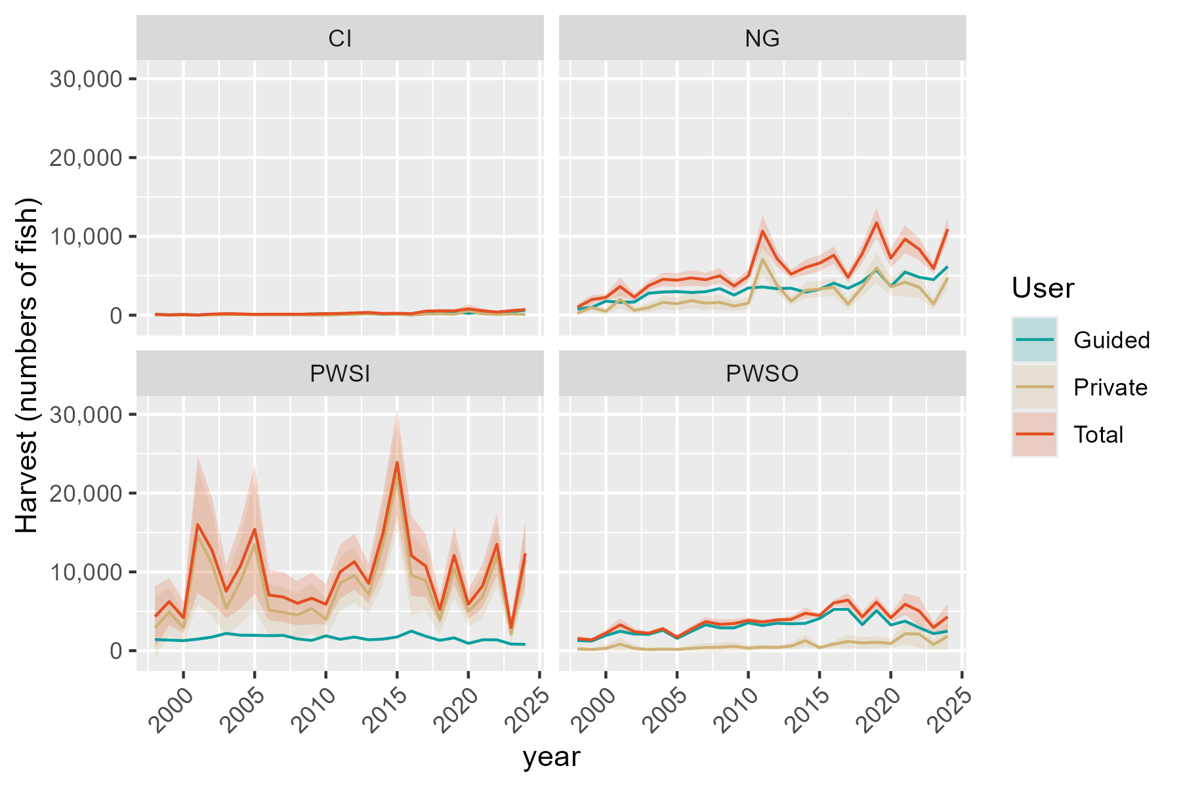
Region | RptArea | year | Guided | SE_Gui | Private | SE_Priv | Total | SE_Tot
SC | CI | 1998 | 103.08639953 | 35.95965848 | 11.547628311 | 13.624871869 | 114.63402785 | 38.45431278
SC | CI | 1999 | 38.800047057 | 13.534631605 | 0 | 0 | 38.800047057 | 13.534631605
SC | CI | 2000 | 66.568708187 | 23.221181675 | 16.264265227 | 19.189960379 | 82.832973414 | 30.124373151
SC | CI | 2001 | 26.247090656 | 9.1557802033 | 0 | 0 | 26.247090656 | 9.1557802033
SC | CI | 2002 | 103.08639953 | 35.95965848 | 27.626016221 | 32.595518415 | 130.71241576 | 48.53416177
SC | CI | 2003 | 143.02762445 | 49.892367485 | 53.706927246 | 63.367990595 | 196.73455169 | 80.652033857
SC | CI | 2004 | 101.18443644 | 35.296196146 | 55.019685797 | 64.91689454 | 156.20412224 | 73.891979667
SC | CI | 2005 | 58.960855822 | 20.567332341 | 41.996656283 | 49.551219122 | 100.95751211 | 53.650148891
SC | CI | 2006 | 98 | 0 | 28.613489467 | 33.760623153 | 126.61348947 | 33.760623153
SC | CI | 2007 | 94 | 0 | 29.728753369 | 35.07650615 | 123.72875337 | 35.07650615
SC | CI | 2008 | 96 | 0 | 25.128289776 | 29.648488786 | 121.12828978 | 29.648488786
SC | CI | 2009 | 142 | 0 | 0 | 0 | 142 | 0
SC | CI | 2010 | 185 | 0 | 0 | 0 | 185 | 0
SC | CI | 2011 | 174 | 0 | 43.905773463 | 28.609838679 | 217.90577346 | 28.609838679
SC | CI | 2012 | 201 | 0 | 84.760972234 | 89.754190397 | 285.76097223 | 89.754190397
SC | CI | 2013 | 162 | 0 | 178.58643347 | 102.3632415 | 340.58643347 | 102.3632415
SC | CI | 2014 | 94 | 0 | 113.87273339 | 63.16301522 | 207.87273339 | 63.16301522
SC | CI | 2015 | 134 | 0 | 101.32596925 | 56.260227644 | 235.32596925 | 56.260227644
SC | CI | 2016 | 185 | 0 | 0 | 0 | 185 | 0
SC | CI | 2017 | 391 | 0 | 123.05519473 | 76.653587542 | 514.05519473 | 76.653587542
SC | CI | 2018 | 376 | 0 | 175.95790333 | 111.50549479 | 551.95790333 | 111.50549479
SC | CI | 2019 | 445 | 0 | 101.45169972 | 77.307359425 | 546.45169972 | 77.307359425
SC | CI | 2020 | 250 | 0 | 544.25331622 | 307.63995895 | 794.25331622 | 307.63995895
SC | CI | 2021 | 396 | 0 | 172.39681559 | 131.89828873 | 568.39681559 | 131.89828873
SC | CI | 2022 | 314 | 0 | 72.140878633 | 75.524882913 | 386.14087863 | 75.524882913
SC | CI | 2023 | 438 | 0 | 138.45093532 | 56.922661971 | 576.45093532 | 56.922661971
SC | CI | 2024 | 616 | 0 | 88.948654763 | 39.266115902 | 704.94865476 | 39.266115902
SC | NG | 1998 | 778.0388911 | 194.82407653 | 232.80838337 | 81.544307132 | 1010.8472745 | 211.20107675
SC | NG | 1999 | 985.07250106 | 32.802956101 | 987.8102583 | 286.28241689 | 1972.8827594 | 288.155611
SC | NG | 2000 | 1775.1937614 | 83.788177417 | 476.60242874 | 188.88005791 | 2251.7961901 | 206.63043085
SC | NG | 2001 | 1637.8061448 | 110.98115998 | 1993.0833792 | 581.5656864 | 3630.889524 | 592.06035627
SC | NG | 2002 | 1668.9361879 | 112.4890118 | 608.5679071 | 200.04198881 | 2277.504095 | 229.5007082
SC | NG | 2003 | 2787.7708085 | 117.11011924 | 953.81322956 | 278.64580464 | 3741.5840381 | 302.25529685
SC | NG | 2004 | 2938.4955944 | 91.573601934 | 1608.8606801 | 426.49758161 | 4547.3562745 | 436.21773427
SC | NG | 2005 | 2990.8508367 | 138.88020807 | 1451.7150896 | 430.01877973 | 4442.5659263 | 451.88921553
SC | NG | 2006 | 2876 | 0 | 1851.1493237 | 500.36229371 | 4727.1493237 | 500.36229371
SC | NG | 2007 | 2978 | 0 | 1517.9077898 | 446.16393445 | 4495.9077898 | 446.16393445
SC | NG | 2008 | 3376 | 0 | 1618.3702106 | 489.27079708 | 4994.3702106 | 489.27079708
SC | NG | 2009 | 2548 | 0 | 1153.4340016 | 314.5030365 | 3701.4340016 | 314.5030365
SC | NG | 2010 | 3449 | 0 | 1519.1559317 | 411.65166014 | 4968.1559317 | 411.65166014
SC | NG | 2011 | 3576 | 0 | 7093.0068093 | 1065.9483645 | 10669.006809 | 1065.9483645
SC | NG | 2012 | 3368 | 0 | 3838.7994962 | 531.29995832 | 7206.7994962 | 531.29995832
SC | NG | 2013 | 3428 | 0 | 1776.294805 | 292.7009718 | 5204.294805 | 292.7009718
SC | NG | 2014 | 2911 | 0 | 3140.9873366 | 502.72384305 | 6051.9873366 | 502.72384305
SC | NG | 2015 | 3283 | 0 | 3320.9214638 | 521.98890291 | 6603.9214638 | 521.98890291
SC | NG | 2016 | 4064 | 0 | 3529.0449406 | 561.86396153 | 7593.0449406 | 561.86396153
SC | NG | 2017 | 3405 | 0 | 1394.5903715 | 352.98423933 | 4799.5903715 | 352.98423933
SC | NG | 2018 | 4260 | 0 | 3579.9500648 | 604.94185798 | 7839.9500648 | 604.94185798
SC | NG | 2019 | 5735 | 0 | 6002.3479421 | 989.7014638 | 11737.347942 | 989.7014638
SC | NG | 2020 | 3649 | 0 | 3592.3555109 | 620.75146193 | 7241.3555109 | 620.75146193
SC | NG | 2021 | 5467 | 0 | 4181.7054448 | 912.49713905 | 9648.7054448 | 912.49713905
SC | NG | 2022 | 4808 | 0 | 3544.9537362 | 716.63183141 | 8352.9537362 | 716.63183141
SC | NG | 2023 | 4509 | 0 | 1426.7603085 | 341.22417097 | 5935.7603085 | 341.22417097
SC | NG | 2024 | 6189 | 0 | 4757.4699751 | 728.04479505 | 10946.469975 | 728.04479505
SC | PWSI | 1998 | 1409.7534827 | 65.162552475 | 2913.5557125 | 1995.3468272 | 4323.3091952 | 1996.4105587
SC | PWSI | 1999 | 1344.1696288 | 54.586145371 | 4888.3243301 | 1541.6239898 | 6232.4939589 | 1542.5900859
SC | PWSI | 2000 | 1272.9804899 | 79.692200236 | 2920.6002851 | 1004.0901736 | 4193.5807751 | 1007.2476972
SC | PWSI | 2001 | 1467.070098 | 98.412454327 | 14539.181256 | 4429.7997015 | 16006.251354 | 4430.8927325
SC | PWSI | 2002 | 1727.2704255 | 88.597110102 | 11037.393504 | 3416.5560067 | 12764.66393 | 3417.7045505
SC | PWSI | 2003 | 2188.0297922 | 85.78762314 | 5365.3409433 | 1740.6947019 | 7553.3707355 | 1742.8073794
SC | PWSI | 2004 | 1966.8529611 | 77.553200491 | 8787.3789915 | 2789.6350959 | 10754.231953 | 2790.7128958
SC | PWSI | 2005 | 1947.9955777 | 95.266389336 | 13464.969765 | 4171.9194406 | 15412.965343 | 4173.0070098
SC | PWSI | 2006 | 1907 | 0 | 5150.6247 | 1635.3790203 | 7057.6247 | 1635.3790203
SC | PWSI | 2007 | 1944 | 0 | 4868.5266224 | 1620.1911466 | 6812.5266224 | 1620.1911466
SC | PWSI | 2008 | 1495 | 0 | 4525.362595 | 1436.380042 | 6020.362595 | 1436.380042
SC | PWSI | 2009 | 1306 | 0 | 5350.4104346 | 1678.5426451 | 6656.4104346 | 1678.5426451
SC | PWSI | 2010 | 1880 | 0 | 4010.5222993 | 1313.3198726 | 5890.5222993 | 1313.3198726
SC | PWSI | 2011 | 1443 | 0 | 8570.1492817 | 1739.6341644 | 10013.149282 | 1739.6341644
SC | PWSI | 2012 | 1727 | 0 | 9566.9703631 | 1802.5641517 | 11293.970363 | 1802.5641517
SC | PWSI | 2013 | 1384 | 0 | 7163.6810594 | 1277.0403919 | 8547.6810594 | 1277.0403919
SC | PWSI | 2014 | 1470 | 0 | 13411.883454 | 2563.081201 | 14881.883454 | 2563.081201
SC | PWSI | 2015 | 1742 | 0 | 22143.87739 | 3488.977255 | 23885.87739 | 3488.977255
SC | PWSI | 2016 | 2486 | 0 | 9573.1258592 | 2608.3538616 | 12059.125859 | 2608.3538616
SC | PWSI | 2017 | 1833 | 0 | 8920.720766 | 2026.3771861 | 10753.720766 | 2026.3771861
SC | PWSI | 2018 | 1314 | 0 | 3906.3968912 | 934.9628476 | 5220.3968912 | 934.9628476
SC | PWSI | 2019 | 1633 | 0 | 10457.512925 | 1873.3023456 | 12090.512925 | 1873.3023456
SC | PWSI | 2020 | 925 | 0 | 4971.8659757 | 985.17608896 | 5896.8659757 | 985.17608896
SC | PWSI | 2021 | 1380 | 0 | 6857.8394221 | 1415.9448097 | 8237.8394221 | 1415.9448097
SC | PWSI | 2022 | 1380 | 0 | 12117.949724 | 1994.4733012 | 13497.949724 | 1994.4733012
SC | PWSI | 2023 | 839 | 0 | 2107.122968 | 515.8984832 | 2946.122968 | 515.8984832
SC | PWSI | 2024 | 805 | 0 | 11554.769916 | 2145.4024137 | 12359.769916 | 2145.4024137
SC | PWSO | 1998 | 1292.5859009 | 64.987672709 | 232.12721422 | 168.1748776 | 1524.7131151 | 180.29472277
SC | PWSO | 1999 | 1222.037271 | 28.822298648 | 150.38674688 | 108.95436295 | 1372.4240179 | 112.70216549
SC | PWSO | 2000 | 1930.4948329 | 42.825272941 | 302.60668005 | 219.23685919 | 2233.101513 | 223.38040297
SC | PWSO | 2001 | 2460.3332615 | 71.013667963 | 813.25735664 | 425.11895026 | 3273.5906181 | 431.00935362
SC | PWSO | 2002 | 2109.8776399 | 45.371846255 | 295.20846394 | 213.87689271 | 2405.0861039 | 218.63652409
SC | PWSO | 2003 | 2074.7963657 | 51.942152952 | 142.34781173 | 100.36717675 | 2217.1441774 | 113.01131546
SC | PWSO | 2004 | 2591.8712882 | 56.947686552 | 193.39091391 | 137.24841654 | 2785.2622021 | 148.59396639
SC | PWSO | 2005 | 1563.4971134 | 96.502434548 | 155.55531687 | 107.78299008 | 1719.0524303 | 144.6716725
SC | PWSO | 2006 | 2437 | 0 | 298.84210106 | 216.50944262 | 2735.8421011 | 216.50944262
SC | PWSO | 2007 | 3287 | 0 | 399.30725695 | 289.29589014 | 3686.3072569 | 289.29589014
SC | PWSO | 2008 | 2906 | 0 | 438.22973018 | 317.49500584 | 3344.2297302 | 317.49500584
SC | PWSO | 2009 | 2889 | 0 | 551.35711539 | 291.73683261 | 3440.3571154 | 291.73683261
SC | PWSO | 2010 | 3537 | 0 | 322.34873136 | 181.58236558 | 3859.3487314 | 181.58236558
SC | PWSO | 2011 | 3189 | 0 | 442.43468676 | 175.24014918 | 3631.4346868 | 175.24014918
SC | PWSO | 2012 | 3484 | 0 | 414.8281606 | 136.62896662 | 3898.8281606 | 136.62896662
SC | PWSO | 2013 | 3409 | 0 | 574.71989366 | 205.91953091 | 3983.7198937 | 205.91953091
SC | PWSO | 2014 | 3473 | 0 | 1277.0547256 | 384.13518076 | 4750.0547256 | 384.13518076
SC | PWSO | 2015 | 4084 | 0 | 385.95773838 | 124.71260344 | 4469.9577384 | 124.71260344
SC | PWSO | 2016 | 5233 | 0 | 830.53221091 | 213.63384999 | 6063.5322109 | 213.63384999
SC | PWSO | 2017 | 5242 | 0 | 1170.5704511 | 457.93432207 | 6412.5704511 | 457.93432207
SC | PWSO | 2018 | 3304 | 0 | 984.0212742 | 364.83667583 | 4288.0212742 | 364.83667583
SC | PWSO | 2019 | 5092 | 0 | 1073.5368306 | 392.7162875 | 6165.5368306 | 392.7162875
SC | PWSO | 2020 | 3259 | 0 | 914.75218589 | 300.73748055 | 4173.7521859 | 300.73748055
SC | PWSO | 2021 | 3753 | 0 | 2141.1105599 | 710.947553 | 5894.1105599 | 710.947553
SC | PWSO | 2022 | 2914 | 0 | 2117.2962088 | 913.43351468 | 5031.2962088 | 913.43351468
SC | PWSO | 2023 | 2160 | 0 | 780.27413673 | 337.86607185 | 2940.2741367 | 337.86607185
SC | PWSO | 2024 | 2470 | 0 | 1839.2013921 | 854.94260149 | 4309.2013921 | 854.94260149

YE release
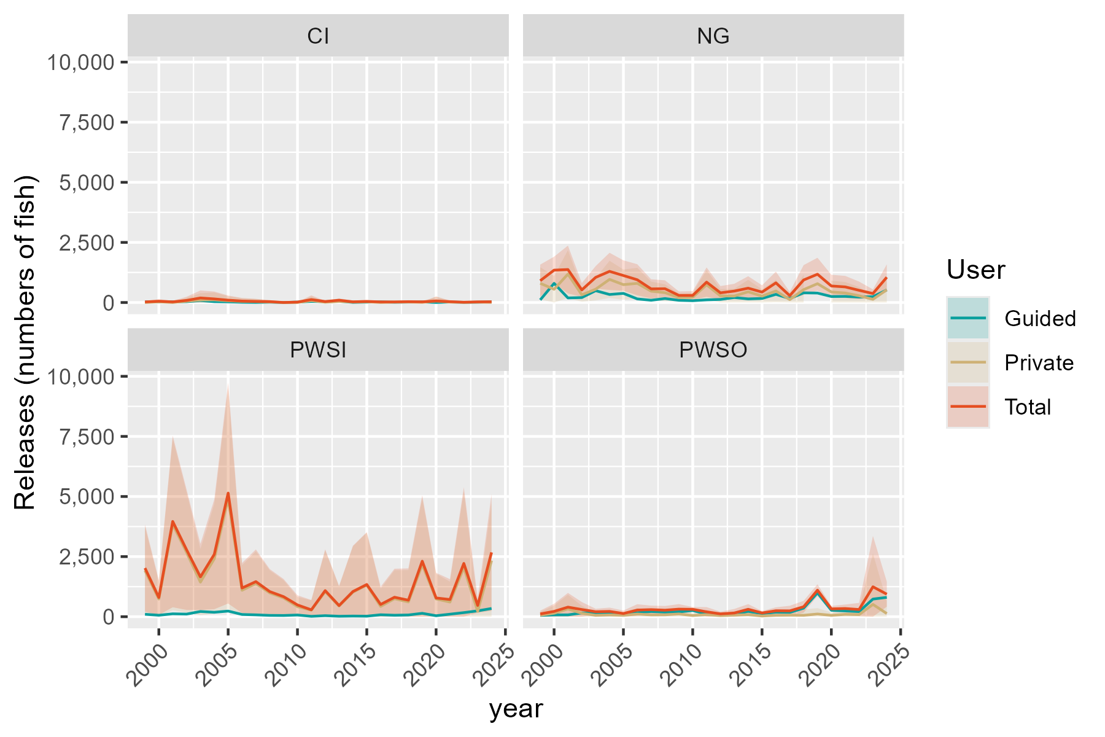
Region | RptArea | year | Guided | SE_Gui | Private | SE_Priv | Total | SE_Tot
SC | CI | 1999 | 23.962553202 | 20.509880546 | 0 | 0 | 23.962553202 | 20.509880546
SC | CI | 2000 | 28.608354333 | 24.486285958 | 25.181813788 | 33.940133846 | 53.790168121 | 41.851055966
SC | CI | 2001 | 26.163195843 | 22.393441004 | 0 | 0 | 26.163195843 | 22.393441004
SC | CI | 2002 | 33.009639615 | 28.253406874 | 53.226676172 | 71.739094278 | 86.236315787 | 77.102222068
SC | CI | 2003 | 82.401841113 | 70.528874938 | 106.25814448 | 143.21508674 | 188.6599856 | 159.6398549
SC | CI | 2004 | 34.23221886 | 29.299829351 | 114.55447848 | 154.39691379 | 148.78669734 | 157.15243233
SC | CI | 2005 | 25.185132447 | 21.556303023 | 71.706353473 | 96.646065886 | 96.89148592 | 99.020887954
SC | CI | 2006 | 10 | 0 | 48.932103278 | 65.950854398 | 58.932103278 | 65.950854398
SC | CI | 2007 | 3 | 0 | 41.058719639 | 55.339081283 | 44.058719639 | 55.339081283
SC | CI | 2008 | 12 | 0 | 23.978031992 | 32.317672667 | 35.978031992 | 32.317672667
SC | CI | 2009 | 1 | 0 | 0 | 0 | 1 | 0
SC | CI | 2010 | 18 | 0 | 0 | 0 | 18 | 0
SC | CI | 2011 | 42 | 0 | 78.662511628 | 90.431690189 | 120.66251163 | 90.431690189
SC | CI | 2012 | 33 | 0 | 8.689465271 | 13.410514051 | 41.689465271 | 13.410514051
SC | CI | 2013 | 51 | 0 | 42.81327679 | 40.85394244 | 93.81327679 | 40.85394244
SC | CI | 2014 | 4 | 0 | 23.818956022 | 26.488867841 | 27.818956022 | 26.488867841
SC | CI | 2015 | 15 | 0 | 29.181283328 | 31.611007361 | 44.181283328 | 31.611007361
SC | CI | 2016 | 25 | 0 | 0 | 0 | 25 | 0
SC | CI | 2017 | 9 | 0 | 15.393216705 | 16.989733015 | 24.393216705 | 16.989733015
SC | CI | 2018 | 15 | 0 | 18.955989949 | 24.18009338 | 33.955989949 | 24.18009338
SC | CI | 2019 | 23 |  | 4.800799563 | 6.5376529143 | 27.800799563 | 6.5376529143
SC | CI | 2020 | 0 | 0 | 63.71259206 | 93.718859538 | 63.71259206 | 93.718859538
SC | CI | 2021 | 19 | 0 | 15.627743635 | 26.129432491 | 34.627743635 | 26.129432491
SC | CI | 2022 | 7 | 0 | 5.1041434937 | 9.5944585792 | 12.104143494 | 9.5944585792
SC | CI | 2023 | 11 | 0 | 14.360398475 | 30.901873802 | 25.360398475 | 30.901873802
SC | CI | 2024 | 28 | 0 | 3.6871742039 | 6.121085042 | 31.687174204 | 6.121085042
SC | NG | 1999 | 108.202164 | 3.6031366544 | 798.32683108 | 342.05991667 | 906.52899508 | 342.07889322
SC | NG | 2000 | 795.29271256 | 37.537382312 | 551.05515105 | 282.79680232 | 1346.3478636 | 285.27720987
SC | NG | 2001 | 189.85181434 | 12.864754871 | 1181.4554586 | 507.94719224 | 1371.3072729 | 508.11007864
SC | NG | 2002 | 205.06211457 | 13.821519836 | 318.68752142 | 145.99045192 | 523.74963599 | 146.64326259
SC | NG | 2003 | 491.72168598 | 20.65649913 | 553.65558853 | 238.17737239 | 1045.3772745 | 239.07143634
SC | NG | 2004 | 333.17043574 | 10.382733572 | 961.58034162 | 394.84367576 | 1294.7507774 | 394.98016336
SC | NG | 2005 | 379.32392534 | 17.613912747 | 742.65095078 | 321.73336314 | 1121.9748761 | 322.21515619
SC | NG | 2006 | 149 | 0 | 796.44322858 | 329.97297704 | 945.44322858 | 329.97297704
SC | NG | 2007 | 94 | 0 | 471.84428079 | 203.61179739 | 565.84428079 | 203.61179739
SC | NG | 2008 | 165 | 0 | 407.96947085 | 178.61160449 | 572.96947085 | 178.61160449
SC | NG | 2009 | 91 | 0 | 203.54779828 | 84.675756419 | 294.54779828 | 84.675756419
SC | NG | 2010 | 76 | 0 | 218.89625355 | 90.795958669 | 294.89625355 | 90.795958669
SC | NG | 2011 | 110 | 0 | 737.64298046 | 311.7597016 | 847.64298046 | 311.7597016
SC | NG | 2012 | 128 | 0 | 275.00751407 | 143.67122483 | 403.00751407 | 143.67122483
SC | NG | 2013 | 206 | 0 | 269.48553308 | 154.59399939 | 475.48553308 | 154.59399939
SC | NG | 2014 | 150 | 0 | 445.38636793 | 253.71148473 | 595.38636793 | 253.71148473
SC | NG | 2015 | 168 | 0 | 265.18905587 | 144.53247532 | 433.18905587 | 144.53247532
SC | NG | 2016 | 339 | 0 | 478.34891548 | 238.39189113 | 817.34891548 | 238.39189113
SC | NG | 2017 | 164 | 0 | 119.85380043 | 80.707938482 | 283.85380043 | 80.707938482
SC | NG | 2018 | 402 | 0 | 534.68136857 | 315.38696458 | 936.68136857 | 315.38696458
SC | NG | 2019 | 393 |  | 782.56135325 |  | 1175.5613533 | 349.94502603
SC | NG | 2020 | 249 | 0 | 438.29432257 | 238.09692064 | 687.29432257 | 238.09692064
SC | NG | 2021 | 254 | 0 | 394.44217533 | 233.7268824 | 648.44217533 | 233.7268824
SC | NG | 2022 | 226 | 0 | 280.89643652 | 185.43451773 | 506.89643652 | 185.43451773
SC | NG | 2023 | 241 | 0 | 132.17610631 | 87.965141782 | 373.17610631 | 87.965141782
SC | NG | 2024 | 522 | 0 | 528.35575258 | 273.78822559 | 1050.3557526 | 273.78822559
SC | PWSI | 1999 | 100.90092227 | 4.0975426709 | 1922.4238279 | 926.02656078 | 2023.3247502 | 926.03562627
SC | PWSI | 2000 | 61.219672416 | 3.8325256602 | 736.6634972 | 370.55718664 | 797.88316962 | 370.57700525
SC | PWSI | 2001 | 119.87732318 | 8.0414845948 | 3843.3073839 | 1821.4433814 | 3963.1847071 | 1821.4611325
SC | PWSI | 2002 | 108.38313234 | 5.5593103241 | 2675.7709372 | 1277.5326315 | 2784.1540696 | 1277.5447274
SC | PWSI | 2003 | 216.94929851 | 8.5060837504 | 1438.1803159 | 702.40239741 | 1655.1296144 | 702.4538998
SC | PWSI | 2004 | 184.22125576 | 7.2638617452 | 2410.3955551 | 1164.7847651 | 2594.6168108 | 1164.8074144
SC | PWSI | 2005 | 234.12728258 | 11.449954564 | 4907.8179668 | 2344.2505702 | 5141.9452494 | 2344.2785324
SC | PWSI | 2006 | 93 | 0 | 1099.3531869 | 531.28638873 | 1192.3531869 | 531.28638873
SC | PWSI | 2007 | 77 | 0 | 1382.4500156 | 683.83769874 | 1459.4500156 | 683.83769874
SC | PWSI | 2008 | 55 | 0 | 989.6821099 | 478.20954043 | 1044.6821099 | 478.20954043
SC | PWSI | 2009 | 51 | 0 | 781.52055612 | 375.51373557 | 832.52055612 | 375.51373557
SC | PWSI | 2010 | 70 | 0 | 418.87113687 | 205.52389446 | 488.87113687 | 205.52389446
SC | PWSI | 2011 | 16 | 0 | 270.44801312 | 208.91629905 | 286.44801312 | 208.91629905
SC | PWSI | 2012 | 43 | 0 | 1042.8064475 | 876.21916942 | 1085.8064475 | 876.21916942
SC | PWSI | 2013 | 19 | 0 | 444.25645898 | 416.60568597 | 463.25645898 | 416.60568597
SC | PWSI | 2014 | 27 | 0 | 1020.4374808 | 971.44802111 | 1047.4374808 | 971.44802111
SC | PWSI | 2015 | 22 | 0 | 1317.8875966 | 1111.0375407 | 1339.8875966 | 1111.0375407
SC | PWSI | 2016 | 81 | 0 | 428.21401397 | 376.63421812 | 509.21401397 | 376.63421812
SC | PWSI | 2017 | 61 | 0 | 748.70068989 | 605.25505351 | 809.70068989 | 605.25505351
SC | PWSI | 2018 | 72 | 0 | 614.05741596 | 675.4802747 | 686.05741596 | 675.4802747
SC | PWSI | 2019 | 141 |  | 2168.5985756 | 1401.5057696 | 2309.5985756 | 1401.5057696
SC | PWSI | 2020 | 41 | 0 | 738.45183626 | 534.37461791 | 779.45183626 | 534.37461791
SC | PWSI | 2021 | 105 | 0 | 609.81116358 | 432.20379643 | 714.81116358 | 432.20379643
SC | PWSI | 2022 | 170 | 0 | 2047.3027998 | 1617.3139632 | 2217.3027998 | 1617.3139632
SC | PWSI | 2023 | 244 | 0 | 223.59719472 | 154.35608481 | 467.59719472 | 154.35608481
SC | PWSI | 2024 | 342 | 0 | 2333.7227055 | 1240.2399882 | 2675.7227055 | 1240.2399882
SC | PWSO | 1999 | 53.765994773 | 1.268095168 | 61.974291093 | 69.334115986 | 115.74028587 | 69.345711511
SC | PWSO | 2000 | 75.25954471 | 1.6695255997 | 145.49044807 | 162.76832576 | 220.74999278 | 162.77688776
SC | PWSO | 2001 | 76.478613286 | 2.2074354459 | 321.71464497 | 301.80391045 | 398.19325826 | 301.81198309
SC | PWSO | 2002 | 155.63221485 | 3.3467916768 | 142.42487485 | 159.33869703 | 298.0570897 | 159.3738416
SC | PWSO | 2003 | 149.16836616 | 3.7344031534 | 57.520220281 | 63.289033602 | 206.68858644 | 63.399113095
SC | PWSO | 2004 | 146.31531466 | 3.214788757 | 73.324570405 | 80.998696813 | 219.63988506 | 81.062468209
SC | PWSO | 2005 | 73.973450932 | 4.5658019102 | 58.339452938 | 63.519707155 | 132.31290387 | 63.683590855
SC | PWSO | 2006 | 166 | 0 | 110.69204933 | 123.83740502 | 276.69204933 | 123.83740502
SC | PWSO | 2007 | 217 | 0 | 76.639330562 | 85.740718298 | 293.63933056 | 85.740718298
SC | PWSO | 2008 | 191 | 0 | 79.704903785 | 89.17034703 | 270.70490378 | 89.17034703
SC | PWSO | 2009 | 200 | 0 | 113.78205063 | 107.34022941 | 313.78205063 | 107.34022941
SC | PWSO | 2010 | 257 | 0 | 50.686394949 | 49.275868476 | 307.68639495 | 49.275868476
SC | PWSO | 2011 | 115 | 0 | 86.894655979 | 100.48865923 | 201.89465598 | 100.48865923
SC | PWSO | 2012 | 74 | 0 | 43.662909541 | 47.958868876 | 117.66290954 | 47.958868876
SC | PWSO | 2013 | 89 | 0 | 64.617403886 | 86.220741596 | 153.61740389 | 86.220741596
SC | PWSO | 2014 | 222 | 0 | 86.505232733 | 109.90154156 | 308.50523273 | 109.90154156
SC | PWSO | 2015 | 127 | 0 | 28.97019523 | 41.190467151 | 155.97019523 | 41.190467151
SC | PWSO | 2016 | 188 | 0 | 58.535045444 | 73.234926884 | 246.53504544 | 73.234926884
SC | PWSO | 2017 | 178 | 0 | 64.608999723 | 108.54038504 | 242.60899972 | 108.54038504
SC | PWSO | 2018 | 355 | 0 | 58.536805114 | 125.55710516 | 413.53680511 | 125.55710516
SC | PWSO | 2019 | 992 |  | 111.96353949 | 124.8573492 | 1103.9635395 | 124.8573492
SC | PWSO | 2020 | 268 | 0 | 57.664589384 | 62.221292063 | 325.66458938 | 62.221292063
SC | PWSO | 2021 | 241 | 0 | 98.346523691 | 85.373410203 | 339.34652369 | 85.373410203
SC | PWSO | 2022 | 212 | 0 | 87.010793454 | 141.01870107 | 299.01079345 | 141.01870107
SC | PWSO | 2023 | 733 | 0 | 511.72919142 | 1078.4909424 | 1244.7291914 | 1078.4909424
SC | PWSO | 2024 | 805 | 0 | 131.45704106 | 265.70781107 | 936.45704106 | 265.70781107

PEL harvest
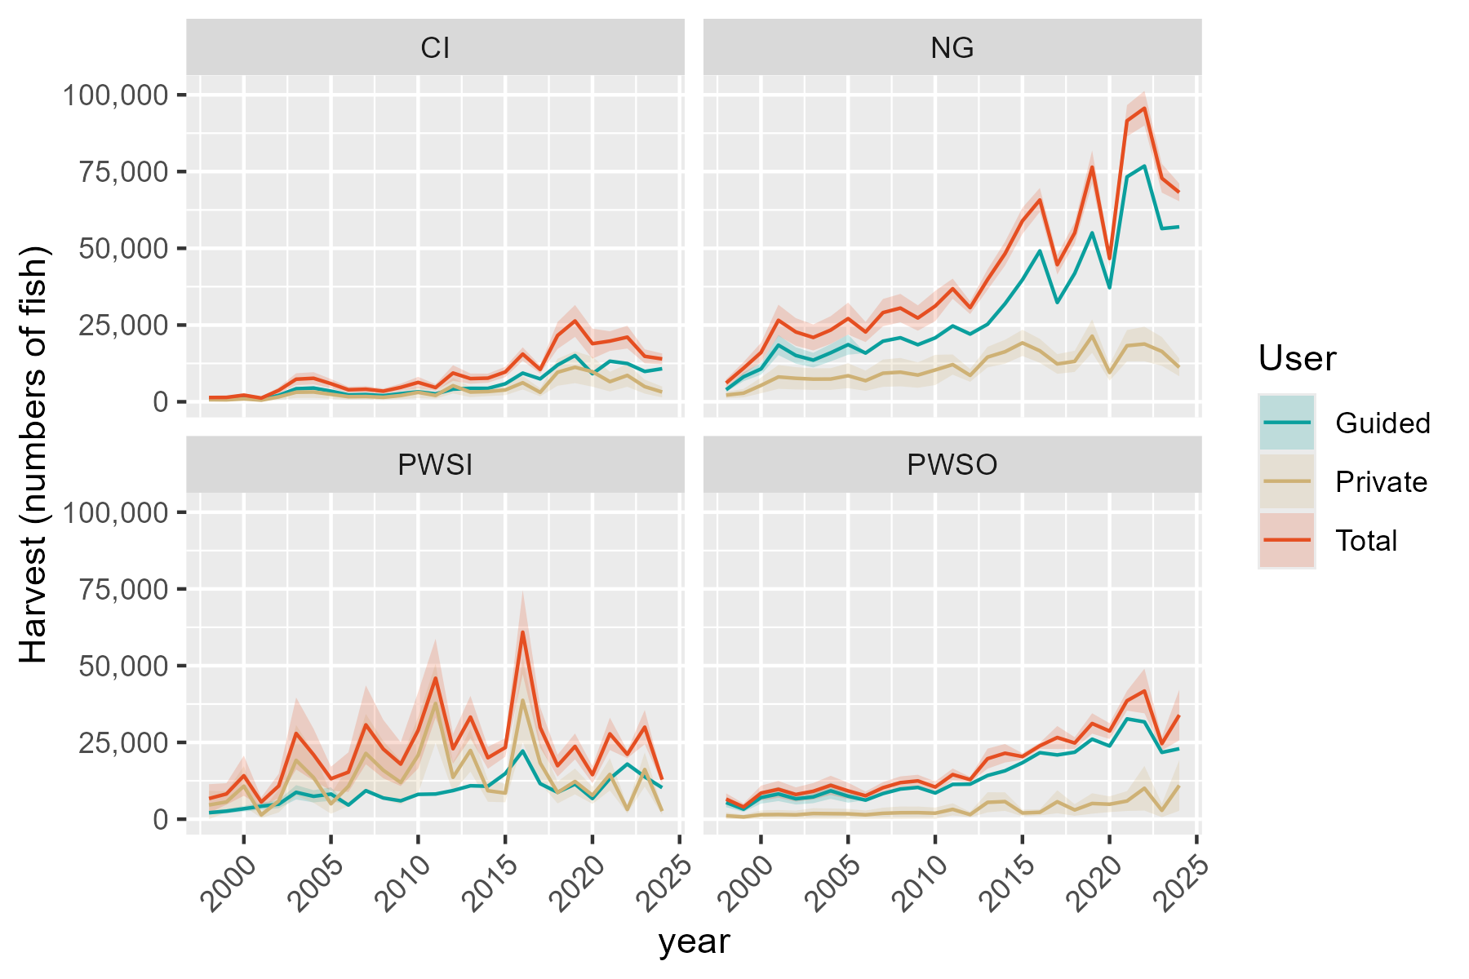
Region | RptArea | year | Guided | SE_Gui | Private | SE_Priv | Total | SE_Tot
SC | CI | 1998 | 723 | 46.234317508 | 669.1846985 | 204.23429538 | 1392.1846985 | 209.40214785
SC | CI | 1999 | 809 | 51.73383522 | 624.07590357 | 189.8795795 | 1433.0759036 | 196.80102748
SC | CI | 2000 | 1225 | 78.336153455 | 942.51365986 | 287.65393715 | 2167.5136599 | 298.12973769
SC | CI | 2001 | 694 | 44.379828978 | 522.05646271 | 158.8800057 | 1216.0564627 | 164.96189085
SC | CI | 2002 | 2107 | 134.73818394 | 1600.9267737 | 488.60075896 | 3707.9267737 | 506.83831729
SC | CI | 2003 | 4247 | 271.58664794 | 3112.3147497 | 949.8743939 | 7359.3147497 | 987.93758483
SC | CI | 2004 | 4470 | 285.84702526 | 3188.3890665 | 973.09217597 | 7658.3890665 | 1014.2075255
SC | CI | 2005 | 3460 | 221.25966608 | 2433.7049146 | 742.76355915 | 5893.7049146 | 775.01841567
SC | CI | 2006 | 2250 | 0 | 1658.1508173 | 506.06546229 | 3908.1508173 | 506.06546229
SC | CI | 2007 | 2365 | 0 | 1722.7803254 | 525.7903037 | 4087.7803254 | 525.7903037
SC | CI | 2008 | 2006 | 0 | 1456.1836045 | 444.4253329 | 3462.1836045 | 444.4253329
SC | CI | 2009 | 2662 | 0 | 2032.8417124 | 617.45758899 | 4694.8417124 | 617.45758899
SC | CI | 2010 | 3249 | 0 | 3061.9417047 | 930.24222791 | 6310.9417047 | 930.24222791
SC | CI | 2011 | 2570 | 0 | 2063.5713528 | 555.67779371 | 4633.5713528 | 555.67779371
SC | CI | 2012 | 4109 | 0 | 5255.1802365 | 1297.0793897 | 9364.1802365 | 1297.0793897
SC | CI | 2013 | 4380 | 0 | 3169.9092116 | 853.83069299 | 7549.9092116 | 853.83069299
SC | CI | 2014 | 4369 | 0 | 3330.7774757 | 757.29093433 | 7699.7774757 | 757.29093433
SC | CI | 2015 | 5864 | 0 | 3850.3867854 | 868.7936313 | 9714.3867854 | 868.7936313
SC | CI | 2016 | 9344 | 0 | 6204.8430014 | 1121.4669696 | 15548.843001 | 1121.4669696
SC | CI | 2017 | 7453 | 0 | 3076.3798712 | 678.32138096 | 10529.379871 | 678.32138096
SC | CI | 2018 | 11978 | 0 | 9619.0318564 | 2246.6506449 | 21597.031856 | 2246.6506449
SC | CI | 2019 | 15076 | 0 | 11261.138443 | 2651.7426761 | 26337.138443 | 2651.7426761
SC | CI | 2020 | 9134 | 0 | 9796.5596919 | 2495.8844996 | 18930.559692 | 2495.8844996
SC | CI | 2021 | 13225 | 0 | 6551.0789924 | 1635.2199236 | 19776.078992 | 1635.2199236
SC | CI | 2022 | 12464 | 0 | 8597.1472425 | 1894.4959132 | 21061.147242 | 1894.4959132
SC | CI | 2023 | 9879 | 0 | 4933.4923512 | 1166.7679494 | 14812.492351 | 1166.7679494
SC | CI | 2024 | 10775 | 0 | 3191.4035453 | 905.45979075 | 13966.403545 | 905.45979075
SC | NG | 1998 | 3927 | 353.60857534 | 2186.4664659 | 532.77971392 | 6113.4664659 | 639.44761171
SC | NG | 1999 | 8138 | 732.79006522 | 2813.5117476 | 704.68469701 | 10951.511748 | 1016.6424159
SC | NG | 2000 | 10703 | 963.75670534 | 5337.9471848 | 1307.1365968 | 16040.947185 | 1624.0175707
SC | NG | 2001 | 18457 | 1661.9693087 | 8096.901242 | 1984.3308458 | 26553.901242 | 2588.3799737
SC | NG | 2002 | 15088 | 1358.6061077 | 7650.3689592 | 1854.1583471 | 22738.368959 | 2298.6330138
SC | NG | 2003 | 13573 | 1222.187215 | 7383.4638142 | 1789.9171706 | 20956.463814 | 2167.3820766
SC | NG | 2004 | 15959 | 1437.0357153 | 7413.2104228 | 1800.6496826 | 23372.210423 | 2303.7818747
SC | NG | 2005 | 18621 | 1676.7367663 | 8485.5838558 | 2073.580438 | 27106.583856 | 2666.6799614
SC | NG | 2006 | 15867 | 0 | 6869.6917203 | 1679.6424881 | 22736.69172 | 1679.6424881
SC | NG | 2007 | 19743 | 0 | 9308.0582116 | 2268.4870647 | 29051.058212 | 2268.4870647
SC | NG | 2008 | 20867 | 0 | 9652.4223485 | 2360.3312301 | 30519.422348 | 2360.3312301
SC | NG | 2009 | 18588 | 0 | 8702.829033 | 2109.4865318 | 27290.829033 | 2109.4865318
SC | NG | 2010 | 20838 | 0 | 10371.776518 | 2515.986104 | 31209.776518 | 2515.986104
SC | NG | 2011 | 24713 | 0 | 12120.974673 | 1680.0792363 | 36833.974673 | 1680.0792363
SC | NG | 2012 | 22056 | 0 | 8600.9519493 | 1068.5549084 | 30656.951949 | 1068.5549084
SC | NG | 2013 | 25257 | 0 | 14555.869151 | 1711.6126202 | 39812.869151 | 1711.6126202
SC | NG | 2014 | 31936 | 0 | 16298.791103 | 1988.2970392 | 48234.791103 | 1988.2970392
SC | NG | 2015 | 39744 | 0 | 19192.316684 | 2182.8188284 | 58936.316684 | 2182.8188284
SC | NG | 2016 | 49153 | 0 | 16595.86104 | 1995.8502976 | 65748.86104 | 1995.8502976
SC | NG | 2017 | 32335 | 0 | 12319.032545 | 1634.6575713 | 44654.032545 | 1634.6575713
SC | NG | 2018 | 41846 | 0 | 13175.628238 | 1762.624307 | 55021.628238 | 1762.624307
SC | NG | 2019 | 55039 | 0 | 21397.312369 | 2783.5538234 | 76436.312369 | 2783.5538234
SC | NG | 2020 | 37152 | 0 | 9538.7045523 | 1356.2558284 | 46690.704552 | 1356.2558284
SC | NG | 2021 | 73272 | 0 | 18270.042933 | 2602.6534915 | 91542.042933 | 2602.6534915
SC | NG | 2022 | 76808 | 0 | 18824.052628 | 2879.0966929 | 95632.052628 | 2879.0966929
SC | NG | 2023 | 56421 | 0 | 16404.392883 | 2398.2868052 | 72825.392883 | 2398.2868052
SC | NG | 2024 | 56991 | 0 | 11210.686915 | 1475.0917282 | 68201.686915 | 1475.0917282
SC | PWSI | 1998 | 2098 | 286.92045514 | 4618.1032718 | 2363.8603605 | 6716.1032718 | 2381.2095984
SC | PWSI | 1999 | 2609 | 356.80432196 | 5604.5545304 | 1752.2706724 | 8213.5545304 | 1788.228686
SC | PWSI | 2000 | 3391 | 463.74988722 | 10768.314293 | 3308.6801476 | 14159.314293 | 3341.0220408
SC | PWSI | 2001 | 4209 | 575.61877774 | 1384.1402428 | 528.65492299 | 5593.1402428 | 781.54526733
SC | PWSI | 2002 | 4880 | 667.38409013 | 5931.6285148 | 1914.7706005 | 10811.628515 | 2027.744554
SC | PWSI | 2003 | 8745 | 1195.9577599 | 19178.053539 | 5863.0048816 | 27923.053539 | 5983.739734
SC | PWSI | 2004 | 7438 | 1017.2137013 | 13548.185135 | 4198.3058121 | 20986.185135 | 4319.7795552
SC | PWSI | 2005 | 8176 | 1118.141869 | 4992.2922851 | 1654.844817 | 13168.292285 | 1997.1861725
SC | PWSI | 2006 | 4593 | 0 | 10728.609632 | 3296.3497969 | 15321.609632 | 3296.3497969
SC | PWSI | 2007 | 9289 | 0 | 21432.738733 | 6550.5539082 | 30721.738733 | 6550.5539082
SC | PWSI | 2008 | 6899 | 0 | 15933.030734 | 4854.8234822 | 22832.030734 | 4854.8234822
SC | PWSI | 2009 | 5973 | 0 | 11948.958916 | 3653.3655287 | 17921.958916 | 3653.3655287
SC | PWSI | 2010 | 8081 | 0 | 20856.228721 | 6354.8035696 | 28937.228721 | 6354.8035696
SC | PWSI | 2011 | 8192 | 0 | 37727.265764 | 6565.3534039 | 45919.265764 | 6565.3534039
SC | PWSI | 2012 | 9313 | 0 | 13627.482963 | 2486.6313312 | 22940.482963 | 2486.6313312
SC | PWSI | 2013 | 10875 | 0 | 22383.960142 | 3529.9040832 | 33258.960142 | 3529.9040832
SC | PWSI | 2014 | 10729 | 0 | 9262.8531074 | 1833.2725788 | 19991.853107 | 1833.2725788
SC | PWSI | 2015 | 14853 | 0 | 8493.1065933 | 1535.4664187 | 23346.106593 | 1535.4664187
SC | PWSI | 2016 | 22198 | 0 | 38713.700577 | 6999.013515 | 60911.700577 | 6999.013515
SC | PWSI | 2017 | 11566 | 0 | 18322.004183 | 3367.3528446 | 29888.004183 | 3367.3528446
SC | PWSI | 2018 | 8741 | 0 | 8668.5226791 | 1816.9725723 | 17409.522679 | 1816.9725723
SC | PWSI | 2019 | 11420 | 0 | 12282.300458 | 2149.0124671 | 23702.300458 | 2149.0124671
SC | PWSI | 2020 | 6714 | 0 | 7774.850968 | 1432.922506 | 14488.850968 | 1432.922506
SC | PWSI | 2021 | 13201 | 0 | 14591.462095 | 2691.1974609 | 27792.462095 | 2691.1974609
SC | PWSI | 2022 | 17943 | 0 | 3167.6872571 | 656.84143385 | 21110.687257 | 656.84143385
SC | PWSI | 2023 | 13806 | 0 | 16172.332236 | 2846.1354281 | 29978.332236 | 2846.1354281
SC | PWSI | 2024 | 10257 | 0 | 2621.5369311 | 627.54316448 | 12878.536931 | 627.54316448
SC | PWSO | 1998 | 5439 | 783.56366651 | 1106.8520072 | 548.26219049 | 6545.8520072 | 956.32810739
SC | PWSO | 1999 | 3253 | 468.63993513 | 717.08900313 | 355.19905558 | 3970.0890031 | 588.03890847
SC | PWSO | 2000 | 7038 | 1013.9218762 | 1442.919187 | 714.72792115 | 8480.919187 | 1240.513431
SC | PWSO | 2001 | 8211 | 1182.9088556 | 1517.7223262 | 745.40319703 | 9728.7223262 | 1398.17713
SC | PWSO | 2002 | 6632 | 955.4319243 | 1407.6422791 | 697.2540451 | 8039.6422791 | 1182.7989539
SC | PWSO | 2003 | 7248 | 1044.1752997 | 1843.1016409 | 884.26322006 | 9091.1016409 | 1368.2921833
SC | PWSO | 2004 | 9240 | 1331.1506304 | 1783.2911471 | 869.77829357 | 11023.291147 | 1590.1183229
SC | PWSO | 2005 | 7477 | 1077.1659376 | 1732.8149232 | 833.9737245 | 9209.8149232 | 1362.277002
SC | PWSO | 2006 | 6195 | 0 | 1424.968548 | 705.83634705 | 7619.968548 | 705.83634705
SC | PWSO | 2007 | 8339 | 0 | 1904.0164693 | 943.12539833 | 10243.016469 | 943.12539833
SC | PWSO | 2008 | 9818 | 0 | 2089.6104669 | 1035.0565427 | 11907.610467 | 1035.0565427
SC | PWSO | 2009 | 10348 | 0 | 2115.7703816 | 1020.3987231 | 12463.770382 | 1020.3987231
SC | PWSO | 2010 | 8515 | 0 | 1943.9285856 | 938.37808531 | 10458.928586 | 938.37808531
SC | PWSO | 2011 | 11330 | 0 | 3195.6075032 | 1008.7059612 | 14525.607503 | 1008.7059612
SC | PWSO | 2012 | 11401 | 0 | 1481.9714597 | 456.51920359 | 12882.97146 | 456.51920359
SC | PWSO | 2013 | 14223 | 0 | 5483.4988245 | 1667.3982832 | 19706.498825 | 1667.3982832
SC | PWSO | 2014 | 15752 | 0 | 5725.2788296 | 1541.7879417 | 21477.27883 | 1541.7879417
SC | PWSO | 2015 | 18386 | 0 | 2009.7768992 | 550.58871995 | 20395.776899 | 550.58871995
SC | PWSO | 2016 | 21660 | 0 | 2237.0037203 | 514.1134858 | 23897.00372 | 514.1134858
SC | PWSO | 2017 | 20918 | 0 | 5676.1785301 | 1911.6486421 | 26594.17853 | 1911.6486421
SC | PWSO | 2018 | 21809 | 0 | 2994.0768261 | 973.79846822 | 24803.076826 | 973.79846822
SC | PWSO | 2019 | 26059 | 0 | 5106.5744215 | 1697.7271674 | 31165.574421 | 1697.7271674
SC | PWSO | 2020 | 23828 | 0 | 4862.2649098 | 1309.6416882 | 28690.26491 | 1309.6416882
SC | PWSO | 2021 | 32675 | 0 | 5899.8636779 | 1649.4557505 | 38574.863678 | 1649.4557505
SC | PWSO | 2022 | 31685 | 0 | 10068.215494 | 3709.7430685 | 41753.215494 | 3709.7430685
SC | PWSO | 2023 | 21740 | 0 | 2853.1064815 | 1128.253738 | 24593.106481 | 1128.253738
SC | PWSO | 2024 | 22949 | 0 | 10982.276301 | 4207.4113741 | 33931.276301 | 4207.4113741

PEL release
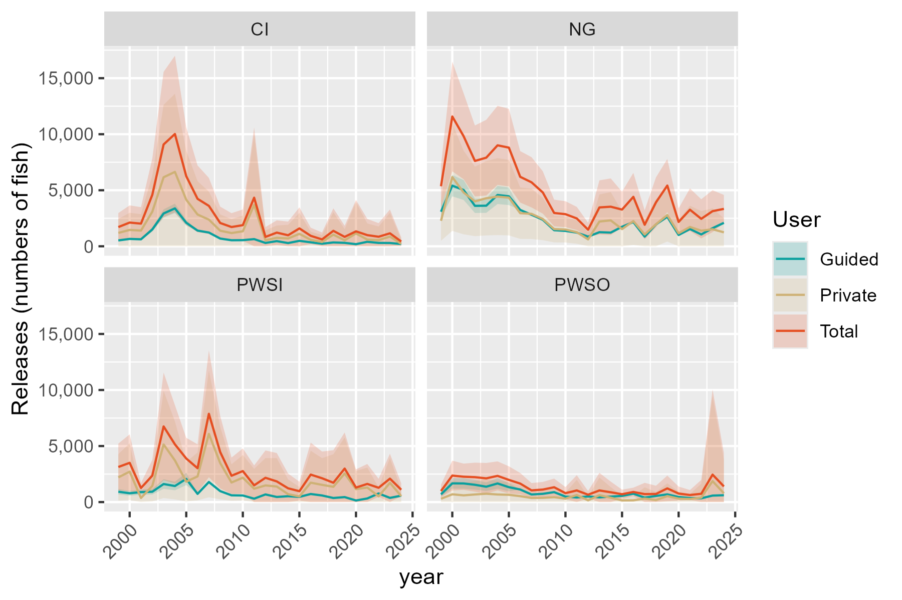
Region | RptArea | year | Guided | SE_Gui | Private | SE_Priv | Total | SE_Tot
SC | CI | 1999 | 523 | 33.444741434 | 1191.3799107 | 637.61901394 | 1714.3799107 | 638.4955424
SC | CI | 2000 | 657 | 42.013757404 | 1459.2853193 | 781.92084384 | 2116.2853193 | 783.04876083
SC | CI | 2001 | 623 | 39.839529471 | 1398.7993886 | 748.70138678 | 2021.7993886 | 749.76059824
SC | CI | 2002 | 1501 | 95.985768437 | 3084.484215 | 1652.7422487 | 4585.484215 | 1655.5271694
SC | CI | 2003 | 2929 | 187.30334161 | 6157.6561406 | 3299.4230956 | 9086.6561406 | 3304.7352852
SC | CI | 2004 | 3381 | 216.20778353 | 6638.4284357 | 3557.0326759 | 10019.428436 | 3563.597517
SC | CI | 2005 | 2101 | 134.35449666 | 4155.3809351 | 2226.554961 | 6256.3809351 | 2230.6048788
SC | CI | 2006 | 1399 | 0 | 2835.6138504 | 1519.3914072 | 4234.6138504 | 1519.3914072
SC | CI | 2007 | 1226 | 0 | 2379.3515154 | 1274.9148642 | 3605.3515154 | 1274.9148642
SC | CI | 2008 | 689 | 0 | 1389.526202 | 744.54219885 | 2078.526202 | 744.54219885
SC | CI | 2009 | 538 | 0 | 1180.3567444 | 631.31194455 | 1718.3567444 | 631.31194455
SC | CI | 2010 | 546 | 0 | 1338.0332501 | 715.7047836 | 1884.0332501 | 715.7047836
SC | CI | 2011 | 640 | 0 | 3697.1380465 | 3197.1646579 | 4337.1380465 | 3197.1646579
SC | CI | 2012 | 298 | 0 | 538.74684249 | 447.95015572 | 836.74684249 | 447.95015572
SC | CI | 2013 | 460 | 0 | 759.93566721 | 559.69040185 | 1219.9356672 | 559.69040185
SC | CI | 2014 | 287 | 0 | 696.70446868 | 622.72415741 | 983.70446868 | 622.72415741
SC | CI | 2015 | 486 | 0 | 1108.8887532 | 957.68223266 | 1594.8887532 | 957.68223266
SC | CI | 2016 | 355 | 0 | 577.20619669 | 371.8775575 | 932.20619669 | 371.8775575
SC | CI | 2017 | 228 | 0 | 384.830418 | 316.35271848 | 612.830418 | 316.35271848
SC | CI | 2018 | 342 | 0 | 1036.2607631 | 1024.0943239 | 1378.2607631 | 1024.0943239
SC | CI | 2019 | 306 | 0 | 532.88874084 | 507.22387953 | 838.88874084 | 507.22387953
SC | CI | 2020 | 187 | 0 | 1146.8266571 | 1429.3005999 | 1333.8266571 | 1429.3005999
SC | CI | 2021 | 401 | 0 | 593.85425812 | 737.74286237 | 994.85425812 | 737.74286237
SC | CI | 2022 | 301 | 0 | 550.25704859 | 619.61857092 | 851.25704859 | 619.61857092
SC | CI | 2023 | 292 | 0 | 863.67381064 | 1085.3724259 | 1155.6738106 | 1085.3724259
SC | CI | 2024 | 202 | 0 | 221.75678486 | 188.23605618 | 423.75678486 | 188.23605618
SC | NG | 1999 | 3084 | 277.70024099 | 2273.8191862 | 910.58912441 | 5357.8191862 | 951.99263513
SC | NG | 2000 | 5410 | 487.14601289 | 6171.817672 | 2448.2075921 | 11581.817672 | 2496.2034476
SC | NG | 2001 | 5021 | 452.1183236 | 4799.6628088 | 1904.5438475 | 9820.6628088 | 1957.4724125
SC | NG | 2002 | 3608 | 324.88406922 | 4006.253194 | 1582.4125042 | 7614.253194 | 1615.4191381
SC | NG | 2003 | 3621 | 326.05466038 | 4285.8453591 | 1693.0210412 | 7906.8453591 | 1724.1322129
SC | NG | 2004 | 4578 | 412.22817874 | 4430.7114339 | 1751.6579637 | 9008.7114339 | 1799.5104038
SC | NG | 2005 | 4462 | 401.78290379 | 4340.9529621 | 1720.453998 | 8802.9529621 | 1766.7460092
SC | NG | 2006 | 3243 | 0 | 2955.6337693 | 1171.6784507 | 6198.6337693 | 1171.6784507
SC | NG | 2007 | 2816 | 0 | 2893.4261105 | 1145.4834854 | 5709.4261105 | 1145.4834854
SC | NG | 2008 | 2366 | 0 | 2433.2464922 | 964.64522536 | 4799.2464922 | 964.64522536
SC | NG | 2009 | 1435 | 0 | 1535.7980483 | 606.64796791 | 2970.7980483 | 606.64796791
SC | NG | 2010 | 1370 | 0 | 1494.4766203 | 590.51524757 | 2864.4766203 | 590.51524757
SC | NG | 2011 | 1223 | 0 | 1260.5305654 | 526.92677736 | 2483.5305654 | 526.92677736
SC | NG | 2012 | 860 | 0 | 616.16305216 | 319.14781916 | 1476.1630522 | 319.14781916
SC | NG | 2013 | 1258 | 0 | 2208.3024431 | 1233.1876376 | 3466.3024431 | 1233.1876376
SC | NG | 2014 | 1220 | 0 | 2311.1393308 | 1288.0952258 | 3531.1393308 | 1288.0952258
SC | NG | 2015 | 1742 | 0 | 1532.5843736 | 814.06661594 | 3274.5843736 | 814.06661594
SC | NG | 2016 | 2162 | 0 | 2249.507236 | 1090.7530335 | 4411.507236 | 1090.7530335
SC | NG | 2017 | 859 | 0 | 1058.7215417 | 661.16470129 | 1917.7215417 | 661.16470129
SC | NG | 2018 | 1955 | 0 | 1967.8383248 | 1137.2122716 | 3922.8383248 | 1137.2122716
SC | NG | 2019 | 2629 | 0 | 2789.6932808 | 1209.51268 | 5418.6932808 | 1209.51268
SC | NG | 2020 | 1008 | 0 | 1163.7935158 | 619.08818317 | 2171.7935158 | 619.08818317
SC | NG | 2021 | 1540 | 0 | 1723.3340734 | 968.56494437 | 3263.3340734 | 968.56494437
SC | NG | 2022 | 1057 | 0 | 1391.6740578 | 892.95722498 | 2448.6740578 | 892.95722498
SC | NG | 2023 | 1614 | 0 | 1519.7148145 | 953.93550342 | 3133.7148145 | 953.93550342
SC | NG | 2024 | 2092 | 0 | 1245.038004 | 636.00852314 | 3337.038004 | 636.00852314
SC | PWSI | 1999 | 926 | 126.63886628 | 2204.0945826 | 1057.3223882 | 3130.0945826 | 1064.8793523
SC | PWSI | 2000 | 787 | 107.62936044 | 2716.0937108 | 1292.2883568 | 3503.0937108 | 1296.7626137
SC | PWSI | 2001 | 889 | 121.57878199 | 365.88555585 | 195.00309822 | 1254.8855559 | 229.79906124
SC | PWSI | 2002 | 922 | 126.09183014 | 1437.9916041 | 700.57162793 | 2359.9916041 | 711.82845931
SC | PWSI | 2003 | 1610 | 220.18204613 | 5140.6796674 | 2440.1351912 | 6750.6796674 | 2450.0489556
SC | PWSI | 2004 | 1434 | 196.11245599 | 3716.2941601 | 1775.2319194 | 5150.2941601 | 1786.0314843
SC | PWSI | 2005 | 2068 | 282.8176841 | 1819.6299138 | 898.29777775 | 3887.6299138 | 941.76681825
SC | PWSI | 2006 | 731 | 0 | 2289.9224613 | 1089.5004488 | 3020.9224613 | 1089.5004488
SC | PWSI | 2007 | 1791 | 0 | 6085.9665137 | 2888.4794586 | 7876.9665137 | 2888.4794586
SC | PWSI | 2008 | 979 | 0 | 3484.5021018 | 1651.4506614 | 4463.5021018 | 1651.4506614
SC | PWSI | 2009 | 603 | 0 | 1745.3533951 | 828.51184597 | 2348.3533951 | 828.51184597
SC | PWSI | 2010 | 588 | 0 | 2178.2879095 | 1032.3717782 | 2766.2879095 | 1032.3717782
SC | PWSI | 2011 | 303 | 0 | 1190.5584992 | 906.68814118 | 1493.5584992 | 906.68814118
SC | PWSI | 2012 | 682 | 0 | 1485.4051552 | 1244.8988666 | 2167.4051552 | 1244.8988666
SC | PWSI | 2013 | 456 | 0 | 1388.1437194 | 1292.395303 | 1844.1437194 | 1292.395303
SC | PWSI | 2014 | 524 | 0 | 704.76026147 | 672.72734617 | 1228.7602615 | 672.72734617
SC | PWSI | 2015 | 464 | 0 | 505.46521909 | 430.04488236 | 969.46521909 | 430.04488236
SC | PWSI | 2016 | 720 | 0 | 1731.6965601 | 1454.0031071 | 2451.6965601 | 1454.0031071
SC | PWSI | 2017 | 589 | 0 | 1537.7341733 | 1216.1722753 | 2126.7341733 | 1216.1722753
SC | PWSI | 2018 | 364 | 0 | 1362.6292424 | 1481.5459093 | 1726.6292424 | 1481.5459093
SC | PWSI | 2019 | 444 | 0 | 2547.0089752 | 1642.0639103 | 2991.0089752 | 1642.0639103
SC | PWSI | 2020 | 141 | 0 | 1154.7682504 | 829.42010402 | 1295.7682504 | 829.42010402
SC | PWSI | 2021 | 322 | 0 | 1297.4985168 | 908.17085948 | 1619.4985168 | 908.17085948
SC | PWSI | 2022 | 768 | 0 | 508.64639446 | 409.8193061 | 1276.6463945 | 409.8193061
SC | PWSI | 2023 | 374 | 0 | 1716.1258146 | 1133.4183382 | 2090.1258146 | 1133.4183382
SC | PWSI | 2024 | 572 | 0 | 529.47313566 | 295.14586581 | 1101.4731357 | 295.14586581
SC | PWSO | 1999 | 689 | 99.260041593 | 295.51196193 | 270.65736483 | 984.51196193 | 288.2845209
SC | PWSO | 2000 | 1670 | 240.58674813 | 693.74198551 | 635.39349283 | 2363.7419855 | 679.41656891
SC | PWSO | 2001 | 1662 | 239.43423676 | 600.39235473 | 547.88547962 | 2262.3923547 | 597.91910198
SC | PWSO | 2002 | 1543 | 222.29063016 | 679.1244152 | 622.00536115 | 2222.1244152 | 660.53296175
SC | PWSO | 2003 | 1372 | 197.65569966 | 744.76460927 | 672.95103632 | 2116.7646093 | 701.37783889
SC | PWSO | 2004 | 1662 | 239.43423676 | 676.13857668 | 615.18672449 | 2338.1385767 | 660.13897
SC | PWSO | 2005 | 1329 | 191.46095106 | 649.87476286 | 587.98276465 | 1978.8747629 | 618.36965264
SC | PWSO | 2006 | 1123 | 0 | 527.81280902 | 483.42010616 | 1650.812809 | 483.42010616
SC | PWSO | 2007 | 678 | 0 | 365.43925774 | 334.70329207 | 1043.4392577 | 334.70329207
SC | PWSO | 2008 | 737 | 0 | 380.05682805 | 348.09142375 | 1117.0568281 | 348.09142375
SC | PWSO | 2009 | 887 | 0 | 436.62571127 | 395.38593392 | 1323.6257113 | 395.38593392
SC | PWSO | 2010 | 490 | 0 | 305.66502193 | 276.90045568 | 795.66502193 | 276.90045568
SC | PWSO | 2011 | 409 | 0 | 627.62080584 | 693.7140955 | 1036.6208058 | 693.7140955
SC | PWSO | 2012 | 502 | 0 | 155.98551867 | 169.40168856 | 657.98551867 | 169.40168856
SC | PWSO | 2013 | 420 | 0 | 616.52547991 | 801.94148664 | 1036.5254799 | 801.94148664
SC | PWSO | 2014 | 488 | 0 | 387.81938445 | 486.09402328 | 875.81938445 | 486.09402328
SC | PWSO | 2015 | 550 | 0 | 150.85493397 | 210.18462871 | 700.85493397 | 210.18462871
SC | PWSO | 2016 | 745 | 0 | 157.66169296 | 195.22133245 | 902.66169296 | 195.22133245
SC | PWSO | 2017 | 398 | 0 | 313.29358838 | 513.92805132 | 711.29358838 | 513.92805132
SC | PWSO | 2018 | 546 | 0 | 178.10965704 | 375.49940123 | 724.10965704 | 375.49940123
SC | PWSO | 2019 | 689 | 0 | 532.58549743 | 582.80871028 | 1221.5854974 | 582.80871028
SC | PWSO | 2020 | 452 | 0 | 306.50979995 | 320.72048262 | 758.50979995 | 320.72048262
SC | PWSO | 2021 | 360 | 0 | 270.99538615 | 227.19831845 | 630.99538615 | 227.19831845
SC | PWSO | 2022 | 337 | 0 | 402.47612278 | 632.90109902 | 739.47612278 | 632.90109902
SC | PWSO | 2023 | 579 | 0 | 1871.1601526 | 3879.7293418 | 2450.1601526 | 3879.7293418
SC | PWSO | 2024 | 612 | 0 | 784.95892445 | 1529.2856727 | 1396.9589244 | 1529.2856727

