lit data
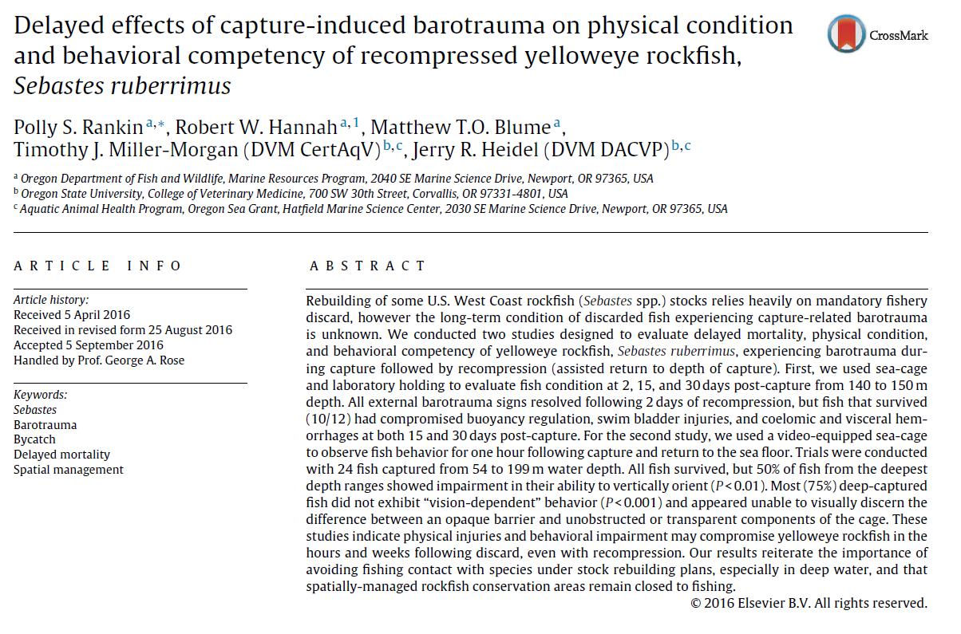
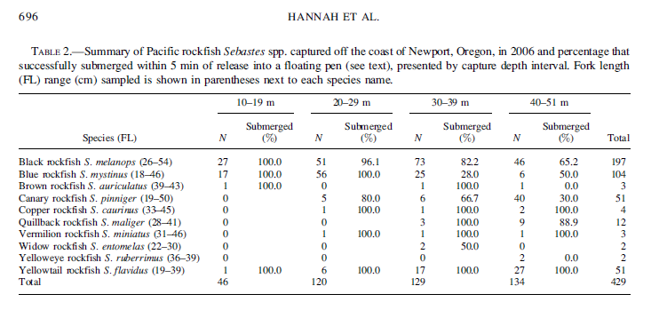

Hannah et al. 2008 | Submergence success

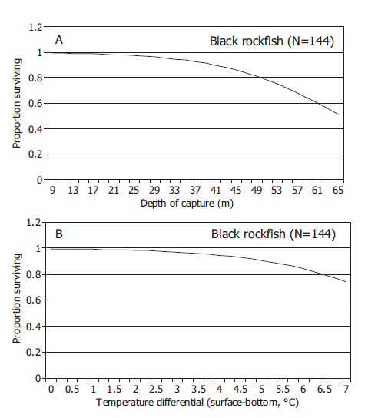

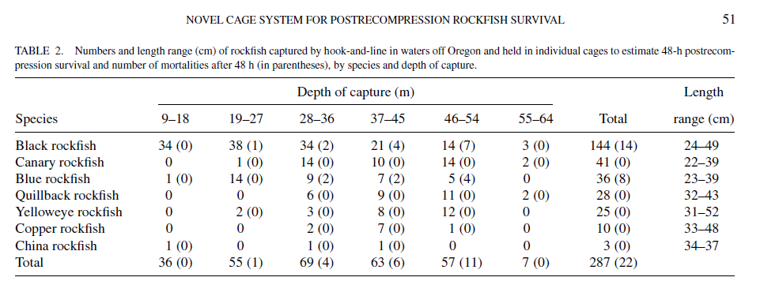
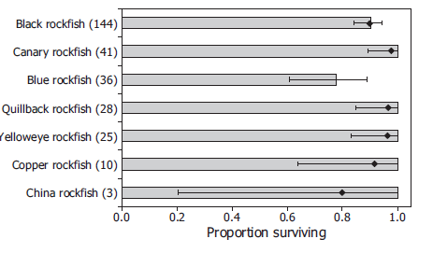
Hannah et al. 2012 | DWR - cage study

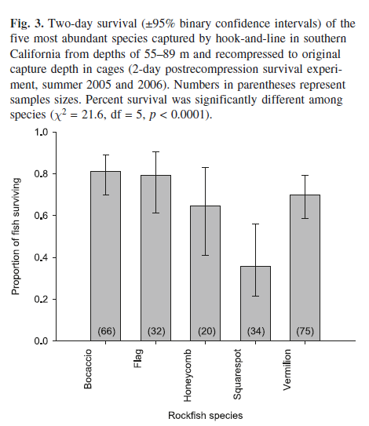

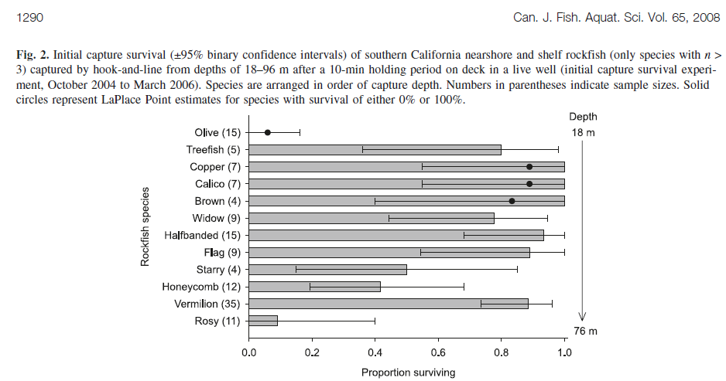
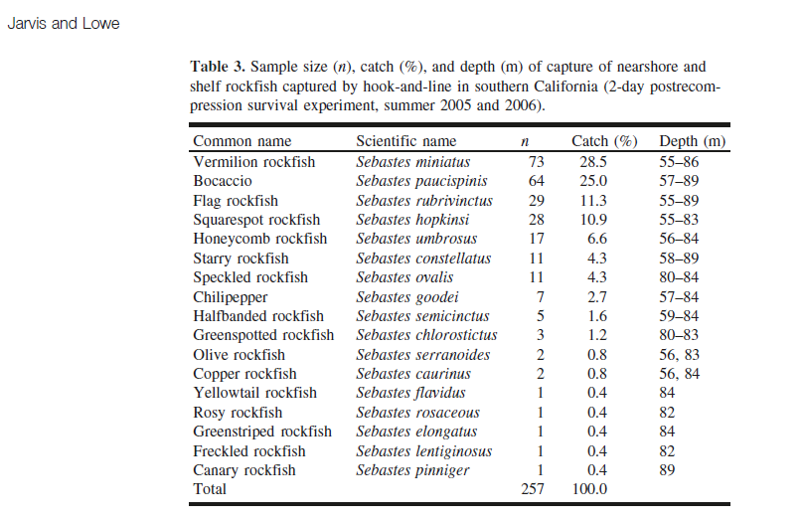

Jarvis and Lowe | not YE or Blk

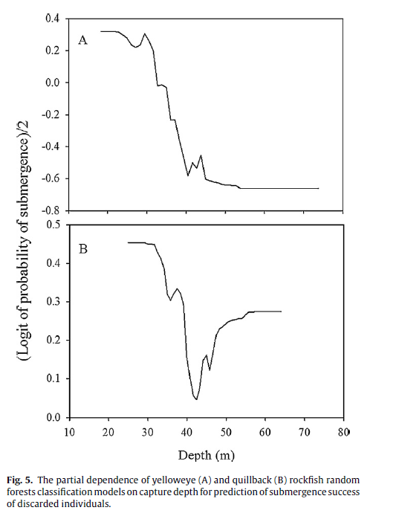

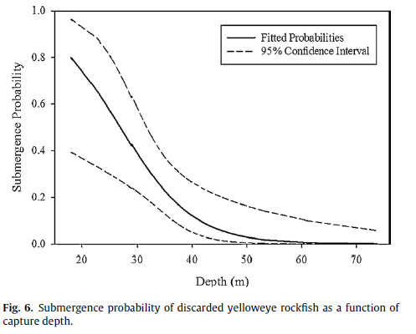
Hochhalter 2012 | submergence - ye and quill

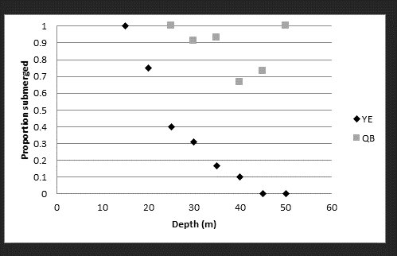

Hochhalter and reed 2011 | ye dwr
 |  | **lower survival of smaller ye

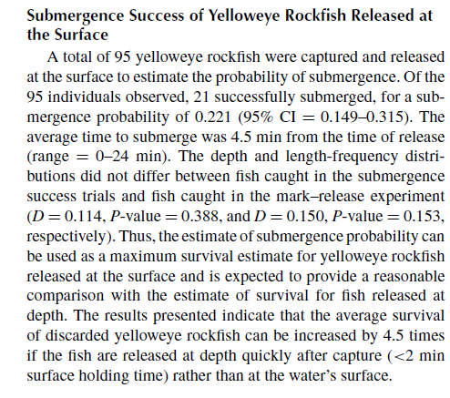

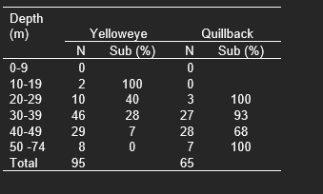

 |  |  | From Hochhalter and Reed DRM:
 |  |  | FIGURE 1. Frequencies of capture depths for yelloweye rockfish (A) captured
 |  |  | once (fate unknown) and (B) recaptured (fate known) in a mark–recapture
 |  |  | study conducted May–August 2009 in Prince William Sound as well as for (C)
 |  |  | individuals captured for submergence success trials conducted May–August
 |  |  | 2010

Blain Roth inprep | multiple spp

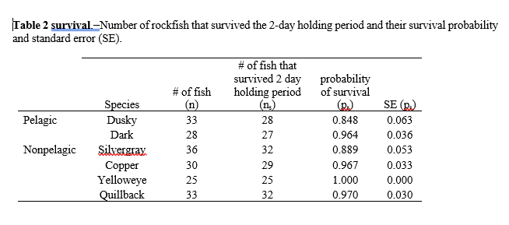

Rankin et al. 2016 | delayed effects ye

Ragan info
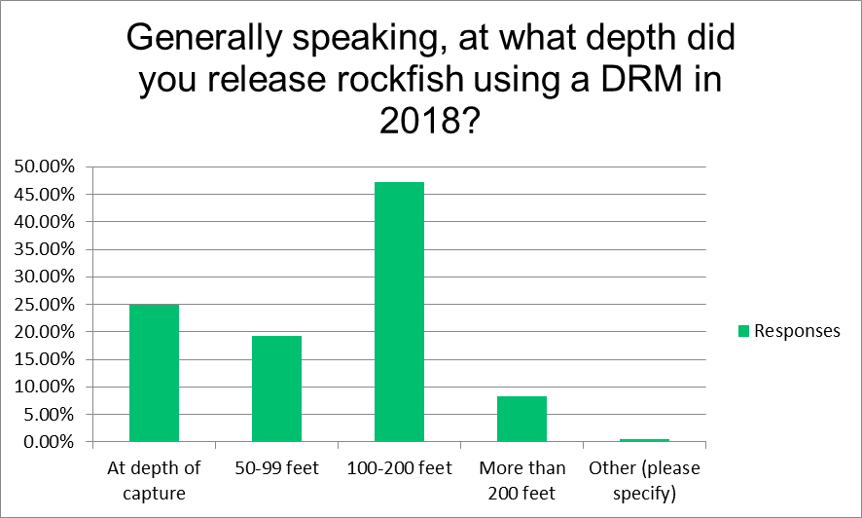

Generally speaking, at what depth did you release rockfish using a DRM in 2018?
Answer Choices | Responses
At depth of capture | 24.87% | 48
50-99 feet | 19.17% | 37
100-200 feet | 47.15% | 91
More than 200 feet | 8.29% | 16
Other (please specify) | 0.52% | 1
 | Answered | 193
 | Skipped | 207

literature
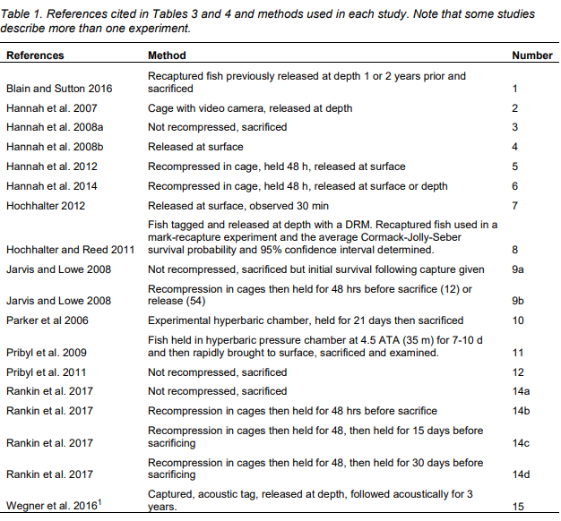
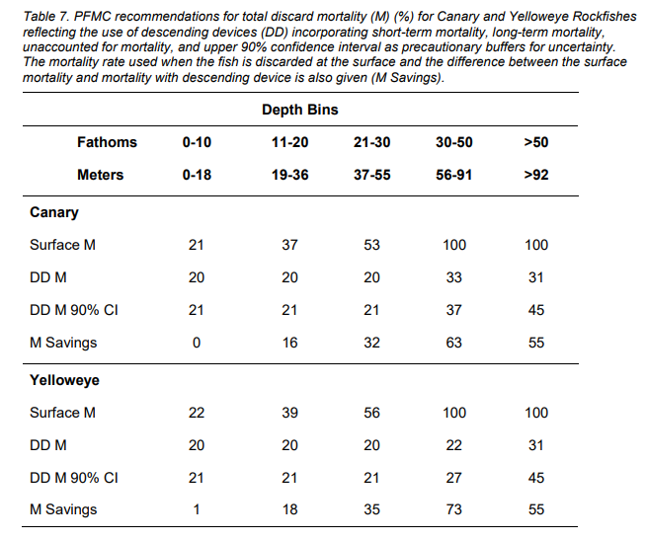
References
GMT. 2012. Groundfish Management Team progress report on developing mortality rates for rockfish released using descending devices. Agenda Item 1.3.b, Groundfish Management Team Report, November 2012. Pacific Fishery Management Council.
Hannah, R. W. et al. 2012. Use of a novel cage system to measure postrecompression survival of Northeast Pacific rockfish. Marine and Coastal Fisheries: Dynamics, Management, and Ecosystem Science 4:46-56.
Hochhalter, S. J. and D. J. Reed. 2011. The effectiveness of deepwater release at improving the survival of discarded yelloweye rockfish. N. Amer. J. Fish. Mgmt. 31:852-860.
Hochhalter, S. J. Modeling submergence success of discarded yelloweye rockfish Sebastes ruberrimus and quillback rockfish Sebastes maliger: towards improved estimation of total fishery removals. Fisheries Research 127-128:142-147.
Hannah, R. W., S. J. Parker, and K. M. Matteson. 2008. Escaping the surface: the effect of depth of capture on submergent success of surface-released Pacific rockfish.N. Amer. J. Fish. Mgmt. 28:694-700.

Hannah, R. W., S. J. Parker, and K. M. Matteson. 2008. Escaping the surface: the effect of depth of capture on submergent success of surface-released Pacific rockfish.N. Amer. J. Fish. Mgmt. 28:694-700.
Hannah, R. W. and K. M. Matteson. 2007. Behavior of nine species of Pacific rockfish after hook-and-line capture, recompression, and release. Trans. Amer. Fish. Soc. 136:24-33.

Haggarty
 | side note from one of scotts analyses:
 | Premise is that some anglers will believe that all fish (or high proportion) survive if released at depth. They may then stay and catch more fish,
 | as opposed to moving to minimize their rockfish catch. The net result could be a higher number of dead rockfish. This shows total removals
 | if catch were to increase (steady harvest) under various assumed survival rates using recompression devices.

