Stat-Area Maps
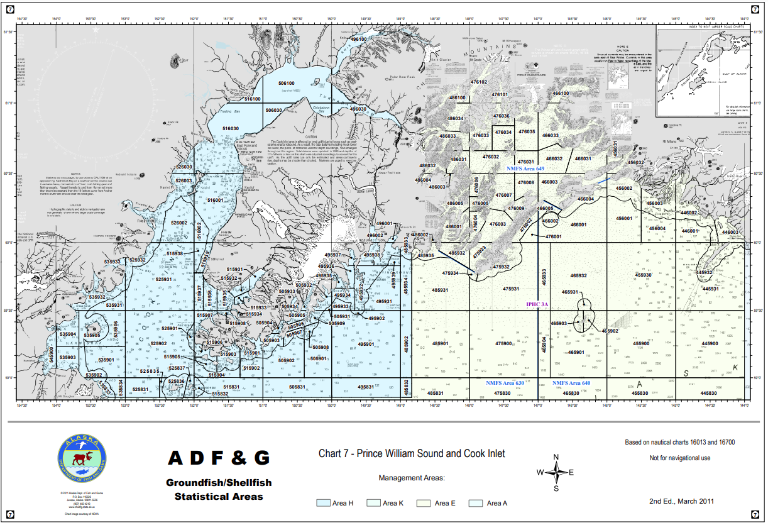
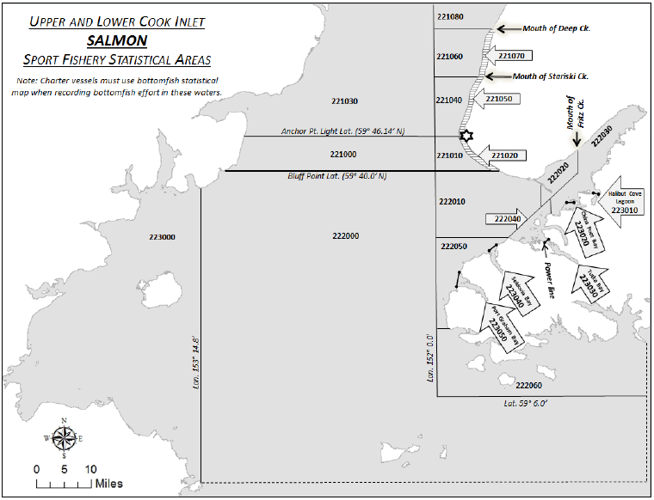
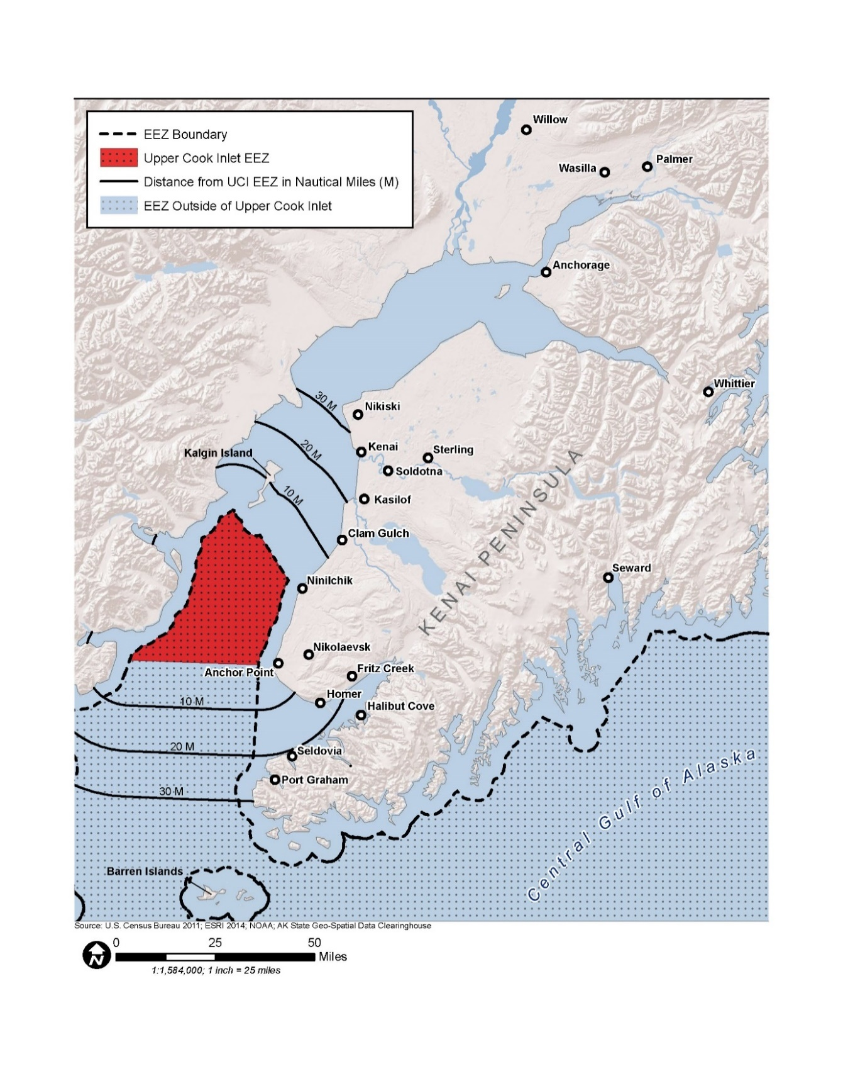

Map of distance from Cook Inlet EEZ to coastal communities engaged in the UCI salmon drift gillnet fishery, 2009–2021.

