Number of orders per month 2016
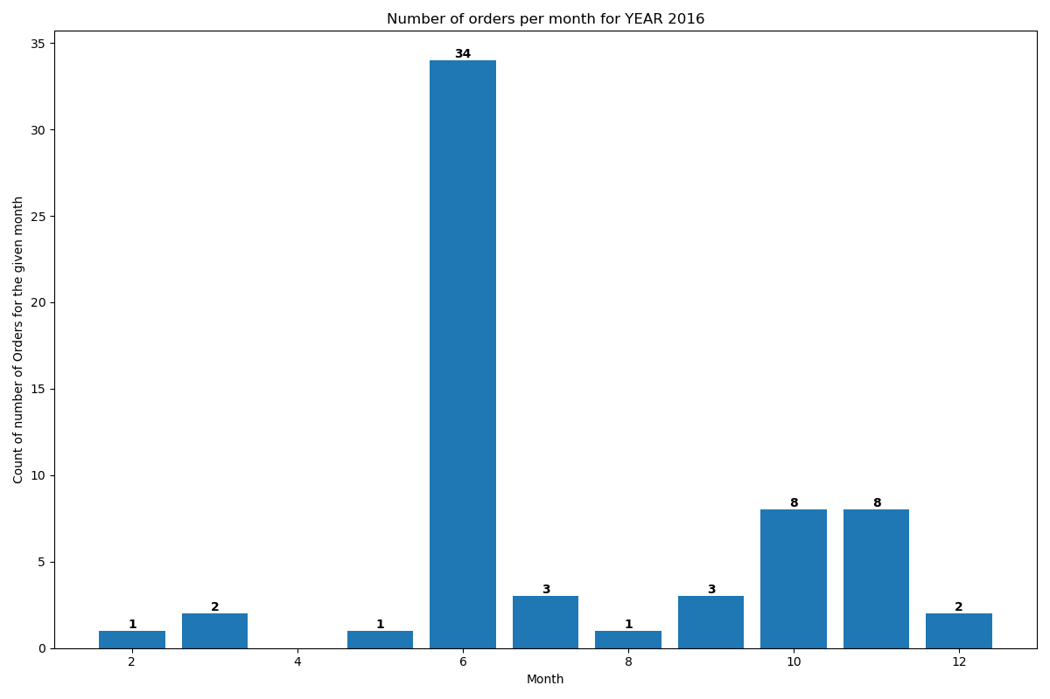
Year | Month | Order #
2016 | 2 | 1
2016 | 3 | 2
2016 | 5 | 1
2016 | 6 | 34
2016 | 7 | 3
2016 | 8 | 1
2016 | 9 | 3
2016 | 10 | 8
2016 | 11 | 8
2016 | 12 | 2

