Reviews orders per month 2016
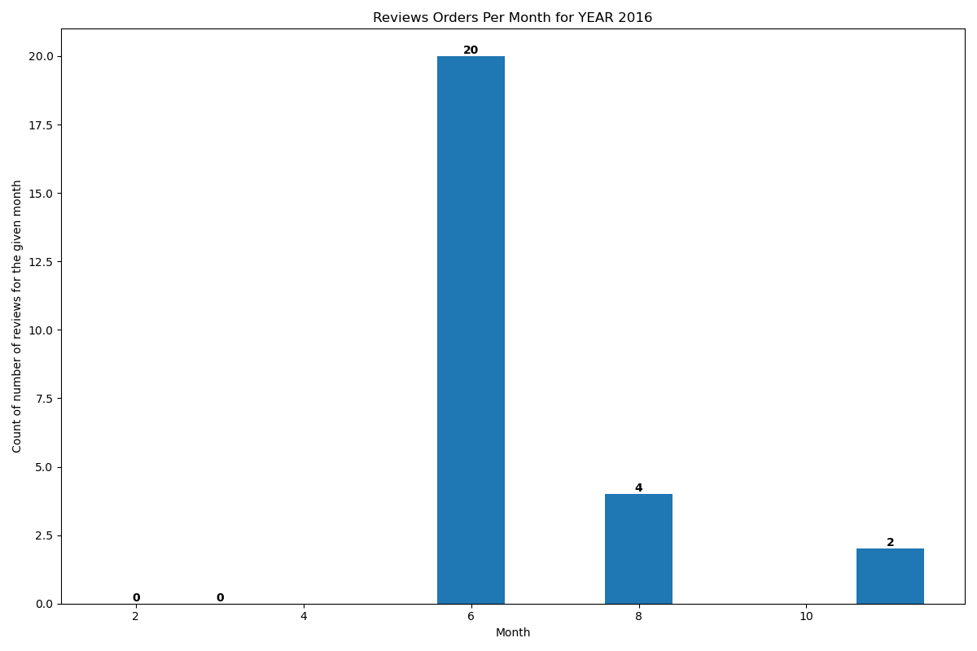
Year | Month | stars
2016 | 2 | 0
2016 | 3 | 0
2016 | 6 | 20
2016 | 8 | 4
2016 | 11 | 2

