Sheet1
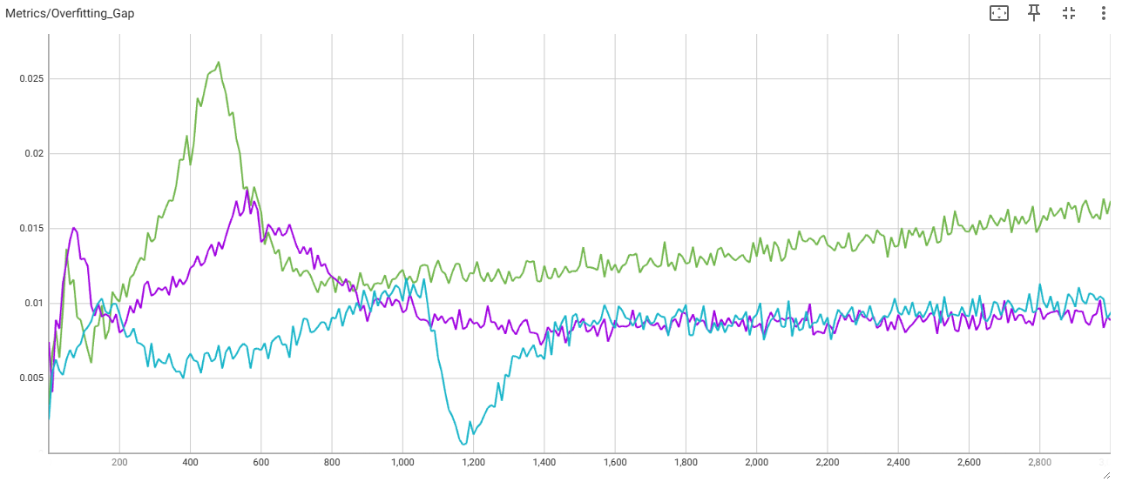
Step | Baseline | large_model_Train | large_model_Val | medium_model_Train | medium_model_Val | small_model_Train | small_model_Val | small_model_wo_skip_Train | small_model_wo_skip_Val
3000 | 4.168469429 | 0.32495871186 | 0.3418007195 | 0.33417513967 | 0.3430595696 | 0.42030638456 | 0.42967665195 | 2.1411631107 | 2.149273634

