Ref
Carbon A1-A3 is given

HiStar brochure

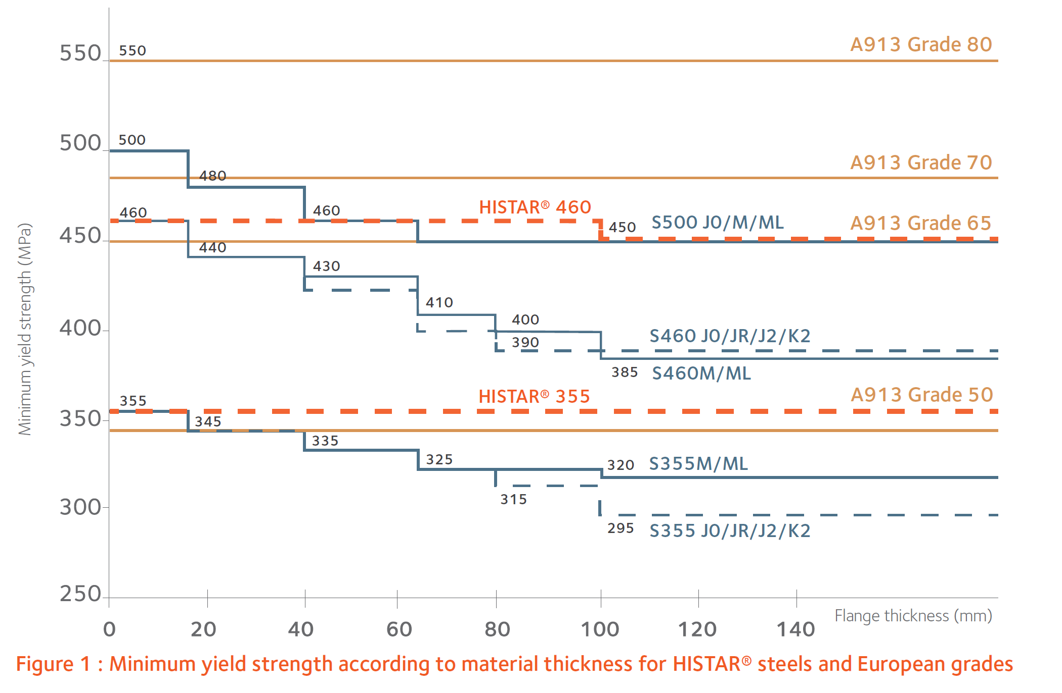

BS EN 1993-1
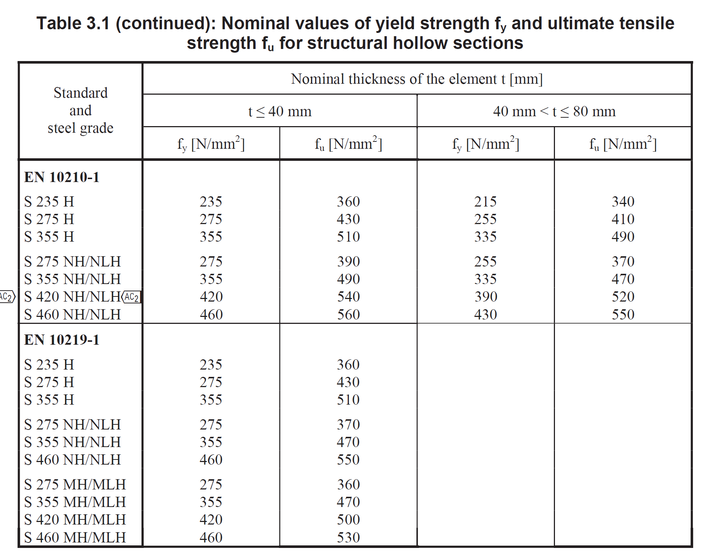

EPD
British steel Steel rail and sections EPD
Arcelor Mittal - Histar EPD

