Ref
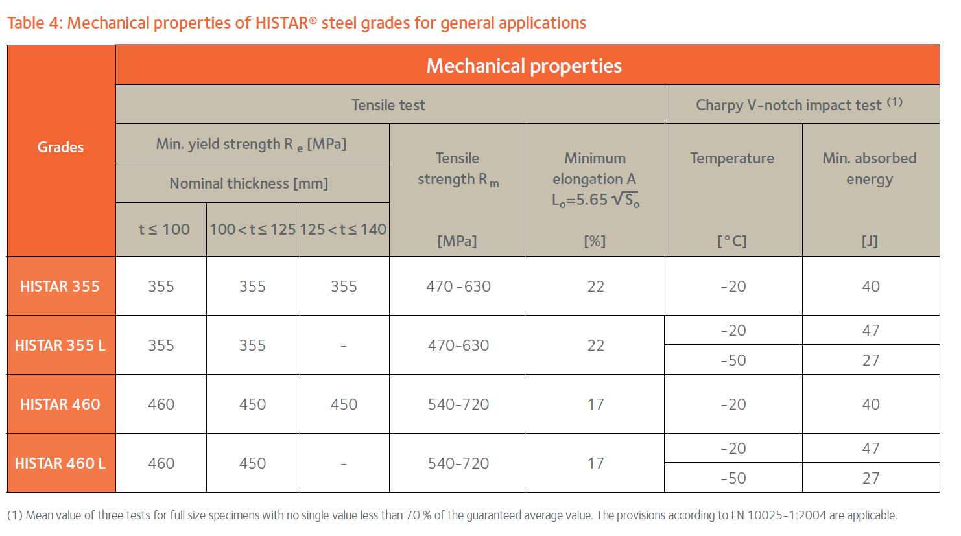
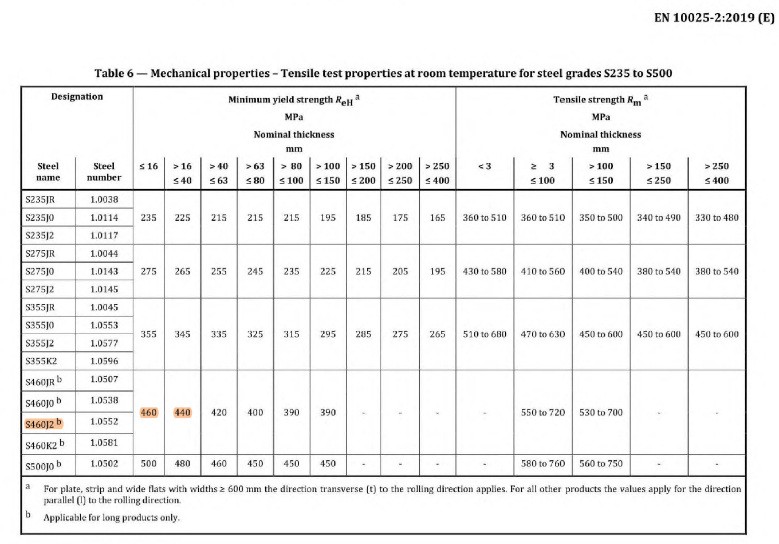
 | Table: | Column header: Thickness <=
 |  | e.g 100: Thickness <=100

 | HiStar brochure

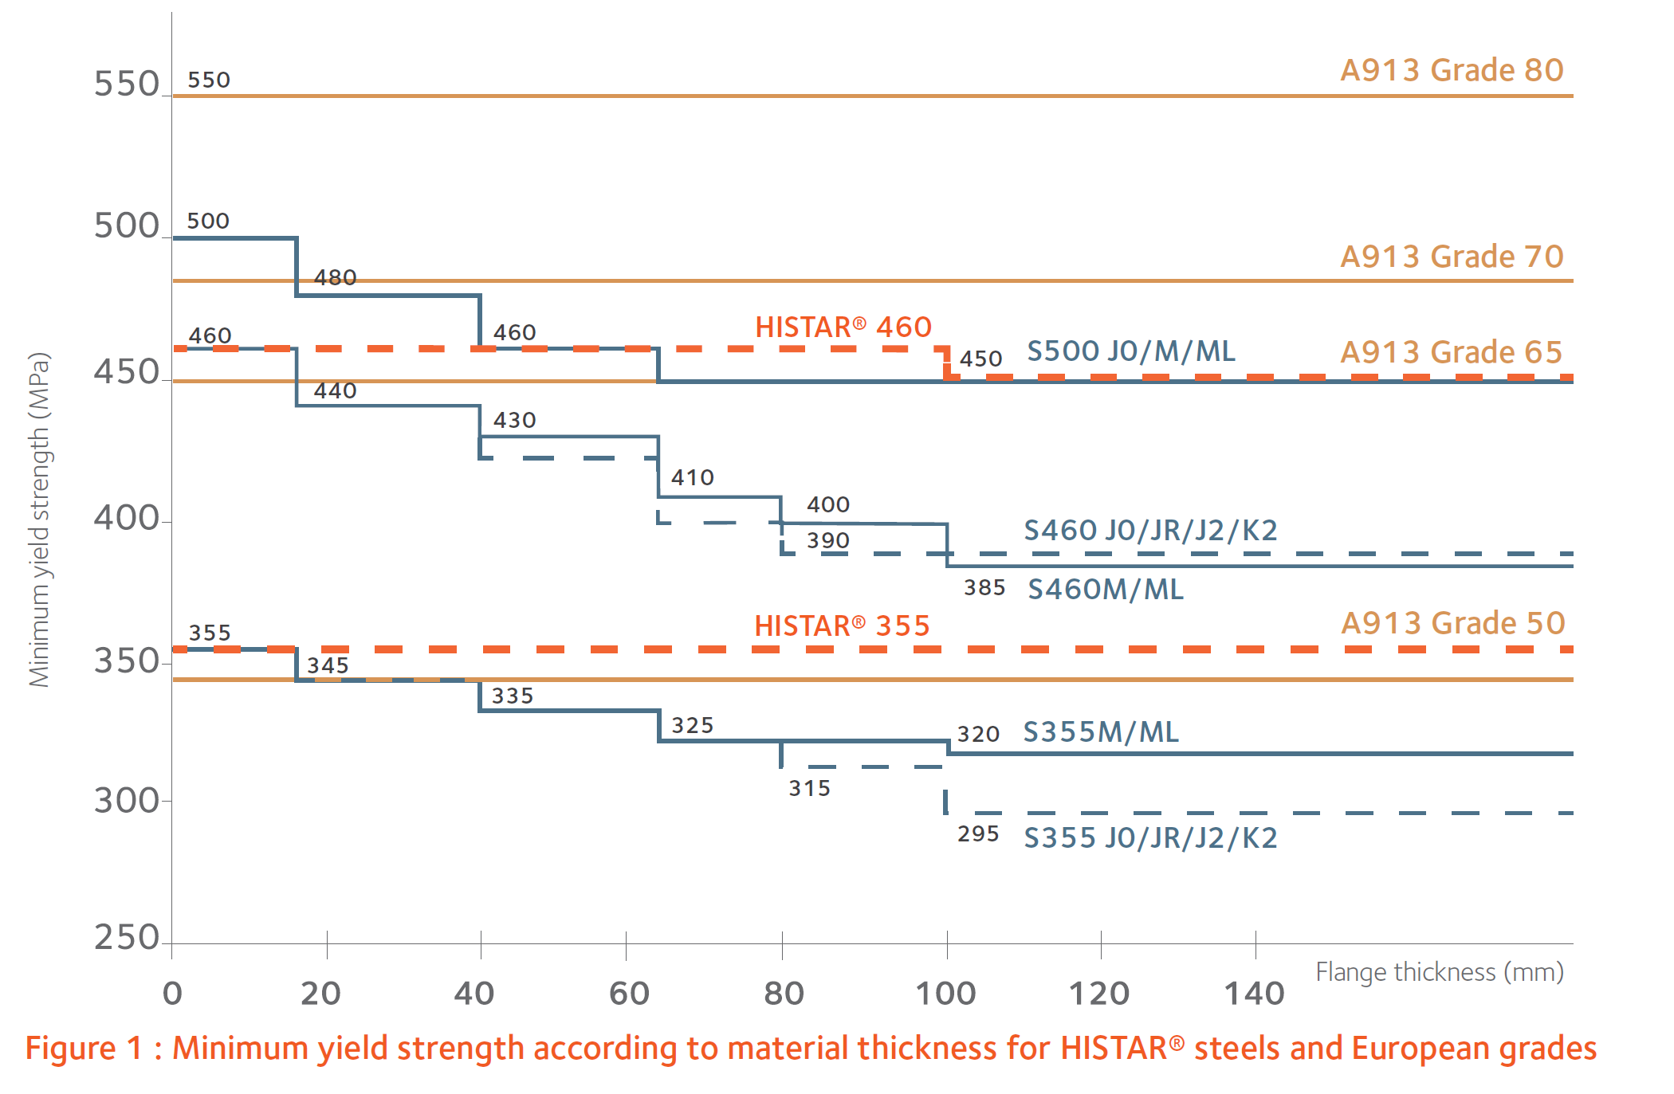

 | BS EN 1993-1
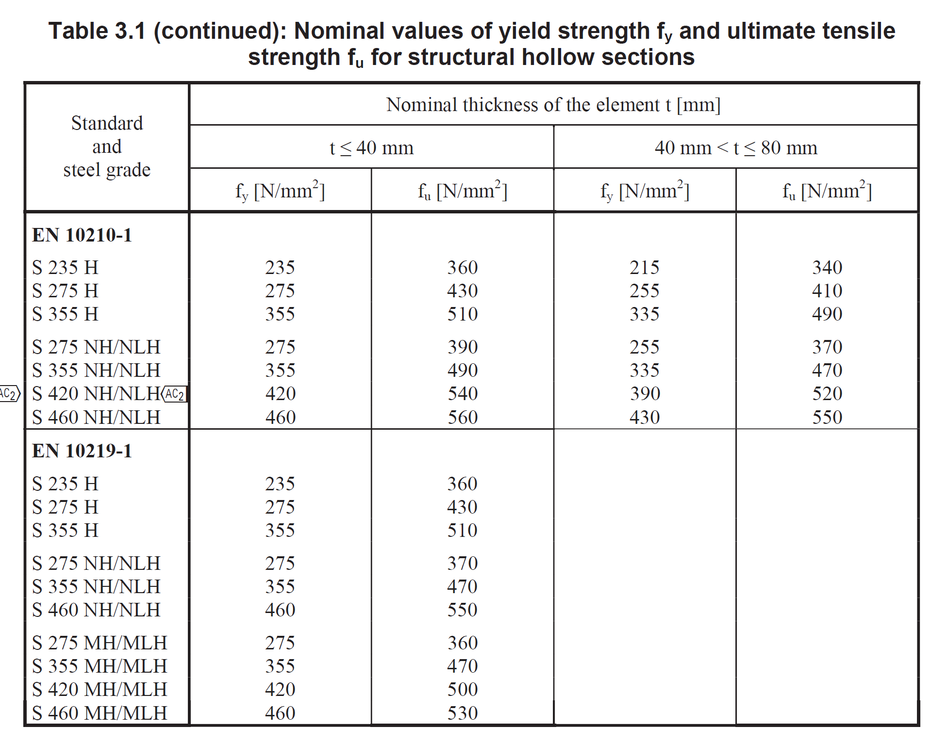

 | EPD
 | British steel Steel rail and sections EPD
 | Arcelor Mittal - Histar EPD

Hot rolled structural steel

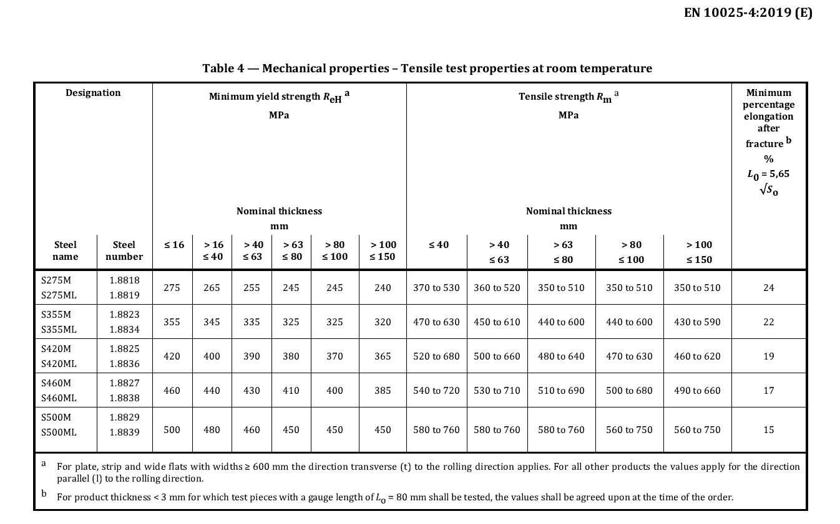

 |  | Histar

