Ref
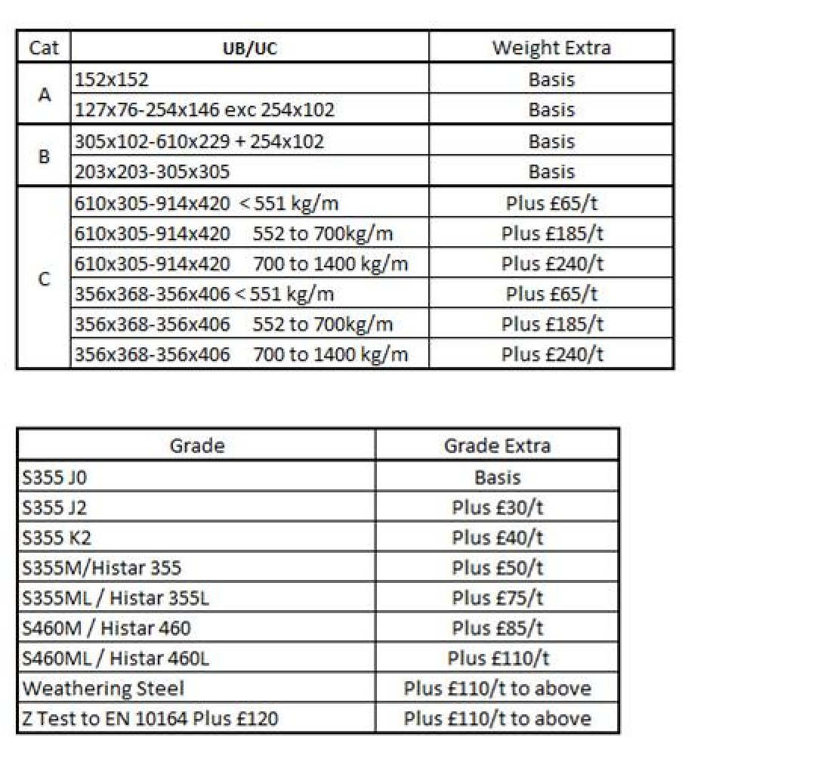
Ref; Email From Neil Tilley - CONFIDENTIAL - Arcelor
All costs are given per 1000kg of steel

 | Section weight <
Grade | 551 kg/m | 700 kg/m | 1400 kg/m
S355J0 - BOF | £600 | £665 | £785
S355Histar - EAF | £650 | £715 | £835
S460J2 - BOF | £685 | £750 | £870
S460Histar - EAF | £685 | £750 | £870

Inflation | 1.2

Grade | 551 kg/m | 700 kg/m | 1400 kg/m
S355J0 - BOF | £720 | £798 | £942
S355Histar - EAF | £780 | £858 | £1,002
S460J2 - BOF | £822 | £900 | £1,044
S460Histar - EAF | £822 | £900 | £1,044

Round up and corrections | 25

 | Steel Section weight <
Grade | 551 kg/m | 700 kg/m | 1400 kg/m
S355J0 - BOF | £ 725 /t | £ 800 /t | £ 950 /t
S355Histar - EAF | £ 800 /t | £ 875 /t | £ 1,025 /t
S460J2 - BOF | £ 825 /t | £ 900 /t | £ 1,050 /t
S460Histar - EAF | £ 850 /t | £ 925 /t | £ 1,075 /t | corrected +25

