Wafermap loss distribution
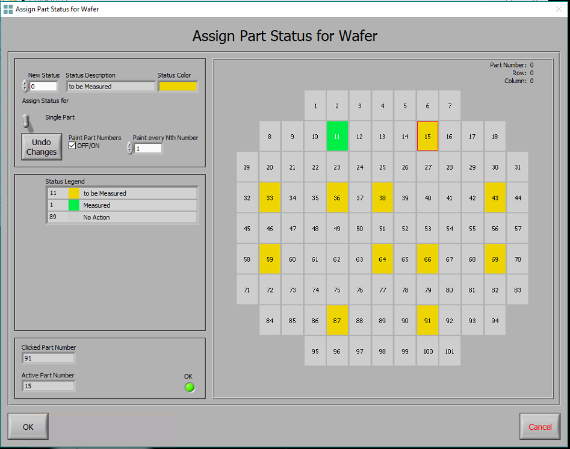
 |  |  |  |  |  |  |  |  |  |  |  |  | SLOT 7 |  |  |  |  |  | (AVG. PROP LOSS = 4.39 DB/CM) |  |  |  |  |  |  | SLOT 11 |  |  |  |  |  | (AVG. PROP LOSS = 5.04 DB/CM) |  |  |  |  |  |  |  |  | SLOT 12 |  |  |  | (AVG. PROP LOSS = 4.72 DB/CM) |  |  | SLOT 15 |  |  |  | (AVG. PROP LOSS = 4.97 DB/CM)
 |  |  | 1 | 2 | 3 | 4 | 5 | 6 | 7
 | 8 | 9 | 10 | 11 | 12 | 13 | 14 | 15 | 16 | 17 | 18 |  |  | 3.80 |  |  |  | 4.56 |  |  |  |  |  |  |  |  |  |  |  |  |  |  |  |  |  |  |  |  |  |  |  |  | 3.04 |  |  |  |  |  |  | 3.56
19 | 20 | 21 | 22 | 23 | 24 | 25 | 26 | 27 | 28 | 29 | 30 | 31
32 | 33 | 34 | 35 | 36 | 37 | 38 | 39 | 40 | 41 | 42 | 43 | 44 |  | 3.98 |  | 4.93 |  |  |  |  |  | 4.79 |  |  |  |  | 4.91 |  | 5.03 |  | 5.67 |  |  |  |  |  |  |  |  |  |  |  |  |  |  | 6.89
45 | 46 | 47 | 48 | 49 | 50 | 51 | 52 | 53 | 54 | 55 | 56 | 57 |  |  |  |  |  |  |  |  |  |  |  |  |  |  |  | 5.06 |  |  |  |  |  |  | 4.52 |  |  |  |  |  |  |  | 4.93 |  | 6.28 |  | 3.48 | 3.13 |  | 5.98 |  |  |  | 5.97
58 | 59 | 60 | 61 | 62 | 63 | 64 | 65 | 66 | 67 | 68 | 69 | 70 |  | 4.61 |  |  |  |  |  |  |  |  |  |  |  | 4.93 |  |  |  |  |  |  |  |  |  |  |  |  |  |  |  |  |  | 5.29 |  |  |  |  |  |  | 6.99
71 | 72 | 73 | 74 | 75 | 76 | 77 | 78 | 79 | 80 | 81 | 82 | 83 |  |  |  |  |  |  |  |  |  |  |  |  |  |  |  |  |  |  | 5.14 |  |  |  |  |  |  |  |  |  |  | 3.82 |  |  |  | 4.04 |  |  | 4.28 |  |  |  | 4.85
 | 84 | 85 | 86 | 87 | 88 | 89 | 90 | 91 | 92 | 93 | 94 |  |  |  |  |  |  | 4.05 |  |  |  |  |  |  |  |  |  |  |  |  |  | 4.41
 |  |  | 95 | 96 | 97 | 98 | 99 | 100 | 101 |  |  |  |  |  |  |  |  |  |  |  |  |  |  |  |  |  |  |  |  |  |  |  |  | 5.67

WST |  |  |  |  |  |  |  |  |  |  |  |  | wafer |  |  |  |  |  |  |  |  |  |  |  |  | wafer
 |  |  | 1 | 2 | 3 | 4 | 5 | 6 | 7 |  |  |  |  |  |  | 1 | 2 | 3 | 4 | 5 | 6 | 7 |  |  |  |  |  |  |  |  |  | 1 | 2 | 3 | 4 | 5 | 6 | 7
 | 8 | 9 | 10 | 11 | 12 | 13 | 14 | 15 | 16 | 17 | 18 |  |  | 8 | 9 | 10 | 11 | 12 | 13 | 14 | 15 | 16 | 17 | 18 |  |  |  |  |  | 8 | 9 | 10 | 11 | 12 | 13 | 14 | 15 | 16 | 17 | 18
19 | 20 | 21 | 22 | 23 | 24 | 25 | 26 | 27 | 28 | 29 | 30 | 31 | 19 | 20 | 21 | 22 | 23 | 24 | 25 | 26 | 27 | 28 | 29 | 30 | 31 |  |  |  | 19 | 20 | 21 | 22 | 23 | 24 | 25 | 26 | 27 | 28 | 29 | 30 | 31
32 | 33 | 34 | 35 | 36 | 37 | 38 | 39 | 40 | 41 | 42 | 43 | 44 | 32 | 33 | 34 | 35 | 36 | 37 | 38 | 39 | 40 | 41 | 42 | 43 | 44 |  |  |  | 32 | 33 | 34 | 35 | 36 | 37 | 38 | 39 | 40 | 41 | 42 | 43 | 44
45 | 46 | 47 | 48 | 49 | 50 | 51 | 52 | 53 | 54 | 55 | 56 | 57 | 45 | 46 | 47 | 48 | 49 | 50 | 51 | 52 | 53 | 54 | 55 | 56 | 57 |  |  |  | 45 | 46 | 47 | 48 | 49 | 50 | 51 | 52 | 53 | 54 | 55 | 56 | 57
58 | 59 | 60 | 61 | 62 | 63 | 64 | 65 | 66 | 67 | 68 | 69 | 70 | 58 | 59 | 60 | 61 | 62 | 63 | 64 | 65 | 66 | 67 | 68 | 69 | 70 |  |  |  | 58 | 59 | 60 | 61 | 62 | 63 | 64 | 65 | 66 | 67 | 68 | 69 | 70
71 | 72 | 73 | 74 | 75 | 76 | 77 | 78 | 79 | 80 | 81 | 82 | 83 | 71 | 72 | 73 | 74 | 75 | 76 | 77 | 78 | 79 | 80 | 81 | 82 | 83 |  |  |  | 71 | 72 | 73 | 74 | 75 | 76 | 77 | 78 | 79 | 80 | 81 | 82 | 83
 | 84 | 85 | 86 | 87 | 88 | 89 | 90 | 91 | 92 | 93 | 94 |  |  | 84 | 85 | 86 | 87 | 88 | 89 | 90 | 91 | 92 | 93 | 94 |  |  |  |  |  | 84 | 85 | 86 | 87 | 88 | 89 | 90 | 91 | 92 | 93 | 94
 |  |  | 95 | 96 | 97 | 98 | 99 | 100 | 101 |  |  |  |  |  |  | 95 | 96 | 97 | 98 | 99 | 100 | 101 |  |  |  |  |  |  |  |  |  | 95 | 96 | 97 | 98 | 99 | 100 | 101

