Sheet1
technology | traderes
actualLeadtime | emlab
actualPermittime | emlab
actualLifetime | emlab

name | scenario
age | default
owner | emlab |  |  |  |  | location | scenario
capacity | scenario
efficiency | scenario
banked_allowances | calculated
status | calculated
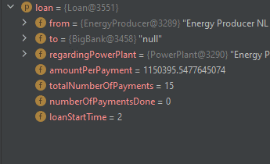
loan | calculated | from | to | PP | annuity | totalnumberofpayments | numberofpaymentsdone | loan start time
downpayment | calculated
dismantleTime | calculated
constructionStartTime | calculated
label | calculated
expectedNominalCapacity
electricityoutput
actualInvestedCapital | def
actualFixedOperatingCost | def
actualEfficiency | def

create cash flow
create loan and assign loan to power plant

save loan in power plant

