Sheet1
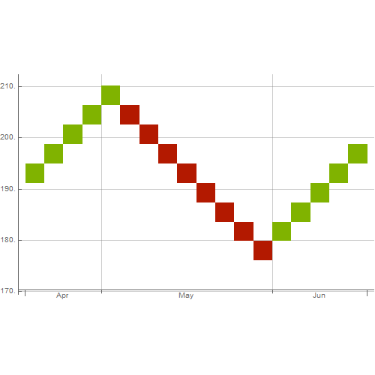
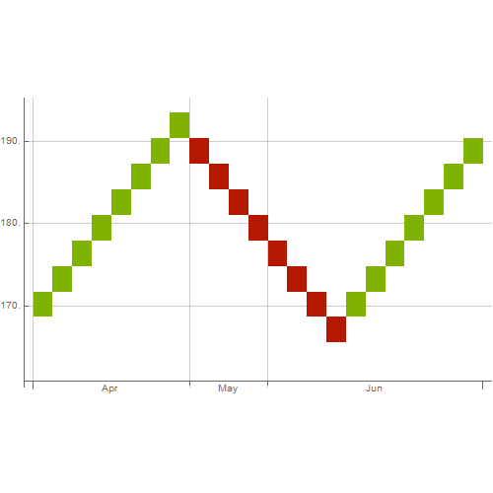
Stock | Qty | Value
AAPL | 5 | 1019.3 US dollars
FB | 4 | 779.769 US dollars
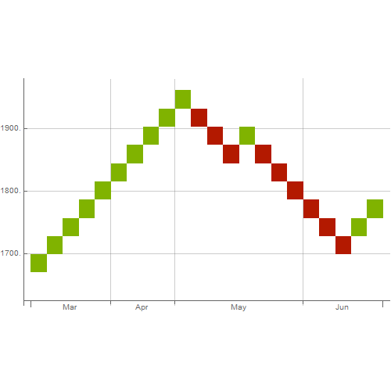
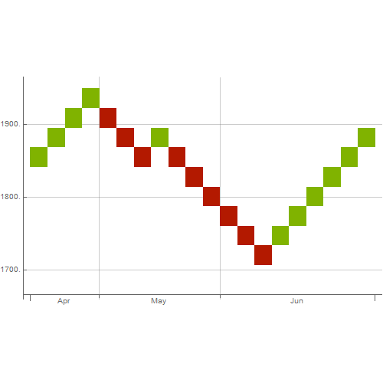
AMZN | 3 | 5782.95 US dollars
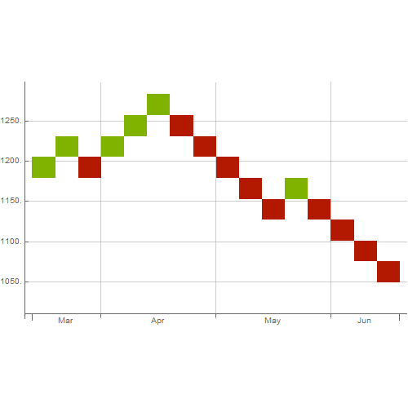
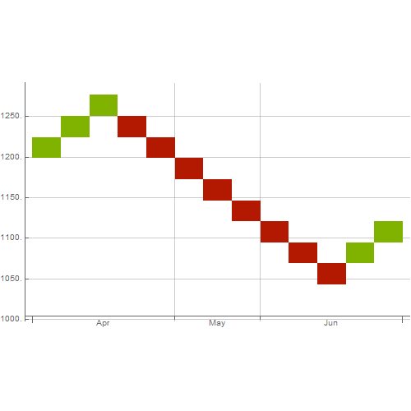
GOOGL | 10 | 11081.9 US dollars
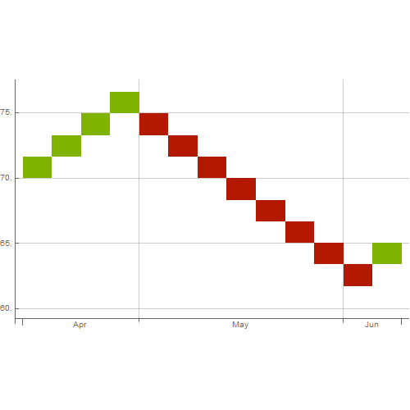
F:BMW | 1 | 64.85 euros
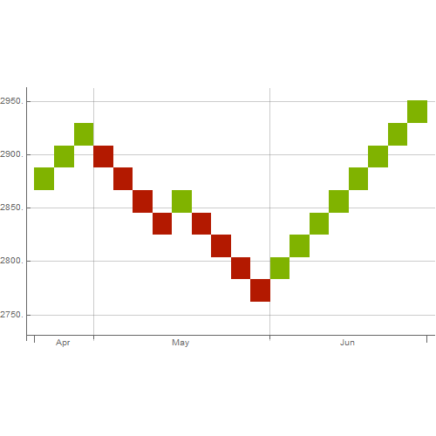
SP500 | 100 | 294176
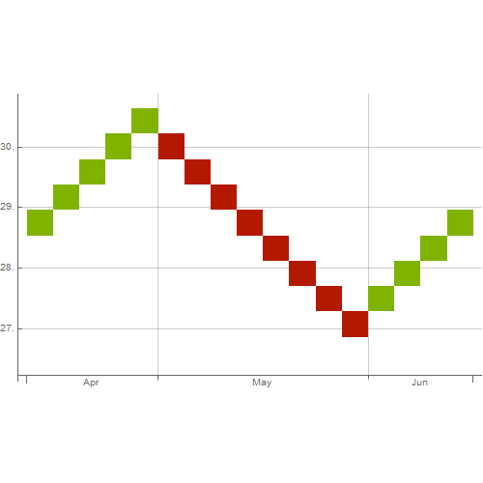
BAC | 2 | 59.277 US dollars
VIX | 5 | 75.4

