Sheet1
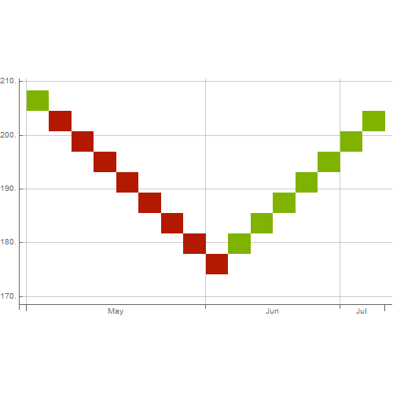
Stock | Qty | Value
AAPL | 5 | 1023.61 US dollars
FB | 4 | 805.54 US dollars
AMZN | 3
GOOGL | 10
F:BMW | 1
SP500 | 100
BAC | 2
VIX | 5

