Sheet1
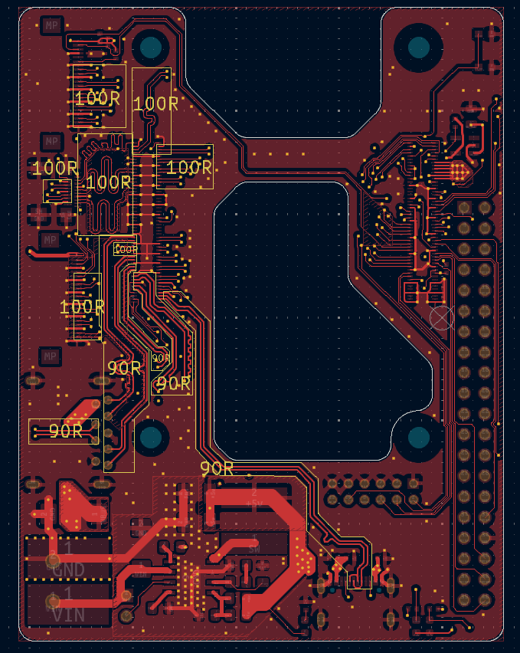
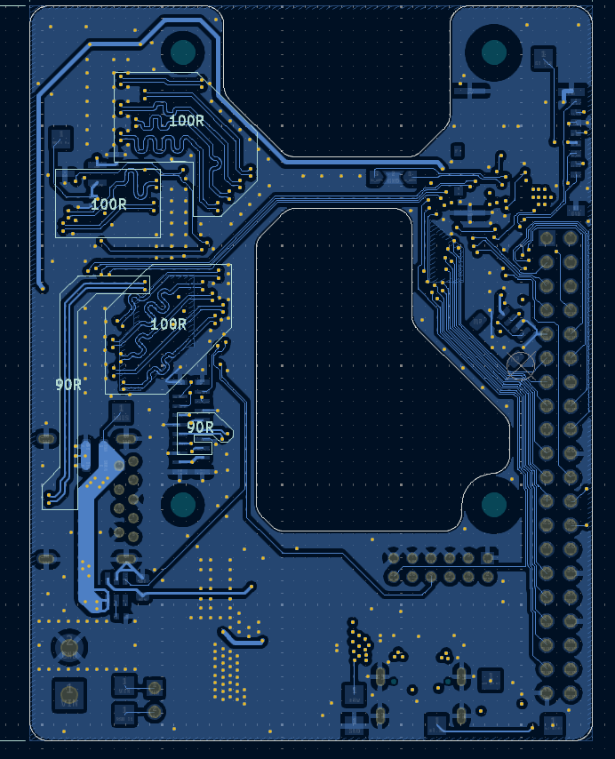
Signal Layer | Reference Layer | Impedance Type | Trace Width（mil) | Trace Spacing（mil) | Impedance(ohm)±10% | Position
L1 | L2 | Differential Pair (Non coplanar) | 4.25 | 5.9055 | 100
L4 | L3 | Differential Pair (Non coplanar) | 4.25 | 5.9055 | 100
L1 | L2 | Differential Pair (Non coplanar) | 6.6 | 9.9606 | 90
L4 | L3 | Differential Pair (Non coplanar) | 6.6 | 9.9606 | 90

