Sheet1
名称 | 质量（g） | 模型图片
base_link | 150 | 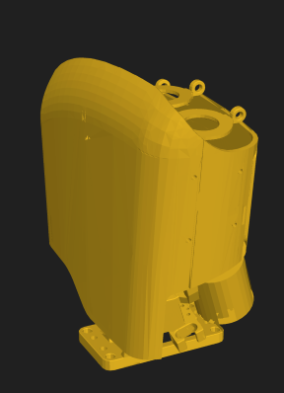
left_hand_index_DIP_link | 15 | 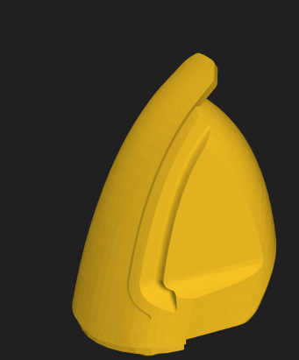
left_hand_index_MCP_link | 30 | 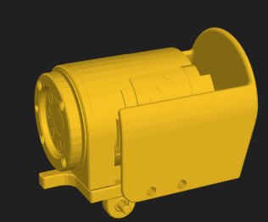
left_hand_index_PIP_link | 40 | 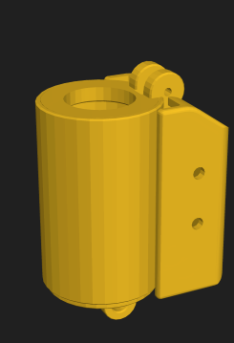
left_hand_index_swing_link | 70 | 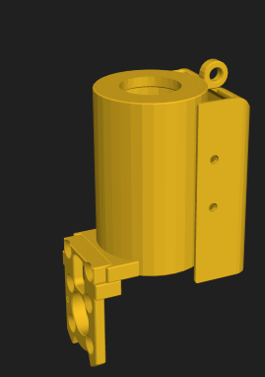
left_hand_mid_DIP_link | 15 | 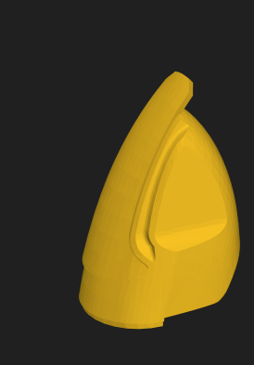
left_hand_mid_MCP_link | 30 | 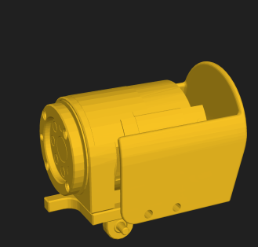
left_hand_mid_PIP_link | 40 | 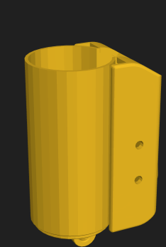
left_hand_mid_swing_link | 70 | 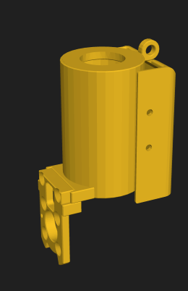
Left_hand_palm_link | 17 | 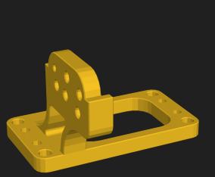
left_hand_pinky_DIP_link | 15 | 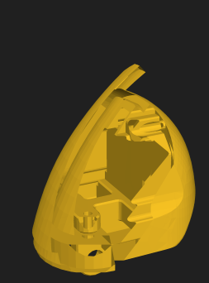
left_hand_pinky_MCP_link | 30 | 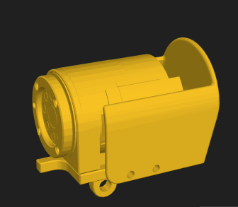
left_hand_pinky_PIP_link | 40 | 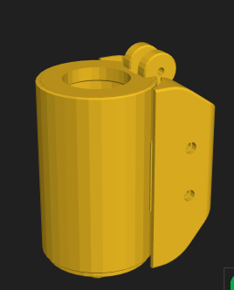
left_hand_pinky_SWING_link | 70 | 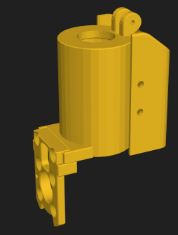
left_hand_ring_DIP_link | 15 | 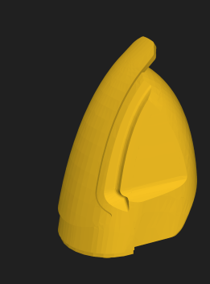
left_hand_ring_MCP_link | 30 | 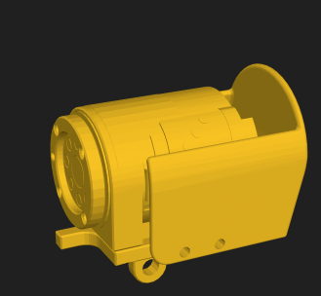
left_hand_ring_PIP_link | 40 | 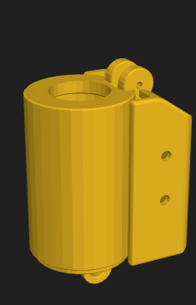
left_hand_ring_swing_link | 70 | 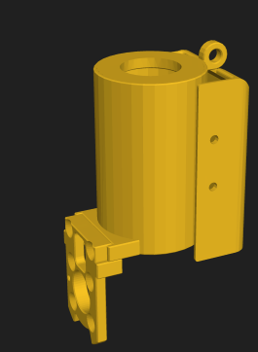
left_hand_thumb_MCP_link | 40 | 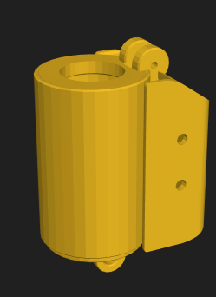
left_hand_thumb_PIP_link | 15 | 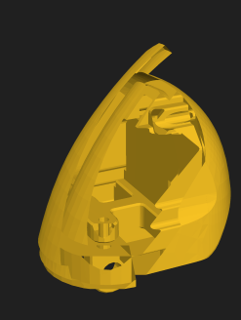
left_hand_thumb_rota_block_link | 35 | 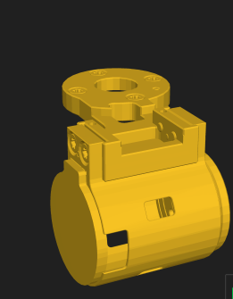
left_hand_thumb_rotaback_link2 | 75 | 