default_1
key | Response.lowestdose.predicted | Response.highestdose.predicted | Response.difference | HillCoefficient | IC50.relative | IC50.relative.lower | IC50.relative.higher | pIC50 | FitIsValid | Activity.call | Problem | RSE | b | c | d | e | p.value | Dose | Response | Image | Iteration | target
EOS100308 | 104.0 | 13.6 | 90.8 | 2.51 | 0.292 | 0.209 | 0.374 | 6.53 | 1 | active |  | 7.970358695609969 | 2.513231598178273 | 13.637288971318435 | 104.4550612023477 | 0.29161007760272506 | 6.32E-14 | 50,50,15.8127767235927,15.8127767235927,5.00087815420388,5.00087815420388,1.58155539348636,1.58155539348636,0.500175646263872,0.500175646263872,0.158183316338985,0.158183316338985,0.0500263492533161,0.0500263492533161,0.0158211098207831,0.0158211098207831,0.00500351354230964,0.00500351354230964 | 31.3209905406598,4.17607971073494,4.22608480287653,11.4831065257692,13.3914160368687,19.2399173633127,4.87458016012625,22.8737952634444,40.1480674340921,24.6153338651501,93.3901384198548,83.2828264448919,100.2952918504,105.917853938529,104.552269851563,107.152534642926,102.593955248322,104.00090480418 | 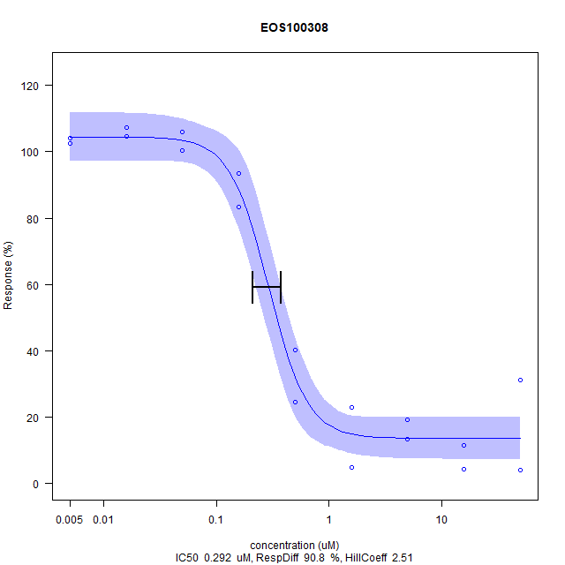 | 0 | AKT1
EOS100444 | 58.8 | 5.62 | 53.2 | 1.2 | 0.00494 | -0.021 | 0.0309 | 8.31 | 0 | inconclusive | IC50 lower than lowest measured concentration | 9.408300654370285 | 1.2027514562144115 | 5.619766194459017 | 112.79797003439475 | 0.004944151999955987 | 1.81E-6 | 50,50,15.8127767235927,15.8127767235927,5.00087815420388,5.00087815420388,1.58155539348636,1.58155539348636,0.500175646263872,0.500175646263872,0.158183316338985,0.158183316338985,0.0500263492533161,0.0500263492533161,0.0158211098207831,0.0158211098207831,0.00500351354230964,0.00500351354230964 | 18.7254670698142,14.0375551332321,5.44793697578104,-2.40338610397761,0.699024062921594,3.59120339741403,22.4787288548494,2.19289346480571,-10.2591598987436,7.58375656578641,-3.98417535188793,5.11675141787998,21.2689197931412,13.4443010034268,18.7448407704345,32.2286745953973,55.3710835998744,62.5699842209063 | 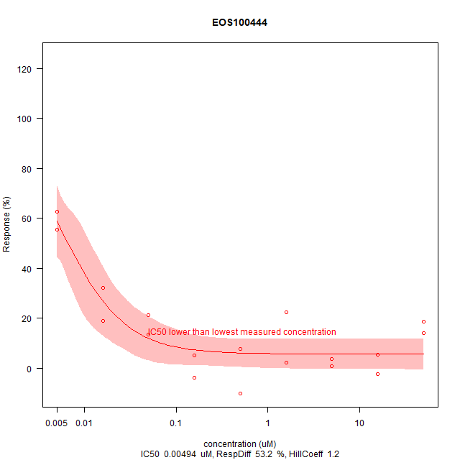 | 1 | AKT1
EOS100444_LOW | 104.0 | 15.5 | 88.5 | 1.42 | 0.0084 | 0.00668 | 0.0101 | 8.08 | 1 | active |  | 4.02059974688694 | 1.4186295987920028 | 15.205370434803866 | 104.06302104542866 | 0.008400634036805396 | 0.0 | 0.5,0.5,0.158127767235927,0.158127767235927,0.0500087815420388,0.0500087815420388,0.0158155539348636,0.0158155539348636,0.00500175646263872,0.00500175646263872,0.00158183316338985,0.00158183316338985,0.000500263492533161,0.000500263492533161,0.000158211098207831,0.000158211098207831,5.00351354230964e-05,5.00351354230964e-05 | 23.4395596829101,12.4790194603587,-4.88112532925473,13.9820520990226,18.219132786035,21.2301723919006,46.720726272911,37.1592814032633,77.7890732852115,73.3810327805632,98.0903552743984,91.1032563263641,104.456448575522,102.602071258042,104.669297475581,104.879790114753,106.628397499117,99.9669861669159 | 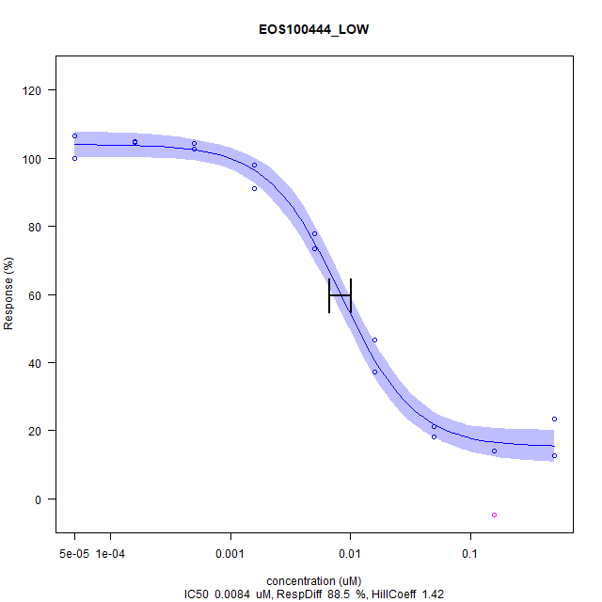 | 2 | AKT1
EOS100458 | 105.0 | 4.42 | 101.0 | 1.04 | 1.65 | 1.19 | 2.1 | 5.78 | 1 | active |  | 4.511557728769711 | 1.043735142201663 | 1.5619642373007743 | 105.09152542746318 | 1.6482840769950635 | 0.0 | 50,50,15.8127767235927,15.8127767235927,5.00087815420388,5.00087815420388,1.58155539348636,1.58155539348636,0.500175646263872,0.500175646263872,0.158183316338985,0.158183316338985,0.0500263492533161,0.0500263492533161,0.0158211098207831,0.0158211098207831,0.00500351354230964,0.00500351354230964,0.00158238884956029,0.00158238884956029 | 3.52653865091088,3.73530280649926,11.002658788774,11.3295913343181,25.5806991629739,28.6530773018218,51.3414081733136,55.0440177252585,76.8303298867553,87.7648449039882,95.4103397341211,99.9204332840965,94.3901526341704,112.966223535204,100.980009847366,101.448744460857,101.157262432299,110.043525356967,105.872181191531,105.131659281142 | 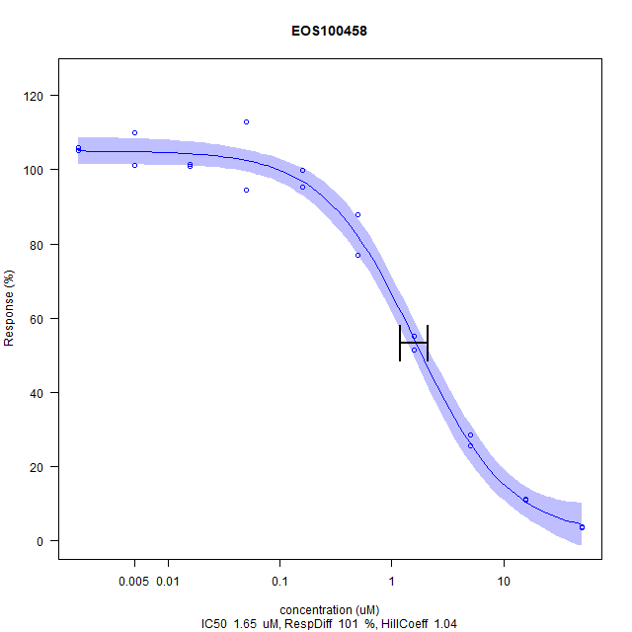 | 3 | HDAC
EOS100823 | 106.0 | 1.73 | 104.0 | 0.973 | 0.432 | 0.335 | 0.528 | 6.36 | 1 | active |  | 4.045637413282228 | 0.9725151182289778 | 0.7031486990052942 | 106.36135065726876 | 0.4315812051330896 | 0.0 | 50,50,15.8127767235927,15.8127767235927,5.00087815420388,5.00087815420388,1.58155539348636,1.58155539348636,0.500175646263872,0.500175646263872,0.158183316338985,0.158183316338985,0.0500263492533161,0.0500263492533161,0.0158211098207831,0.0158211098207831,0.00500351354230964,0.00500351354230964,0.00158238884956029,0.00158238884956029 | 2.8411619891679,3.0932545544067,3.51472181191531,4.03072378138848,8.46597735105859,8.66686361398326,22.0789758739537,22.784047267356,55.2252092565239,49.7540128015756,73.4467749876908,77.4723781388479,93.8977843426883,98.8726735598227,94.1144263909404,105.710684391925,99.467454455933,105.781585425899,104.76533727228,114.67572624323 | 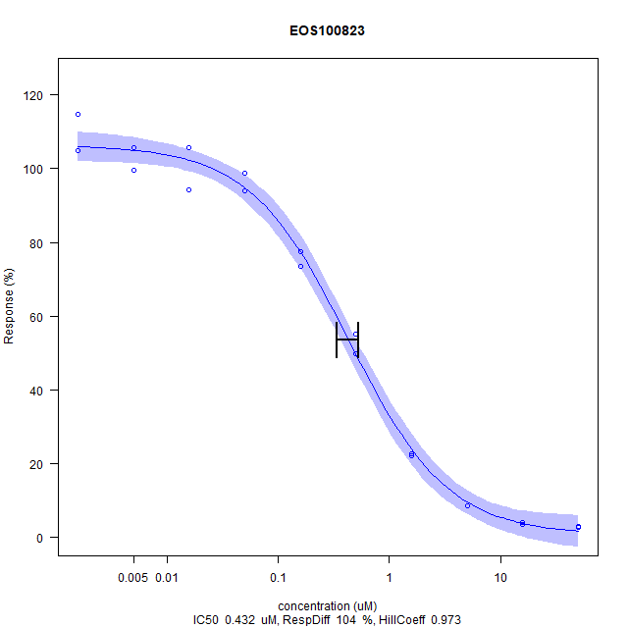 | 4 | HDAC
EOS101904 | 104.0 | 11.9 | 91.9 | 2.56 | 10.7 | 9.2 | 12.1 | 4.97 | 1 | active |  | 3.6347914964438193 | 2.5562766819890665 | 10.095849394528088 | 103.80513099033972 | 10.65475035168509 | 0.0 | 50,50,15.8127767235927,15.8127767235927,5.00087815420388,5.00087815420388,1.58155539348636,1.58155539348636,0.500175646263872,0.500175646263872,0.158183316338985,0.158183316338985,0.0500263492533161,0.0500263492533161,0.0158211098207831,0.0158211098207831,0.00500351354230964,0.00500351354230964 | 17.9479009773508,5.91238217713793,37.2579825537208,32.8418260393532,92.581679129105,91.8132762734216,103.20160875021,100.148418255157,104.355129357414,97.751053706778,105.6942709611,103.348220538688,104.951525168401,100.967611623278,105.132695449877,109.287568812636,106.841246399175,102.092857099846 | 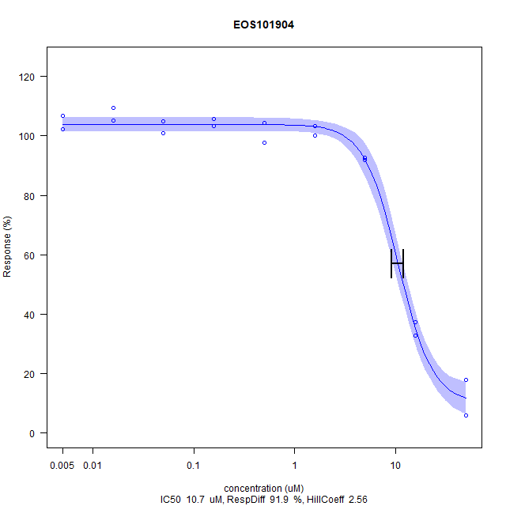 | 5 | AKT1
EOS102018 | 103.0 | 7.11 | 96.2 | 3.12 | 20.3 | 9.77 | 30.8 | 4.69 | 1 | active |  | 4.630978460063005 | 3.116396235252799 | 1.328604340944227 | 103.29971635317506 | 20.287240511766615 | 0.0 | 50,50,15.8127767235927,15.8127767235927,5.00087815420388,5.00087815420388,1.58155539348636,1.58155539348636,0.500175646263872,0.500175646263872,0.158183316338985,0.158183316338985,0.0500263492533161,0.0500263492533161,0.0158211098207831,0.0158211098207831,0.00500351354230964,0.00500351354230964,0.00158238884956029,0.00158238884956029 | 5.66932545544067,7.79635647464303,73.2419497784343,69.4802560315116,101.578729689808,99.3335302806499,98.5063515509601,105.092269817824,99.4359428852782,105.864303298868,101.318759231905,95.1149187592319,108.794879369769,110.17744953225,101.314820285574,100.637321516494,98.7426883308715,106.813589364845,112.465977351059,104.706253077302 | 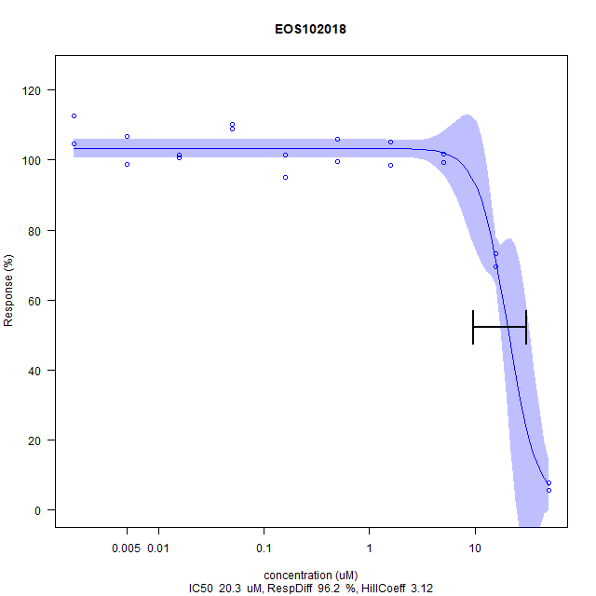 | 6 | HDAC

