default_1
EOS | Target | molecule rendered | Image | chembl_target_name | Response.lowestdose.predicted | Response.highestdose.predicted | Response.difference | HillCoefficient | IC50.relative | IC50.relative.lower | IC50.relative.higher | pIC50 | FitIsValid | Activity.call | Problem | RSE | b | c | d | e | p.value | Dose | Response
EOS100308 | AKT1 | 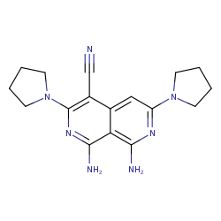 | 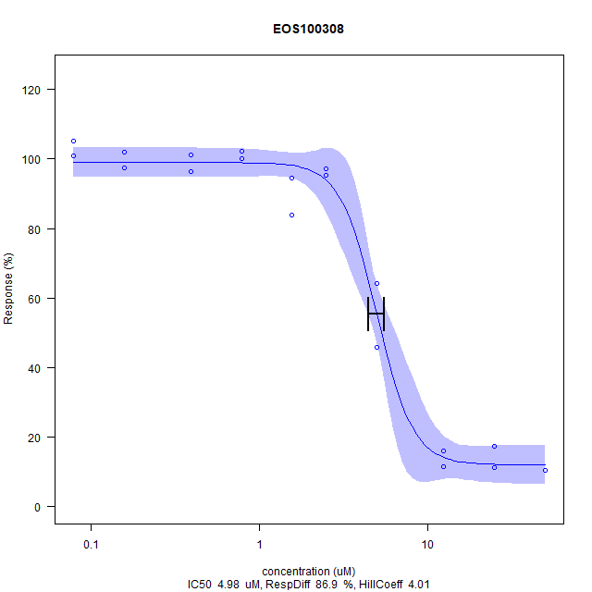 | Replicative DNA helicase, Recombinase A;Protein RecA, Apoptotic protease-activating factor 1, Putative fructose-1,6-bisphosphate aldolase | 98.9 | 12.0 | 86.9 | 4.01 | 4.98 | 4.45 | 5.51 | 5.3 | 1 | active |  | 5.716757965233558 | 4.010817388873038 | 12.037561946811127 | 98.94661402679614 | 4.982846733453403 | 0.0 | 50,50,25,25,12.5,12.5,5,5,2.5,2.5,1.5625,1.5625,0.78125,0.78125,0.390625,0.390625,0.15625,0.15625,0.078125,0.078125 | 10.3195462719602,10.3472126158528,17.3467976206944,11.2325356204178,11.4815327154517,16.0741458016323,45.8431318301286,64.1859178309586,97.1918660948956,95.2275556785171,83.7736893069581,94.3698990178448,102.282473371144,99.958500484161,101.231152303223,96.278876746438,101.92281090054,97.4685295338221,105.021441416517,100.899156176511
EOS100444 | AKT1 | 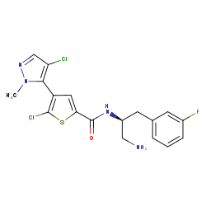 | 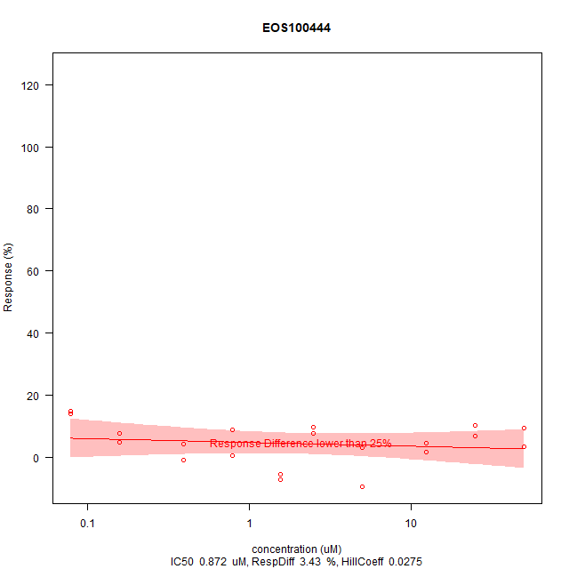 | RAC-alpha serine/threonine-protein kinase;Serine/threonine-protein kinase AKT, Serine/threonine-protein kinase AKT3, RAC-beta serine/threonine-protein kinase;Serine/threonine-protein kinase AKT2 | 6.06 | 2.63 | 3.43 | 0.0275 | 0.872 | -94.9 | 96.6 | 6.06 | 0 | inactive | Response Difference lower than 25% | 7.07198687756172 | 0.027539483807566562 | -33.77912746556129 | 43.329114603666575 | 0.8724645040928429 | 0.902 | 50,50,25,25,12.5,12.5,5,5,2.5,2.5,1.5625,1.5625,0.78125,0.78125,0.390625,0.390625,0.15625,0.15625,0.078125,0.078125 | 9.3235578918246,3.26462857933324,6.72292156591506,10.2365472402822,1.57698160188131,4.48194771061004,3.043297828192,-9.65555401853645,7.63591091437266,9.51722229907318,-7.41458016323143,-5.64393415410154,0.470327846175128,8.74256467007885,4.12228524000553,-0.940655692350256,7.69124360215798,4.62027943007332,13.9438373218979,14.8568266703555
EOS101904 | AKT1 | 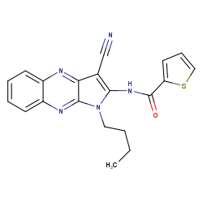 | 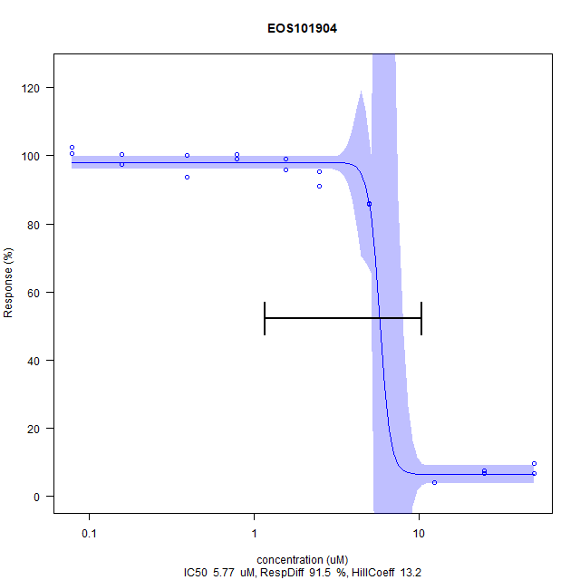 | Dihydrolipoyl dehydrogenase, mitochondrial;Dihydrolipoamide dehydrogenase;Dihydrolipoyl dehydrogenase | 97.9 | 6.45 | 91.5 | 13.2 | 5.77 | 1.16 | 10.4 | 5.24 | 1 | active |  | 2.984208982771105 | 13.156863242492971 | 6.454682506805158 | 97.93468327833055 | 5.770750220720992 | 0.0 | 50,50,25,25,12.5,12.5,5,5,2.5,2.5,1.5625,1.5625,0.78125,0.78125,0.390625,0.390625,0.15625,0.15625,0.078125,0.078125 | 9.57255498685849,6.69525522202241,7.38691381933877,6.83358694148568,4.06695255222022,4.17761792779084,85.7656660672292,86.0146631622631,95.3658873979804,91.1329367824042,98.9071794162401,95.8638815880481,100.318162954766,98.9071794162401,100.041499515839,93.7612394522064,100.290496610873,97.4408631899294,102.503804122285,100.67782542537
EOS102026 | AKT1 | 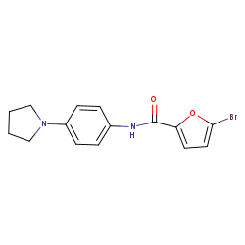 | 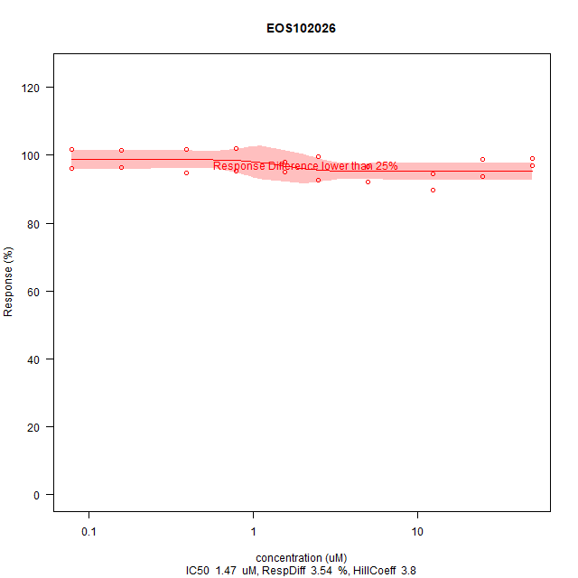 | Induced myeloid leukemia cell differentiation protein Mcl-1 homolog;Induced myeloid leukemia cell differentiation protein Mcl-1 | 98.7 | 95.2 | 3.54 | 3.8 | 1.47 | -0.856 | 3.8 | 5.83 | 0 | inactive | Response Difference lower than 25% | 3.361376572132703 | 3.7972691350204917 | 95.18779068472126 | 98.72364092343362 | 1.4729085261635697 | 0.176 | 50,50,25,25,12.5,12.5,5,5,2.5,2.5,1.5625,1.5625,0.78125,0.78125,0.390625,0.390625,0.15625,0.15625,0.078125,0.078125 | 98.9625121040255,96.832203624291,98.7688476967769,93.6229077327431,94.5635634250934,89.5836215244155,96.5555401853645,92.1289251625398,99.4881726379859,92.5439203209296,97.9665237238899,95.1445566468391,102.005809932217,95.3658873979804,101.756812837184,94.674228800664,101.397150366579,96.3618757781159,101.729146493291,96.0022133075114
EOS100458 | HDAC | 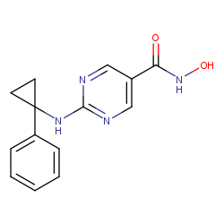 | 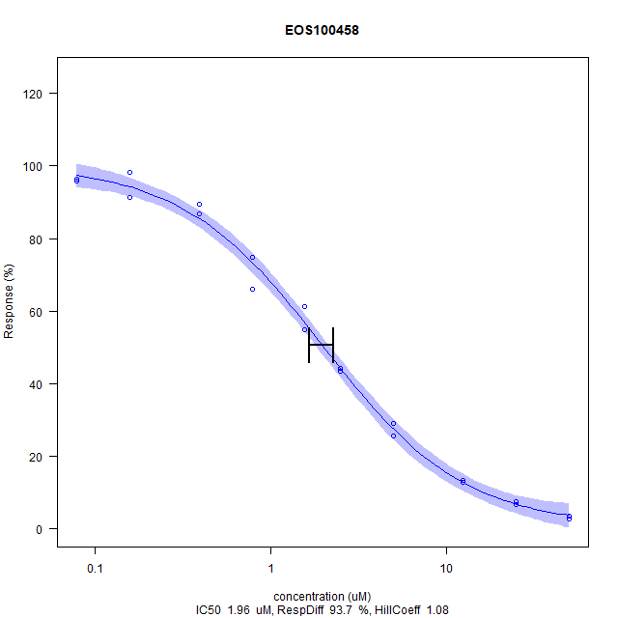 | Histone deacetylase 6 | 97.4 | 3.72 | 93.7 | 1.08 | 1.96 | 1.66 | 2.27 | 5.71 | 1 | active |  | 2.888151406365576 | 1.0752629195278587 | 0.7463461968380485 | 100.41500031192527 | 1.9646322703494663 | 0.0 | 50,50,25,25,12.5,12.5,5,5,2.5,2.5,1.5625,1.5625,0.78125,0.78125,0.390625,0.390625,0.15625,0.15625,0.078125,0.078125 | 3.64401212472326,2.80397157104136,7.53928637934245,6.62993213465478,12.8179894891478,13.4521580352155,29.1064482423289,25.5745535991393,44.3557188967743,43.4168804700917,61.152391839606,54.7499275827109,74.8193447269868,66.0721121019635,89.321424137717,86.8654435041692,98.3508255570959,91.3591949266516,95.9558823529412,96.4059040781279
EOS100823 | HDAC | 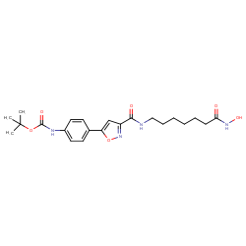 | 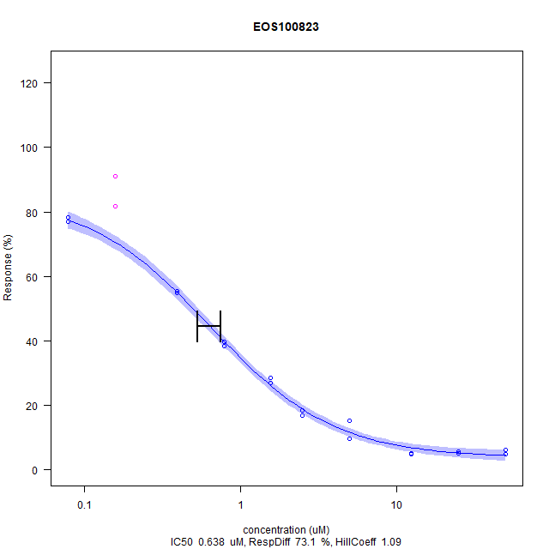 | Histone deacetylase 1, Histone deacetylase 10, Histone deacetylase 6, Histone deacetylase 2, Histone deacetylase 3 | 77.5 | 4.46 | 73.1 | 1.09 | 0.638 | 0.531 | 0.746 | 6.2 | 1 | active |  | 1.7291706209372881 | 1.0879248301388194 | 3.763700715068139 | 85.04106212229105 | 0.6384583768042358 | 0.0 | 50,50,25,25,12.5,12.5,5,5,2.5,2.5,1.5625,1.5625,0.78125,0.78125,0.390625,0.390625,0.15625,0.15625,0.078125,0.078125 | 4.73880635616892,6.22232625023277,5.69678363783079,4.99485319980965,5.09856510314291,4.97959384246136,9.65723345264944,15.2517276696116,16.8394767333595,18.312909933583,26.9815180732863,28.5628013076493,39.7057530363535,38.4319846475347,54.9159700813143,55.396769154373,81.6658821460346,91.1742722062444,78.3020990668515,76.829959032505
EOS101967 | HDAC | 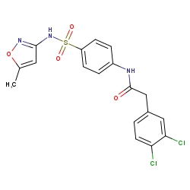 | 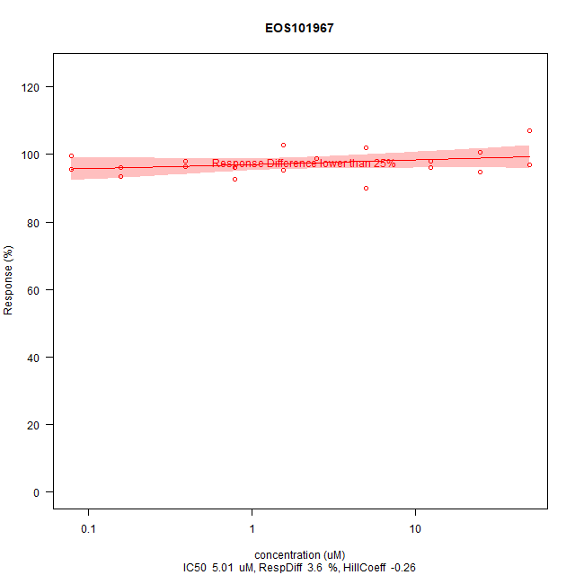 | 6-phospho-1-fructokinase, putative;6-phospho-1-fructokinase | 95.7 | 99.3 | 3.6 | -0.26 | 5.01 | -17.2 | 27.2 | 5.3 | 0 | inactive | Response Difference lower than 25% | 3.94669952431988 | -0.25993659053086615 | 93.34557608581186 | 102.5221113216366 | 5.005932676484436 | 0.568 | 50,50,25,25,12.5,12.5,5,5,2.5,2.5,1.5625,1.5625,0.78125,0.78125,0.390625,0.390625,0.15625,0.15625,0.078125,0.078125 | 107.020726862676,97.0266236990751,100.695335292049,94.807033787838,97.8697678508618,96.0743363472719,101.972983178498,90.0127506155469,98.8730059382177,98.8373145600132,102.633790941632,95.3605087831826,92.5783917154621,96.0272651093501,96.3355558544206,97.8661469864062,93.4168804700917,96.0771813122013,99.5824367383253,95.5606908609381
EOS102018 | HDAC | 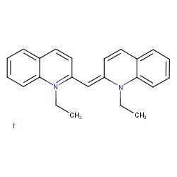 | 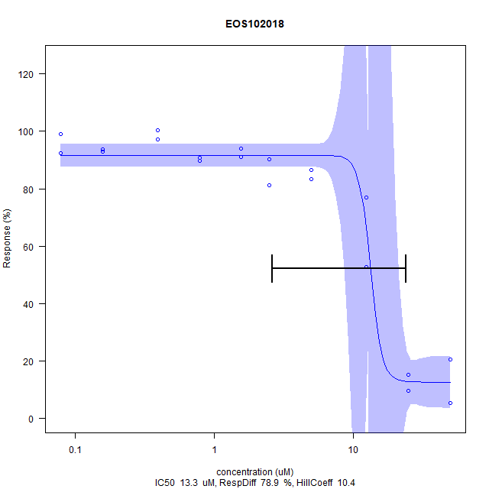 | Equilibrative nucleoside transporter 4, Solute carrier family 22 member 2 | 91.6 | 12.7 | 78.9 | 10.4 | 13.3 | 2.61 | 24.1 | 4.88 | 1 | active |  | 7.098814864622979 | 10.395326781768294 | 12.691084491556158 | 91.58690303570444 | 13.332093040003464 | 6.36E-14 | 50,50,25,25,12.5,12.5,5,5,2.5,2.5,1.5625,1.5625,0.78125,0.78125,0.390625,0.390625,0.15625,0.15625,0.078125,0.078125 | 5.41306304442283,20.6631095983944,15.175948149221,9.71413275123627,76.9455680619064,52.8246622250729,86.502322525915,83.3131168401233,90.2770737208003,81.0847334009228,94.0399277896174,91.0793538308746,89.7639455008173,90.6676098156463,100.324196685357,97.0436934886512,92.9523752870828,93.7962953383957,98.8916275268461,92.4687312490948

