mainTable 15
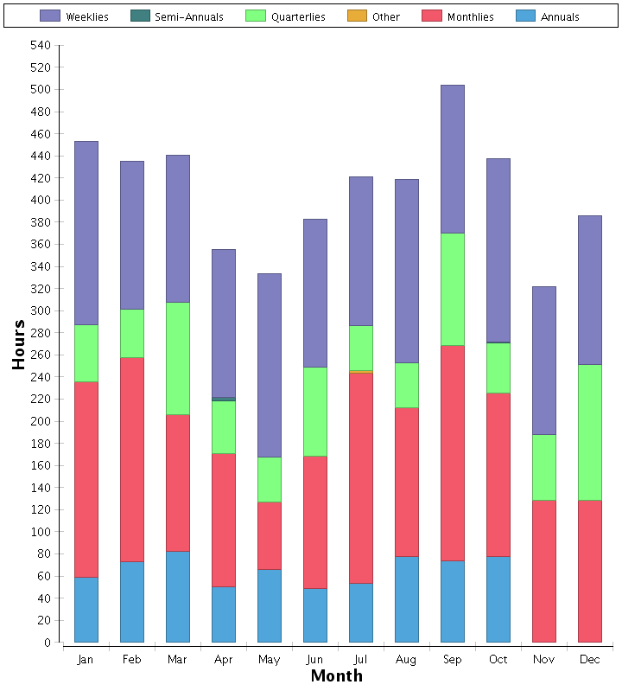
PMI_12MoCal_ups (1.0.5)
PMI 12 Month Calendar
Reporting for 0377 - TXANT - SAN ANTONIO HUB
Total Number of PMs and Estimated Hours by Month for 2026

