MOBILITY
REVIEW AND COMMENT SHEET |  |  | WorkStream: | MOBILITY
 | Submission: | Baseline | Revision: | V01 | Doc Ref.: |  | Prepared by: |  |  |  | Date:
COMMENT IDENTIFICATION |  |  |  |  |  | ROUND 1 – CLIENT / RUA |  |  |  | ROUND 1 – DESIGNER RESPONSE |  |  | ROUND 2 – CLIENT / RUA |  |  |  | ROUND 2 – DESIGNER RESPONSE |  |  | ROUND 3 – CLIENT / RUA |  |  |  | ROUND 3 – DESIGNER RESPONSE |  |  | FINAL (CLIENT ONLY)
No. | Submission | Milestone | Topic | Doc / Drawing Ref. | Discipline | R1 – RUA Comment | R1 – Comment By | R1 – Status (CLIENT ONLY) | CRITICAL | R1 – Designer Response | R1 – Response By | R1 – Response Date | R2 – RUA Comment | R2 – Comment By | R2 – Status (CLIENT ONLY) | CRITICAL | R2 – Designer Response | R2 – Response By | R2 – Response Date | R3 – RUA Comment | R3 – Comment By | R3 – Status (CLIENT ONLY) | CRITICAL | R3 – Designer Response | R3 – Response By | R3 – Response Date | Final Status (CLIENT ONLY) | CRITICAL | Remarks / Notes
1 | Baseline | Step I | Ring Road Connector integration strategy | Page # 173 Optioneering & Further Development | Mobility | 1st Ring Road level (312 m) seems to be Ellipsoidal level. Final layout is subjected to Detailed Topographical Survey (Orthometric level) levels. | NNF | B
2 | Baseline | Step I | Ring Road Connector integration strategy | Page # 173 Optioneering & Further Development | Mobility | Proposed Option 01 and 02 to be checked for intended vehicular swept path, to see impact of development | NNF | B
3 | Baseline | Step I | Ring Road Connector integration strategy | Page # 176 Section of Option 02 (with Tie in lvl +317m) | Mobility | Proposed Section A-A' does not match with horizontal layout at Page # 173 | NNF | B
4 | Baseline | Step I | Ring Road Connector integration strategy | Page # 176 Key Action Slide | Mobility | 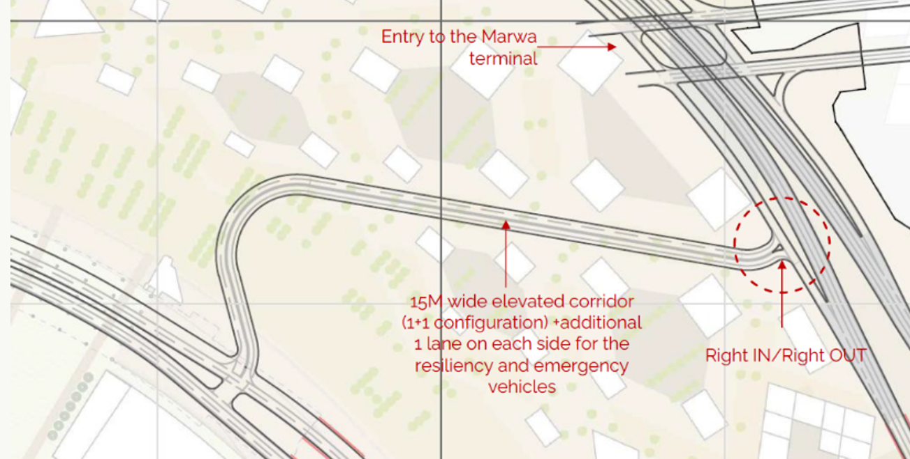 Carriageway width is as per RCMC Option 2, which was studied in detailed during CMP Stage (below screen shot) | NNF | A
5 | Baseline | Step I | Ring Road Connector integration strategy | General Comment | Mobility | Full slide deck will be required for BoD Meeting. Concept Design of RR connection with all relevant disciplines's drawings/ documents. | NNF
6 | Baseline | Step I | Ring Road Connector integration strategy | Page # 176 Key Action Slide | Mobility | For the RR connector Section AA Option 2, how is the proposed ring road level of +324m connecting with existing 1st RR level of +312m (or +308)? There will be a difference of 12m requiring very steep ramp to connect the short distance. | HR | B
7 | Baseline | Step I | Ring Road Connector integration strategy | General Comment | Mobility | What will be changes under 2nd RR at King Fahd Road? Will it be signalized junction? | NNF | B
8 | Baseline | Step I | Ring Road Connector integration strategy | MCMP Comments tracker | Infrastructure | comment no. 7 in the MCMP comments tracker still open, to be addressed and closed during the appropriate stage of the DMP without impacting any subsequent dependent stage. | ABA | B
9 | Baseline | Step I | Ring Road Connector integration strategy | Ring Road Connector Integration Strategy – General | MP | Confirm the preferred Ring Road Connector option agreed during the workshop and identify assumptions adopted for progression into DMP. | PGMG | B
10 | Baseline | Step I | Ring Road Connector integration strategy | Ring Road Connector Integration Strategy – General | MP | Provide a consolidated summary of impacts on adjacent plots, development parcels, and public realm interfaces resulting from the selected RR alignment. | PGMG | B
11 | Baseline | Step I | Ring Road Connector integration strategy | Ring Road Connector Integration Strategy – General | MP | Clarify interfaces and dependencies with parallel workstreams including infrastructure, utilities, crowd movement, and constructability. | PGMG | B
12 | Baseline | Step I | Ring Road Connector integration strategy | Ring Road Connector Integration Strategy – General | MP | Demonstrate alignment between the proposed RR strategy and the latest stakeholder inputs and mobility assumptions. | PGMG | B
13 | Baseline | Step I | Ring Road Connector integration strategy | Ring Road Connector Integration Strategy – General | MP | Provide a comparison matrix between CMP and revised RR configurations, including affected plots, GFA impacts, and planning implications prior to design freeze. | PGMG | B
14 | Baseline | Step I | Ring Road Connector integration strategy | Ring Road Connector Integration Strategy – General | MP | Identify temporary assumptions pending completion of supporting studies and assess potential impacts if revised. | PGMG | B
15 | Baseline | Step I | Temporary & Permanent Bus Stations | Page # 184 Shaeb Amer Bus Station Test fit | Mobility | Layout to show RR connection to fully understand access points | NNF | C
16 | Baseline | Step I | Temporary & Permanent Bus Stations | Page # 184 Shaeb Amer Bus Station Test fit | Mobility | 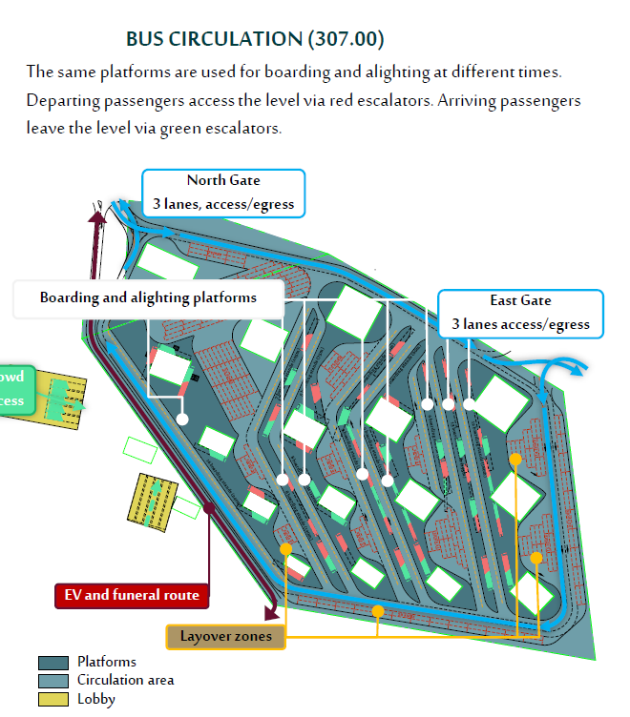 Number of lanes per access points, to be in line with Pre-concept (where 3+3 lanes are advised) | NNF | C
17 | Baseline | Step I | Temporary & Permanent Bus Stations | Page # 184 Shaeb Amer Bus Station Test fit | Mobility | Test fit to show columns locations to work out available space for space proofing | NNF | C
18 | Baseline | Step I | Temporary & Permanent Bus Stations | Page # 188 Shaeb Amer Bus Station overlay with Temporary Bus Station | Mobility | What will be available construction zone (along with buffer) once Temporary bus station is in operation and Permanent bus station works are started? | NNF | B
19 | Baseline | Step I | Temporary & Permanent Bus Stations | Page # 188 Shaeb Amer Bus Station overlay with Temporary Bus Station | Mobility | Phasing of Temporary bus station access via King Fahd to be fully studied with permanent work's phasing (Bus station and RR connection) | NNF | B
20 | Baseline | Step I | Temporary & Permanent Bus Stations | Page # 184 Shaeb Amer Bus Station Test fit | Mobility | SAE station capacity is 91,800 pp/hr equivalent to 1,224 buses/hr (ie. 102 active bays). Is it adequate to have only 1 bus ingress and 1 bus egress - is there an alternative route in case one access gets congested? How does the layout cater to buses entering from AlMasjid AlHaram Road or buses exiting to King Fahd tunnel? | HR | C
21 | Baseline | Step I | Temporary & Permanent Bus Stations | Page # 184 Shaeb Amer Bus Station Testfit | Mobility | Substation dedicated to serving bus station should be included in station footprint. Have the revised bus layout footprint considered incorporation of other MEP rooms, ancillary areas and back of house services and vertical circulation (lifts, escalators, staircases) areas? | HR | C
22 | Baseline | Step I | Temporary & Permanent Bus Stations | Page # 193 Shaeb Amer Bus Station overlay with Ring Road Connector | Mobility | RR connector tie-in levels subject to Detailed Topographical Survey | NNF | C
23 | Baseline | Step I | Temporary & Permanent Bus Stations | Page # 194 & 195 Shaeb Amer Bus Station overlay with Ring Road Connector - Constructability Inputs | Mobility | Both Temporary Bridge and Pedestrian Access show +307m level. Is it correct? Are pedestrian going over the bridge or under the bridge? | NNF | C
24 | Baseline | Step I | Temporary & Permanent Bus Stations | Page # 184 Shaeb Amer Bus Station Testfit | Mobility | In CMP, there were 102 active bays supported by 200 layover bays (ie. ratio of 1:2). We understood earlier that this ratio is to allow for quick bus turnaround with bus headways at every 5min intervals. However, in the BDMP report due to the reduction in bus station footprint, the number of active bus bays has been revised to 123 active bus bays with only 36 layover bays (ie. ratio reduced to 1:3.4). Please revert with confirmation that the revised ratio can support the bus operations at such high frequency of 1,224 buses per hour. | HR | C
25 | Baseline | Step I | Temporary & Permanent Bus Stations | Page # 193 Shaeb Amer Bus Station overlay with Ring Road Connector | Mobility | What are these "permanent Tunnels"? | NNF | B
26 | Baseline | Step I | Temporary & Permanent Bus Stations | Page # 184 Shaeb Amer Bus Station Testfit | Mobility | Please confirm whether the bus station upper concourse floor area are still aligned with LOS C (ie. 0.65 - 0.93m2/person) for sizing of passenger waiting areas. Does the revised station footprint accommodate this requirement? | HR | C
27 | Baseline | Step I | Temporary & Permanent Bus Stations | Page # 184 Shaeb Amer Bus Station Testfit | Mobility | 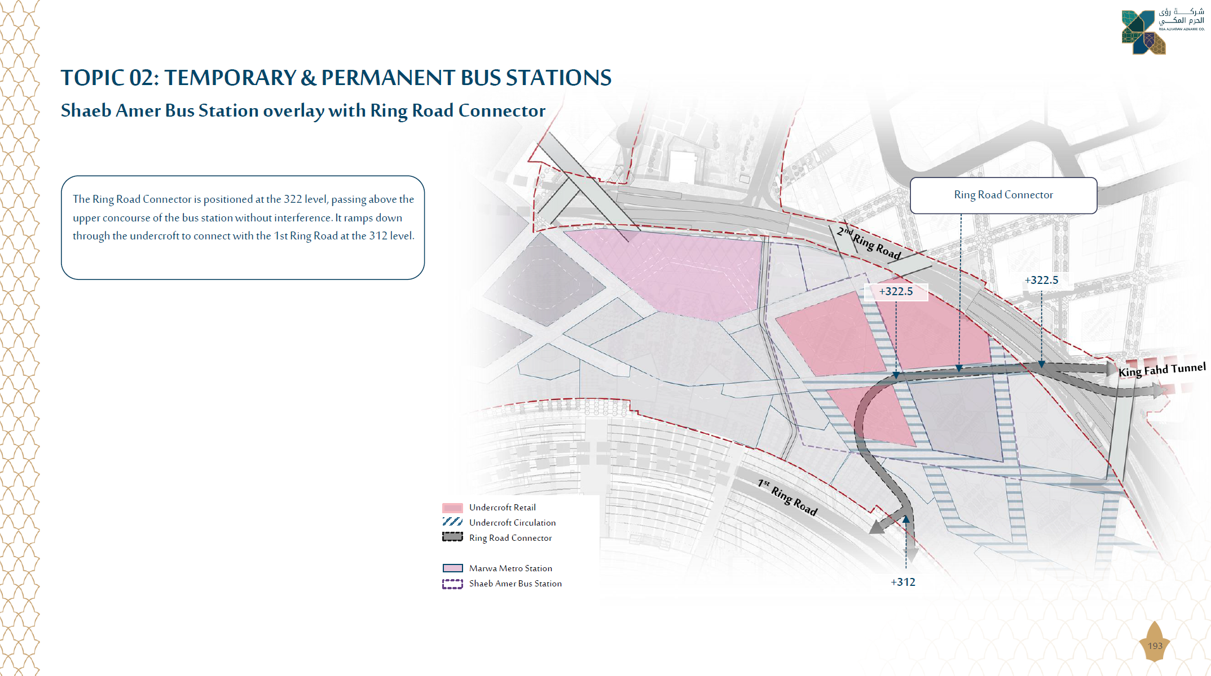 Noted that the ring road connector crossing at +322.5 level which is above the bus concourse at +307. Wouldn't this new road (+322.5) connecting to 1RR (+312) level be impacting on the headroom clearance of the bus concourse? | HR | C
28 | Baseline | Step I | Temporary & Permanent Bus Stations | Page # 197 Phase 1 - Temporary Bus Station Operational | Mobility | The sectional drawing of Shaeb Amer bus station shows pedestrian access (+307) blocking the route of bus ingress/egress (blue shaded area) from the temporary bus station (yellow shaded area). Please amend. | HR | C
29 | Baseline | Step I | Temporary & Permanent Bus Stations | Page #186 Shaeb Amer Bus Station Relocation | Mobility | What are the 2nd RR levels (over and under bridge) in relation with excavated Zamzam plaza level of 307m. | NNF | B
30 | Baseline | Step I | Temporary & Permanent Bus Stations | Page #178 Expanded JAK Bus Station (Permanent) | Mobility | For revised JAK bus station layout ie. inverted bus concourse, new bus ingress and egress is proposed to be tapped from the 2nd RR elevated road level, please seek RCMC's concurrence expressly before proceeding with the concept design revision. | HR | C
31 | Baseline | Step I | Temporary & Permanent Bus Stations | Page #178 Expanded JAK Bus Station (Permanent) | Mobility | For all bus stations, please ensure the quantity and width of bus lanes for bus ingress and egress are adequate to support the high frequency bus operations of approximately 930 buses (JAK), 1,224 buses (SAE) and 360 buses (Jarwal) per hour. | HR | C
32 | Baseline | Step I | Temporary & Permanent Bus Stations | Page #178 Expanded JAK Bus Station (Permanent) | Mobility | For the inverted JAK bus station proposal, please ensure that all routes corresponding to the various bus operations are able to access the bus concourse at the upper level, particularly pertaining to the inner-city bus routes, the 7 Grand Axes and to/from Hajj sites. Please provide another bus ingress access points via Omar Ibn Abdul Aziz road. | HR | C
33 | Baseline | Step I | Temporary & Permanent Bus Stations | Page #54 Topic 1: Impact of SGS Guidelines - MCMP - Jarwal Plaza Option 1 | Mobility | Noted that there is a new elevated plaza level added above the proposed Jarwal plaza. Based on RCMC's latest crowd projection (Jan 2026), the Crowd team has reported that Jarwal bus station needs to cater to increased crowd flow larger than what the station footprint can accommodate - is the new elevated plaza able to accommodate this increase in spillover crowds? | HR | C
34 | Baseline | Step I | Temporary & Permanent Bus Stations | Permanent Bus Station- Utility Assessment | Infrastructure | Utility assessment with appropriate (as applicable) demand calculations and networks, plants, corridors update to be addressed and closed in the appropriate stage of the DMP without impacting any subsequent dependent stage. | PgMC | C
35 | Baseline | Step I | Temporary & Permanent Bus Stations | Temporary & Permanent Bus Stations – General | MP | Have the operational assumptions for transition from temporary to permanent bus station operations been validated, and are there any impacts on circulation, accessibility, and adjacent developments during phased implementation? | PgMC | C
36 | Baseline | Step I | Temporary & Permanent Bus Stations | Temporary & Permanent Bus Stations – General | MP | What are the downstream impacts if revised bus demand, crowd projections, or active bay requirements exceed the current planning assumptions? | PgMC | C
37 | Baseline | Step I | Temporary & Permanent Bus Stations | Temporary & Permanent Bus Stations – General | MP | Have all workshop agreements and stakeholder decisions related to Ring Road (RR) connectivity, bus operations, and phasing strategy been obtained, and are any remaining items required to be closed prior to progression into the next DMP stage? | PgMC | B
38 | Baseline | Step I | Temporary & Permanent Bus Stations | Temporary & Permanent Bus Stations – General | MP | Have all key stakeholder decisions related to bus operations, Ring Road connectivity, phasing strategy, and station functionality been formally agreed, and are any unresolved governance items affecting progression into subsequent DMP stages? | PgMC | C
39 | Baseline | Step I | Latest RCMC Metro Network & Al Sulaymaniyah Station | Page # 205 Topic 3 RCMC New Metro Alignment - Al Sulaymaniyah Metro Station Impact | Mobility | Please assess and provide technical justifications for the placement of Al Sulaymaniyah station in terms of transport planning considerations ie. comparing the acceptable distance between metro stations against international benchmarks and train operations (ie. distance required for trains to accelerate, cruising and braking before arriving into the next station) e.g. energy consumption due to frequent start and stops. | HR | C
40 | Baseline | Step I | Latest RCMC Metro Network & Al Sulaymaniyah Station | Page # 205 Topic 3 RCMC New Metro Alignment - Al Sulaymaniyah Metro Station Impact | Mobility | BDMP report requested further info on potential station entry and exit points and queuing requirements. In the previous CMP stage, these were provided by the Consortium based on stated assumptions. Please refer CMP report Crowd Management section ie. Sulaymaniyah metro station to accommodate 117,000 pp/hour (incl 30 min queuing). Queuing requirements (area in m2) can be derived from this assumption. | HR | C
41 | Baseline | Step I | Latest RCMC Metro Network & Al Sulaymaniyah Station | Page # 205 Topic 3 RCMC New Metro Alignment - Al Sulaymaniyah Metro Station Impact | Mobility | Please provide the justification for placement of Al Sulaymaniyah station in terms of projected population catchment within its serving radius. Compare this against international benchmarks for minimum TOD population catchment to justify placement of new metro stations. | HR | C
42 | Baseline | Step I | Latest RCMC Metro Network & Al Sulaymaniyah Station | Page # 205 Topic 3 RCMC New Metro Alignment - Al Sulaymaniyah Metro Station Impact | Mobility | The site is already served by the proposed PRT system. Adding a metro station over a planned light rail system violates “one corridor, one trunk mode” principles and creates competing services for the same population catchment which in turn suggest inefficient infrastructure spending. This proposition will not be defensible when taken up to higher management. | HR | C
43 | Baseline | Step I | Latest RCMC Metro Network & Al Sulaymaniyah Station | Page # 204 Topic 3 RCMC New Metro Alignment - CMP vs DMP - Metro Alignment Difference | Mobility | Metro Line B text to read "Metro Line C" and Metro Line C text to read "Metro Line B" | NNF | B
44 | Baseline | Step I | Latest RCMC Metro Network & Al Sulaymaniyah Station | Page # 207 Topic 3 RCMC New Metro Alignment - Integration of Al Sulaymaniyah Station | Mobility | In terms of Crowd Safety, metro station configuration with limited surface dispersal may create non-compliance with crowd management standards and evacuation modeling as per NFPA 130 during mass gathering scenarios. This is since more than half of the serving coverage is mountainous terrain might make it difficult to create assembly spaces. Also, in high density mass gatherings, placing main transport hubs close together may create a fragmented crowd management environment by violating the principles of linear flow which is essential for safety. This is because peak scenarios rely on streaming pilgrims in one direction to prevent crush incidents and effective management require long reservoir spaces between nodes to absorb surges. Please address these concerns. | HR | C
45 | Baseline | Step I | Latest RCMC Metro Network & Al Sulaymaniyah Station | Page # 207 Topic 3 RCMC New Metro Alignment - Integration of Al Sulaymaniyah Station | Mobility | It is not clear which category of the public gets to benefit from this urban connection to Sulaymaniyah metro station. In terms of transport connectivity, pilgrims can simply take the PRT from Marwa station closest to Haram to get to Sulaymaniyah area instead of walking more than 1km to get to the remote metro station. | HR | C
46 | Baseline | Step I | Latest RCMC Metro Network & Al Sulaymaniyah Station | Page # 207 Topic 3 RCMC New Metro Alignment - Integration of Al Sulaymaniyah Station | Mobility | The station is located along the slopes of the mountainous terrain in Sulaymaniyah. This will inform on the method of station box construction and the site enabling works involved e.g. rock cutting and safety considerations. Any assessment of cost-benefit analysis shall include these considerations. | HR | C
47 | Baseline | Step I | Latest RCMC Metro Network & Al Sulaymaniyah Station | Page #203–205 – Latest RCMC Metro Network & Al Sulaymaniyah Station | MP | Confirm the preferred metro alignment and Al Sulaymaniyah Station integration approach agreed during the workshop for progression into DMP. | PgMC | B
48 | Baseline | Step I | Latest RCMC Metro Network & Al Sulaymaniyah Station | Page #203–205 – Latest RCMC Metro Network & Al Sulaymaniyah Station | MP | Provide a consolidated summary of impacts on adjacent plots, public realm interfaces, and development assumptions resulting from the updated metro network. | PgMC | B
49 | Baseline | Step I | Latest RCMC Metro Network & Al Sulaymaniyah Station | Page #203–205 – Latest RCMC Metro Network & Al Sulaymaniyah Station | MP | Clarify dependencies on RCMC inputs and identify assumptions adopted pending receipt of final metro information. | PgMC | B
50 | Baseline | Step I | Latest RCMC Metro Network & Al Sulaymaniyah Station | Page #203–205 – Latest RCMC Metro Network & Al Sulaymaniyah Station | MP | Demonstrate alignment between the updated metro strategy and mobility, crowd movement, and access assumptions across the masterplan. | PgMC | B
51 | Baseline | Step I | Latest RCMC Metro Network & Al Sulaymaniyah Station | Page #203–205 – Latest RCMC Metro Network & Al Sulaymaniyah Station | MP | Provide a comparison matrix between CMP and revised metro configurations, including impacts on affected plots and planning implications. | PgMC | C
52 | Baseline | Step I | Latest RCMC Metro Network & Al Sulaymaniyah Station | Page #203–205 – Latest RCMC Metro Network & Al Sulaymaniyah Station | MP | Confirm outstanding stakeholder actions and workshop decisions required prior to design freeze | PgMC | C
53 | Baseline | Step I | Jarwal Multimodal Hub | Utility Assessment | Infrastructure | - Provide utility demand calculation details (tables indicating plot No, GFA, land use, demand rate, demand). Impact on solid waste demand to be provided and included. - Layout and sizing of the utility networks, plants, stations and corridors to be updated in the upcoming stage. - Comments to be addressed and closed within the appropriate stage of the DMP without impacting any subsequent dependent stage. | ABA | B
54 | Baseline | Step I | Jarwal Multimodal Hub | Jarwal Multimodal Hub – General | MP | Confirm the preferred Jarwal Multimodal Hub strategy agreed during the workshop and identify assumptions adopted for progression into DMP. | PgMC | B
55 | Baseline | Step I | Jarwal Multimodal Hub | Jarwal Multimodal Hub – General | MP | Clarify interfaces and dependencies with metro, bus, crowd movement, and surrounding transport systems to ensure alignment across workstreams. | PgMC | B
56 | Baseline | Step I | Jarwal Multimodal Hub | Jarwal Multimodal Hub – General | MP | Provide a comparison between CMP and revised hub assumptions, including impacts on plot development, circulation, and planning implications. | PgMC | C
57 | Baseline | Step I | Jarwal Multimodal Hub | Jarwal Multimodal Hub – General | MP | Provide a comparison between CMP and revised hub assumptions, including impacts on plot development, circulation, and planning implications. | PgMC | C
58 | Baseline | Step I | Paramobility Network | Page # 218 Topic 5 - Paramobility Network | Mobility | Before coordinating with RCMC, RUA will first need to see the revised masterplan layout incorporating the paramobility route and the spatial provision for all associated amenities. Any paramobility proposal shall also be reflected in conjunction with Topic 3: Jabal AlKaaba Plaza & Heritage Plaza. | HR | C
59 | Baseline | Step I | Paramobility Network | Page #218 – Topic 5: Paramobility Network | MP | Confirm the preferred paramobility strategy and assumptions agreed during the workshop for progression into DMP. | PgMC | B
60 | Baseline | Step I | Paramobility Network | Page #218 – Topic 5: Paramobility Network | MP | Demonstrate alignment between the proposed paramobility network and pedestrian movement, crowd management, and public transport strategies. | PgMC | B
61 | Baseline | Step I | Paramobility Network | Page #218 – Topic 5: Paramobility Network | MP | Provide a consolidated impact assessment identifying affected plots, public realm interfaces, and planning implications arising from the proposed paramobility network. | PgMC | C
62 | Baseline | Step I | Paramobility Network | Page #218 – Topic 5: Paramobility Network | MP | Identify outstanding stakeholder actions and assumptions pending confirmation prior to progression into subsequent DMP stages. | PgMC | B
63 | Baseline | Step I | Parking Assumptions | Topic 06 – Parking Assumptions | MP | Confirm the approved parking strategy and rates with RCMC and identify assumptions adopted for progression into DMP. | PgMC | C
64 | Baseline | Step I | Parking Assumptions | Topic 06 – Parking Assumptions | MP | Provide a consolidated parking demand and supply summary by land use and plot, including deficit/surplus assessment. | PgMC | B
65 | Baseline | Step I | Parking Assumptions | Topic 06 – Parking Assumptions | MP | Demonstrate alignment between parking assumptions and the latest public transport strategy, including metro, bus, and paramobility networks. | PgMC | B
66 | Baseline | Step I | Parking Assumptions | Topic 06 – Parking Assumptions | MP | Clarify assumptions related to shared parking provisions and identify operational dependencies between plots. | PgMC | B
67 | Baseline | Step I | Parking Assumptions | Topic 06 – Parking Assumptions | MP | Identify outstanding stakeholder actions and workshop decisions required prior to progression into subsequent DMP stages. | PgMC | B
68
69
70
71
72
73
74
75
76
77
78
79
80
81
82
83
84
85
86
87
88
89
90
91
92
93
94
95
96
97
98
99
100
101
102
103
104
105
106
107
108
109
110
111
112
113
114
115
116
117
118
119
120
121
122
123
124
125
126
127
128
129
130
131
132
133
134
135
136
137
138
139
140
141
142
143
144
145
146
147
148
149
150
151
152
153
154
155
156
157
158
159
160
161
162
163
164
165
166
167
168
169
170
171
172
173
174
175
176
177
178
179
180
181
182
183
184
185
186
187
188
189
190
191
192
193
194
195
196
197
198
199
200

