Sheet1
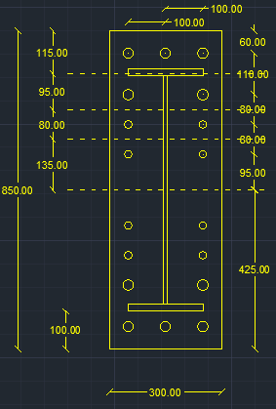
w | 10 | cm | inverse prop. |  | M | 60 | tm
a | 6 | cm | inverse prop. |  | Ix | 15350000000 | mm4
b | 4 | cm | direct prop. | 10
As | 4.59 | cm2 | direct prop. |  | Y mm | stress t/cm2 | w cm | h cm | applied force t | force / 0.6 t | T bolt | n | ps | Qall
tp | 2 | cm | inverse prop. |  | 425 | 0.1661237785 | 10 | 11.5 | 16.519543974 | 27.53257329 | 28.91 | 3 | 11.56 | 14.863404185
Text,b | 28.91 | tons |  |  | 310 | 0.12117263844 | 15 | 9.5 | 14.621335505 | 24.368892508 | 28.91 | 2 | 11.56 | 11.426977625
Text,act | 16.5 | tons |  |  | 215 | 0.084039087948 | 15 | 8 | 8.2084690554 | 13.680781759 | 15.43 | 2 | 6.17 | 5.7753526803
P | 5.1638235772 | tons |  |  | 135 | 0.052768729642 | 15 | 13.5 | 5.3428338762 | 8.904723127 | 15.43 | 2 | 6.17 | 8.0671179499
P% | 0.31295900468 |  |  |  | 0 | 0 | 15 | 0 | 0 | 0 | 0 | 0 | 0 | #DIV/0!
total applied | 21.663823577 | tons |  |  | 0 | 0 | 15 | 0 | 0 | 0 | 0 | 0 | 0 | #DIV/0!
tension req. | 27.5 | tons | pass |  | 0 | 0 | 15 | 0 | 0 | 0 | 0 | 0 | 0 | #DIV/0!
ten+prying req. | 27.079779472 | tons | pass

 |  |  |  |  |  |  | Qall |  | 40.13285244 | tons

