Sheet1
Prying force calculations |  |  |  | Q | 7.8 | t | straining actions

w | 10 | cm | inverse prop. | M | 44 | tm
a | 6 | cm | inverse prop. | Ix | 17620000000 | mm4 | Plate inertia
b | 4 | cm | direct prop.
As | 4.59 | cm2 | direct prop. | Y mm | stress t/cm2 | w cm | h cm | applied force t | force / 0.6 t | T bolt | is safe | n | ps | Qall
tp | 1.5 | cm | inverse prop. | 445 | 0.11112372304 | 10 | 11 | 10.712826334 | 17.854710556 | 19.08 | pass | 6 | 7.63 | 20.075954426
Text,b | 19.08 | tons |  | 335 | 0.083654937571 | 15 | 9.25 | 10.004646708 | 16.67441118 | 19.08 | pass | 4 | 7.63 | 14.516760087
Text,act | 10.712826334 | tons |  | 242.5 | 0.060556186152 | 15 | 9.25 | 6.7996949489 | 11.332824915 | 15.43 | pass | 4 | 6.17 | 13.804013523
P | 3.427723451 | tons |  | 150 | 0.037457434733 | 15 | 15 | 4.2139614075 | 7.0232690125 | 15.43 | pass | 4 | 6.17 | 17.939846563
P% | 0.31996443742 |  |  | 0 | 0 | 15 | 0 | 0 | 0 | 0 | not safe | 0 | 0 | #DIV/0!
total applied | 14.140549785 | tons |  | 0 | 0 | 15 | 0 | 0 | 0 | 0 | not safe | 0 | 0 | #DIV/0!
tension req. | 17.854710556 | tons | pass | 0 | 0 | 15 | 0 | 0 | 0 | 0 | not safe | 0 | 0 | #DIV/0!
ten+prying req. | 17.675687231 | tons | pass

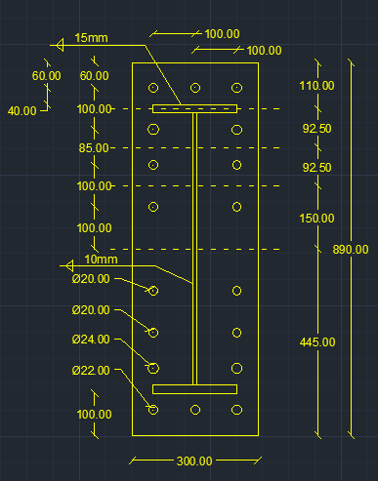

welding |  |  |  |  |  | Qall |  | 66.336574599 | tons | pass

steel ultimate stress | 5.2 | t/cm2
allowable stress | 1.04 | t/cm2 |  |  |  | Flanges weld |  | 1.5 | cm
Q | 7.8 | t
Mx | 44 | tm |  |  |  | web weld |  | 1 | cm
flange | 20 | cm
flange thickness | 2 | cm
web | 65 | cm
web thickness | 1 | cm
web weld length | 63 | cm
web weld thicnkess | 1 | cm
flange upper weld length | 20 | cm
flange lower weld length | 17 | cm
flange weld thickness | 1.5 | cm
Ix | 166958.25 | cm 3
A (axial stress) | 0.89603239133 | t/cm2 | pass
B (axial stress) | 0.85650155054 | t/cm2 | pass
web (shear stress) | 0.061904761905 | t/cm2 | pass
B (combined stress) | 0.86318683071 | t/cm2 | pass

