Sheet1
Prying force calculations |  |  |  | Q | 9 | t | straining actions

w | 8.75 | cm | inverse prop. | M | 60 | tm
a | 6 | cm | inverse prop. | Ix | 17300000000 | mm4 | Plate inertia
b | 4 | cm | direct prop.
As | 4.59 | cm2 | direct prop. | Y mm | stress t/cm2 | w cm | h cm | applied force t | force / 0.6 t | T bolt | is safe | n | ps | Qall
tp | 2 | cm | inverse prop. | 470 | 0.16300578035 | 8.75 | 12.5 | 15.45791185 | 25.763186416 | 28.91 | pass | 6 | 7.63 | 21.301853875
Text,b | 28.91 | tons |  | 345 | 0.11965317919 | 15 | 10.5 | 15.977601156 | 26.62933526 | 28.91 | pass | 4 | 7.63 | 13.652605075
Text,act | 15.45791185 | tons |  | 240 | 0.08323699422 | 15 | 9 | 9.1300578035 | 15.216763006 | 15.43 | pass | 4 | 6.17 | 10.07664118
P | 4.8574082315 | tons |  | 150 | 0.052023121387 | 15 | 15 | 5.8526011561 | 9.7543352601 | 15.43 | pass | 4 | 6.17 | 15.318872551
P% | 0.31423443727 |  |  | 0 | 0 | 15 | 0 | 0 | 0 | 0 | not safe | 0 | 0 | #DIV/0!
total applied | 20.315320081 | tons |  | 0 | 0 | 15 | 0 | 0 | 0 | 0 | not safe | 0 | 0 | #DIV/0!
tension req. | 25.763186416 | tons | pass | 0 | 0 | 15 | 0 | 0 | 0 | 0 | not safe | 0 | 0 | #DIV/0!
ten+prying req. | 25.394150101 | tons | pass

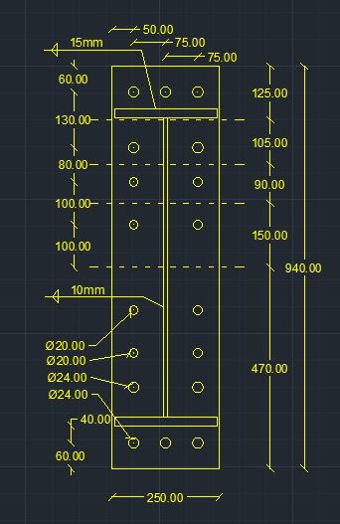
welding |  |  |  |  |  | Qall |  | 60.349972681 | tons | pass

steel ultimate stress | 5.2 | t/cm2
allowable stress | 1.04 | t/cm2 |  |  |  | Flanges weld |  | 1.5 | cm
Q | 9 | t
Mx | 60 | tm |  |  |  | web weld |  | 1 | cm
flange | 24 | cm
flange thickness | 2 | cm
web | 70 | cm
web thickness | 1 | cm
web weld length | 68 | cm
web weld thicnkess | 1 | cm
flange upper weld length | 24 | cm
flange lower weld length | 21 | cm
flange weld thickness | 1.5 | cm
Ix | 228148.33333 | cm 3
A (axial stress) | 0.95990181826 | t/cm2 | pass
B (axial stress) | 0.92045379833 | t/cm2 | pass
web (shear stress) | 0.066176470588 | t/cm2 | pass
B (combined stress) | 0.92756302786 | t/cm2 | pass

