Sheet1
input data |  |  | Stiffeners should be welded at least with minimum weld thickness to resist shear flow to act with plate as one section equals 0.4 cm | output data |  |  | m direction stiffneres , flanges plan perpendicular stiffeners |  |  | shear bolts threaded bolts

web length | 44 | cm |  | beam depth h | 48 | cm | min stifferer plan length ,bst,min | 11.443809065 | cm | Area bolt | 0.7853981634 | cm2
web thickness | 1.5 | cm |  | d (effective depth) | 45.6 | cm | stiffeners heigth , hst | 20 | cm | Rsh | 2.3365595361 | tons
flange length | 20 | cm |  | b (effective width) | 16 | cm | stiffeners thickness min , tst,min | 1.25 | cm | Rbear | 10.608 | tons
flange thickness | 2 | cm |  | m | 19.7 | cm | stiffener thickness , tst | 1.5 | cm | R max | 2.3365595361 | tons
D (plate length) | 85 | cm |  | n | 7 | cm | stiffener weld thickness | 1.5 | cm | R max , all bolts | 4.6731190722 | cm
B (plate Width) | 30 | cm |  | ………..plate calculations……….. |  |  | stiffener weld length | 40 | cm | bolt length | 20 | cm
N Normal force | 177 | ton |  | plate Area | 2550 | cm2 | Qy applied on stiffeners | 41.022352941 | ton | safety | safe | cm
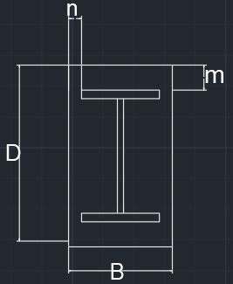
Q shear force | 4 | ton |  | plate section area , A1 | 60 | cm2 | Qy per stiffener | 20.511176471 | ton
concrete bearing capacity | 77 | kg/cm2 |  | plate inertia , Ix1 | 20 | cm4 | qy , shear stress on weld | 0.34185294118 | ton / cm2
tp , plate thickness | 2 | cm |  | max allowable free length without stiffener | 7.0561909348 | cm | f , normal stress due to bending on weld | 0.78714969442 | ton / cm2 | plate welding
steel yield stress | 3.6 | ton/cm2 |  | ……………..moment calculations ………………… |  |  | feq , equivalent stress | 0.98498474181 | ton / cm2
steel ultimate stress | 5.2 | ton/cm2 |  | Moment /cm , n direction | 1.7005882353 | ton.cm/cm | stiffeners weld safety | safe |  | Fu,weld | 1.04 | t/cm2
bolt diameter | 10 | mm |  | Moment /cm , m direction | 13.469005882 | ton.cm/cm | stiffeners area , A2 | 50 | cm2 | flange weld length | 67 | cm
bolts count | 2 | count |  | moment , n direction | 144.55 | ton.cm | stiffeners inertia , Ix2 | 833.33333333 | cm4 | stiffeners weld area | 35.340189009 | cm2
flange weld thickness | 2 | cm |  | moment , m direction | 404.07017647 | ton.cm | stiffeners to plate weld thickness | 0.4 | cm | web weld length | 84 | cm
web weld thickness | 0.5 | cm |  | …………..stresses calculations…………….. |  |  |  |  |  | FN | 0.83751226319 | t/cm2
stiffeners count , m direction | 2 | stiffenere |  | Applied concrete stress | 0.069411764706 | ton/cm2 | web plan perpendicular stiffeners , welded on flages |  |  | FQ | 0.018926830807 | t/cm3
stiffener thickness , m direction | 1.5 | cm |  | Concrete Bearing safty | safe |  |  |  |  | Feq | 0.83815360512 | t/cm4
stiffener length , m direction | 20 | cm |  | steal allowable stress 0.72Fy | 2.592 | ton/cm2 | min stifferer plan length , bst,min | 0 | cm | safety | safe
stiffeners count , n direction | 0 | stiffenere |  | center of gravity , m direction | 7.875 | cm | stiffeners length , hst | 0 | cm
stiffener thickness , n direction | 2 | cm |  | total inertia , Ix , m direction | 6224.1666667 | cm4 | stiffeners thickness min , tst,min | 0 | cm
stiffener length , n direction | 16 | cm |  | Applied steel stress , m direction | 0.91698881928 | ton/Cm1 | stiffener thickness , tst | 2 | cm
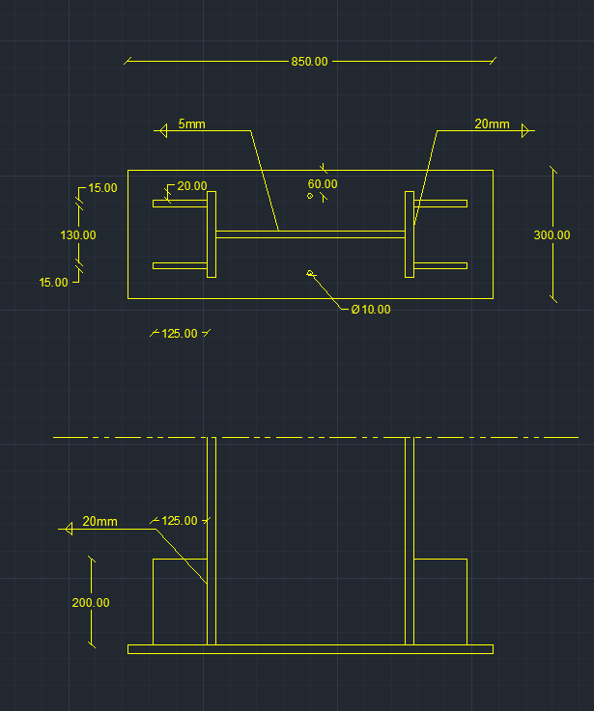
 |  |  |  | center of gravity , n direction | 1 | cm | stiffener weld thickness | 2 | cm
 |  |  |  | total inertia , Ix , n direction | 2855.9375 | cm4 | stiffener weld length | 0 | cm
 |  |  |  | Applied steel stress , n direction | 0.050613852719 | ton/Cm2 | Qy applied on stiffeners | 41.3 | ton
 |  |  |  | safety | safe |  | Qy per stiffener | #DIV/0! | ton
 |  |  |  |  |  |  | qy , shear stress on weld | #DIV/0! | ton / cm2
 |  |  |  |  |  |  | f , normal stress due to bending on weld | -0.050613852719 | ton / cm2
 |  |  |  |  |  |  | feq , equivalent stress | #DIV/0! | ton / cm2
 |  |  |  |  |  |  | stiffeners weld safety | #DIV/0!
 |  |  |  |  |  |  | stiffeners area , A2 | 0 | cm2
 |  |  |  |  |  |  | stiffeners inertia , Ix2 | 0 | cm4
 |  |  |  |  |  |  | stiffeners to plate weld thickness | 0.4 | cm

