Sheet1
input data |  |  | output data |  |  | plate calculations |  |  | stiffeners calculations |  |  | flanges and web welding

web length | 68 | cm | overall safety | unsafe | safety | web length | 68 | cm | stiffeners count | 5 | stiffenere | Fu,weld | 1.04 | t/cm2
web thickness | 2 | cm | top plate thickness | 1.63 | cm | web thickness | 2 | cm | stiffeners spacing , center to center | 9 | cm | flange weld length | 50 | cm
flange length | 42 | cm |  |  |  | flange length | 42 | cm | stiffeners clear spacing , X | 7 | cm | web weld length | 128 | cm
flange thickness | 2 | cm | stiffeners to plate weld is fixed to 4 mm , weld of stiffener with flange continue to reach the plate , weld of web stops before flange weld thickness , flange weld stops at stiffeners weld thickness , flange weld stops at web weld thickness, web normal stress is calculated with force / area + moment * y / inertia |  |  | flange thickness | 2 | cm | stiffener thickness , tst | 2 | cm | stiffeners to plate weld area | 252 | cm2
C1 | 5 | cm |  |  |  | beam depth h | 72 | cm | stiffener height ,hst | 24 | cm | weld area | 480 | cm2
D (plate length) | 145 | cm |  |  |  | C1 | 5 | cm | stiffeners length , bst | 31.5 | cm | weld inertia | 496726.54167 | cm3
tp , plate thickness | 2 | cm |  |  |  | C2 | 14 | cm | buckling check bst / tst | 15.75 | buckling | FN | 0.89382394243 | t/cm2
Straining actions |  |  |  |  |  | D (plate length) | 145 | cm | buckling safety | safe | safety | FQ | 0.033395833333 | t/cm3
N Normal force | 189 | ton |  |  |  | B (plate Width) | 70 | cm | ………..section M , weld of stiffeners and plate section calculations……….. |  |  | Feq | 0.89569363351 | t/cm4
Qx | 7.8 | ton |  |  |  | tp , plate thickness | 2 | cm | stiffener weld length = hst - Sw | 22 | cm | safety | safe
Qy | 14 | tons |  |  |  | (D - beam depth h) / 2 | 36.5 | cm | stiffener weld thickness , sw | 2 | cm
Q eq | 16.03 | ton |  |  |  | e | 25.396825397 | cm | area | 580 | cm2
M moment | 48 | m . Ton |  |  |  | stress core | 24.166666667 | cm | center of gravity | 10.103448276 | cm | Top Plate Design
stiffiners |  |  |  |  |  | comp. and tension bolts spacing , h* , spacing bet. C.g. of stiffeners | 103.5 | cm | inertia | 33087.126437 | cm2
stiffeners count | 5 | stiffenere for one flange |  |  |  | Compression force | 140.87681159 | ton | fn , normal stress on weld | 0.89504981049 | ton/cm2 | plate width | 29.1 | cm
stiffener thickness , tst | 2 | cm |  |  |  | Tension Force | 48.123188406 | ton | qy , shear stress on Weld | 0.20132993132 | ton/cm2 | moment on plate | 27.069293478 | ton cm
stiffener height , hst | 24 | cm |  |  |  | a ( third comp. stress in case of tension existance ) | 20.75 | cm | feq , equivalent stress | 0.96058075505 | ton / cm2 | plate thickness required | 1.63 | cm
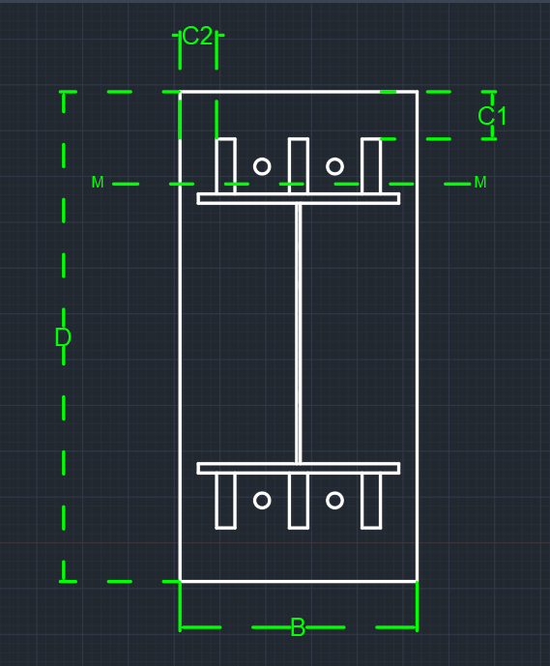
bolts |  |  |  |  |  | ………..Plate Properties of area calculations……….. |  |  | stiffeners weld safety | safe | safety
bolts rows | 2 | rows |  |  |  | plate surface Area | 10150 | cm2
bolt diameter | 22 | mm |  |  |  | plate surface inertia , Ix | 17783645.833 | cm4
weld |  |  |  |  |  | plate section area , A1 | 140 | cm2 | shear bolts threaded bolts , Anchor bolts
flange weld thickness | 2 | cm |  |  |  | plate section center of gravity | 1 | cm
web weld thickness | 1 | cm |  |  |  | plate section inertia | 46.666666667 | cm4 | bolts count | 8 | All bolts
 |  |  |  |  |  | Applied moment on Plate , due to compression | 54.304862778 | ton cm | construction condition , 3D , edge and flange spacing | safe | safety | Resistance Stresses
 |  |  |  |  |  | tp , plate thickness , required for compression | 1.34 | cm | construction condition , 3D , stiffeners spacing | safe | safety
 |  |  |  |  |  | plate thickness safety , for compression | safe | cm | Area bolt | 3.8013271108 | cm2 | steel yield stress | 3.6 | ton/cm2
 |  |  |  |  |  | ………..M-section Properties of area calculations……….. |  |  | Rsh | 4.0712213357 | tons | steel ultimate stress | 5.2 | ton/cm2
 |  |  |  |  |  | Area | 380 | cm2 | Rbear | 23.3376 | tons | plate section allowable stress 0.58Fy | 2.088 | ton/cm2
 |  |  |  |  |  | center of gravity | 9.2105263158 | cm | R max | 4.0712213357 | tons | plate section allowable stress 0.72Fy | 2.592 | ton/cm3
 |  |  |  |  |  | inertia | 26509.824561 | cm4 | Q per Bolt | 2.00375 | tons | concrete bearing capacity | 77 | kg/cm2
 |  |  |  |  |  | moment @ M-sec | 2131.077323 | ton cm | Tension allowable | 6.7465953563 | tons
 |  |  |  |  |  | shear force @ M-sec | 116.77136016 | tons | Tension per bolt | 6.0153985507 | tons
 |  |  |  |  |  | max normal stress | 1.3496757231 | ton /cm2 | circular equation | 1.0372214307
 |  |  |  |  |  | shear stress | 0.30729305306 | ton/cm2 | bolt straining actions safety | unsafe | safety
 |  |  |  |  |  | combined stress | 1.3842158711 | ton/cm2 | ………..bolts length ……….. |  |  | Applied Stresses
 |  |  |  |  |  | section safety | safe | safety | bold stress for concrete | 9 | kg/cm2
 |  |  |  |  |  |  |  |  | required bolt length | 50 | cm | have tension ? | have tension
 |  |  |  |  |  |  |  |  | Area washer plate | 37.730153554 | cm2 | max stress ( concrete stress ) | 0.064659466021 | t/cm2
 |  |  |  |  |  |  |  |  | washer plate length | 6.14 | cm | stress on concrete @ stiffeners edge | 0.059465934614
 |  |  |  |  |  |  |  |  | moment on washer plate | 2.227952111 | ton cm | stress on concrete @ bolt | 0.043106310681 | t/cm2
 |  |  |  |  |  |  |  |  | washer plate thickness | 1.4440895195 | cm | stress concrete @ flange | 0.026746686748 | t/cm2
 |  |  |  |  |  |  |  |  |  |  |  | average Concrete stress ( max , @bolt) | 0.055743903772 | t/cm2
 |  |  |  |  |  |  |  |  |  |  |  | average concrete stress ( max , @flange ) | 0.045703076385 | t/cm2
 |  |  |  |  |  |  |  |  |  |  |  | concrete bearing safety | safe | safety

