Sheet1
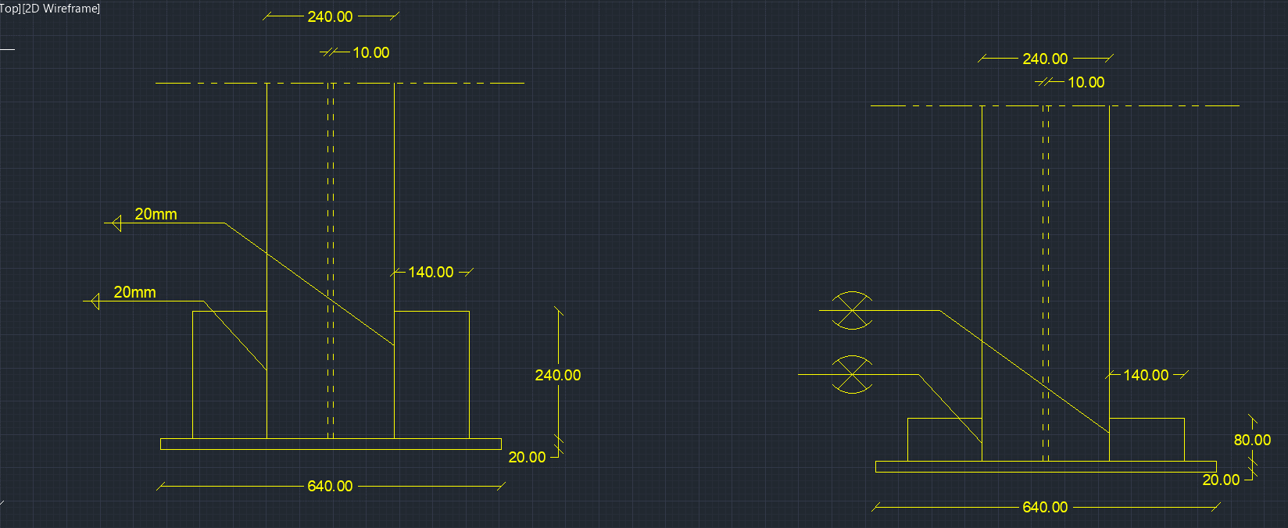
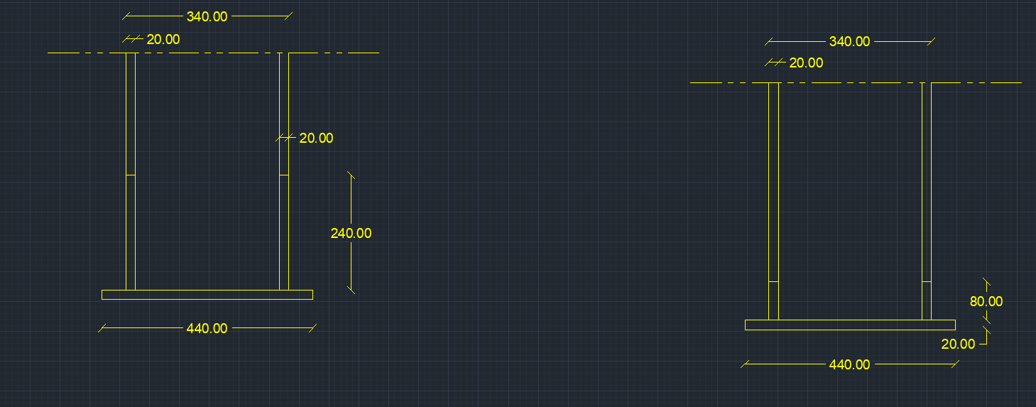
input data |  |  |  | output data |  |  | m direction stiffneres , flanges plan perpendicular stiffeners |  |  | shear bolts threaded bolts

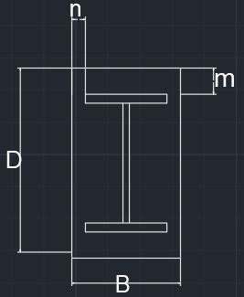
web length | 30 | cm |  | beam depth h | 34 | cm | min stifferer plan length , bst,min | 0 | cm | Area bolt | 0.7853981634 | cm2
web thickness | 1 | cm |  | d (effective depth) | 32.3 | cm | stiffeners height , hst | 0 | cm | Rsh | 2.3365595361 | tons
flange length | 24 | cm |  | b (effective width) | 19.2 | cm | stiffeners thickness min , tst,min | 0 | cm | Rbear | 10.608 | tons
flange thickness | 2 | cm |  | m | 5.85 | cm | stiffener thickness , tst | 1.5 | cm | R max | 2.3365595361 | tons
D (plate length) | 44 | cm |  | n | 22.4 | cm | stiffener weld thickness | 1.5 | cm | R max , all bolts | 4.6731190722 | tons
B (plate Width) | 64 | cm |  | ………..plate calculations……….. |  |  | stiffener weld length | 0 | cm | bolt length | 20 | cm
N Normal force | 215 | ton |  | plate Area | 2816 | cm2 | Qy applied on stiffeners | 28.585227273 | ton | safety | safe | cm
Qx | 0.5 | tons |  | plate section area , A1 | 128 | cm2 | Qy per stiffener | #DIV/0! | ton
Qy | 0 | tons |  | plate inertia , Ix1 | 42.666666667 | cm4 | qy , shear stress on weld | #DIV/0! | ton / cm2
Q shear force | 0.5 | ton |  | max allowable free length without stiffener | 6.7279686972 | cm | f , normal stress due to bending on weld | -1.9596513228 | ton / cm2 | plate welding
concrete bearing capacity | 77 | kg/cm2 |  | ……………..moment calculations ………………… |  |  | feq , equivalent stress | #DIV/0! | ton / cm2
tp , plate thickness | 2 | cm |  | Moment /cm , n direction | 19.154545455 | ton.cm/cm | stiffeners weld safety | #DIV/0! |  | Fu,weld | 1.04 | t/cm2
steel yield stress | 3.6 | ton/cm2 | stiffeners to plate weld is fixed to minimum weld thickness = 4 mm | Moment /cm , m direction | 1.3064342152 | ton.cm/cm | stiffeners area , A2 | 0 | cm2 | flange weld length | 90 | cm
steel ultimate stress | 5.2 | ton/cm2 |  | moment , n direction | 842.8 | ton.cm | stiffeners inertia , Ix2 | 0 | cm4 | web weld length | 56 | cm
bolt diameter | 10 | mm |  | moment , m direction | 83.611789773 | ton.cm |  |  |  | stiffeners to plate weld area | 42.470500169 | cm2
bolts count | 2 | count |  | …………..stresses calculations…………….. |  |  |  |  |  | FN | 0.87801511351 | t/cm2
flange weld thickness | 2 | cm |  | Applied concrete stress | 0.076349431818 | ton/cm2 | n direction stiffners , web plan perpendicular stiffeners , welded on flages |  |  | FQ | 0.0020418956128 | t/cm3
web weld thickness | 0.4 | cm |  | Concrete Bearing safty | safe |  |  |  |  | Feq | 0.87802223637 | t/cm4
stiffeners count , m direction | 0 | stiffenere |  | steal allowable stress 0.72Fy | 2.592 | ton/cm2 | min stifferer plan length , bst,min | 13.272031303 | cm | safety | safe
stiffener thickness , m direction | 1.5 | cm |  | center of gravity , m direction | 1 | cm | stiffeners height , hst | 24 | cm
stiffener height , m direction | 20 | cm |  | total inertia , Ix , m direction | 42.666666667 | cm4 | stiffeners thickness min , tst,min | 1.5 | cm
stiffeners count , n direction | 2 | stiffenere |  | Applied steel stress , m direction | 1.9596513228 | ton/Cm1 | stiffener thickness , tst | 2 | cm
stiffener thickness , n direction | 2 | cm |  | center of gravity , n direction | 7.8823529412 | cm | stiffener weld thickness | 2 | cm
stiffener height , n direction | 24 | cm |  | total inertia , Ix , n direction | 14950.901961 | cm4 | stiffener weld length | 48 | cm
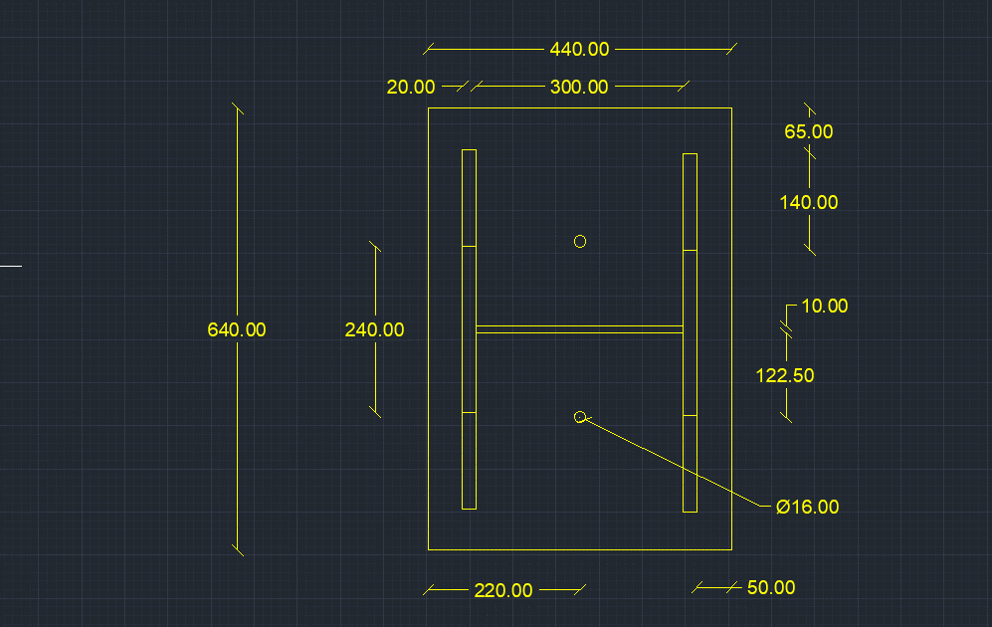
 |  |  |  | Applied steel stress , n direction | 0.056371180964 | ton/Cm2 | Qy applied on stiffeners | 75.25 | ton
 |  |  |  | safety | safe |  | Qy per stiffener | 37.625 | ton
 |  |  |  |  |  |  | qy , shear stress on weld | 0.39192708333 | ton / cm2
 |  |  |  |  |  |  | f , normal stress due to bending on weld | 0.90857079906 | ton / cm2
 |  |  |  |  |  |  | feq , equivalent stress | 1.1341611053 | ton / cm2
 |  |  |  |  |  |  | stiffeners weld safety | safe
 |  |  |  |  |  |  | stiffeners area , A2 | 72 | cm2
 |  |  |  |  |  |  | stiffeners inertia , Ix2 | 1728 | cm4

