Sheet1
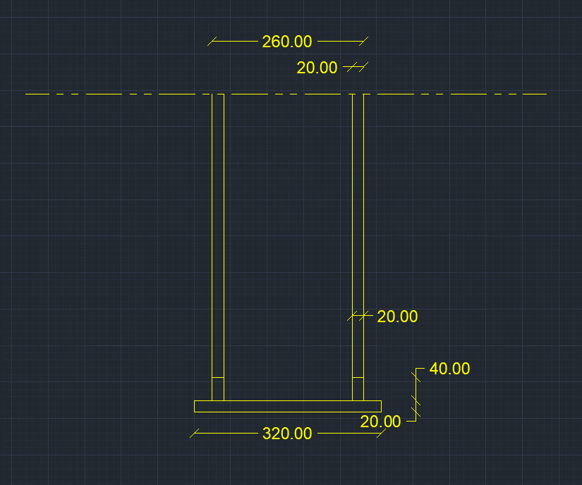
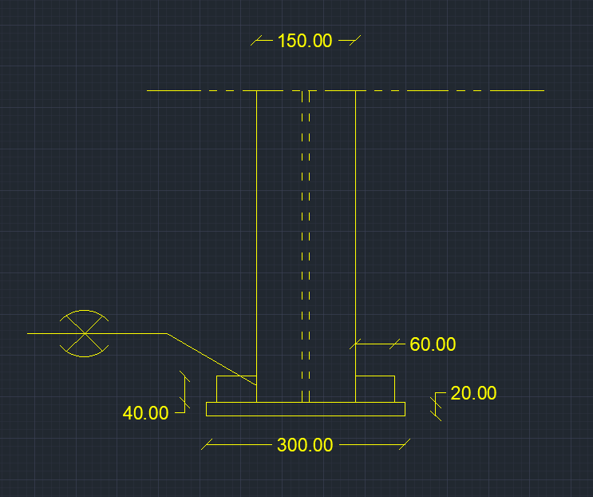
input data |  |  | output data |  |  | m direction stiffneres , flanges plan perpendicular stiffeners |  |  | shear bolts threaded bolts

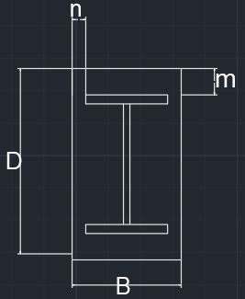
web length | 22 | cm | beam depth h | 26 | cm | min stifferer plan length , Lst,min | 0 | cm | Area bolt | 0.7853981634 | cm2
web thickness | 1 | cm | d (effective depth) | 24.7 | cm | stiffeners height , bst | 0 | cm | Rsh | 2.3365595361 | tons
flange length | 15 | cm | b (effective width) | 12 | cm | stiffeners thickness min , tst,min | 0 | cm | Rbear | 10.608 | tons
flange thickness | 2 | cm | m | 3.65 | cm | stiffener thickness , tst | 2 | cm | R max | 2.3365595361 | tons
D (plate length) | 32 | cm | n | 9 | cm | stiffener weld thickness | 2 | cm | R max , all bolts | 4.6731190722 | tons
B (plate Width) | 30 | cm | ………..plate calculations……….. |  |  | stiffener weld length | 0 | cm | bolt length | 20 | cm
N Normal force | 68 | ton | plate Area | 960 | cm2 | Qy applied on stiffeners | 7.75625 | ton | safety | safe | cm
Q shear force | 0 | ton | plate section area , A1 | 60 | cm2 | Qy per stiffener | #DIV/0! | ton
concrete bearing capacity | 77 | kg/cm2 | plate inertia , Ix1 | 20 | cm4 | qy , shear stress on weld | #DIV/0! | ton / cm2
tp , plate thickness | 2 | cm | max allowable free length without stiffener | 6.985026001 | cm | f , normal stress due to bending on weld | -0.7077578125 | ton / cm2 | plate welding
steel yield stress | 3.6 | ton/cm2 | ……………..moment calculations ………………… |  |  | feq , equivalent stress | #DIV/0! | ton / cm2
steel ultimate stress | 5.2 | ton/cm2 | Moment /cm , n direction | 2.86875 | ton.cm/cm | stiffeners weld safety | #DIV/0! |  | Fu,weld | 1.04 | t/cm2
bolt diameter | 10 | mm | Moment /cm , m direction | 0.47183854167 | ton.cm/cm | stiffeners area , A2 | 0 | cm2 | flange weld length | 10 | cm
bolts count | 2 | count | moment , n direction | 91.8 | ton.cm | stiffeners inertia , Ix2 | 0 | cm4 | web weld length | 44 | cm
flange weld thickness | 1 | cm | moment , m direction | 14.15515625 | ton.cm |  |  |  | stiffeners to plate weld area | 3.2958335933 | cm2
web weld thickness | 0.4 | cm | …………..stresses calculations…………….. |  |  |  |  |  | FN | 0.74483136112 | t/cm2
stiffeners count , m direction | 0 | stiffenere | Applied concrete stress | 0.070833333333 | ton/cm2 | n direction stiffners , web plan perpendicular stiffeners , welded on flages |  |  | FQ | 0.021906804739 | t/cm3
stiffener thickness , m direction | 2 | cm | Concrete Bearing safty | safe |  |  |  |  | Feq | 0.74579721157 | t/cm4
stiffener length , m direction | 10 | cm | steal allowable stress 0.72Fy | 2.592 | ton/cm2 | min stifferer plan length , Lst,min | 0.51497399895 | cm | safety | safe
stiffeners count , n direction | 2 | stiffenere | center of gravity , m direction | 1 | cm | stiffeners height , bst | 4 | cm
stiffener thickness , n direction | 2 | cm | total inertia , Ix , m direction | 20 | cm4 | stiffeners thickness min , tst,min | 0.25 | cm
stiffener length , n direction | 4 | cm | Applied steel stress , m direction | 0.7077578125 | ton/Cm1 | stiffener thickness , tst | 2 | cm
 |  |  | center of gravity , n direction | 1.1875 | cm | stiffener weld thickness | 2 | cm
 |  |  | total inertia , Ix , n direction | 56.416666667 | cm4 | stiffener weld length | 8 | cm
 |  |  | Applied steel stress , n direction | 1.6271787297 | ton/Cm2 | Qy applied on stiffeners | 20.4 | ton
 |  |  | safety | safe |  | Qy per stiffener | 10.2 | ton
 |  |  |  |  |  | qy , shear stress on weld | 0.6375 | ton / cm2
 |  |  |  |  |  | f , normal stress due to bending on weld | 4.5764401773 | ton / cm2
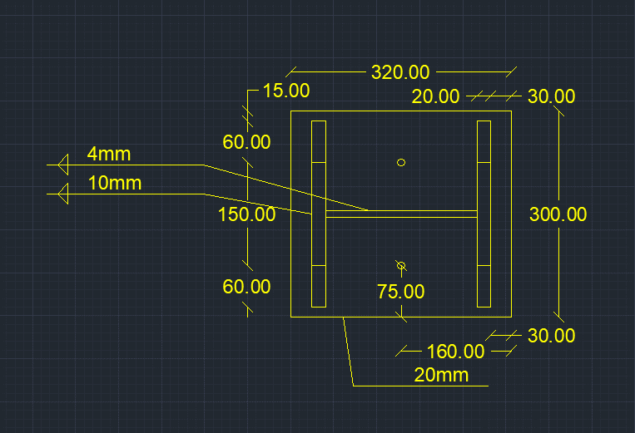
 |  |  |  |  |  | feq , equivalent stress | 4.7077620422 | ton / cm2
 |  |  |  |  |  | stiffeners weld safety , fillet | unsafe
 |  |  |  |  |  | stiffeners area , A2 | 2 | cm2
 |  |  |  |  |  | stiffeners inertia , Ix2 | 1.3333333333 | cm4

