Sheet1
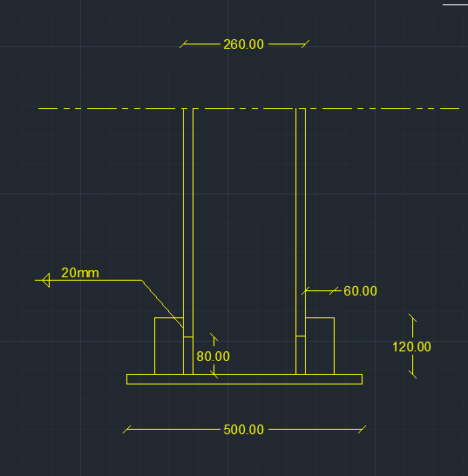
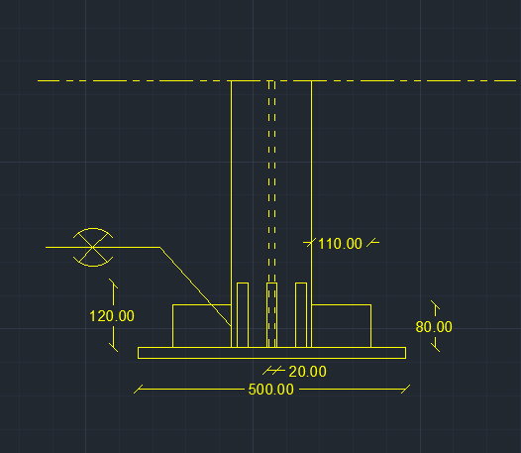
input data |  |  | output data |  |  | m direction stiffneres , flanges plan perpendicular stiffeners |  |  | shear bolts threaded bolts

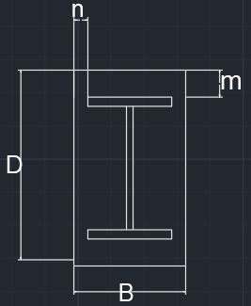
web length | 22 | cm | beam depth h | 26 | cm | min stifferer plan length , bst,min | 5.0717967697 | cm | Area bolt | 0.7853981634 | cm2
web thickness | 1 | cm | d (effective depth) | 24.7 | cm | stiffeners height , Lst | 12 | cm | Rsh | 2.3365595361 | tons
flange length | 15 | cm | b (effective width) | 12 | cm | stiffeners thickness min , tst,min | 0.75 | cm | Rbear | 10.608 | tons
flange thickness | 2 | cm | m | 12.65 | cm | stiffener thickness , tst | 2 | cm | R max | 2.3365595361 | tons
D (plate length) | 50 | cm | n | 19 | cm | stiffener weld thickness | 2 | cm | R max , all bolts | 4.6731190722 | tons
B (plate Width) | 50 | cm | ………..plate calculations……….. |  |  | stiffener weld length | 24 | cm | bolt length | 20 | cm
N Normal force | 180 | ton | plate Area | 2500 | cm2 | Qy applied on stiffeners | 45.54 | ton | safety | safe | cm
Qx | 1 | tons | plate section area , A1 | 100 | cm2 | Qy per stiffener | 15.18 | ton
Qy | 0 | tons | plate inertia , Ix1 | 33.333333333 | cm4 | qy , shear stress on weld | 0.31625 | ton / cm2
Q shear force | 1 | ton | max allowable free length without stiffener | 6.9282032303 | cm | f , normal stress due to bending on weld | 0.88862611393 | ton / cm2 | plate welding
concrete bearing capacity | 77 | kg/cm2 | ……………..moment calculations ………………… |  |  | feq , equivalent stress | 1.0438862763 | ton / cm2
tp , plate thickness | 2 | cm | Moment /cm , n direction | 12.996 | ton.cm/cm | stiffeners weld safety | safe |  | Fu,weld | 1.04 | t/cm2
steel yield stress | 3.6 | ton/cm2 | Moment /cm , m direction | 5.76081 | ton.cm/cm | stiffeners area , A2 | 27 | cm2 | flange weld length | 42 | cm
steel ultimate stress | 5.2 | ton/cm2 | moment , n direction | 649.8 | ton.cm | stiffeners inertia , Ix2 | 108 | cm4 | web weld length | 36 | cm
bolt diameter | 10 | mm | moment , m direction | 288.0405 | ton.cm |  |  |  | stiffeners to plate weld area | 48.574374158 | cm2
bolts count | 2 | count | …………..stresses calculations…………….. |  |  |  |  |  | FN | 1.067777952 | t/cm2
flange weld thickness | 2 | cm | Applied concrete stress | 0.072 | ton/cm2 | n direction stiffners , web plan perpendicular stiffeners , welded on flages |  |  | FQ | 0.0059320997334 | t/cm3
web weld thickness | 1 | cm | Concrete Bearing safty | safe |  |  |  |  | Feq | 1.067827385 | t/cm4
stiffeners count , m direction | 3 | stiffenere | steal allowable stress 0.72Fy | 2.592 | ton/cm2 | min stifferer plan length , bst,min | 10.57179677 | cm | safety | unsafe
stiffener thickness , m direction | 2 | cm | center of gravity , m direction | 4.1325966851 | cm | stiffeners height , Lst | 8 | cm
stiffener length , m direction | 12 | cm | total inertia , Ix , m direction | 2550.1510129 | cm4 | stiffeners thickness min , tst,min | 0.5 | cm
stiffeners count , n direction | 2 | stiffenere | Applied steel stress , m direction | 1.1145268536 | ton/Cm1 | stiffener thickness , tst | 2 | cm
stiffener thickness , n direction | 2 | cm | center of gravity , n direction | 1.6896551724 | cm | stiffener weld thickness | 2 | cm
stiffener length , n direction | 8 | cm | total inertia , Ix , n direction | 420.82758621 | cm4 | stiffener weld length | 16 | cm
 |  |  | Applied steel stress , n direction | 1.544100295 | ton/Cm2 | Qy applied on stiffeners | 68.4 | ton
 |  |  | safety | safe |  | Qy per stiffener | 34.2 | ton
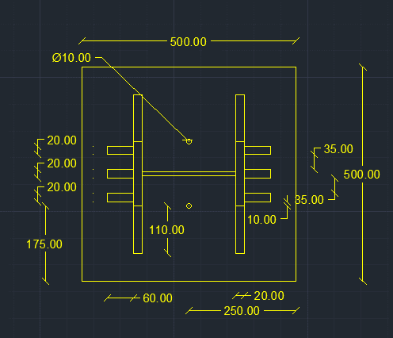
 |  |  |  |  |  | qy , shear stress on weld | 1.06875 | ton / cm2
 |  |  |  |  |  | f , normal stress due to bending on weld | 9.7438053097 | ton / cm2
 |  |  |  |  |  | feq , equivalent stress | 9.9180855815 | ton / cm2
 |  |  |  |  |  | stiffeners weld safety , fillet | unsafe
 |  |  |  |  |  | stiffeners area , A2 | 8 | cm2
 |  |  |  |  |  | stiffeners inertia , Ix2 | 21.333333333 | cm4

