Sheet1
Prying force calculations |  |  |  | Q | 1.5 | t | straining actions |  | bolt yield stress | 9 | t/cm2

w | 6.5 | cm | inverse prop. | M | 10 | tm |  |  | plate width | 120 | mm
a | 6 | cm | inverse prop. | Ix | 2621440000 | mm4 | Plate inertia |  | plate length | 640 | mm
b | 4 | cm | direct prop.
As | 4.59 | cm2 | direct prop. | Y mm | stress t/cm2 | w cm | h cm | applied force t | force / 0.6 t | bolt Diam. | T bolt | ratio | is safe | n | ps | Qall
tp | 2 | cm | inverse prop. | 320 | 0.1220703125 | 6.5 | 12 | 7.7362060547 | 12.893676758 | 20 | 15.4377863 | 0.83520243819 | pass | 4 | 6.1751145199 | 12.322528392
Text,b | 15.4377863 | tons |  | 200 | 0.076293945312 | 6.5 | 20 | 4.9591064453 | 8.2651774089 | 16 | 9.8801832318 | 0.83654090364 | pass | 4 | 3.9520732927 | 7.8737228584
Text,act | 7.7362060547 | tons |  | 0 | 0 | 0 | 0 | 0 | 0 | 0 | 0 | #DIV/0! | not safe | 4 | 0 | #DIV/0!
P | 2.448791366 | tons |  | 0 | 0 | 0 | 0 | 0 | 0 | 0 | 0 | #DIV/0! | not safe | 4 | 0 | #DIV/0!
P% | 0.31653647132 |  |  | 0 | 0 | 0 | 0 | 0 | 0 | 0 | 0 | #DIV/0! | not safe | 0 | 0 | #DIV/0!
total applied | 10.184997421 | tons |  | 0 | 0 | 0 | 0 | 0 | 0 | 0 | 0 | #DIV/0! | not safe | 0 | 0 | #DIV/0!
tension req. | 12.893676758 | tons | pass | 0 | 0 | 0 | 0 | 0 | 0 | 0 | 0 | #DIV/0! | not safe | 0 | 0 | #DIV/0!
ten+prying req. | 12.731246776 | tons | pass

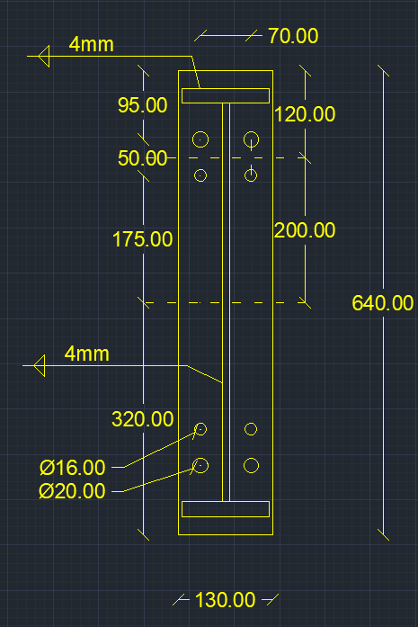

welding |  |  |  |  |  | Qall |  | 20.196251251 | tons | pass

steel ultimate stress | 5.2 | t/cm2
allowable stress | 1.04 | t/cm2 |  |  |  | Flanges weld |  | 0.4 | cm
Q | 1.5 | t
Mx | 10 | tm |  |  |  | web weld |  | 0.4 | cm
flange | 120 | cm
flange thickness | 2 | cm
web | 65 | cm
web thickness | 1 | cm
web weld length | 63 | cm
web weld thicnkess | 0.4 | cm
flange upper weld length | 120 | cm
flange lower weld length | 117 | cm
flange weld thickness | 0.4 | cm
Ix | 229798.8 | cm 3
A (axial stress) | 0.14316871977 | t/cm2 | pass
B (axial stress) | 0.14142806664 | t/cm2 | pass
web (shear stress) | 0.029761904762 | t/cm2 | pass
B (combined stress) | 0.15052976768 | t/cm2 | pass

