Sheet1
Prying force calculations |  |  |  | Q | 1 | t | straining actions |  | bolt yield stress | 9 | t/cm2

w | 10 | cm | inverse prop. | M | 5 | tm |  |  | plate width | 200 | mm
a | 0 | cm | inverse prop. | Ix | 655066666.67 | mm4 | Plate inertia |  | plate length | 340 | mm
b | 0 | cm | direct prop.
As | 4.59 | cm2 | direct prop. | Y mm | stress t/cm2 | w cm | h cm | applied force t | force / 0.6 t | bolt Diam. | T bolt | ratio | is safe | n | ps | Qall
tp | 2 | cm | inverse prop. | 170 | 0.12975778547 | 10 | 17 | 11.029411765 | 18.382352941 | 24 | 22.230412272 | 0.8269011261 | pass | 4 | 8.8921649087 | 17.921600811
Text,b | 22.230412272 | tons |  | 0 | 0 | 0 | 0 | 0 | 0 | 0 | 0 | #DIV/0! | not safe | 4 | 0 | #DIV/0!
Text,act | 11.029411765 | tons |  | 0 | 0 | 0 | 0 | 0 | 0 | 0 | 0 | #DIV/0! | not safe | 4 | 0 | #DIV/0!
P | #DIV/0! | tons |  | 0 | 0 | 0 | 0 | 0 | 0 | 0 | 0 | #DIV/0! | not safe | 4 | 0 | #DIV/0!
P% | #DIV/0! |  |  | 0 | 0 | 0 | 0 | 0 | 0 | 0 | 0 | #DIV/0! | not safe | 0 | 0 | #DIV/0!
total applied | #DIV/0! | tons |  | 0 | 0 | 0 | 0 | 0 | 0 | 0 | 0 | #DIV/0! | not safe | 0 | 0 | #DIV/0!
tension req. | 18.382352941 | tons | pass | 0 | 0 | 0 | 0 | 0 | 0 | 0 | 0 | #DIV/0! | not safe | 0 | 0 | #DIV/0!
ten+prying req. | #DIV/0! | tons | #DIV/0!

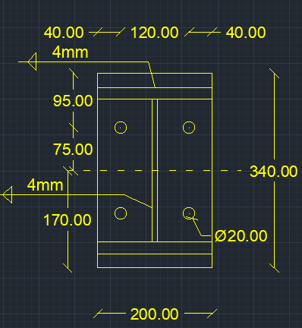
welding |  |  |  |  |  | Qall |  | 17.921600811 | tons | pass

steel ultimate stress | 5.2 | t/cm2
allowable stress | 1.04 | t/cm2 |  |  |  | Flanges weld |  | 0.4 | cm
Q | 1 | t
Mx | 5 | tm |  |  |  | web weld |  | 0.4 | cm
flange | 200 | cm
flange thickness | 2 | cm
web | 25 | cm
web thickness | 1 | cm
web weld length | 23 | cm
web weld thicnkess | 0.4 | cm
flange upper weld length | 200 | cm
flange lower weld length | 197 | cm
flange weld thickness | 0.4 | cm
Ix | 59076.133333 | cm 3
A (axial stress) | 0.10918114704 | t/cm2 | pass
B (axial stress) | 0.10579568512 | t/cm2 | pass
web (shear stress) | 0.054347826087 | t/cm2 | pass
B (combined stress) | 0.14161138934 | t/cm2 | pass

