Sheet1
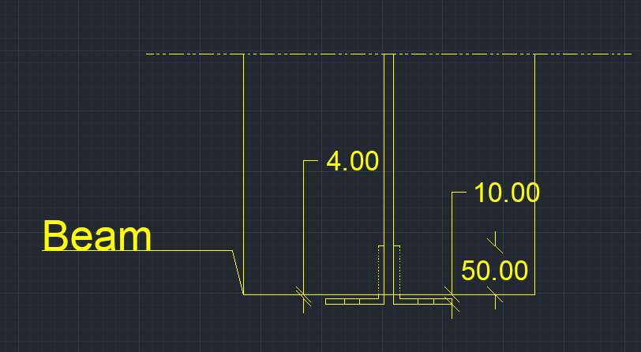
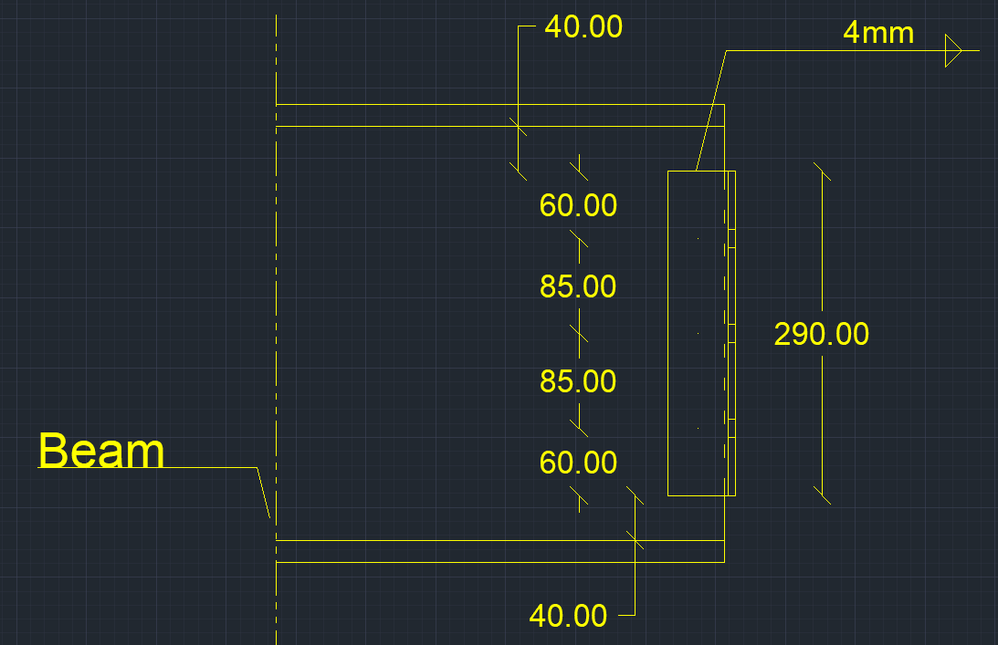
Prying force calculations |  |  |  | Q | 10.5 | t | straining actions |  | bolt yield stress | 9 | t/cm2

w | 0 | cm | inverse prop. | M | 0 | tm |  |  | plate width | 0 | mm
a | 0 | cm | inverse prop. | Ix | 0 | mm4 | Plate inertia |  | plate length | 0 | mm
b | 0 | cm | direct prop.
As | 4.59 | cm2 | direct prop. | Y mm | stress t/cm2 | w cm | h cm | applied force t | force / 0.6 t | bolt Diam. | T bolt | ratio | is safe | n | ps | shear plans | Qall | allowable shear ratio
tp | 0 | cm | inverse prop. | 0 | 0 | 0 | 0 | 0 | 0 | 16 | 9.8801832318 | 0 | pass | 3 | 3.9520732927 | 1 | 11.856219878 | 100
Text,b | 9.8801832318 | tons |  | 0 | 0 | 0 | 0 | 0 | 0 | 0 | 0 | 0 | not safe | 4 | 0 | 2 | 0 | 0
Text,act | 0 | tons |  | 0 | 0 | 0 | 0 | 0 | 0 | 0 | 0 | 0 | not safe | 4 | 0 | 2 | 0 | 0
P | #DIV/0! | tons |  | 0 | 0 | 0 | 0 | 0 | 0 | 0 | 0 | 0 | not safe | 4 | 0 | 2 | 0 | 0
P% | #DIV/0! |  |  | 0 | 0 | 0 | 0 | 0 | 0 | 0 | 0 | 0 | not safe | 0 | 0 | 2 | 0 | 0
total applied | #DIV/0! | tons |  | 0 | 0 | 0 | 0 | 0 | 0 | 0 | 0 | 0 | not safe | 0 | 0 | 2 | 0 | 0
tension req. | 0 | tons | pass | 0 | 0 | 0 | 0 | 0 | 0 | 0 | 0 | 0 | not safe | 0 | 0 | 2 | 0 | 0
ten+prying req. | #DIV/0! | tons | #DIV/0!

welding |  |  |  |  |  | Bolts Qall |  | 11.856219878 | tons | pass | ratio | 88.561110606 | %

steel ultimate stress | 5.2 | t/cm2
allowable stress | 1.04 | t/cm2 |  |  |  | Flanges weld |  | 0 | cm
Q | 10.5 | t
Mx | 0 | tm |  |  |  | web weld |  | 0.4 | cm
flange | 0 | cm
flange thickness | 0 | cm |  |  |  | Notes |  | the shear in calculations is the applied shear on one angle , it is the half applied shear on beam
web | 29 | cm
web thickness | 1 | cm
web weld length | 27 | cm
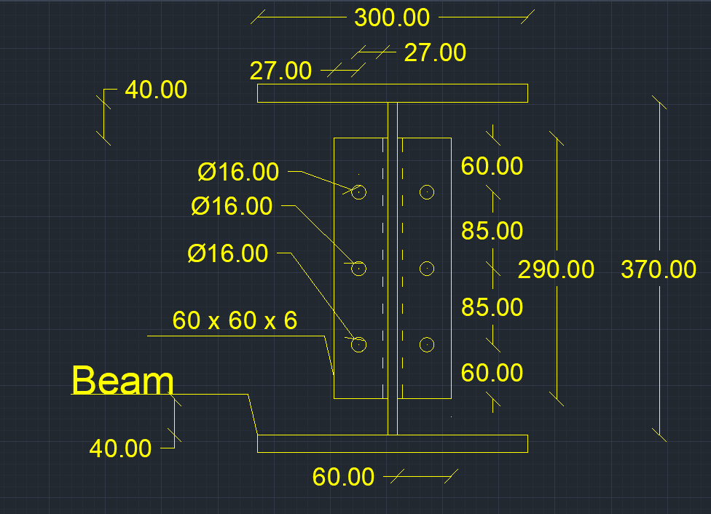
web weld thicnkess | 0.4 | cm
flange upper weld length | 0 | cm
flange lower weld length | -3 | cm
flange weld thickness | 0 | cm
Ix | 1312.2 | cm 3
A (axial stress) | 0 | t/cm2 | pass
B (axial stress) | 0 | t/cm2 | pass
web (shear stress) | 0.48611111111 | t/cm2 | pass
B (combined stress) | 0 | t/cm2 | pass

