Sheet1
input data |  |  | output data |  |  | plate calculations |  |  | stiffeners calculations |  |  | flanges and web welding

web length | 68 | cm | overall safety | safe | safety | web length | 68 | cm | stiffeners count | 5 | stiffenere | Fu,weld | 1.04 | t/cm2
web thickness | 2 | cm | top plate thickness | 2.97 | cm | web thickness | 2 | cm | stiffeners spacing , center to center | 9.6 | cm | flange weld length | 68 | cm
flange length | 42 | cm |  |  |  | flange length | 42 | cm | stiffeners clear spacing , X | 8.4 | cm | web weld length | 132 | cm
flange thickness | 2 | cm |  |  |  | flange thickness | 2 | cm | stiffener thickness , tst | 1.2 | cm | FN | 0.7052238806 | t/cm2
C1 | 0 | cm |  |  |  | beam depth h | 72 | cm | stiffener height ,hst | 32 | cm | FQ | 0.059813432836 | t/cm3
D (plate length) | 105 | cm |  |  |  | C1 | 0 | cm | stiffeners length , bst | 16.5 | cm | Feq | 0.71279286052 | t/cm4
tp , plate thickness | 2 | cm |  |  |  | C2 | 14 | cm | buckling check bst / tst | 13.75 | buckling | safety | safe
Straining actions |  |  |  |  |  | D (plate length) | 105 | cm | buckling safety | safe | safety
N Normal force | 189 | ton |  |  |  | B (plate Width) | 70 | cm | Qy applied on stiffeners | 119.35875706 | ton
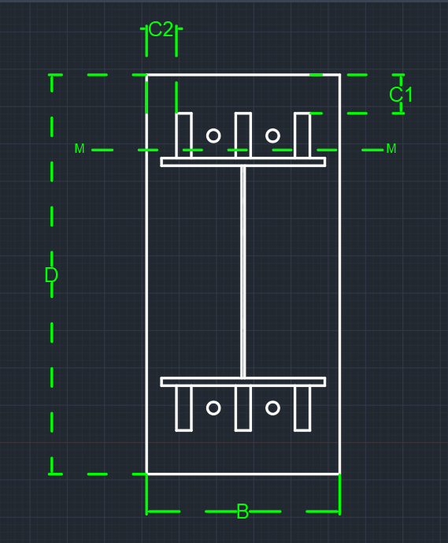
Qx | 7.8 | ton |  |  |  | tp , plate thickness | 2 | cm | Qy per stiffener | 29.839689266 | ton | Top Plate Design
Qy | 14 | tons |  |  |  | e | 11.64021164 | cm | stiffener weld thickness | 1.2 | cm
Q eq | 16.03 | ton |  |  |  | stress core | 17.5 | cm | stiffener weld length = hst - 2cm | 30 | cm | plate width | 13.6 | cm
M moment | 22 | m . Ton |  |  |  | comp. and tension bolts spacing , h* | 88.5 | cm | qy , shear stress on weld | 0.41444012869 | ton / cm2 | moment on plate | 41.784745763 | ton cm
stiffiners |  |  |  |  |  | Compression force | 119.35875706 | ton | f , normal stress due to bending on weld | 0.68382621234 | ton / cm2 | plate thickness required | 2.97 | cm
stiffeners count | 5 | stiffenere |  |  |  | Tension Force | 69.641242938 | ton | feq , equivalent stress | 0.99141320824 | ton / cm2
stiffener thickness , tst | 1.2 | cm |  |  |  | a ( third comp. stress in case of tension existance ) | 8.25 | cm | stiffeners weld safety | safe | safety
stiffener height , hst | 32 | cm |  |  |  | ………..Plate Properties of area calculations………..
bolts |  |  |  |  |  | plate surface Area | 7350 | cm2
bolts rows | 2 | rows |  |  |  | plate surface inertia , Ix | 6752812.5 | cm4
bolt diameter | 27 | mm |  |  |  | plate section area , A1 | 140 | cm2 | shear bolts threaded bolts , Anchor bolts
weld |  |  |  |  |  | plate section center of gravity | 1 | cm |  |  |  | Resistance Stresses
flange weld thickness | 2 | cm |  |  |  | plate section inertia | 46.666666667 | cm4 | bolts count | 8 | All bolts
web weld thickness | 1 | cm |  |  |  | Applied moment on Plate , due to compression | 98.79976312 | ton cm | construction condition , 3D , edge and flange spacing | safe | safety | steel yield stress | 3.6 | ton/cm2
 |  |  |  |  |  | tp , plate thickness , required for compression | 1.81 | cm | construction condition , 3D , stiffeners spacing | safe | safety | steel ultimate stress | 5.2 | ton/cm2
 |  |  |  |  |  | plate thickness safety , for compression | safe | cm | Area bolt | 5.7255526112 | cm2 | plate section allowable stress 0.58Fy | 2.088 | ton/cm2
 |  |  |  |  |  | Applied moment on Plate , due to compression | 0 | ton cm | Rsh | 6.1320668466 | tons | plate section allowable stress 0.72Fy | 2.592 | ton/cm3
 |  |  |  |  |  | tp , plate thickness , required for compression | 0 | cm | Rbear | 28.6416 | tons | concrete bearing capacity | 77 | kg/cm2
 |  |  |  |  |  | plate thickness safety , for compression | safe | cm | R max | 6.1320668466 | tons
 |  |  |  |  |  |  |  |  | Q per Bolt | 2.00375 | tons
 |  |  |  |  |  |  |  |  | Tension allowable | 10.161710774 | tons
 |  |  |  |  |  |  |  |  | Tension per bolt | 8.7051553672 | tons
 |  |  |  |  |  |  |  |  | circular equation | 0.8406463554 |  | Applied Stresses
 |  |  |  |  |  |  |  |  | bolt straining actions safety | safe | safety
 |  |  |  |  |  |  |  |  | ………..bolts length ……….. |  |  | have tension ? | not tension
 |  |  |  |  |  |  |  |  | bold stress for concrete | 9 | kg/cm2 | max stress ( concrete stress ) | 0.042818270165 | t/cm2
 |  |  |  |  |  |  |  |  | required bolt length | 50 | cm | stress on concrete @ bolt | 0.04013050118 | t/cm2
 |  |  |  |  |  |  |  |  | Area washer plate | 63.482081729 | cm2 | stress concrete @ flange | 0.011728446481 | t/cm2
 |  |  |  |  |  |  |  |  | washer plate length | 7.97 | cm | average Concrete stress ( max , @bolt) | 0.041474385673 | t/cm2
 |  |  |  |  |  |  |  |  | moment on washer plate | 4.8727676401 | ton cm | average concrete stress ( max , @flange ) | 0.027273358323 | t/cm2
 |  |  |  |  |  |  |  |  | washer plate thickness | 1.8744940505 | cm | concrete bearing safety | safe | safety

