GRDC River Discharge Downloads
A list of all river discharge data downloaded from GRDC, by sub-region. Daily data downloaded, in the format 'export'.
The screenshot shows a map of all the sub-regions where data has been downloaded for.
GRDC data download link: https://www.bafg.de/GRDC/EN/02_srvcs/21_tmsrs/riverdischarge_node.html

Subregion Name | No. of stations | Downloaded
Atoui | 0
Bandama | 11
Benue | 14
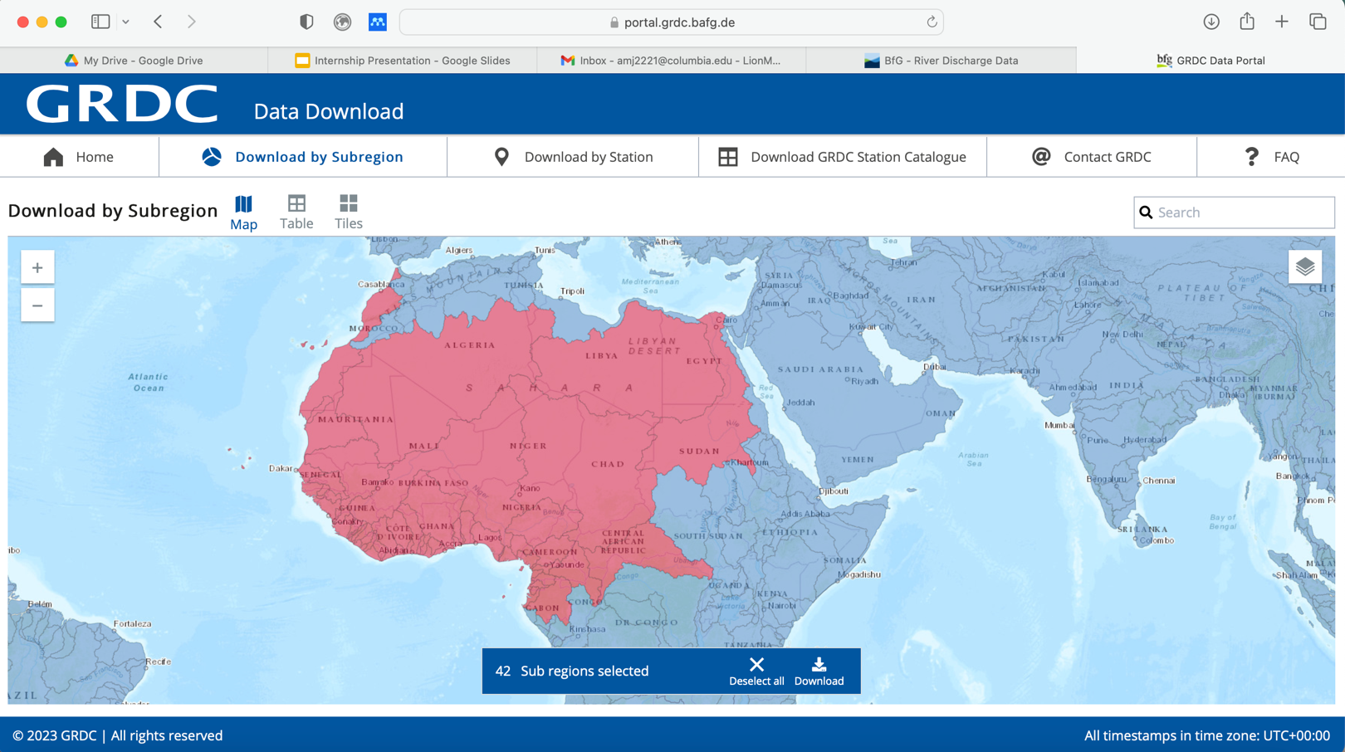
Bia | 0
Cavally | 5
Cestos (also Nuon) | 3
Chad | 71
Comoe (also Komoe) | 13
Corubal (also Koliba) | 3
Cross | 1
Eastern Sahara | 0
Gambia | 17
Geba (also Kayanga) | 2
Great Scarcies (also Kolente) | 2
Gulf of Guinea | 26
Little Scarcies (also Kaba) | 0
Loffa (also Lofa River) | 2
Mano (also Mano River) (ex Moro) | 3
Mbini | 0
Moa (also Makona) | 2
Mono | 2
Moro | 0
Niger (ex 135) | 96
Nile (ex 163, 164, 173) | 9
North Atlantic (ex 109, 309, 311, 313, 444, 447, 448, 603, 604, 608 | 14
North Atlantic (ex 116, 309, 311, 313, 444, 447, 448, 603, 604, 608) | 11
Ntem | 1
Nyong | 7
Ogooue | 16
Oueme | 8
Pra | 1
Saint John River | 4
Saint Paul River | 4
Sanaga | 10
Sangha | 9
Sassandra | 12
Senegal | 18
Tano (also Tanoe) | 1
Ubangi (also Oubangui) | 14
Volta | 52
Western Sahara | 0

