Sensor
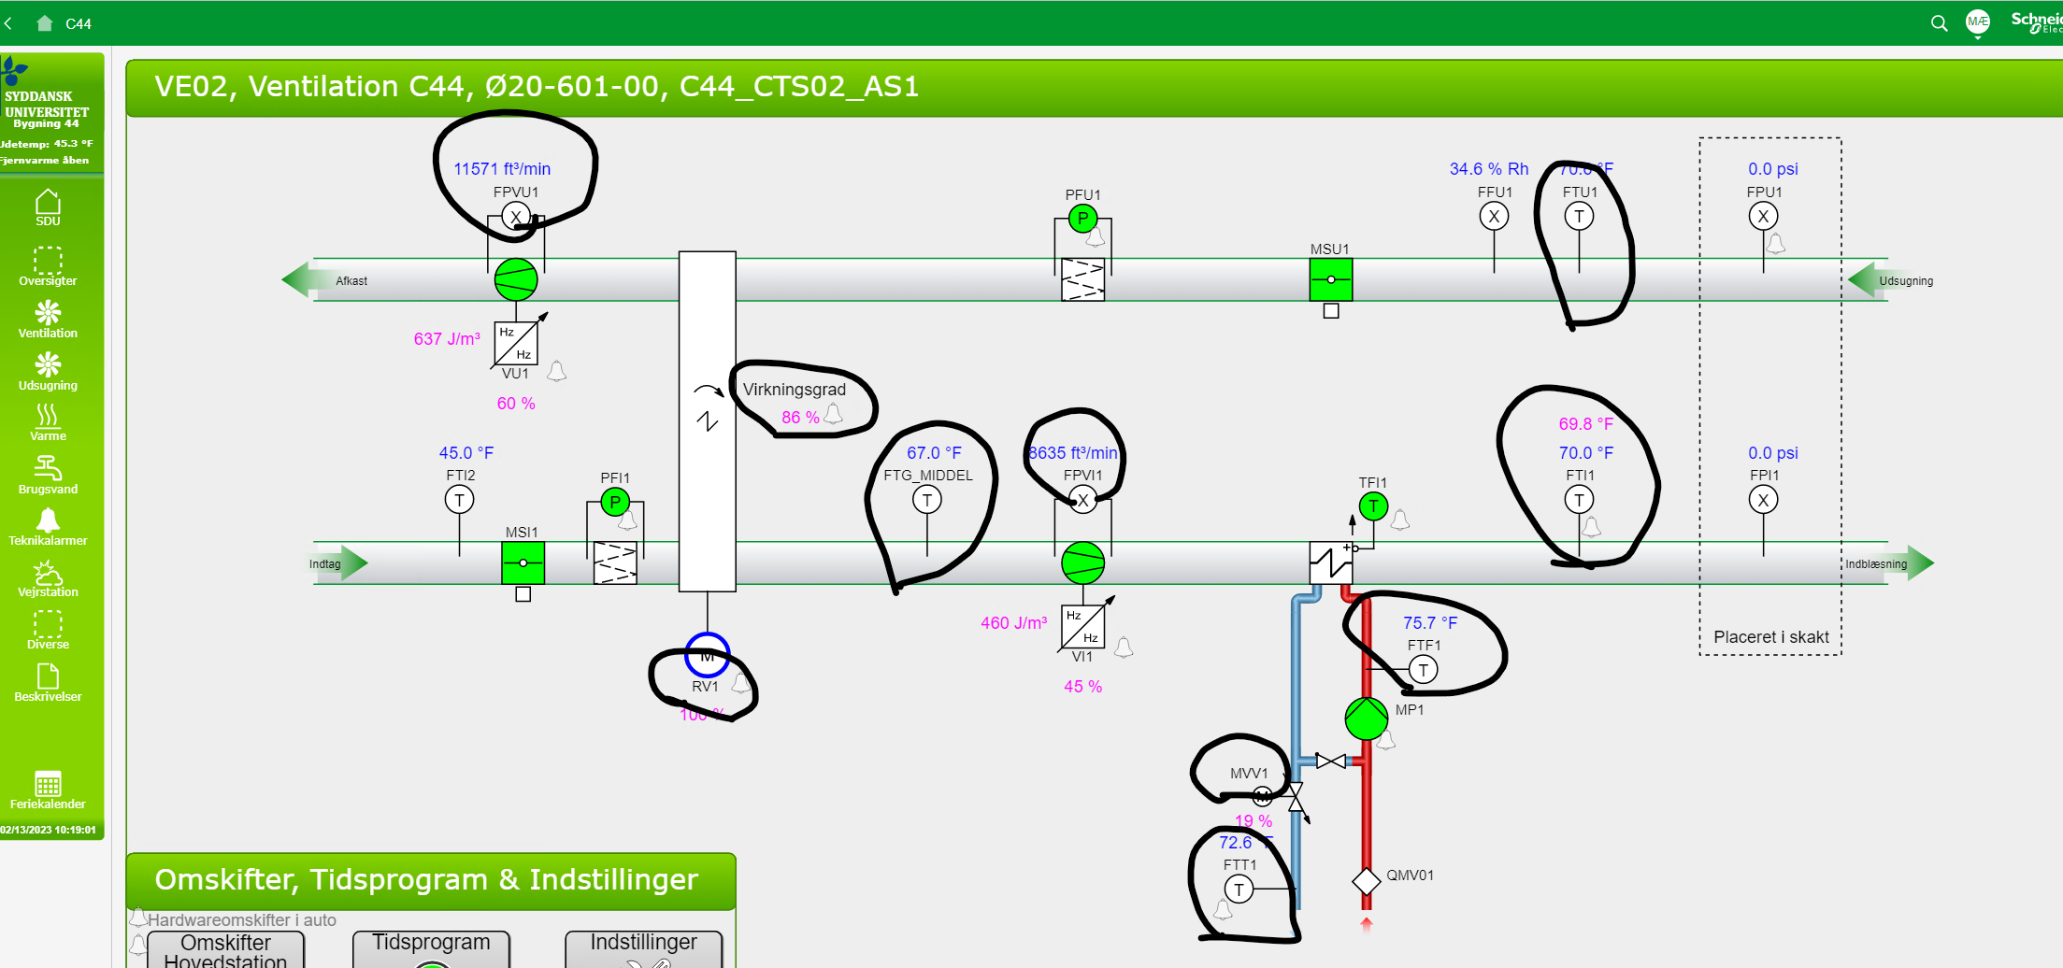
id | measuresProperty | isContainedIn
CO2 sensor 1 | CO2 | Space30
CO2 sensor 2 | CO2 | Space56

