Sensor
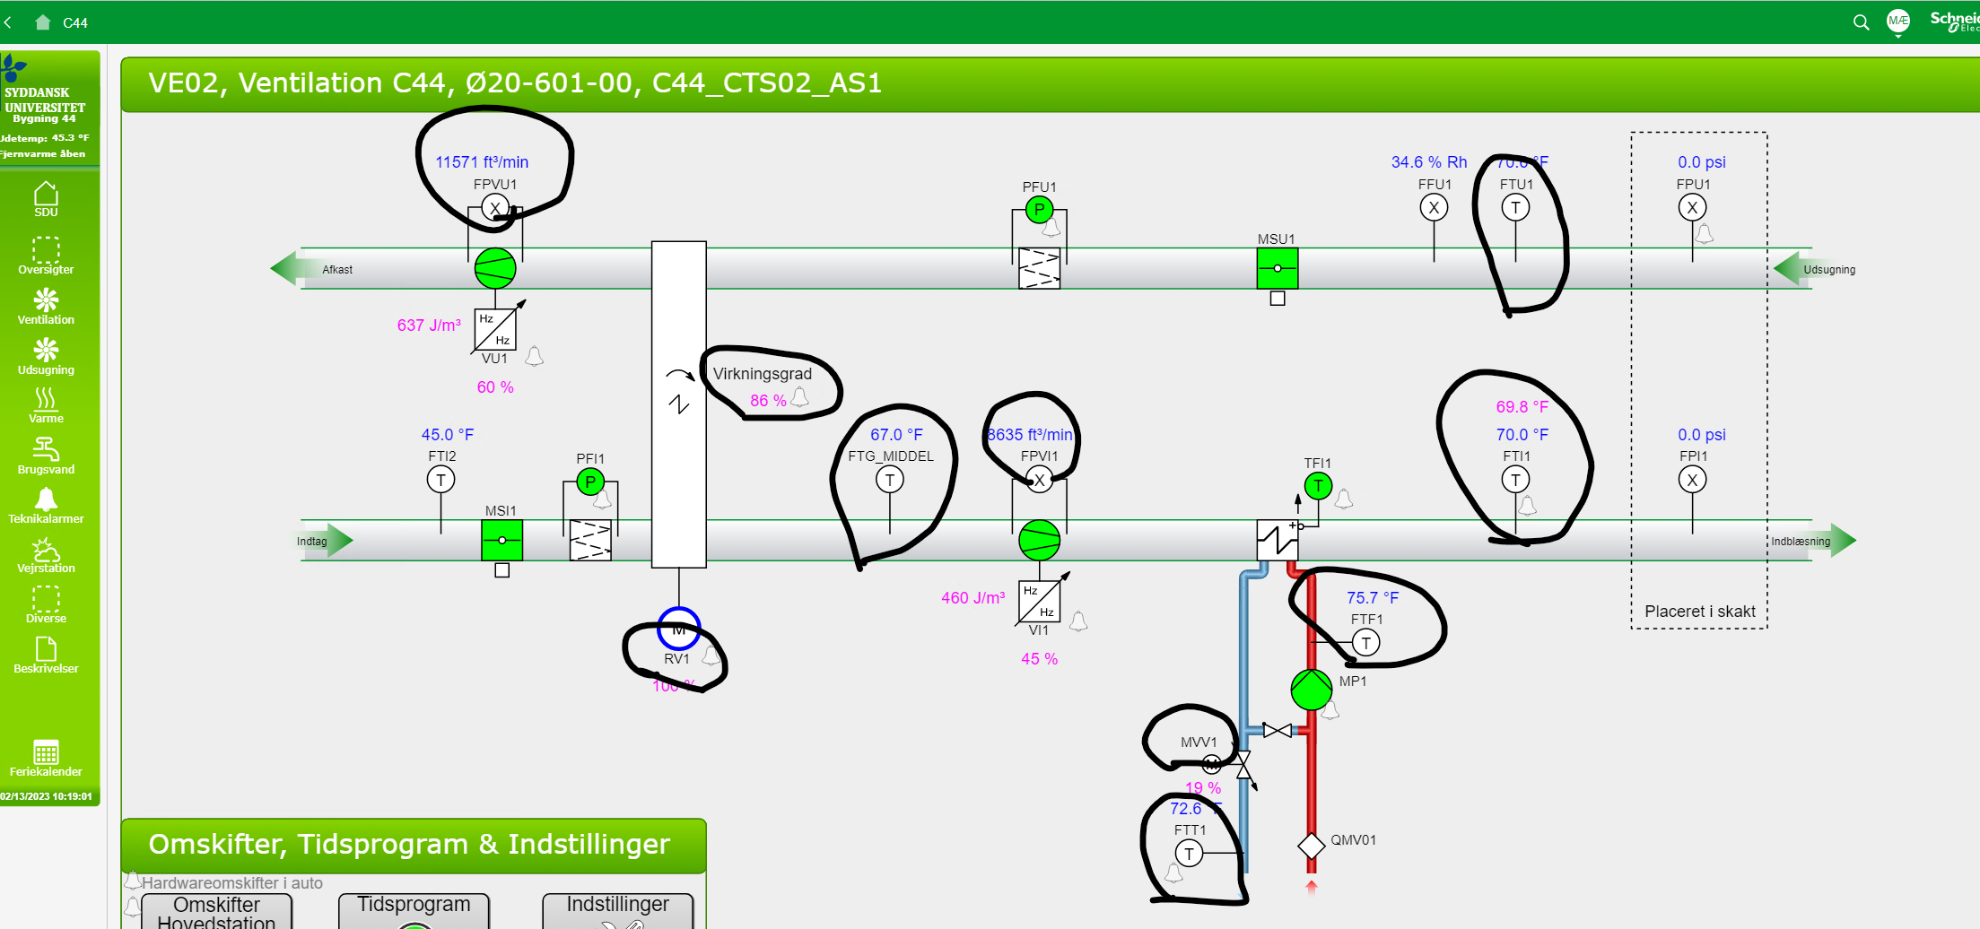
id | measuresProperty | isContainedIn | subSystemOf | connectedTo
CO2 sensor 1 | Ø22-508-1 CO2 property | Space1
CO2 sensor 2 | Ø22-511-2 CO2 property | Space2
Damper opening sensor 1 | Ø22-508-1 openingPosition property | Space1
Damper opening sensor 2 | Ø22-511-2 openingPosition property | Space2

