Describe
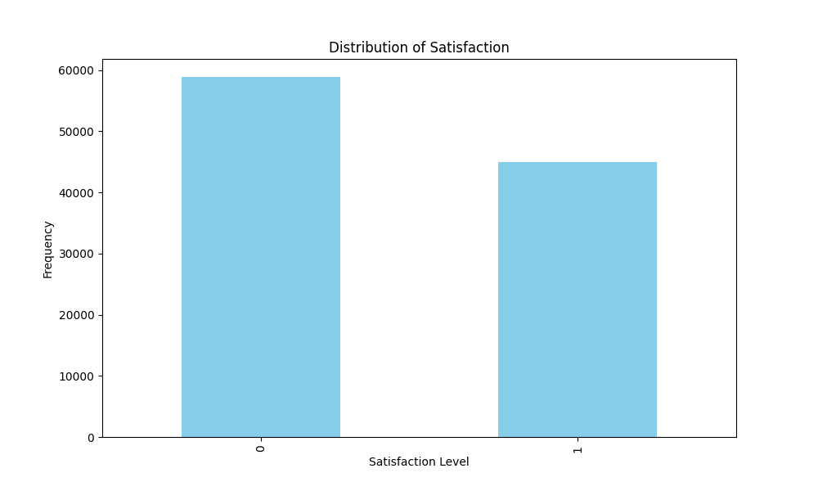
 | Unnamed: 0 | id | Gender | Customer Type | Age | Type of Travel | Class | Flight Distance | Inflight wifi service | Departure/Arrival time convenient | Ease of Online booking | Gate location | Food and drink | Online boarding | Seat comfort | Inflight entertainment | On-board service | Leg room service | Baggage handling | Checkin service | Inflight service | Cleanliness | Departure Delay in Minutes | Arrival Delay in Minutes | satisfaction
count | 103904 | 103904 | 103904 | 103904 | 103904 | 103904 | 103904 | 103904 | 103904 | 103904 | 103904 | 103904 | 103904 | 103904 | 103904 | 103904 | 103904 | 103904 | 103904 | 103904 | 103904 | 103904 | 103904 | 103904 | 103904
mean | 51951.5 | 64924.210502 | 0.49254119187 | 0.18267824145 | 39.379706267 | 0.31037303665 | 0.59413497074 | 1189.4483754 | 2.7296831691 | 3.0602960425 | 2.7569006006 | 2.9768825069 | 3.2021288882 | 3.2503753465 | 3.4393959809 | 3.35815753 | 3.3823625654 | 3.3510548198 | 3.6318332307 | 3.3042904989 | 3.6404277025 | 3.2863508623 | 14.815618263 | 15.178678302 | 0.43333269172
std | 29994.645522 | 37463.812252 | 0.4999467689 | 0.38640437179 | 15.1149637 | 0.46264854348 | 0.62079856113 | 997.14728053 | 1.3278294712 | 1.5250751973 | 1.3989294727 | 1.2776210103 | 1.3295327109 | 1.3495089537 | 1.3190875186 | 1.3329907146 | 1.2883543609 | 1.3156046193 | 1.1809034111 | 1.2653958269 | 1.1756630339 | 1.3122728471 | 38.230900584 | 38.640909132 | 0.49553792319
min | 0 | 1 | 0 | 0 | 7 | 0 | 0 | 31 | 0 | 0 | 0 | 0 | 0 | 0 | 0 | 0 | 0 | 0 | 1 | 0 | 0 | 0 | 0 | 0 | 0
25% | 25975.75 | 32533.75 | 0 | 0 | 27 | 0 | 0 | 414 | 2 | 2 | 2 | 2 | 2 | 2 | 2 | 2 | 2 | 2 | 3 | 3 | 3 | 2 | 0 | 0 | 0
50% | 51951.5 | 64856.5 | 0 | 0 | 40 | 0 | 1 | 843 | 3 | 3 | 3 | 3 | 3 | 3 | 4 | 4 | 4 | 4 | 4 | 3 | 4 | 3 | 0 | 0 | 0
75% | 77927.25 | 97368.25 | 1 | 0 | 51 | 1 | 1 | 1743 | 4 | 4 | 4 | 4 | 4 | 4 | 5 | 4 | 4 | 4 | 5 | 4 | 5 | 4 | 12 | 13 | 1
max | 103903 | 129880 | 1 | 1 | 85 | 1 | 2 | 4983 | 5 | 5 | 5 | 5 | 5 | 5 | 5 | 5 | 5 | 5 | 5 | 5 | 5 | 5 | 1592 | 1584 | 1

