Migration Architecture
MIGRATION ARCHITECTURE — Two-phase design: Migration period vs Post-migration steady state
Phase 1 (Diagram 1): What AWS resources are used DURING migration (Jul–Dec 2026, one-time only). Phase 2 (Diagram 2): What AWS resources stay AFTER migration (Jan 2027+, recurring monthly).

DIAGRAM 1 — MIGRATION PERIOD (Jul–Dec 2026, one-time) | Resources needed ONLY during migration
Key point: Storage Gateway is NOT part of migration. DataSync reads Azure Blob Storage directly and writes to S3. DataSync agent runs on a small EC2 instance inside AWS — no on-prem VM required for migration.
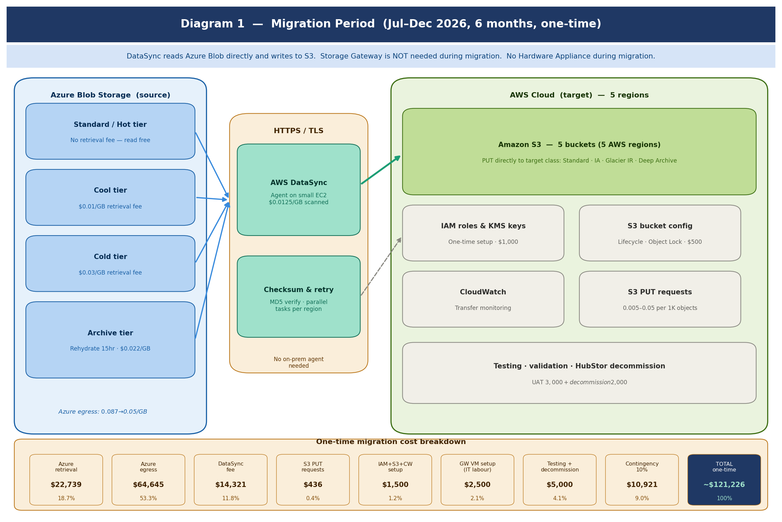

MIGRATION COST VALIDATION — All one-time components validated (Jul–Dec 2026 only)
Component | Needed during migration? | Cost | Basis | Validation note
Azure retrieval fees (Cool/Cold/Archive) | YES — unavoidable | $22,739 | Azure charges to read data out of Cool ($0.01/GB), Cold ($0.03/GB), Archive ($0.022/GB). Standard/Hot = free. | ✅ Confirmed. Archive must be rehydrated first — start Month 1. Budget 15hr per batch.
Azure internet egress charges | YES — unavoidable | $64,645 | Azure charges for data leaving to S3 over internet. Tiered: $0.087→$0.05/GB. Largest cost component. | ✅ Confirmed. Request Azure egress waiver/credits before migration starts — could save $30–60K.
AWS DataSync fee | YES — migration tool | $14,321 | $0.0125/GB scanned × 1,145,641 GB total. DataSync agent runs on small EC2 in AWS, not on-prem. | ✅ Confirmed. One-time charge. Stops when migration completes.
S3 PUT request charges | YES — ingestion cost | $436 | $0.005–$0.05/1K objects depending on storage class. PUT directly to target class (no transitions). | ✅ Confirmed. Negligible. Use --storage-class flag in DataSync to avoid transition fees.
IAM roles, KMS keys, S3 bucket setup | YES — Day 1 setup | $1,500 | One-time config: 5 S3 buckets, lifecycle rules, Object Lock, IAM DataSync role, KMS keys. IT labor. | ✅ Confirmed. One-time only. Must be done Week 1 before DataSync starts.
File Gateway VM setup (IT labour, 5 sites) | YES — configure during migration | $2,500 | $500/site IT labor × 5. Gateways configured during migration period so they are ready for Jan 2027 cutover. | ✅ Confirmed. Setup happens during migration. Gateways go LIVE Jan 2027 — not used for data transfer during migration.
Testing, validation & UAT | YES — each site cutover | $3,000 | MD5/ETag checksum validation, retrieval tests, connector smoke tests before each site cutover. | ✅ Confirmed. Mandatory. Data integrity checks required before cutting over each site.
HubStor decommission & contract management | YES — end of migration | $2,000 | Legal/admin for contract termination notice, final data verification, sign-off. Month 1 start notice. | ✅ Confirmed. Serve notice in Month 1. HubStor terminated Dec 2026 / Jan 2027.
Contingency 10% | YES — buffer | $10,921 | 10% of subtotal. Covers unexpected Azure egress spikes, retries, extra labor, rehydration delays. | ✅ Recommended for complex cross-cloud migration. Egress waivers could reduce actual spend.
Storage Gateway Hardware Appliance | NOT during migration | $0 | Hardware Appliance is an ongoing post-migration cost (Diagram 2). NOT needed during data migration. | ✅ Correctly excluded from migration costs. Only applies post-migration for ongoing connectivity.
EC2 for DataSync agent | Included in contingency | ~$450 | t3.small EC2 × 5 regions × 6 months ≈ $450. Covered within contingency buffer. | ✅ Small cost, absorbed in contingency. Can be stopped immediately after migration completes.
GRAND TOTAL — ONE-TIME MIGRATION |  | ~$121,226 | Note: Azure egress waiver could reduce total by $30–60K

DIAGRAM 2 — POST-MIGRATION STEADY STATE (Jan 2027 onwards, recurring monthly)
After migration: HubStor is terminated, Azure Blob is decommissioned. File Gateway VM runs on existing on-prem servers — same servers that ran HubStor connectors. Hardware Appliance ($470/mo × 5) is NOT required because CRL already has suitable on-prem servers. Monthly AWS cost = $3,846/mo (vs $6,196/mo if Hardware Appliance had been included).
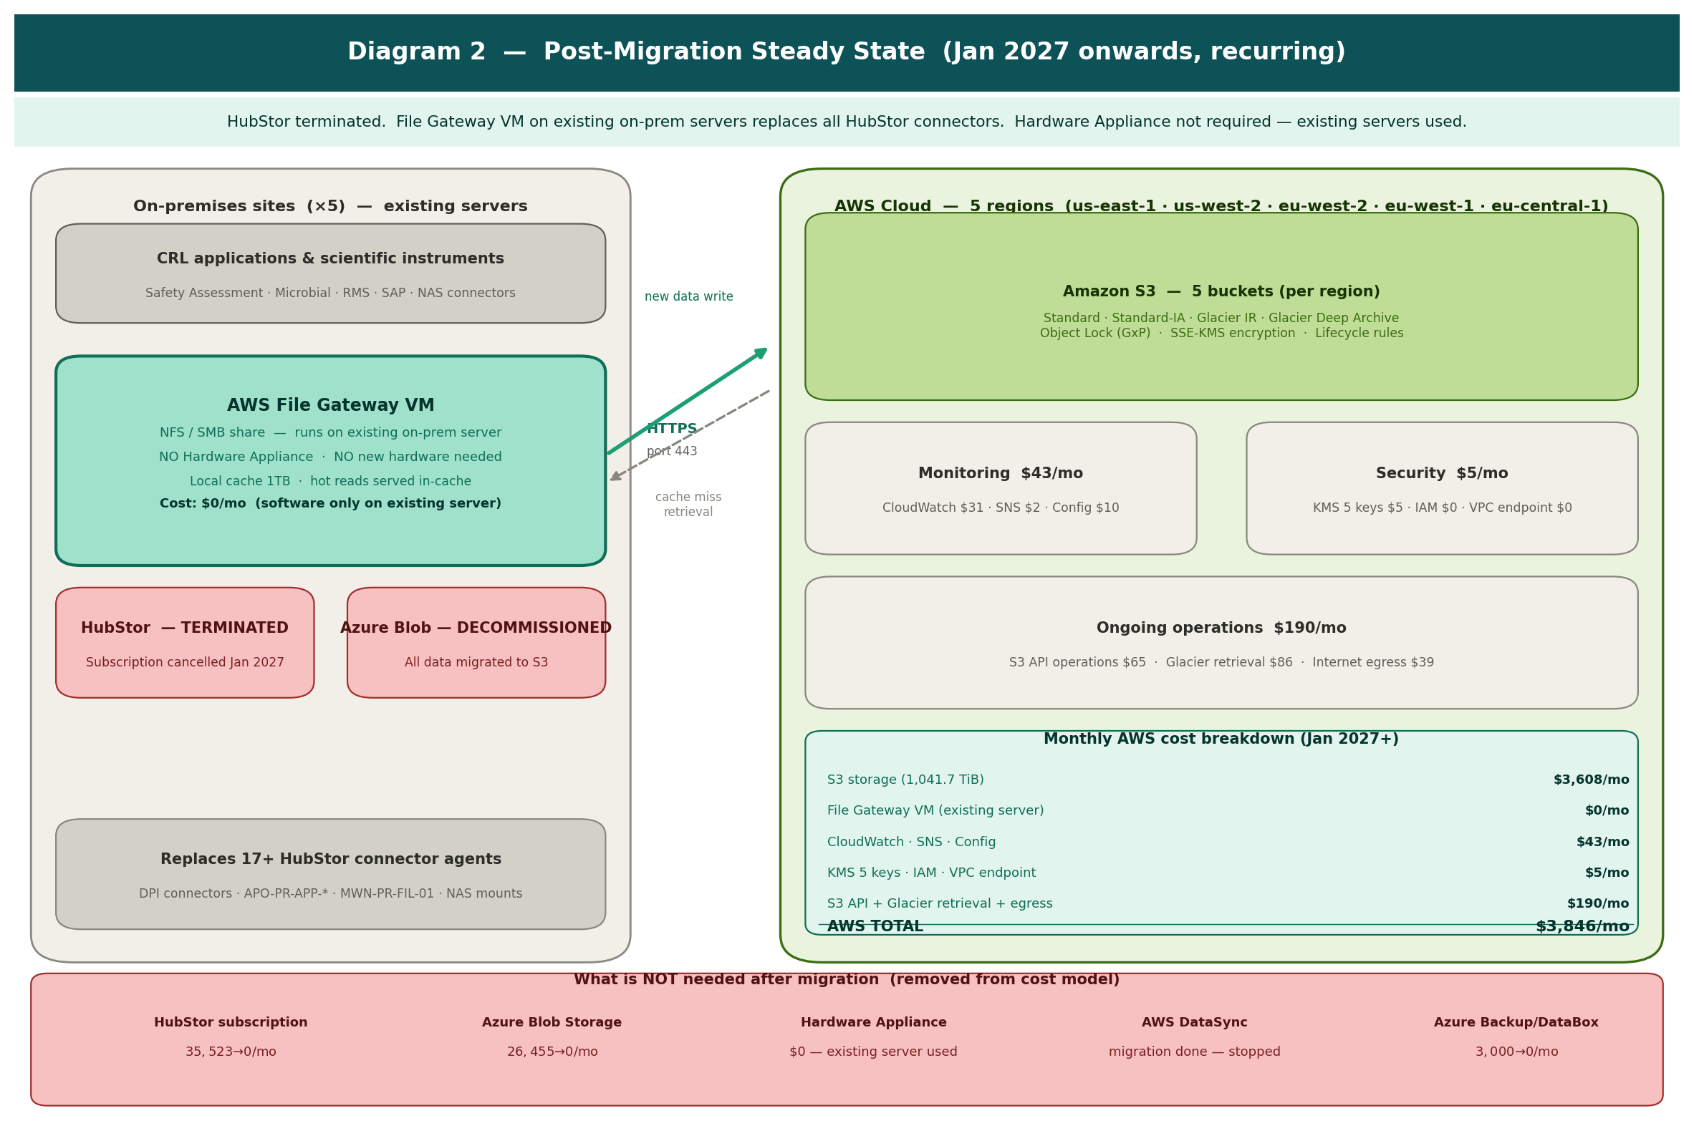

ONGOING AWS COST VALIDATION — Monthly recurring from Jan 2027
Resource | Needed post-migration? | Qty | Unit cost/mo | Monthly ($) | Annual ($) | Validation note
S3 storage — all 5 tiers | YES | 1,041.7 TiB | $3,608 | $3,608 | $43,296 | Core storage cost. Standard/IA/Glacier IR/Deep Archive. Grows 5%/yr from 2028.
File Gateway VM (×5 sites) | YES — $0 | 5 sites | $0 | $0 | $0 | VM on existing on-prem server. NFS/SMB replaces HubStor connectors. No Hardware Appliance.
Hardware Appliance (amortised) | NOT NEEDED | — | $0 | $0 | $0 | Removed. CRL has existing servers. Saves $2,350/mo vs original estimate.
CloudWatch monitoring | YES | 1 | $31 | $31 | $372 | Dashboards, alarms, transfer metrics, cost anomaly detection.
AWS KMS encryption keys | YES | 5 keys | $1 | $5 | $60 | 1 key per AWS region. SSE-KMS for all S3 objects.
SNS alert notifications | YES | 1 | $2 | $2 | $24 | Budget threshold and Gateway health alerts.
AWS Config compliance | YES | 1 | $10 | $10 | $120 | S3 bucket compliance rules, Object Lock monitoring.
S3 API operations | YES | 1 | $65 | $65 | $780 | Ongoing PUTs from Gateway + GETs for retrieval.
Glacier Deep Archive retrieval | YES | 1 | $86 | $86 | $1,032 | Est. 0.5% of 882 TiB retrieved/mo × $0.02/GB restore fee.
S3 internet egress | YES | 1 | $39 | $39 | $468 | ~10% of retrieved data sent externally to end users.
S3 Transfer Acceleration | NOT NEEDED | — | $0 | $0 | $0 | Archive workload — standard upload via Gateway is sufficient.
AWS DataSync | NOT NEEDED | — | $0 | $0 | $0 | Migration complete — DataSync stopped. No ongoing charge.
AWS TOTAL (Jan 2027+) |  |  |  | $3,846/mo | $46,152/yr | Saves $2,350/mo ($28,200/yr) vs original Hardware Appliance model ($6,196/mo)

