Migration Architecture
MIGRATION ARCHITECTURE — AWS S3 File Gateway VM (EC2 t3.xlarge per site, recurring monthly)
PROPOSAL: File Gateway VM on EC2 t3.xlarge at each of the 5 sites. RECURRING cost: $130/mo/site × 5 = $650/mo from the moment each gateway goes live. MIGRATION (Jul–Dec 2026): DataSync migrates historical data Azure→S3; Gateway handles new writes from cutover. POST-MIGRATION (Jan 2027+): Gateway is sole connectivity layer. AWS Total = $4,496/mo.

DIAGRAM 1 — MIGRATION PERIOD (Jul–Dec 2026) | DataSync migrates historical data | Gateway EC2 launched per-site, handles new writes
DataSync (EC2 agent in AWS) migrates all Azure Blob data directly to S3 — Gateway not used for this. File Gateway EC2 launched site-by-site during migration; recurring $130/mo charge starts immediately. Gateway starts serving new writes from each site on its cutover date.
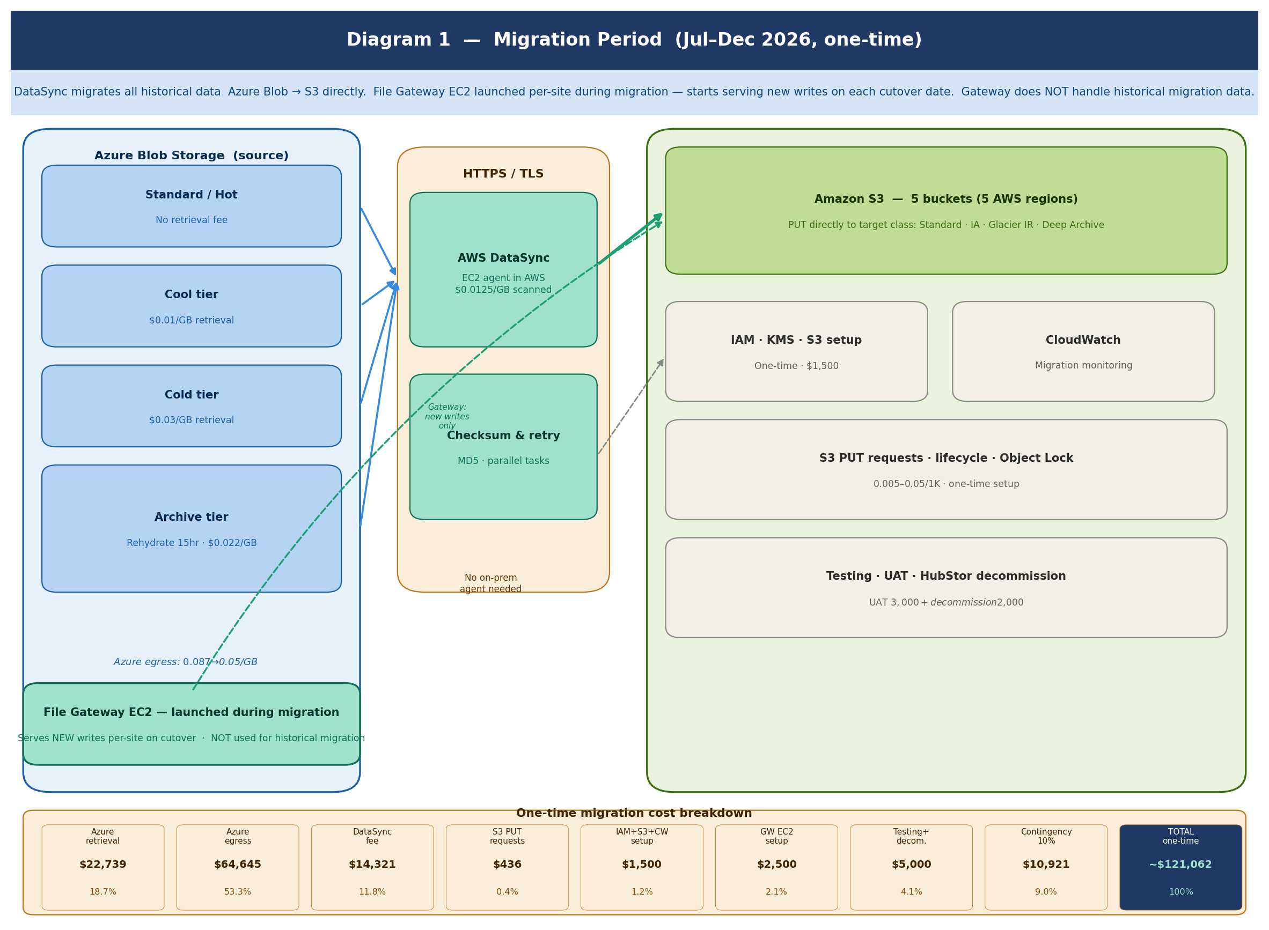

MIGRATION COST VALIDATION — One-time costs (Jul–Dec 2026)
Component | Role | One-time cost | How it works | Note
AWS DataSync | REQUIRED — migration tool | $14,321 | Reads Azure Blob → writes to S3. EC2 agent in AWS. $0.0125/GB × 1,145,641 GB. | ✅ Stops when migration completes.
Azure retrieval fees | REQUIRED — unavoidable | $22,739 | Azure charges: Cool $0.01/GB · Cold $0.03/GB · Archive $0.022/GB. Standard/Hot = free. | ✅ Negotiate Azure egress waiver first.
Azure egress charges | REQUIRED — unavoidable | $64,645 | Azure internet egress Azure→S3. Tiered $0.087→$0.05/GB. | ⚠ Request Azure credits — could save $30–60K.
File Gateway EC2 setup — 5 sites | REQUIRED — launch during migration | $2,500 | $500/site IT config × 5. Launch EC2 t3.xlarge, install Gateway, configure NFS/SMB shares. | ✅ Recurring $130/mo/site starts on launch. Gateway handles new writes, not migration data.
IAM · KMS · S3 bucket config | REQUIRED — Week 1 | $1,500 | 5 S3 buckets, lifecycle, Object Lock, IAM roles, KMS CMKs. | ✅ Complete before DataSync starts.
S3 PUT requests | REQUIRED — ingestion | $436 | $0.005–$0.05/1K objects. PUT directly to target storage class. | ✅ Use --storage-class flag in DataSync.
Testing · UAT · HubStor decommission | REQUIRED | $5,000 | UAT $3,000 + HubStor contract decommission $2,000. | ✅ 100% object match before each cutover.
Contingency 10% | RECOMMENDED | $10,921 | 10% buffer for egress spikes, retries, delays. | ✅ Standard for cross-cloud migrations.
GRAND TOTAL — ONE-TIME |  | ~$121,062 | Note: Gateway EC2 recurring cost ($650/mo) is separate — starts during migration, continues permanently.

DIAGRAM 2 — POST-MIGRATION STEADY STATE (Jan 2027+) | Gateway EC2 $650/mo recurring | AWS Total = $4,496/mo
File Gateway EC2 t3.xlarge ($130/mo/site × 5 = $650/mo) is a permanent RECURRING cost — same as paying for any cloud VM. This is the price of replacing HubStor connectors with a managed AWS connectivity layer. AWS Total = S3 $3,608 + Gateway EC2 $650 + ops $238 = $4,496/mo. This is consistent across Cost Comparison B39, Financial Model B6, and Executive Summary KPI tile.
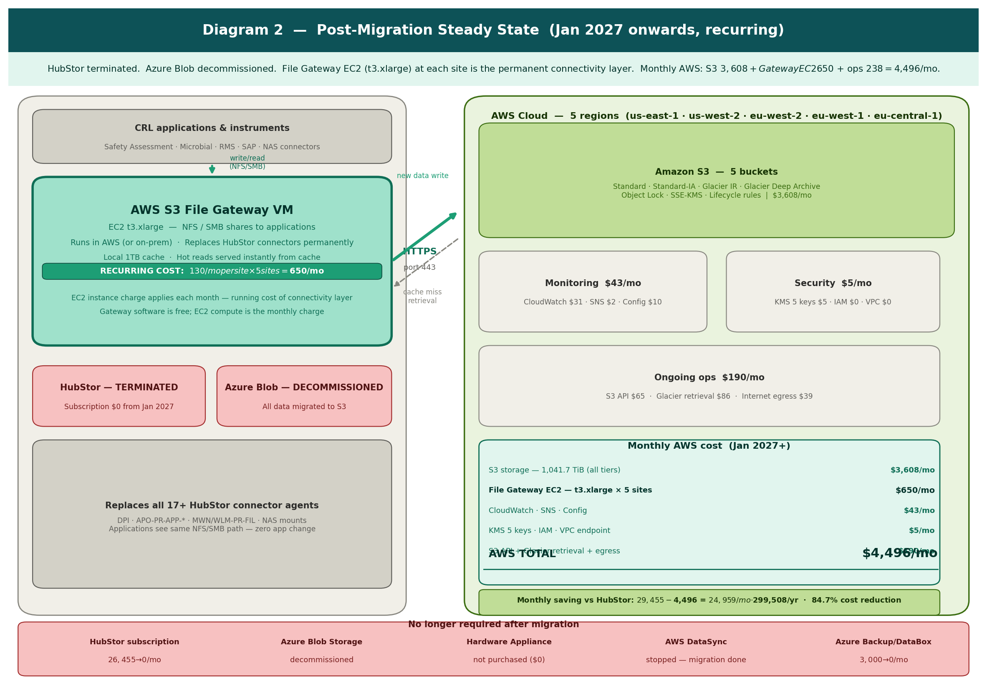

ONGOING AWS COST VALIDATION — Monthly recurring from Jan 2027 | $4,496/mo total
Resource | Needed? | Qty | Unit/mo | Monthly | Annual | Validation
S3 storage — all 5 tiers | YES | 1,041.7 TiB | $3,608 | $3,608 | $43,296 | Core storage. Standard/IA/Glacier IR/Deep Archive. Grows 5%/yr from 2028.
File Gateway EC2 — t3.xlarge × 5 | YES — RECURRING | ×5 EC2 | $130 | $650 | $7,800 | RECURRING monthly. EC2 compute for File Gateway VM at each site. Permanent connectivity layer.
Hardware Appliance | NOT PURCHASED | — | $0 | $0 | $0 | Physical unit not purchased. EC2 instance used instead. Assumptions C51=$130 (EC2 cost).
CloudWatch | YES | 1 | $31 | $31 | $372 | Dashboards, alarms, cost anomaly detection.
KMS keys | YES | 5 keys | $1 | $5 | $60 | SSE-KMS per region.
SNS alerts | YES | 1 | $2 | $2 | $24 | Budget and Gateway health alerts.
AWS Config | YES | 1 | $10 | $10 | $120 | S3 compliance monitoring.
S3 API operations | YES | 1 | $65 | $65 | $780 | PUTs from Gateway + GETs for retrieval.
Glacier retrieval | YES | 1 | $86 | $86 | $1,032 | 0.5% of archive/mo × $0.02/GB.
Internet egress | YES | 1 | $39 | $39 | $468 | ~10% retrieved externally.
S3 Transfer Acceleration | NOT NEEDED | — | $0 | $0 | $0 | Standard HTTPS sufficient.
DataSync | STOPPED | — | $0 | $0 | $0 | Migration done. EC2 agent terminated.
AWS TOTAL (Jan 2027+) |  |  |  | $4,496/mo | $53,952/yr | S3 $3,608 + Gateway EC2 $650 + CW $31 + KMS $5 + SNS $2 + Config $10 + API $65 + Glacier $86 + Egress $39 = $4,496

