AVs
Domain |  | MR_ID | TS | Depth | Leaves | BF | CC | N1 | N2 | n1_unique_ops | n2_unique_opds | N_length | n_vocabulary | Halstead_V | Halstead_D | Halstead_E | Operators_detail | Raw Mrs
AVs | Human written | example-detailed-MR1 | 13 | 4 | 6 | 1.71 | 1 | 4 | 6 | 3 | 6 | 10 | 9 | 31.7 | 1.5 | 47.55 | COMP(>), AND, COMP(>=), COMP(>=) | NS(m1) > NS(m2) '=> TTD(m2) >= TTD(m1) AND D(m2) >= D(m1)
 |  | example-detailed-MR2 | 13 | 4 | 6 | 1.71 | 1 | 4 | 6 | 3 | 6 | 10 | 9 | 31.7 | 1.5 | 47.55 | COMP(>), AND, COMP(>=), COMP(>=) | OC(m1) > OC(m2) '=> TTD(m1) >= TTD(m2) AND D(m1) >= D(m2)
 |  | example-detailed-MR3 | 13 | 4 | 6 | 1.71 | 1 | 4 | 6 | 3 | 6 | 10 | 9 | 31.7 | 1.5 | 47.55 | COMP(>), AND, COMP(>=), COMP(>=) | WPC(m1) > WPC(m2) '=> TTD(m1) >= TTD(m2) AND D(m1) >= D(m2)
 |  | Avg | 13 | 4 | 6 | 1.71 | 1 | 4 | 6 | 3 | 6 | 10 | 9 | 31.7 | 1.5 | 47.55
 | AI written | example-detailed-MR4 | 9 | 3 | 4 | 1.6 | 1 | 2 | 4 | 2 | 4 | 6 | 6 | 15.51 | 1 | 15.51 | COMP(>), COMP(<=) | MS(m1) > MS(m2) '=> TTD(m1) <= TTD(m2)
 |  | example-detailed-MR5 | 9 | 3 | 4 | 1.6 | 1 | 2 | 4 | 2 | 4 | 6 | 6 | 15.51 | 1 | 15.51 | COMP(>), COMP(<=) | AVG(m1) > AVG(m2) '=> D(m1) <= D(m2)
 |  | example-detailed-MR6 | 9 | 3 | 4 | 1.6 | 1 | 2 | 4 | 2 | 4 | 6 | 6 | 15.51 | 1 | 15.51 | COMP(>), COMP(<=) | ARG(m1) > ARG(m2) '=> BAL(m1) <= BAL(m2)
 |  | example-noMR-MR2 | 9 | 3 | 4 | 1.6 | 1 | 2 | 4 | 2 | 4 | 6 | 6 | 15.51 | 1 | 15.51 | COMP(<), COMP(>=) | OC(m1) < OC(m2) '=> D(m1) >= D(m2)
 |  | example-noIF-MR4 | 13 | 4 | 6 | 1.71 | 1 | 4 | 6 | 3 | 6 | 10 | 9 | 31.7 | 1.5 | 47.55 | COMP(>), AND, COMP(<=), COMP(<=) | MS(m1) > MS(m2) '=> TTD(m1) <= TTD(m2) AND ED(m1) <= ED(m2)
 |  | example-noIF-MR6 | 13 | 4 | 6 | 1.71 | 1 | 4 | 6 | 3 | 6 | 10 | 9 | 31.7 | 1.5 | 47.55 | COMP(>), AND, COMP(<=), COMP(<=) | ARG(m1) > ARG(m2) '=> TTD(m1) <= TTD(m2) AND ED(m1) <= ED(m2)
 |  | example-none-MR4 | 9 | 3 | 4 | 1.6 | 1 | 2 | 4 | 2 | 4 | 6 | 6 | 15.51 | 1 | 15.51 | COMP(<), COMP(>=) | MS(m1) < MS(m2) '=> D(m1) >= D(m2)
 |  | noexample-detailed-MR4 | 13 | 4 | 6 | 1.71 | 1 | 4 | 6 | 3 | 6 | 10 | 9 | 31.7 | 1.5 | 47.55 | COMP(>), AND, COMP(>=), COMP(>=) | MS(m1) > MS(m2) '=> TTD(m1) >= TTD(m2) AND D(m1) >= D(m2)
 |  | noexample-detailed-MR6 | 13 | 4 | 6 | 1.71 | 1 | 4 | 6 | 3 | 6 | 10 | 9 | 31.7 | 1.5 | 47.55 | COMP(>), AND, COMP(>=), COMP(>=) | ARG(m1) > ARG(m2) '=> TTD(m1) >= TTD(m2) AND D(m1) >= D(m2)
 |  | noexample-noIF-MR4 | 13 | 4 | 6 | 1.71 | 1 | 4 | 6 | 4 | 6 | 10 | 10 | 33.22 | 2 | 66.44 | COMP(>), AND, COMP(<=), COMP(>=) | MS(m1) > MS(m2) '=> TTD(m1) <= TTD(m2) AND ED(m1) >= ED(m2)
 |  | noexample-noIF-MR6 | 13 | 4 | 6 | 1.71 | 1 | 4 | 6 | 4 | 6 | 10 | 10 | 33.22 | 2 | 66.44 | COMP(<), AND, COMP(>=), COMP(<=) | ARG(m1) < ARG(m2) '=> TTD(m1) >= TTD(m2) AND ED(m1) <= ED(m2)
 |  | Avg | 11.181818182 | 3.5454545455 | 5.0909090909 | 1.66 | 1 | 3.0909090909 | 5.0909090909 | 2.7272727273 | 5.0909090909 | 8.1818181818 | 7.8181818182 | 24.617272727 | 1.3636363636 | 36.420909091

Conclusiones:
* En promedio, las MRs IA son algo menos complejas que las humanas (≈ 10–25% menos según métrica; Halstead_E ≈ 23% menos).
* A diferencia de DCs, aquí la IA sí alcanza el mismo rango de complejidad que el humano en varias reglas (TS=13, E=47.55).
* La IA muestra bimodalidad: muchas reglas simples (TS=9, E=15.51) y un bloque “human-like” (TS=13, E=47.55).
* Hay casos puntuales donde la IA es más compleja que el humano (E=66.44) al aumentar variedad de operadores y dificultad.
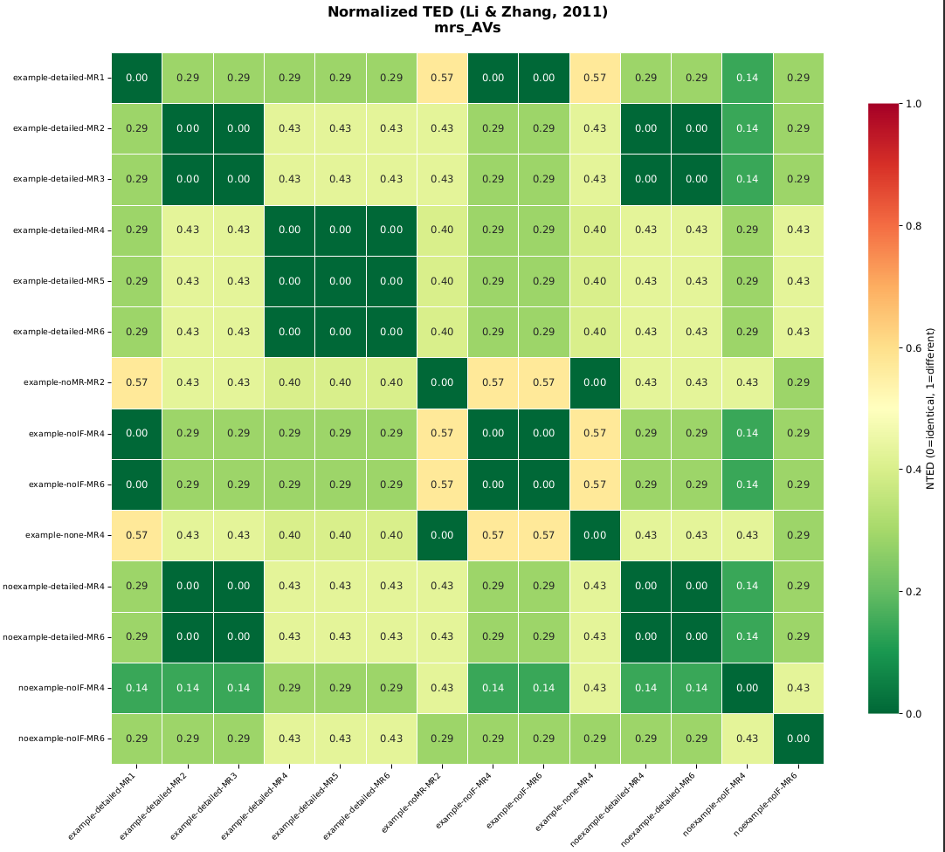
 |  |  |  |  |  |  |  |  |  |  |  |  |  |  |  |  |  |  | ←Dejo aqui las distancias TED normalizadas
LEGEND |  |  |  |  |  |  |  |  |  |  |  |  |  |  |  |  |  |  | * Se encuentran patrones entre la complejidad de las reglas y la similaridad de la matriz
Domain |  | SUT domain (AVs / DCs / DFAs / Words) |  |  |  |  |  |  |  |  |  |  |  |  |  |  |  |  | - | Ver como las 3 generadas por humanos son casi idénticas, únicamente cambia una comparación al final de la primera regla, swap entre m1 y m2
MR_ID |  | Metamorphic Relation identifier (group-category-MRn) |  |  |  |  |  |  |  |  |  |  |  |  |  |  |  |  | - | La más diferente es entre la MR1 original, y example-noMR-MR2, cuya diferencia entre complejidad es la mayor
Tree_Size |  | Total number of nodes in the unsimplified parse tree |  |  |  |  |  |  |  |  |  |  |  |  |  |  |  |  | - | Sin embargo, vemos como nuestra propuesta es capaz de general relaciones idénticas, tanto en términos de complejidad, como de estructura (MR1 original vs example-noIF-MR4)
Depth |  | Maximum depth of the parse tree |  |  |  |  |  |  |  |  |  |  |  |  |  |  |  |  | . | Ver la MR1 original vs noexample-noIF-MR6. En términos de complejidad es superior la generada por IA, y en términos de diferencia estructura, ligeramente diferentes
Leaves |  | Number of leaf nodes (operands)
Branching_Factor |  | Average branching factor = edges / internal nodes
McCabe_CC |  | Cyclomatic Complexity = #OR + 1 (McCabe, 1976)
N1_operators |  | Total operator tokens (AND / OR / COMP / PRED / NEG_PRED)
N2_operands |  | Total operand tokens (original expressions: NS(m1), TTD(m2), etc.)
n1_unique_ops |  | Number of distinct operator types
n2_unique_opds |  | Number of distinct operand expressions
N_length |  | Halstead program length = N1 + N2
n_vocabulary |  | Halstead vocabulary = n1 + n2
Halstead_V |  | Volume = N * log2(n) in bits (Halstead, 1977)
Halstead_D |  | Difficulty = (n1/2) * (N2/n2) (Halstead, 1977)
Halstead_E |  | Effort = D * V (Halstead, 1977)
Operators_detail |  | List of operator tokens found in the tree
Operands_detail |  | List of operand tokens found in the tree
Raw_MR |  | Original MR text as written in the input file

DCs
Domain |  | MR_ID | TS | Depth | Leaves | BF | CC | N1 | N2 | n1_unique_ops | n2_unique_opds | N_length | n_vocabulary | Halstead_V | Halstead_D | Halstead_E | Operators_detail | Raw Mrs
DCs | Human written | base-normal-MR1 | 9 | 3 | 4 | 1.6 | 1 | 2 | 4 | 2 | 4 | 6 | 6 | 15.51 | 1 | 15.51 | COMP(>), COMP(<=) | NN(m1) > NN(m2) '=> T(m1) <= T(m2)
 |  | base-normal-MR2 | 13 | 4 | 6 | 1.71 | 1 | 4 | 6 | 4 | 6 | 10 | 10 | 33.22 | 2 | 66.44 | AND, COMP(>), COMP(==), COMP(<=) | CPU(m1) > CPU(m2) AND W(m1)=W(m2) '=> E(m1) <= E(m2)
 |  | base-normal-MR3 | 13 | 4 | 6 | 1.71 | 1 | 4 | 6 | 4 | 6 | 10 | 10 | 33.22 | 2 | 66.44 | AND, COMP(>), COMP(==), COMP(<=) | SS(m1) > SS(m2) AND W(m1)=W(m2) '=> T(m1) <= T(m2)
 |  | base-normal-MR4 | 9 | 3 | 4 | 1.6 | 1 | 2 | 4 | 2 | 4 | 6 | 6 | 15.51 | 1 | 15.51 | COMP(>), COMP(<=) | TBW(m1) > TBW(m2) '=> T(m2) <= T(m1)
 |  | base-normal-MR5 | 13 | 4 | 6 | 1.71 | 1 | 4 | 6 | 4 | 6 | 10 | 10 | 33.22 | 2 | 66.44 | AND, COMP(>), COMP(==), COMP(<) | MS(m1) > MS(m2) AND W(m1)=W(m2) '=> T(m1) < T(m2)
 |  | Avg | 11.4 | 3.6 | 5.2 | 1.666 | 1 | 3.2 | 5.2 | 3.2 | 5.2 | 8.4 | 8.4 | 26.136 | 1.6 | 46.068
 | AI written | base-normal-MR6 | 9 | 3 | 4 | 1.6 | 1 | 2 | 4 | 2 | 4 | 6 | 6 | 15.51 | 1 | 15.51 | COMP(>), COMP(<=) | TBW(m1) > TBW(m2) '=> T(m2) <= T(m1)
 |  | base-normal-MR7 | 9 | 3 | 4 | 1.6 | 1 | 2 | 4 | 2 | 4 | 6 | 6 | 15.51 | 1 | 15.51 | COMP(>), COMP(>=) | TMS(m1) > TMS(m2) '=> T(m2) >= T(m1)
 |  | base-noMR-MR1 | 9 | 3 | 4 | 1.6 | 1 | 2 | 4 | 2 | 4 | 6 | 6 | 15.51 | 1 | 15.51 | COMP(>), COMP(<=) | TBW(m1) > TBW(m2) '=> T(m2) <= T(m1)
 |  | base-noMR-MR3 | 9 | 3 | 4 | 1.6 | 1 | 2 | 4 | 2 | 4 | 6 | 6 | 15.51 | 1 | 15.51 | COMP(>), COMP(<=) | TMS(m1) > TMS(m2) '=> T(m2) <= T(m1)
 |  | base-noMR-MR4 | 9 | 3 | 4 | 1.6 | 1 | 2 | 4 | 2 | 4 | 6 | 6 | 15.51 | 1 | 15.51 | COMP(>), COMP(<=) | NN(m1) > NN(m2) '=> E(m2) <= E(m1)
 |  | nobase-normal-MR3 | 9 | 3 | 4 | 1.6 | 1 | 2 | 4 | 2 | 4 | 6 | 6 | 15.51 | 1 | 15.51 | COMP(>), COMP(<=) | TBW(m1) > TBW(m2) '=> T(m1) <= T(m2)
 |  | nobase-normal-MR5 | 9 | 3 | 4 | 1.6 | 1 | 2 | 4 | 2 | 4 | 6 | 6 | 15.51 | 1 | 15.51 | COMP(>), COMP(<=) | TMS(m1) > TMS(m2) '=> T(m1) <= T(m2)
 |  | nobase-noIF-MR3 | 9 | 3 | 4 | 1.6 | 1 | 2 | 4 | 1 | 4 | 6 | 5 | 13.93 | 0.5 | 6.97 | COMP(>), COMP(>) | NN(m1) > NN(m2) '=> E(m1) > E(m2)
 |  | nobase-noIF-MR4 | 9 | 3 | 4 | 1.6 | 1 | 2 | 4 | 1 | 4 | 6 | 5 | 13.93 | 0.5 | 6.97 | COMP(<), COMP(<) | L(m1) < L(m2) '=> T(m1) < T(m2)
 |  | nobase-noIF-MR5 | 9 | 3 | 4 | 1.6 | 1 | 2 | 4 | 2 | 4 | 6 | 6 | 15.51 | 1 | 15.51 | COMP(>), COMP(<) | BW(m1) > BW(m2) '=> E(m1) < E(m2)
 |  | nobase-noIF-MR6 | 9 | 3 | 4 | 1.6 | 1 | 2 | 4 | 2 | 4 | 6 | 6 | 15.51 | 1 | 15.51 | COMP(>), COMP(<) | MS(m1) > MS(m2) '=> T(m1) < T(m2)
 |  | Avg | 9 | 3 | 4 | 1.6 | 1 | 2 | 4 | 1.8181818182 | 4 | 6 | 5.8181818182 | 15.222727273 | 0.90909090909 | 13.957272727

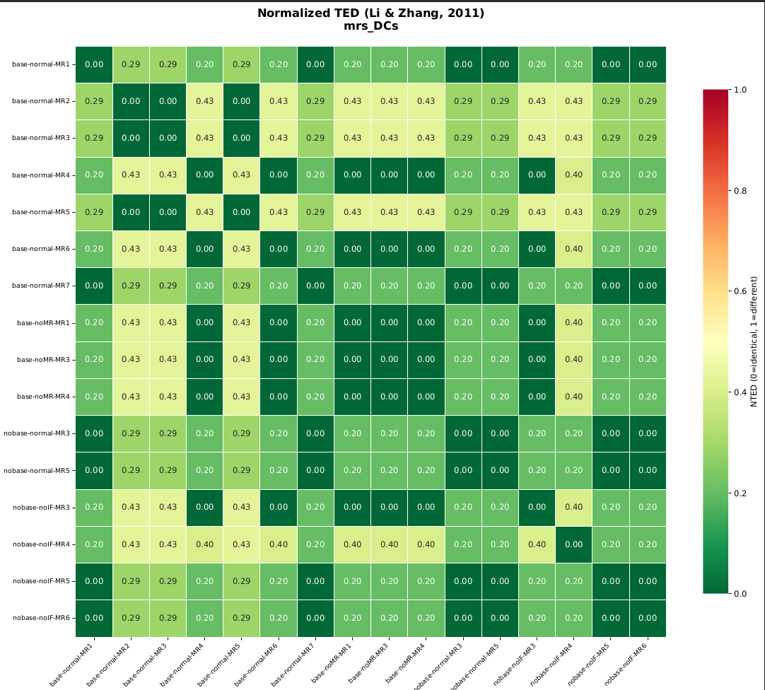
Conclusiones:
 | La diferencia principal entre las reglas generadas por humanos e IA es una comparación extra en la entrada
 | Las MRs de IA tienden a ser árboles más pequeños, con menos niveles y menos operandos. |  |  |  |  |  |  |  |  |  |  |  |  |  |  |  |  |  | ←Esto son distancias TED no similaridad, lo he utilizado para analizar el shape
 | Según Halstead, las MRs humanas requieren más “carga cognitiva”
 | En humanos se ve un patrón bimodal:
 |  | Reglas simples (tipo “COMP ⇒ COMP”) con E=15.51
 |  | Reglas compuestas (con AND y ==) con E=66.44
 | En IA, la mayoría cae en el bloque simple

LEGEND
Domain |  | SUT domain (AVs / DCs / DFAs / Words)
MR_ID |  | Metamorphic Relation identifier (group-category-MRn)
Tree_Size |  | Total number of nodes in the unsimplified parse tree
Depth |  | Maximum depth of the parse tree
Leaves |  | Number of leaf nodes (operands)
Branching_Factor |  | Average branching factor = edges / internal nodes
McCabe_CC |  | Cyclomatic Complexity = #OR + 1 (McCabe, 1976)
N1_operators |  | Total operator tokens (AND / OR / COMP / PRED / NEG_PRED)
N2_operands |  | Total operand tokens (original expressions: NS(m1), TTD(m2), etc.)
n1_unique_ops |  | Number of distinct operator types
n2_unique_opds |  | Number of distinct operand expressions
N_length |  | Halstead program length = N1 + N2
n_vocabulary |  | Halstead vocabulary = n1 + n2
Halstead_V |  | Volume = N * log2(n) in bits (Halstead, 1977)
Halstead_D |  | Difficulty = (n1/2) * (N2/n2) (Halstead, 1977)
Halstead_E |  | Effort = D * V (Halstead, 1977)
Operators_detail |  | List of operator tokens found in the tree
Operands_detail |  | List of operand tokens found in the tree
Raw_MR |  | Original MR text as written in the input file

