Task ID 1
Subtask | Task 1.0
Navigation | Home > Login
Tester Name | Anmol
Timestamp | 2025-05-03 14:18:02
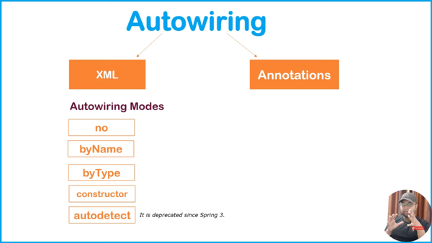

Test Result | Pass
Comment | test

Subtask | Task 1.1
Navigation | Home > Login > Username
Tester Name | Anmol
Timestamp | 2025-05-03 14:46:41
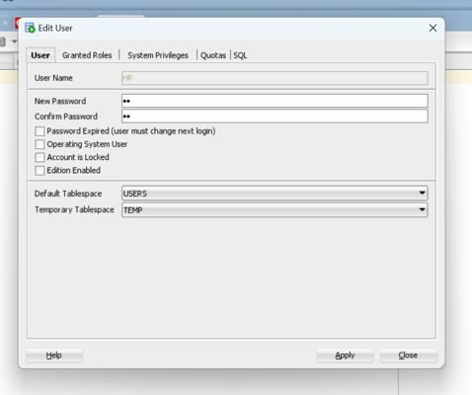

Test Result | Pass
Comment | uop

Subtask | Task 1.2
Navigation | Home > Login > Password
Tester Name | Anmol
Timestamp | 2025-05-03 14:49:14
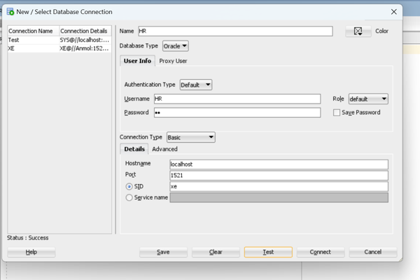

Test Result | Fail
Comment | Test

Summary
Test Result Summary
Total Tasks | 9
Pass | 7
Fail | 1
Hold | 0
Pass Rate | 77.78%
Last Updated Task ID | 2.1
Last Updated By | Yash
Last Updated On | 2025-05-04 07:56:02

Progress | [█████████████████---] 88%

Task Completion Over Time
Date | Test Count
2025-05-03 | 4
2025-05-04 | 4

Tasks Completed Per Tester

Tester Name | Test Count
Anmol | 3
Vaishnavi | 3
Yash | 2

Task ID 3
Subtask | Task 3.0
Navigation | Home > Dashboard
Tester Name | Vaishnavi
Timestamp | 2025-05-03 14:49:56
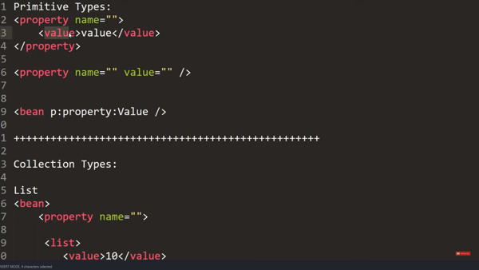

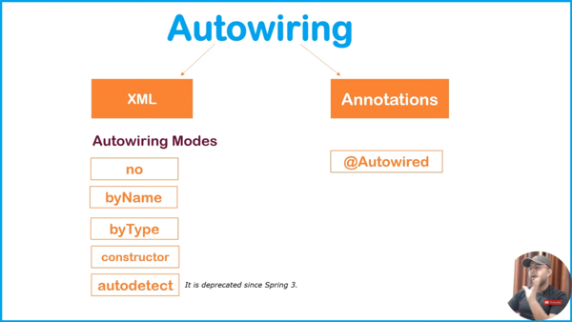

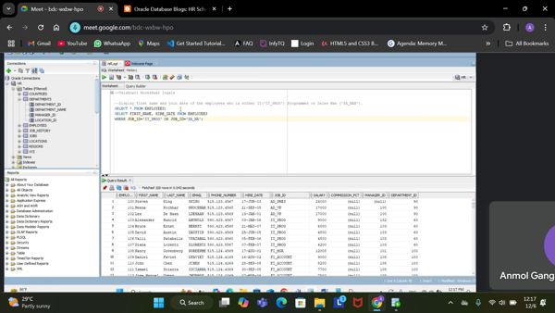

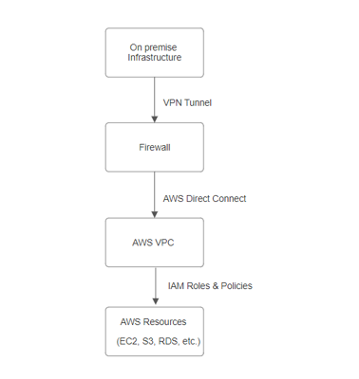

Test Result | Pass
Comment | ok

Subtask | Task 3.1
Navigation | Home > Dashboard
Tester Name | Vaishnavi
Timestamp | 2025-05-04 11:33:17

Test Result | Pass
Comment | tes

Subtask | Task 3.2
Navigation | Home > Dashboard
Tester Name | Vaishnavi
Timestamp | 2025-05-04 07:42:19

Test Result | Pass
Comment | test

Task ID 2
Subtask | Task 2.0
Navigation | Dashboard > Settings > Logout
Tester Name | Yash
Timestamp | 2025-05-04 07:50:25

Test Result | Pass
Comment | test

Subtask | Task 2.1
Navigation | Dashboard > Logout > Button
Tester Name | Yash
Timestamp | 2025-05-04 07:56:02
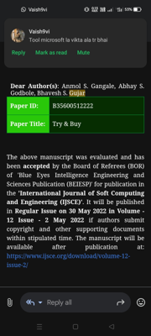

Test Result | Pass
Comment | Anmol mobile

