Task ID 1
Subtask | Task 1.0
Navigation | Home > Login
Tester Name | Anmol
Timestamp | 2025-05-04 08:27:31
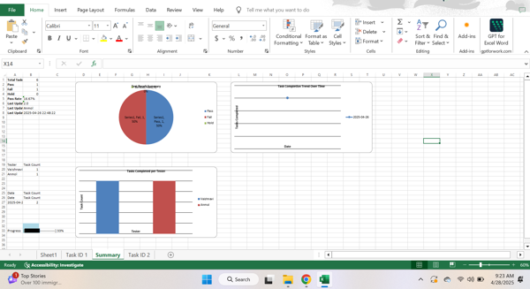

Test Result | Pass
Comment | pass

Summary
Test Result Summary
Total Tasks | 13
Pass | 1
Fail | 0
Hold | 0
Pass Rate | 7.69%
Last Updated Task ID | 1.0
Last Updated By | Anmol
Last Updated On | 2025-05-04 08:27:31

Progress | [█-------------------] 7%

Task Completion Over Time
Date | Test Count
2025-05-04 | 1

Tasks Completed Per Tester

Tester Name | Test Count
Anmol | 1

